Cover


TIMES-Ireland Model

Document type: | New Technologies
Sector(s): | Cross-sector
Purpose: | Specify hydrogen import and DACS (backstop) technology

Original developer(s): | Andrew Smith (UCC, asmith@ucc.ie)
 | Hannah Daly (UCC, h.daly@ucc.ie)
 | Olexandr Balyk (UCC, olexandr.balyk@ucc.ie)
Current maintainer(s): | Olexandr Balyk (UCC, olexandr.balyk@ucc.ie)

Part of TIM version: | 1.0
Model repository: | https://github.com/MaREI-EPMG/TIMES-Ireland-model
Licence: | CC BY-NC-SA 4.0 (unless specified otherwise)
 | https://creativecommons.org/licenses/by-nc-sa/4.0/

CO2_backstop
New Processes |  |  |  |  | ~FI_T
TechName | *TechDesc | Comm-IN-A | Comm-IN | Comm-OUT-A | Comm-OUT | CAP2ACT | INVCOST | FIXOM | VAROM~2022 | VAROM~2050
\I:Technology Name | Technology Description | Auxiliary Input Commodity | Input Commodity | Auxiliary Output Commodity | Output Commodity | Capacity to Activity Factor | Investment Cost | Fixed O&M Cost | Variable O&M Cost | Variable O&M Cost
SCO2DACS | CO2 Backstop process |  | AGRCO2N |  |  | 1 |  |  | 2.00 | 2.00
 |  |  | INDCO2N
 |  |  | INDCO2P
 |  |  | PWRCO2N
 |  |  | RSDCO2
 |  |  | SRVCO2N
 |  |  | SUPCO2N
 |  |  | TRACO2N

~FI_Comm
Csets | CommName | CommDesc | Unit | LimType | CTSLvl | PeakTS | Ctype
\I: Commodity Set Membership | Commodity Name | Commodity Description | Unit | Balance Equ Type Override | Timeslice Tracking Level | Peak Monitoring | Electricity Indicator

~FI_Process
Sets | TechName | TechDesc | Tact | Tcap | Tslvl | PrimaryCG | Vintage
\I: Process Set Membership | Technology Name | Technology Description | Activity Unit | Capacity Unit | Timeslice Operational Level | Operational Commodity Group | Vintage Tracking
PRE | SCO2DACS | CO2 Backstop process | kt | kta

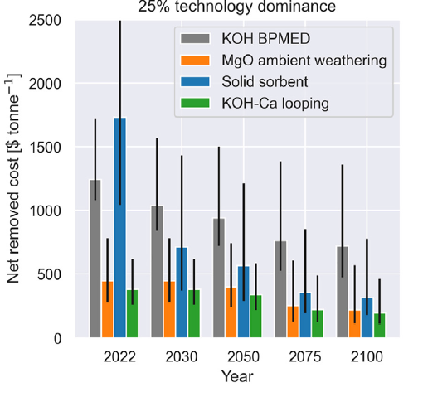
 |  |  | Source
 |  |  | Young J, McQueen N, Charalambous C, Foteinis S, Hawrot O, Ojeda M, Pilorgé H, Andresen J, Psarras P, Renforth P, Garcia S. The cost of direct air capture and storage can be reduced via strategic deployment but is unlikely to fall below stated cost targets. One Earth. 2023 Jul 21;6(7):899-917.
 |  |  | https://www.sciencedirect.com/science/article/pii/S2590332223003007

 |  |  |  | $/ton CO2 | €/ton CO2 |  | Exchange rate
 |  |  | 2022 | 1650 | 1500 |  | 0.909
 |  |  | 2050 | 550 | 500

