Cover


TIMES-Ireland Model

Document type: | Scenario
Sector(s): | All
Purpose: | Specify a carbon budget

Original developer(s): | Olexandr Balyk (UCC, olexandr.balyk@ucc.ie)

Current maintainer(s): | Olexandr Balyk (UCC, olexandr.balyk@ucc.ie)

Part of TIM version:
Model repository: | https://github.com/MaREI-EPMG/TIMES-Ireland-model
Licence: | CC BY-NC-SA 4.0 (unless specified otherwise)
 | https://creativecommons.org/licenses/by-nc-sa/4.0/

config
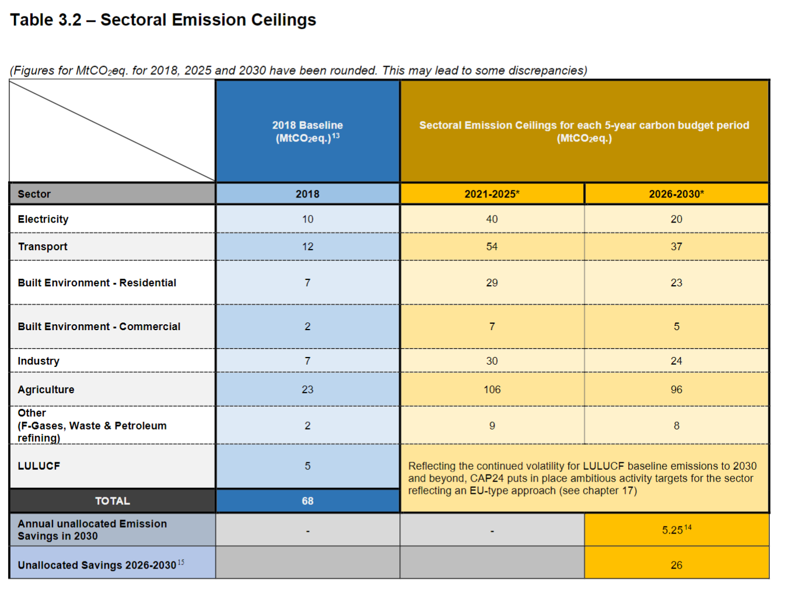
UC_N | UC_CB_250_Mt_2021-2050 | UC_CB_250_Mt_2021-2030 | UC_CB_-24_Mt_2031-2050 | UC_CB_0_Mt_2051-2100
UC_desc | Carbon budget 250 Mt 2021-2050 | Carbon budget 250 Mt 2021-2030 | Carbon budget -24 Mt 2031-2050 | Carbon budget 0 Mt 2051-2100
Year | 2021-2050 | 2021-2030 | 2031-2050 | 2051-2100
Value | 250 | 250 | -24 | 0
Pset_PN | T-A*INT*,T-NAV* | T-A*INT*,T-NAV* | T-A*INT*,T-NAV* | T-A*INT*,T-NAV*
Cset_CN | TOTCO2 | TOTCO2 | TOTCO2 | TOTCO2
Cset_Set | ENV | ENV | ENV | ENV
Other_indexes | NET | NET | NET | NET
LimType | UP | UP | UP | UP
UC_CUMFLO | -1 | -1 | -1 | -1
UC_CUMCOM | 1 | 1 | 1 | 1

 | Ireland's CB (million tonne) | 250

 | Original values
 | Year | 2021-2025 | 2026-2030 | 2031-2050 | 2051-2100
 | Value | 165.2 | 109 | -24.2 | 0

 | Reference: Climate Action Plan 2024

