Cover


TIMES-Ireland Model

Document type: | New Technologies
Sector(s): | Transport sector (TRA)
Purpose: | Techno-economic data for new vehicles

Original developer(s): | Vahid Aryanpur (UCC, vahid.aryanpur@ucc.ie)

Current maintainer(s): | Vahid Aryanpur (UCC, vahid.aryanpur@ucc.ie)

Part of TIM version: | 1.0
Model repository: | https://github.com/MaREI-EPMG/TIMES-Ireland-model
Licence: | CC BY-NC-SA 4.0 (unless specified otherwise)
 | https://creativecommons.org/licenses/by-nc-sa/4.0/

Purchase price
New Private Cars (Number) by Car Make and Engine Capacity cc in 2018
 | All capacities | Up to 900 cc | 901-1000 cc | 1001-1300 cc | 1301-1400 cc | 1401-1500 cc | 1501-1600 cc | 1601-2000 cc | 2001-2400 cc | >2400 cc
All makes | 121157 | 2439 | 20545 | 13872 | 7002 | 20335 | 20414 | 30556 | 3420 | 2574
All other makes | 49 | 13 | 0 | 6 | 10 | 1 | 0 | 8 | 0 | 11 | 0%
Alfa Romeo | 86 | 1 | 0 | 2 | 16 | 0 | 11 | 22 | 29 | 5 | 0%
Audi | 4806 | 0 | 483 | 0 | 197 | 114 | 810 | 2776 | 0 | 426 | 4%
BMW | 4128 | 76 | 0 | 0 | 0 | 556 | 0 | 3210 | 0 | 286 | 3%
Chevrolet | 0 | 0 | 0 | 0 | 0 | 0 | 0 | 0 | 0 | 0 | 0%
Chrysler Jeep | 0 | 0 | 0 | 0 | 0 | 0 | 0 | 0 | 0 | 0 | 0%
Chrysler | 0 | 0 | 0 | 0 | 0 | 0 | 0 | 0 | 0 | 0 | 0%
Citroen | 1186 | 1 | 20 | 401 | 0 | 0 | 742 | 22 | 0 | 0 | 1%
Dacia | 3411 | 274 | 683 | 1 | 0 | 2451 | 2 | 0 | 0 | 0 | 3%
Fiat | 698 | 3 | 1 | 489 | 56 | 0 | 147 | 0 | 2 | 0 | 1%
Ford | 10746 | 0 | 1293 | 2645 | 0 | 5833 | 1 | 928 | 44 | 2 | 9%
Honda | 1260 | 2 | 328 | 0 | 237 | 232 | 456 | 5 | 0 | 0 | 1%
Hyundai | 10950 | 92 | 3571 | 1027 | 806 | 0 | 1171 | 3853 | 429 | 1 | 9%
Infiniti | 0 | 0 | 0 | 0 | 0 | 0 | 0 | 0 | 0 | 0 | 0%
Jaguar | 594 | 3 | 0 | 0 | 0 | 0 | 0 | 584 | 0 | 7 | 0%
Jeep | 92 | 0 | 0 | 0 | 17 | 0 | 61 | 11 | 1 | 2 | 0%
Kia | 7005 | 0 | 613 | 506 | 1090 | 0 | 947 | 3245 | 602 | 2 | 6%
Land Rover | 1001 | 0 | 0 | 0 | 0 | 0 | 0 | 729 | 0 | 272 | 1%
Lexus | 471 | 0 | 0 | 0 | 0 | 0 | 0 | 57 | 0 | 414 | 0%
Maserati | 0 | 0 | 0 | 0 | 0 | 0 | 0 | 0 | 0 | 0 | 0%
Mazda | 2162 | 0 | 0 | 0 | 0 | 721 | 0 | 323 | 1118 | 0 | 2%
Mercedes Benz | 3953 | 0 | 0 | 0 | 42 | 487 | 964 | 1459 | 863 | 138 | 3%
Mini | 577 | 0 | 0 | 5 | 0 | 469 | 1 | 102 | 0 | 0 | 0%
Mitsubishi | 741 | 0 | 37 | 26 | 0 | 185 | 254 | 12 | 217 | 10 | 1%
Nissan | 9277 | 985 | 1885 | 3043 | 0 | 2224 | 1102 | 17 | 21 | 0 | 8%
Opel | 4893 | 0 | 390 | 426 | 1541 | 83 | 2209 | 226 | 18 | 0 | 4%
Peugeot | 5374 | 0 | 30 | 2143 | 0 | 508 | 2614 | 79 | 0 | 0 | 4%
Porsche | 73 | 0 | 0 | 0 | 0 | 0 | 0 | 9 | 0 | 64 | 0%
Renault | 7075 | 794 | 2 | 1441 | 0 | 4248 | 450 | 95 | 45 | 0 | 6%
Saab | 0 | 0 | 0 | 0 | 0 | 0 | 0 | 0 | 0 | 0 | 0%
Seat | 3600 | 0 | 1587 | 240 | 190 | 44 | 1121 | 418 | 0 | 0 | 3%
Skoda | 8668 | 0 | 3027 | 238 | 266 | 266 | 2962 | 1909 | 0 | 0 | 7%
Smart | 1 | 0 | 1 | 0 | 0 | 0 | 0 | 0 | 0 | 0 | 0%
Ssangyong | 74 | 0 | 0 | 0 | 0 | 0 | 57 | 0 | 17 | 0 | 0%
Subaru | 187 | 0 | 0 | 0 | 0 | 0 | 53 | 126 | 0 | 8 | 0%
Suzuki | 1229 | 0 | 400 | 271 | 71 | 0 | 487 | 0 | 0 | 0 | 1%
Tesla | 120 | 120 | 0 | 0 | 0 | 0 | 0 | 0 | 0 | 0 | 0%
Toyota | 11484 | 0 | 1636 | 794 | 2107 | 1448 | 229 | 4391 | 13 | 866 | 9%
Vauxhall | 0 | 0 | 0 | 0 | 0 | 0 | 0 | 0 | 0 | 0 | 0%
Volkswagen | 13496 | 75 | 4558 | 168 | 356 | 407 | 3563 | 4309 | 0 | 60 | 11%
Volvo | 1690 | 0 | 0 | 0 | 0 | 58 | 0 | 1631 | 1 | 0 | 1%
Source: CSO, Table: TEA29

Purchase price in 2018 (Euro/vehicle)
 | All capacities | Up to 900 cc | 901-1000 cc | 1001-1300 cc | 1301-1400 cc | 1401-1500 cc | 1501-1600 cc | 1601-2000 cc | 2001-2400 cc | >2400 cc
Ford |  | 16,650 | 19,600 | 19,600 | 20,835 | 20,835 | 20,835 | 27,990 | 53,175 | 61,500
Hyundai |  | 11,995 | 12,995 | 13,995 | 17,495 | 18,995 | 20,495 | 25,495 | 35,995 | 43,995
Kia |  | 11,685 | 12,810 | 15,550 | 18,190 | 19,035 | 20,280 | 26,025 | 38,625 | 41,670
Nissan |  | 15,895 | 15,895 | 16,395 | 18,545 | 19,195 | 19,995 | 27,520 | 30,520 | 37,720
Renault |  | 12,990 | 13,590 | 16,390 | 18,090 | 19,990 | 22,390 | 28,490 | 31,990 | 37,990
Skoda |  | 11,095 | 12,155 | 15,600 | 18,285 | 27,485 | 27,250 | 33,065 | 39,725 | 42,025
Toyota |  | 13,360 | 14,580 | 23,500 | 23,500 | 26,000 | 26,790 | 31,630 | 36,500 | 40,395
Volkswagen |  | 13,770 | 13,770 | 17,928 | 21,445 | 28,265 | 24,662 | 31,420 | 38,700 | 73,975
Source: SIMI (Society of the Irish Motor Industry), https://www.simi.ie/en/motorstats/recommended-price-guide

New Private Cars (Number) by Car Make and Engine Capacity cc in 2018
 | All capacities | Up to 900 cc | 901-1000 cc | 1001-1300 cc | 1301-1400 cc | 1401-1500 cc | 1501-1600 cc | 1601-2000 cc | 2001-2400 cc | >2400 cc
Ford | 10746 | 0 | 1293 | 2645 | 0 | 5833 | 1 | 928 | 44 | 2
Hyundai | 10950 | 92 | 3571 | 1027 | 806 | 0 | 1171 | 3853 | 429 | 1
Kia | 7005 | 0 | 613 | 506 | 1090 | 0 | 947 | 3245 | 602 | 2
Nissan | 9277 | 985 | 1885 | 3043 | 0 | 2224 | 1102 | 17 | 21 | 0
Renault | 7075 | 794 | 2 | 1441 | 0 | 4248 | 450 | 95 | 45 | 0
Skoda | 8668 | 0 | 3027 | 238 | 266 | 266 | 2962 | 1909 | 0 | 0
Toyota | 11484 | 0 | 1636 | 794 | 2107 | 1448 | 229 | 4391 | 13 | 866
Volkswagen | 13496 | 75 | 4558 | 168 | 356 | 407 | 3563 | 4309 | 0 | 60
Total | 78701 | 1946 | 16585 | 9862 | 4625 | 14426 | 10425 | 18747 | 1154 | 931

New Private Cars (share) by Car Make and Engine Capacity cc in 2018
 | All capacities | Up to 900 cc | 901-1000 cc | 1001-1300 cc | 1301-1400 cc | 1401-1500 cc | 1501-1600 cc | 1601-2000 cc | 2001-2400 cc | >2400 cc
Ford | 14% | 0% | 2% | 3% | 0% | 7% | 0% | 1% | 0% | 0%
Hyundai | 14% | 0% | 5% | 1% | 1% | 0% | 1% | 5% | 1% | 0%
Kia | 9% | 0% | 1% | 1% | 1% | 0% | 1% | 4% | 1% | 0%
Nissan | 12% | 1% | 2% | 4% | 0% | 3% | 1% | 0% | 0% | 0%
Renault | 9% | 1% | 0% | 2% | 0% | 5% | 1% | 0% | 0% | 0%
Skoda | 11% | 0% | 4% | 0% | 0% | 0% | 4% | 2% | 0% | 0%
Toyota | 15% | 0% | 2% | 1% | 3% | 2% | 0% | 6% | 0% | 1%
Volkswagen | 17% | 0% | 6% | 0% | 0% | 1% | 5% | 5% | 0% | 0%
Total | 100% | 2% | 21% | 13% | 6% | 18% | 13% | 24% | 1% | 1%

Diesel | 21,832
Petrol | 20,290

Helgeson B, Peter J. The role of electricity in decarbonizing European road transport–Development and assessment of an integrated multi-sectoral model. Applied Energy. 2020 Mar 15;262:114365.
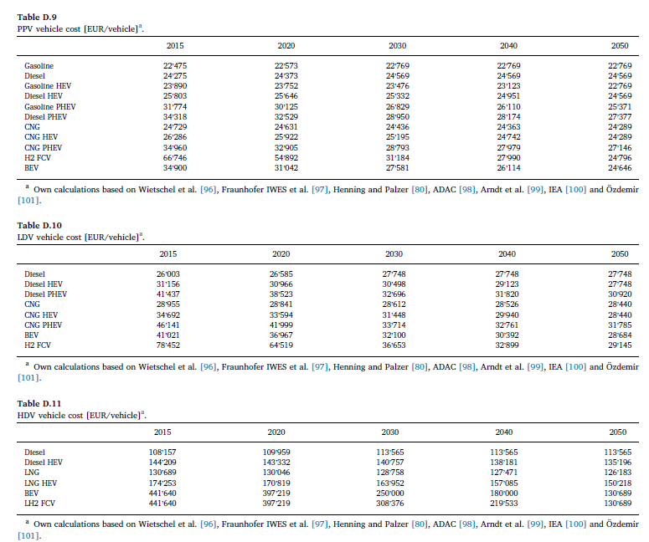

 | VAROM (M Kr/vkm)
ICE-D | 0.00113 | 100%
ICE-G | 0.00076 | 67%
ICE-CNG | 0.00076 | 67%
BEV | 0.00055 | 49%
PHEV | 0.00095 | 84%
FCV | 0.00095 | 84%
ICE-E85 | 0.00076 | 67%
Source: TIMES-DK

 | FIXOM (Euro/yr)
ICE-D | 0.60
ICE-G | 0.50
ICE-CNG | 0.60
BEV | 0.60
PHEV | 0.60
FCV | 0.70
ICE-E85 | 0.90
Source: TIMES-UK

