Cover


TIMES-Ireland Model

Document type: | Scenario
Sector(s): | All sectors
Purpose: | Specify time slice data according to the time slice model variant

Original developer(s): | Olexandr Balyk (UCC, olexandr.balyk@ucc.ie)

Current maintainer(s): | Olexandr Balyk (UCC, olexandr.balyk@ucc.ie)

Part of TIM version: | 1.0
Model repository: | https://github.com/MaREI-EPMG/TIMES-Ireland-model
Licence: | CC BY-NC-SA 4.0 (unless specified otherwise)
 | https://creativecommons.org/licenses/by-nc-sa/4.0/

TS_Definition
~TimeSlices is used to define the time-slices resolution for the model, by declaring the elements of each time-slice: SEASON, WEEKLY and DAYNITE.
~TimeSlices
Season | Weekly | DayNite | Month | Season | Day | Type | Hour | Type
Wi | NW | A | 0 | Wi | 0 | NW | 0 | A
Sp | WD | B | 1 | Wi | 1 | WD | 1 | A
Su |  | C | 2 | Sp | 2 | WD | 2 | A
Au |  | D | 3 | Sp | 3 | WD | 3 | A
 |  | E | 4 | Sp | 4 | WD | 4 | A
 |  |  | 5 | Su | 5 | WD | 5 | A
 |  |  | 6 | Su | 6 | NW | 6 | A
 |  |  | 7 | Su |  |  | 7 | B
 |  |  | 8 | Au |  |  | 8 | B
 |  |  | 9 | Au |  |  | 9 | C
 |  |  | 10 | Au |  |  | 10 | C
 |  |  | 11 | Wi |  |  | 11 | C
 |  |  |  |  |  |  | 12 | C
 |  |  |  |  |  |  | 13 | C
 |  |  |  |  |  |  | 14 | C
 |  |  |  |  |  |  | 15 | C
 |  |  |  |  |  |  | 16 | C
 |  |  |  |  |  |  | 17 | D
 |  |  |  |  |  |  | 18 | D
 |  |  |  |  |  |  | 19 | E
 |  |  |  |  |  |  | 20 | E
 |  |  |  |  |  |  | 21 | E
 |  |  |  |  |  |  | 22 | E
 |  |  |  |  |  |  | 23 | E

RSD_SH
~TFM_INS
TimeSlice | Attribute | Year | Cset_CN | IE | National | Previous Values
AuNWA | COM_FR | 2018 | RSDSH* | 0.009153372965 | 0.009153372965 | 0.01957
AuNWB | COM_FR | 2018 | RSDSH* | 0.013184449672 | 0.013184449672 | 0.00672
AuNWC | COM_FR | 2018 | RSDSH* | 0.018979531845 | 0.018979531845 | 0.02355
AuNWD | COM_FR | 2018 | RSDSH* | 0.028526428688 | 0.028526428688 | 0.00466
ts% = $\frac{{Wg∗Avg(HourlyGas)}_{ts}}{\sum_{2018}{Gas}}+\frac{{We∗(Avg(15minsElec)}_{ts} −Min(Avg(({15minsElec))}_{ts}∗0.8)}{\sum_{2018}{Elec}}$
AuNWE | COM_FR | 2018 | RSDSH* | 0.020007919901 | 0.020007919901 | 0.01146
AuWDA | COM_FR | 2018 | RSDSH* | 0.010741368784 | 0.010741368784 | 0.0483
AuWDB | COM_FR | 2018 | RSDSH* | 0.016657398675 | 0.016657398675 | 0.01641
AuWDC | COM_FR | 2018 | RSDSH* | 0.021218102287 | 0.021218102287 | 0.05806
AuWDD | COM_FR | 2018 | RSDSH* | 0.030336116928 | 0.030336116928 | 0.01168 | The share of residential space heating per timeslice is calculated from the Gas Network Ireland hourly consumption for 2018, the NDM ( non-daily metered ) - Forecast EOD gas consumption for Gas Day is used
AuWDE | COM_FR | 2018 | RSDSH* | 0.021016786576 | 0.021016786576 | 0.02928
SpNWA | COM_FR | 2018 | RSDSH* | 0.013159829545 | 0.013159829545 | 0.02811 | Eirgird 15 min overall Ireland consumption for 2018 is used , however because it is all electricity, the minimum electricity multiplied 0.8 was substracted from the value to help find the space heating usage, and some space heating is in all timeslices
SpNWB | COM_FR | 2018 | RSDSH* | 0.022077316329 | 0.022077316329 | 0.00901
SpNWC | COM_FR | 2018 | RSDSH* | 0.025864727972 | 0.025864727972 | 0.02958 | Then a weighting is applied 6 for Gas and 1 for Electricity, this is based of the space heating usage for dwellings in 2018.
SpNWD | COM_FR | 2018 | RSDSH* | 0.039333592056 | 0.039333592056 | 0.00583 | The results show that morning and evening peak times, are more profound
SpNWE | COM_FR | 2018 | RSDSH* | 0.030701464807 | 0.030701464807 | 0.01529
SpWDA | COM_FR | 2018 | RSDSH* | 0.01534817551 | 0.01534817551 | 0.06009
SpWDB | COM_FR | 2018 | RSDSH* | 0.033414286462 | 0.033414286462 | 0.01911
SpWDC | COM_FR | 2018 | RSDSH* | 0.0315188781 | 0.0315188781 | 0.0637
SpWDD | COM_FR | 2018 | RSDSH* | 0.041532556906 | 0.041532556906 | 0.01271
SpWDE | COM_FR | 2018 | RSDSH* | 0.033635035728 | 0.033635035728 | 0.0331
SuNWA | COM_FR | 2018 | RSDSH* | 0.007184657537 | 0.007184657537 | 0.01201
SuNWB | COM_FR | 2018 | RSDSH* | 0.01131086262 | 0.01131086262 | 0.00439
SuNWC | COM_FR | 2018 | RSDSH* | 0.012895545952 | 0.012895545952 | 0.01213
SuNWD | COM_FR | 2018 | RSDSH* | 0.016423725752 | 0.016423725752 | 0.00155
SuNWE | COM_FR | 2018 | RSDSH* | 0.012335599537 | 0.012335599537 | 0.00361
SuWDA | COM_FR | 2018 | RSDSH* | 0.0085382557273 | 0.0085382557273 | 0.02481
SuWDB | COM_FR | 2018 | RSDSH* | 0.01030076587 | 0.01030076587 | 0.00935
SuWDC | COM_FR | 2018 | RSDSH* | 0.016874898361 | 0.016874898361 | 0.0282
SuWDD | COM_FR | 2018 | RSDSH* | 0.021192686353 | 0.021192686353 | 0.00397
SuWDE | COM_FR | 2018 | RSDSH* | 0.01519983282 | 0.01519983282 | 0.0085
WiNWA | COM_FR | 2018 | RSDSH* | 0.015401800374 | 0.015401800374 | 0.03725
WiNWB | COM_FR | 2018 | RSDSH* | 0.026574802689 | 0.026574802689 | 0.01177
WiNWC | COM_FR | 2018 | RSDSH* | 0.039281525376 | 0.039281525376 | 0.04553
WiNWD | COM_FR | 2018 | RSDSH* | 0.05980123632 | 0.05980123632 | 0.01007
WiNWE | COM_FR | 2018 | RSDSH* | 0.036658624594 | 0.036658624594 | 0.02409
WiWDA | COM_FR | 2018 | RSDSH* | 0.019743013112 | 0.019743013112 | 0.07315
WiWDB | COM_FR | 2018 | RSDSH* | 0.038800029694 | 0.038800029694 | 0.02346
WiWDC | COM_FR | 2018 | RSDSH* | 0.045387962857 | 0.045387962857 | 0.09106
WiWDD | COM_FR | 2018 | RSDSH* | 0.069179260822 | 0.069179260822 | 0.02014
WiWDE | COM_FR | 2018 | RSDSH* | 0.040507573898 | 0.040507573898 | 0.04876

RSD_OE_DEM
~TFM_INS
TimeSlice | Attribute | Year | Cset_CN | IE | National | Previous
AuNWA | COM_FR | 2018 | RSDOE | 0.018033549126 | 0.018033549126 | 0.01129
AuNWB | COM_FR | 2018 | RSDOE | 0.020975356772 | 0.020975356772 | 0.00516
ts% = $\frac{{(Avg(15minsElec)}_{ts} −Min(Avg({15minsElec))}_{ts}∗0.2)}{\sum_{2018}{Elec}}$
AuNWC | COM_FR | 2018 | RSDOE | 0.026188347223 | 0.026188347223 | 0.02106
AuNWD | COM_FR | 2018 | RSDOE | 0.028531063343 | 0.028531063343 | 0.00848
AuNWE | COM_FR | 2018 | RSDOE | 0.024060231053 | 0.024060231053 | 0.01665
AuWDA | COM_FR | 2018 | RSDOE | 0.018972423906 | 0.018972423906 | 0.02678
AuWDB | COM_FR | 2018 | RSDOE | 0.02870095497 | 0.02870095497 | 0.01173
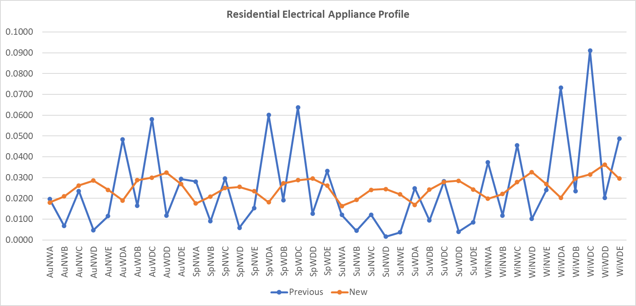
AuWDC | COM_FR | 2018 | RSDOE | 0.02997067134 | 0.02997067134 | 0.05334
AuWDD | COM_FR | 2018 | RSDOE | 0.032304445796 | 0.032304445796 | 0.0213
AuWDE | COM_FR | 2018 | RSDOE | 0.026841088737 | 0.026841088737 | 0.04007
SpNWA | COM_FR | 2018 | RSDOE | 0.017497049251 | 0.017497049251 | 0.01611
SpNWB | COM_FR | 2018 | RSDOE | 0.020805465145 | 0.020805465145 | 0.00694
SpNWC | COM_FR | 2018 | RSDOE | 0.024954397511 | 0.024954397511 | 0.02897
SpNWD | COM_FR | 2018 | RSDOE | 0.025473014056 | 0.025473014056 | 0.01025
SpNWE | COM_FR | 2018 | RSDOE | 0.02337172288 | 0.02337172288 | 0.02233
SpWDA | COM_FR | 2018 | RSDOE | 0.018105082442 | 0.018105082442 | 0.03473
SpWDB | COM_FR | 2018 | RSDOE | 0.027234521979 | 0.027234521979 | 0.01436
SpWDC | COM_FR | 2018 | RSDOE | 0.02870095497 | 0.02870095497 | 0.06423
SpWDD | COM_FR | 2018 | RSDOE | 0.029505704782 | 0.029505704782 | 0.0231
SpWDE | COM_FR | 2018 | RSDOE | 0.02602739726 | 0.02602739726 | 0.04905
SuNWA | COM_FR | 2018 | RSDOE | 0.016280982868 | 0.016280982868 | 0.01245
SuNWB | COM_FR | 2018 | RSDOE | 0.019249615508 | 0.019249615508 | 0.00504
SuNWC | COM_FR | 2018 | RSDOE | 0.024078114382 | 0.024078114382 | 0.02286
SuNWD | COM_FR | 2018 | RSDOE | 0.0244268393 | 0.0244268393 | 0.00781
SuNWE | COM_FR | 2018 | RSDOE | 0.021932114883 | 0.021932114883 | 0.01629
SuWDA | COM_FR | 2018 | RSDOE | 0.016862191065 | 0.016862191065 | 0.02811
SuWDB | COM_FR | 2018 | RSDOE | 0.024221181015 | 0.024221181015 | 0.01112
SuWDC | COM_FR | 2018 | RSDOE | 0.027887263493 | 0.027887263493 | 0.05296
SuWDD | COM_FR | 2018 | RSDOE | 0.028405880039 | 0.028405880039 | 0.01812
SuWDE | COM_FR | 2018 | RSDOE | 0.024310597661 | 0.024310597661 | 0.03743
WiNWA | COM_FR | 2018 | RSDOE | 0.019777173719 | 0.019777173719 | 0.01702
WiNWB | COM_FR | 2018 | RSDOE | 0.022039414857 | 0.022039414857 | 0.00744
WiNWC | COM_FR | 2018 | RSDOE | 0.027762080189 | 0.027762080189 | 0.0321
WiNWD | COM_FR | 2018 | RSDOE | 0.032617404056 | 0.032617404056 | 0.01305
WiNWE | COM_FR | 2018 | RSDOE | 0.026841088737 | 0.026841088737 | 0.02461
WiWDA | COM_FR | 2018 | RSDOE | 0.020268965271 | 0.020268965271 | 0.03655
WiWDB | COM_FR | 2018 | RSDOE | 0.02954147144 | 0.02954147144 | 0.01543
WiWDC | COM_FR | 2018 | RSDOE | 0.031481812654 | 0.031481812654 | 0.07284
WiWDD | COM_FR | 2018 | RSDOE | 0.03625666154 | 0.03625666154 | 0.02925
WiWDE | COM_FR | 2018 | RSDOE | 0.029505704782 | 0.029505704782 | 0.05359

