Cover
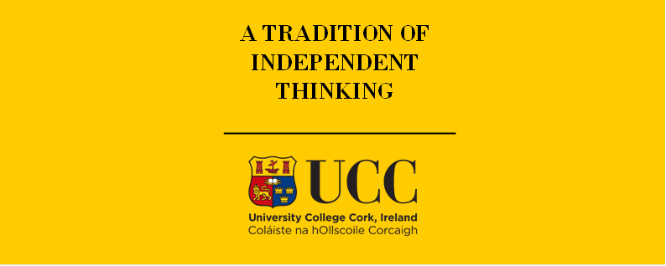

TIMES-Ireland Model

Document type: | Scenario
Sector(s): | All end-use sectors
Purpose: | Specify end-use demand projections (low energy demand variant)

Original developer(s): | Ankita Gaur (UCC, agaur@ucc.ie)
 | Vahid Aryanpur (UCC, vahid.aryanpur@ucc.ie)
 | Olexandr Balyk (UCC, olexandr.balyk@ucc.ie)
Current maintainer(s): | Ankita Gaur (UCC, agaur@ucc.ie)
 | Vahid Aryanpur (UCC, vahid.aryanpur@ucc.ie)
 | Olexandr Balyk (UCC, olexandr.balyk@ucc.ie)
Part of TIM version: | 1.0.0-s.1
Model repository: | https://github.com/MaREI-EPMG/TIMES-Ireland-model
Licence: | CC BY-NC-SA 4.0 (unless specified otherwise)
 | https://creativecommons.org/licenses/by-nc-sa/4.0/

