Cover


TIMES-Ireland Model

Document type: | Scenario
Sector(s): | Transport sector (TRA)
Purpose: | Emissions factors for fuel combustion

Original developer(s): | Vahid Aryanpur (UCC, vahid.aryanpur@ucc.ie)

Current maintainer(s): | Vahid Aryanpur (UCC, vahid.aryanpur@ucc.ie)
 | Olexandr Balyk ( MaREI, olexandr.balyk@ucc.ie)

Part of TIM version: | 1.0
Model repository: | https://github.com/MaREI-EPMG/TIMES-Ireland-model
Licence: | CC BY-NC-SA 4.0 (unless specified otherwise)
 | https://creativecommons.org/licenses/by-nc-sa/4.0/

Emissions
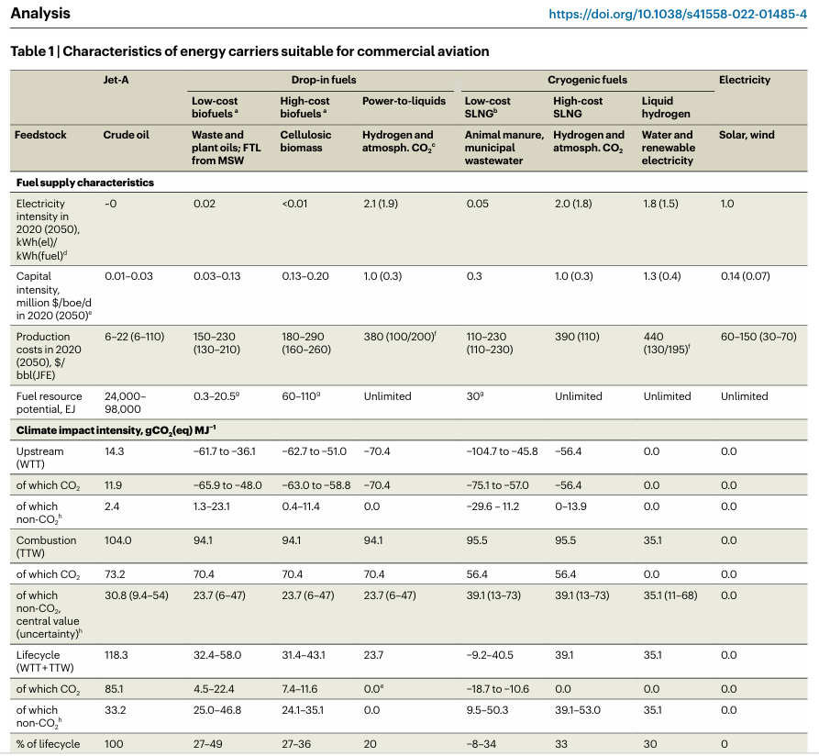
Trans - Insert
 | ~TFM_INS
 | TimeSlice | LimType | Attribute | Year | IE | * | IE-CW | IE-D | IE-KE | IE-KK | IE-LS | IE-LD | IE-LH | IE-MH | IE-OY | IE-WH | IE-WX | IE-WW | IE-CE | IE-CO | IE-KY | IE-LK | IE-TA | IE-WD | IE-G | IE-LM | IE-MO | IE-RN | IE-SO | IE-CN | IE-DL | IE-MN | Pset_CI | Cset_CN | Other_indexes | *Unit | Pset_PN
 |  |  | FLO_EMIS |  | 69.3 | 69.3 | 69.3 | 69.3 | 69.3 | 69.3 | 69.3 | 69.3 | 69.3 | 69.3 | 69.3 | 69.3 | 69.3 | 69.3 | 69.3 | 69.3 | 69.3 | 69.3 | 69.3 | 69.3 | 69.3 | 69.3 | 69.3 | 69.3 | 69.3 | 69.3 | 69.3 | 69.3 | TRAGSL | TRACO2N | TRAGSL | kt/PJ | -T-*AVI*INT*,-T-NAV*
 |  |  | FLO_EMIS |  | 74.1 | 74.1 | 74.1 | 74.1 | 74.1 | 74.1 | 74.1 | 74.1 | 74.1 | 74.1 | 74.1 | 74.1 | 74.1 | 74.1 | 74.1 | 74.1 | 74.1 | 74.1 | 74.1 | 74.1 | 74.1 | 74.1 | 74.1 | 74.1 | 74.1 | 74.1 | 74.1 | 74.1 | TRADST | TRACO2N | TRADST | kt/PJ | -T-*AVI*INT*,-T-NAV*
 |  |  | FLO_EMIS |  | 56.1 | 56.1 | 56.1 | 56.1 | 56.1 | 56.1 | 56.1 | 56.1 | 56.1 | 56.1 | 56.1 | 56.1 | 56.1 | 56.1 | 56.1 | 56.1 | 56.1 | 56.1 | 56.1 | 56.1 | 56.1 | 56.1 | 56.1 | 56.1 | 56.1 | 56.1 | 56.1 | 56.1 | TRACNG | TRACO2N | TRACNG | kt/PJ | -T-*AVI*INT*,-T-NAV*
 |  |  | FLO_EMIS |  | 56.1 | 56.1 | 56.1 | 56.1 | 56.1 | 56.1 | 56.1 | 56.1 | 56.1 | 56.1 | 56.1 | 56.1 | 56.1 | 56.1 | 56.1 | 56.1 | 56.1 | 56.1 | 56.1 | 56.1 | 56.1 | 56.1 | 56.1 | 56.1 | 56.1 | 56.1 | 56.1 | 56.1 | TRALNG | TRACO2N | TRALNG | kt/PJ | -T-*AVI*INT*,-T-NAV*
 |  |  | FLO_EMIS |  | 71.9 | 71.9 | 71.9 | 71.9 | 71.9 | 71.9 | 71.9 | 71.9 | 71.9 | 71.9 | 71.9 | 71.9 | 71.9 | 71.9 | 71.9 | 71.9 | 71.9 | 71.9 | 71.9 | 71.9 | 71.9 | 71.9 | 71.9 | 71.9 | 71.9 | 71.9 | 71.9 | 71.9 | TRAKER | TRACO2N | TRAKER | kt/PJ | -T-*AVI*INT*,-T-NAV*
 |  |  | FLO_EMIS |  | 74.1 | 74.1 | 74.1 | 74.1 | 74.1 | 74.1 | 74.1 | 74.1 | 74.1 | 74.1 | 74.1 | 74.1 | 74.1 | 74.1 | 74.1 | 74.1 | 74.1 | 74.1 | 74.1 | 74.1 | 74.1 | 74.1 | 74.1 | 74.1 | 74.1 | 74.1 | 74.1 | 74.1 | TRADST | TRACO2INT | TRADST | kt/PJ | T-*AVI*INT*,T-NAV*
 |  |  | FLO_EMIS |  | 71.9 | 71.9 | 71.9 | 71.9 | 71.9 | 71.9 | 71.9 | 71.9 | 71.9 | 71.9 | 71.9 | 71.9 | 71.9 | 71.9 | 71.9 | 71.9 | 71.9 | 71.9 | 71.9 | 71.9 | 71.9 | 71.9 | 71.9 | 71.9 | 71.9 | 71.9 | 71.9 | 71.9 | TRAKER | TRACO2INT | TRAKER | kt/PJ | T-*AVI*INT*,T-NAV*
 |  |  | FLO_EMIS |  | 9.5 | 9.5 | 9.5 | 9.5 | 9.5 | 9.5 | 9.5 | 9.5 | 9.5 | 9.5 | 9.5 | 9.5 | 9.5 | 9.5 | 9.5 | 9.5 | 9.5 | 9.5 | 9.5 | 9.5 | 9.5 | 9.5 | 9.5 | 9.5 | 9.5 | 9.5 | 9.5 | 9.5 | TRABJK | TRACO2N | TRABJK | kt/PJ | *AVI*

 |  |  |  | https://www.nature.com/articles/s41558-022-01485-4

