Cover


TIMES-Ireland Model

Document type: | Scenario
Sector(s): | All
Purpose: | Specify a carbon budget

Original developer(s): | Vahid Aryanpur (UCC, vahid.aryanpur@ucc.ie)

Current maintainer(s): | Vahid Aryanpur (UCC, vahid.aryanpur@ucc.ie)

Part of TIM version:
Model repository: | https://github.com/MaREI-EPMG/TIMES-Ireland-model
Licence: | CC BY-NC-SA 4.0 (unless specified otherwise)
 | https://creativecommons.org/licenses/by-nc-sa/4.0/

Limitations
 | ~InputCell:1-5
 | 1 |  |  | Condition | Case # | Availability
 |  |  |  | Unlimited | 1 | 1.00
 |  |  |  | Moderate (IATA) | 2 | 0.75
 |  |  |  | Moderate (IATA) | 3 | 0.50
 |  |  |  | Constrained | 4 | 0.25
 |  |  |  | No import | 5 | 0.00

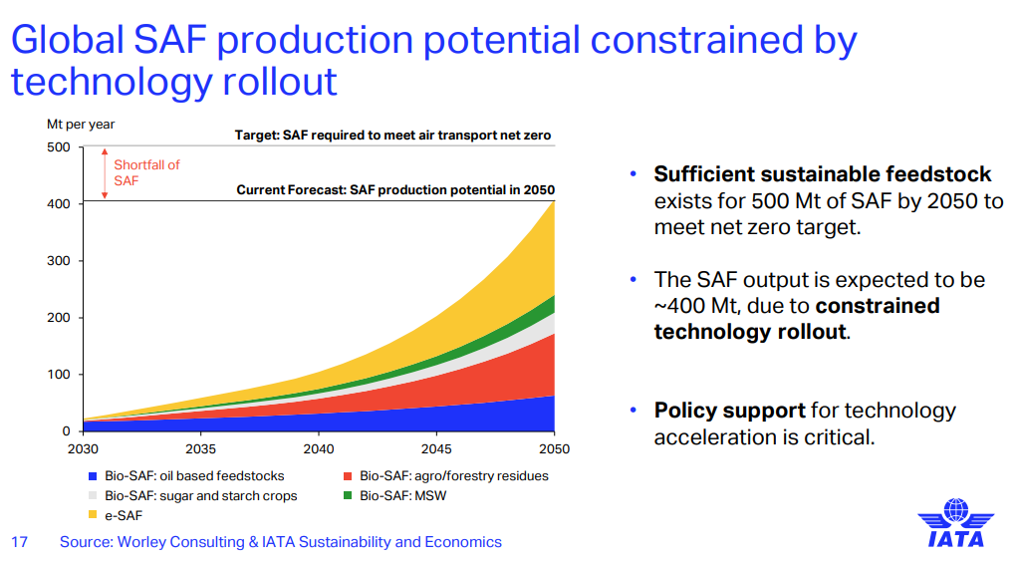
 | ~TFM_INS
 | TimeSlice | LimType | Attribute | Year | AllRegions | Pset_Set | Pset_PN | *notes
 |  | UP | ACT_BND | 2018 | 0 |  | IMPBIOJKR_S1 | max SAF import
 |  | UP | ACT_BND | 2025 | 1.23 |  | IMPBIOJKR_S1 | max SAF import
 |  | UP | ACT_BND | 2030 | 8.88 |  | IMPBIOJKR_S1 | max SAF import
 |  | UP | ACT_BND | 2050 | 25.9 |  | IMPBIOJKR_S1 | max SAF import
 |  | UP | ACT_BND | 2070 | 35.5 |  | IMPBIOJKR_S1 | max SAF import
 |  | UP | ACT_BND | 0 | 5 |  | IMPBIOJKR_S1
 |  | UP | ACT_BND | 2018 | 0 |  | IMPPtLKER | max PtL import
 |  | UP | ACT_BND | 2030 | 0.74 |  | IMPPtLKER | max PtL import
 |  | UP | ACT_BND | 2050 | 25.9 |  | IMPPtLKER | max PtL import
 |  | UP | ACT_BND | 2070 | 35.5 |  | IMPPtLKER | max PtL import
 |  | UP | ACT_BND | 0 | 5 |  | IMPPtLKER

 |  | SEAI balance sheet
 |  |  | 2024 | 2023
 |  | Import of jet kerosene (ktoe) | 1,473 | 1,437
 |  | PJ | 62 | 60

 |  | Share of SAF and PtL in ReFuelEU Aviation Regulation
 |  |  | 2020 | 2025 | 2030 | 2050 | 2070
 |  | SAF | 0% | 2.0% | 14.4% | 35% | 50%
 |  | PtL | 0% | 0.0% | 1.2% | 35% | 50%
 |  | Total | 0% | 2% | 16% | 70% | 100%

 |  | Global availability factor
 |  |  | 2020 | 2025 | 2030 | 2050 | 2070
 |  | Ample | 1.00 | 1.00 | 1.00 | 1.00 | 1.00
 |  | Moderate (IATA) | 0.50 | 0.50 | 0.50 | 0.50 | 0.50
 |  | Constrained | 0.25 | 0.25 | 0.25 | 0.25 | 0.25

 |  |  |  |  | IATA | 0.50

Share of SAF and PtL in ReFuelEU Aviation Regulation
 | 2020 | 2021 | 2022 | 2023 | 2024 | 2025 | 2026 | 2027 | 2028 | 2029 | 2030 | 2031 | 2032 | 2033 | 2034 | 2035 | 2036 | 2037 | 2038 | 2039 | 2040 | 2041 | 2042 | 2043 | 2044 | 2045 | 2046 | 2047 | 2048 | 2049 | 2050
SAF | 0% | 0% | 0% | 0% | 0% | 2.0% | 4.7% | 7.4% | 10.2% | 12.9% | 14.4% | 15.4% | 16.5% | 17.5% | 18.5% | 19.6% | 20.6% | 21.6% | 22.6% | 23.7% | 24.7% | 25.7% | 26.8% | 27.8% | 28.8% | 29.9% | 30.9% | 31.9% | 32.9% | 34.0% | 35.0%
PtL | 0% | 0% | 0% | 0% | 0% | 0% | 0% | 0% | 0% | 0% | 1.2% | 2.9% | 4.6% | 6.3% | 8.0% | 9.6% | 11.3% | 13.0% | 14.7% | 16.4% | 18.1% | 19.8% | 21.5% | 23.2% | 24.9% | 26.5% | 28.2% | 29.9% | 31.6% | 33.3% | 35%
Total | 0% | 0% | 0% | 0% | 0% | 2.0% | 4.7% | 7.4% | 10.2% | 12.9% | 15.6% | 18.3% | 21.0% | 23.8% | 26.5% | 29.2% | 31.9% | 34.6% | 37.4% | 40.1% | 42.8% | 45.5% | 48.2% | 51.0% | 53.7% | 56.4% | 59.1% | 61.8% | 64.6% | 67.3% | 70.0% | https://transport.ec.europa.eu/transport-modes/air/environment/refueleu-aviation_en

