Cover


TIMES-Ireland Model

Document type: | Base Year Template
Sector(s): | Supply sector (SUP)
Purpose: | Specify base year data and define sector structure

Original developer(s): | James Glynn (UCC, james.glynn@ucc.ie)
 | Xiufeng Yue (UCC, xiufeng.yue@ucc.ie)
 | Olexandr Balyk (UCC, olexandr.balyk@ucc.ie)
Current maintainer(s): | Vahid Aryanpur (UCC,vahid.aryanpur@ucc.ie)
 | Bakytzhan Suleimenov (UCC, bsuleimenov@ucc.ie)

Part of TIM version: | 1.0
Model repository: | https://github.com/MaREI-EPMG/TIMES-Ireland-model
Licence: | CC BY-NC-SA 4.0 (unless specified otherwise)
 | https://creativecommons.org/licenses/by-nc-sa/4.0/

Imports_Fossil
Fossil Fuels Import Prices

 |  |  |  |  | ~FI_T: IRE_PRICE
 | Region | TechName | *TechDesc | Other_Indexes | Comm-OUT | 2018~MEUR2018 | 2019~MEUR2019 | 2025~MEUR2019 | 2030~MEUR2019 | 2035~MEUR2019 | 2040~MEUR2019 | *Source/Ratio
 | *Region Name | *Technology Name | Technology Description | import/Export | Output Commodity |  | €/GJ | €/GJ | €/GJ | €/GJ | €/GJ
 | IE,National | IMPOILCRD | Import of Crude Oil | IMP | OILCRD | 10.1 | 9.9 | 11.1 | 11.9 | 12.7 | 13.3 | WEO2019, WEO2020
 | IE,National | IMPGASNAT_UK | Import of Natural Gas - UK | IMP | GASNAT | 6.1 | 5.7 | 6.2 | 9.4 | 11.0 | 12.9 | WEO2019, WEO2020 | Coal prices |  | https://www.eia.gov/energyexplained/coal/prices-and-outlook.php
 | IE,National | IMPCOAHAR | Import of Hard Coal / Antracite | IMP | COAHAR | 1.9 | 1.3 | 1.4 | 1.7 | 1.9 | 2.1 | WEO2019, WEO2020
 | IE,National | IMPCOABIT | Import of Bituminous Coal | IMP | COABIT | 1.8 | 1.2 | 1.3 | 1.6 | 1.8 | 2.0 | 0.95 | Type | USD2019/short ton
 | IE,National | IMPCOACOK | Import of Coke Coal | IMP | COACOK | 2.4 | 1.7 | 1.8 | 2.2 | 2.4 | 2.6 | 1.27 | Bituminous | 58.93
 | IE,National | IMPCOALIG | Import of Lignite / Brown Coal | IMP | COALIG | 1.6 | 1.1 | 1.2 | 1.5 | 1.6 | 1.8 | 0.88 | lignite | 19.86
 | IE,National | IMPGASLNG_GLOBAL | Import of Liquified Natural Gas | IMP | GASLNG | 6.5 | 6.1 | 6.6 | 10.0 | 11.7 | 13.8 | 1.07 | anthracite | 102.22
 | IE,National | IMPOILDST | Import of Diesel Oil | IMP | OILDST | 15.4 | 15.1 | 17.0 | 18.2 | 19.4 | 20.3 | 1.53
 | IE,National | IMPOILGSL | Import of Gasoline | IMP | OILGSL | 16.6 | 16.2 | 18.3 | 19.6 | 20.9 | 21.9 | 1.65
 | IE,National | IMPOILHFO | Import of Heavy Fuel Oil | IMP | OILHFO | 8.2 | 8.0 | 9.0 | 9.6 | 10.3 | 10.8 | 0.81
 | IE,National | IMPOILKER | Import of Kerosene | IMP | OILKER | 16.6 | 16.2 | 18.3 | 19.6 | 20.9 | 21.9 | 1.65
 | IE,National | IMPOILLPG | Import of Liquified Petroleum Gas | IMP | OILLPG | 13.0 | 12.8 | 14.4 | 15.4 | 16.4 | 17.2 | 1.29
 | IE,National | IMPOILCOK | Import of Petroleum Coke | IMP | OILCOK | 16.6 | 16.2 | 18.3 | 19.6 | 20.9 | 21.9 | 1.65
 | IE,National | IMPNUCURM | Import of Uranium | IMP | NUCURM
 | IE,National | IMPOILNEU | Import of Oil for Non-Energy uses | IMP | OILNEU | 10.1 | 9.9 | 11.1 | 11.9 | 12.7 | 13.3

 | Fossil fuels import prices |  |  |  | Stated Policies |  |  |  | Sustainable Development |  | Delayed Recovery
 | Real Terms (2019 Prices) | unit | 2010 | 2019 | 2025 | 2030 | 2035 | 2040 | 2025 | 2040 | 2025 | 2040
 | IEA crude oil | $2019/barrel | 91.0 | 63.0 | 71.0 | 76.0 | 81.0 | 85.0 | 57.0 | 53.0 | 59.0 | 71.0
 | Natural Gas - EU | $2019/MBtu | 8.7 | 6.7 | 7.3 | 11.1 | 13.0 | 15.2 | 4.8 | 4.9 | 6.3 | 7.6
 | Steam coal - EU | $2019/tonne | 108.0 | 61.0 | 65.0 | 80.0 | 88.0 | 96.8 | 57.0 | 55.0 | 60.0 | 64.0
 | Source: Table 2.2 - Fossil fuel prices by scenario - WEO 2020, IEA

 | Conversion to from USD to EUR |  | 2010 | 2019 | 2025 | 2030 | 2035 | 2040 | 2025 | 2040 | 2025 | 2040
 | IEA crude oil | €2019/barrel | 81.3 | 56.3 | 63.4 | 67.9 | 72.4 | 75.9 | 50.9 | 47.3 | 52.7 | 63.4
 | Natural Gas - EU | €2019/MBtu | 7.8 | 6.0 | 6.5 | 9.9 | 11.6 | 13.6 | 4.3 | 4.4 | 5.6 | 6.8
 | Steam coal - EU | €2019/tonne | 96.5 | 54.5 | 58.1 | 71.5 | 78.6 | 86.5 | 50.9 | 49.1 | 53.6 | 57.2

 | Conversion to EUR/GJ |  | 2010 | 2019 | 2025 | 2030 | 2035 | 2040 | 2025 | 2040 | 2025 | 2040
 | IEA crude oil | €2019/GJ | 14.2 | 9.9 | 11.1 | 11.9 | 12.7 | 13.3 | 8.9 | 8.3 | 9.2 | 11.1
 | Natural Gas - EU | €2019/GJ | 7.4 | 5.7 | 6.2 | 9.4 | 11.0 | 12.9 | 4.1 | 4.1 | 5.3 | 6.4
 | Steam coal - EU | €2019/GJ | 2.3 | 1.3 | 1.4 | 1.7 | 1.9 | 2.1 | 1.2 | 1.2 | 1.3 | 1.4

 | Fossil fuels import prices |  |  |  | Stated Policies |  |  |  | Sustainable Development |  | Current Policies
 | Real Terms (2018 Prices) | unit | 2010 | 2018 | 2025 | 2030 | 2035 | 2040 | 2025 | 2040 | 2025 | 2040
 | IEA crude oil | $2018/barrel | 90.0 | 68.0 | 81.0 | 88.0 | 96.0 | 103.0 | 62.0 | 59.0 | 111.0 | 134.0
 | Natural Gas - EU | $2018/MBtu | 8.6 | 7.6 | 8.0 | 8.0 | 8.4 | 8.9 | 7.5 | 7.5 | 8.9 | 9.9
 | Steam coal - EU | $2018/tonne | 106.0 | 92.0 | 75.0 | 76.0 | 78.0 | 78.0 | 58.0 | 60.0 | 83.0 | 90.0
 | Source: Table B.4 - Fossil fuel prices by scenario - WEO 2019, IEA

 | Conversion to from USD to EUR |  | 2010 | 2018 | 2025 | 2030 | 2035 | 2040 | 2025 | 2040 | 2025 | 2040
 | IEA crude oil | €2018/barrel | 76.2 | 57.6 | 68.6 | 74.5 | 81.3 | 87.2 | 52.5 | 50.0 | 94.0 | 113.5
 | Natural Gas - EU | €2018/MBtu | 7.3 | 6.4 | 6.8 | 6.8 | 7.1 | 7.5 | 6.4 | 6.4 | 7.5 | 8.4
 | Steam coal - EU | €2018/tonne | 89.8 | 77.9 | 63.5 | 64.4 | 66.0 | 66.0 | 49.1 | 50.8 | 70.3 | 76.2

 | Conversion to EUR/GJ |  | 2010 | 2018 | 2025 | 2030 | 2035 | 2040 | 2025 | 2040 | 2025 | 2040
 | IEA crude oil | €2018/GJ | 13.3 | 10.1 | 12.0 | 13.0 | 14.2 | 15.3 | 9.2 | 8.7 | 16.5 | 19.9
 | Natural Gas - EU | €2018/GJ | 6.9 | 6.1 | 6.4 | 6.4 | 6.7 | 7.1 | 6.0 | 6.0 | 7.1 | 7.9
 | Steam coal - EU | €2018/GJ | 2.1 | 1.9 | 1.5 | 1.5 | 1.6 | 1.6 | 1.2 | 1.2 | 1.7 | 1.8

Source | ICCT (2022), Current and future cost of e-kerosene in the United States and Europe |  |  | https://theicct.org/wp-content/uploads/2022/02/fuels-us-europe-current-future-cost-ekerosene-us-europe-mar22.pdf

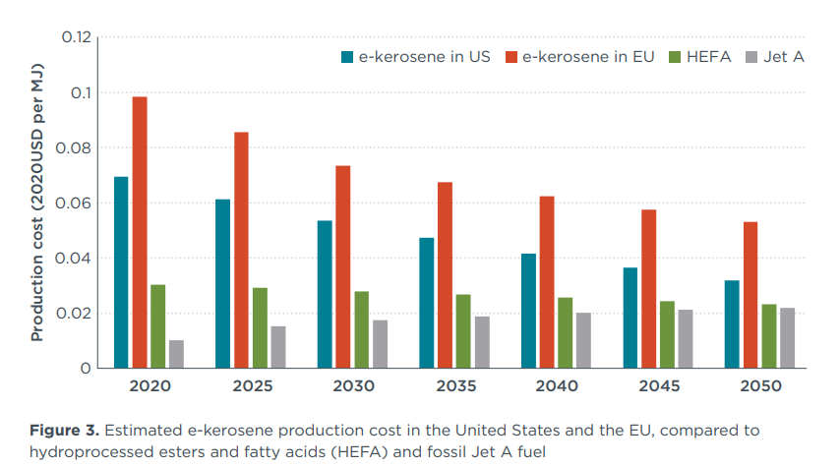
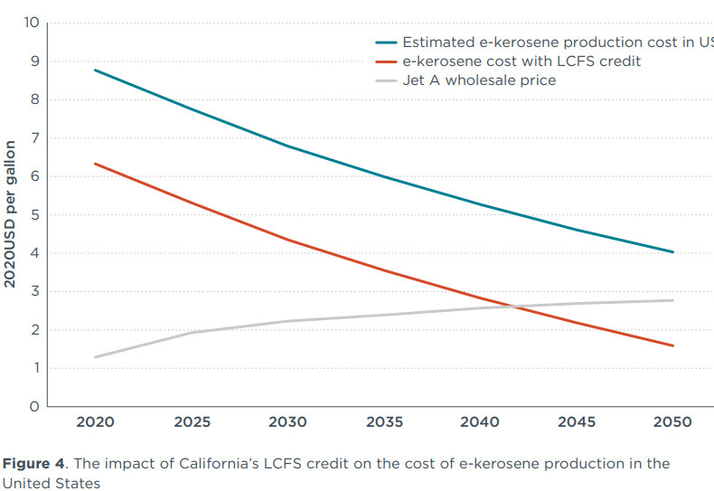

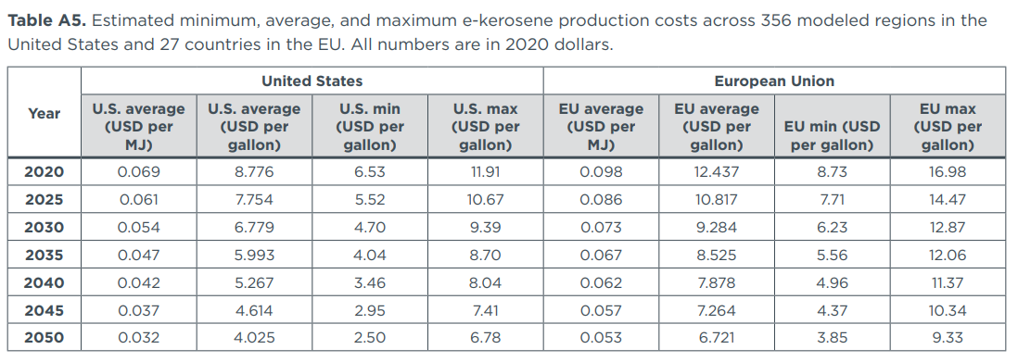

 | e-kerosene price in EU
 |  | Average PtL (€/GJ) | Max PtL (€/GJ) | Average SAF (€/GJ) | Max SAF (€/GJ)
 | 2020 | 84.3 | 114.8 | 29.8 | 35.5
 | 2025 | 74.0 | 97.8
 | 2030 | 62.8 | 87.0 | 27.4 | 32.8
 | 2035 | 57.6 | 81.5
 | 2040 | 53.3 | 76.9
 | 2045 | 49.0 | 69.9
 | 2050 | 45.6 | 63.1

 | Year | U.S. average (USD per MJ) | U.S. average (USD per gallon) | U.S. min (USD per gallon) | U.S. max (USD per gallon) | EU average (USD per MJ) | EU average (USD per gallon) | EU min (USD per gallon) | EU max (USD per gallon)
 | 2020 | 0.069 | 8.776 | 6.53 | 11.91 | 0.098 | 12.437 | 8.73 | 16.98
 | 2025 | 0.061 | 7.754 | 5.52 | 10.67 | 0.086 | 10.817 | 7.71 | 14.47
 | 2030 | 0.054 | 6.779 | 4.7 | 9.39 | 0.073 | 9.284 | 6.23 | 12.87
 | 2035 | 0.047 | 5.993 | 4.04 | 8.7 | 0.067 | 8.525 | 5.56 | 12.06
 | 2040 | 0.042 | 5.267 | 3.46 | 8.04 | 0.062 | 7.878 | 4.96 | 11.37
 | 2045 | 0.037 | 4.614 | 2.95 | 7.41 | 0.057 | 7.264 | 4.37 | 10.34
 | 2050 | 0.032 | 4.025 | 2.5 | 6.78 | 0.053 | 6.721 | 3.85 | 9.33

 |  | USD to EUR | 0.86
 |  | MJ/gal | 127.19

 | IEA | https://www.iea.org/articles/are-conditions-right-for-biojet-to-take-flight-over-the-next-five-years
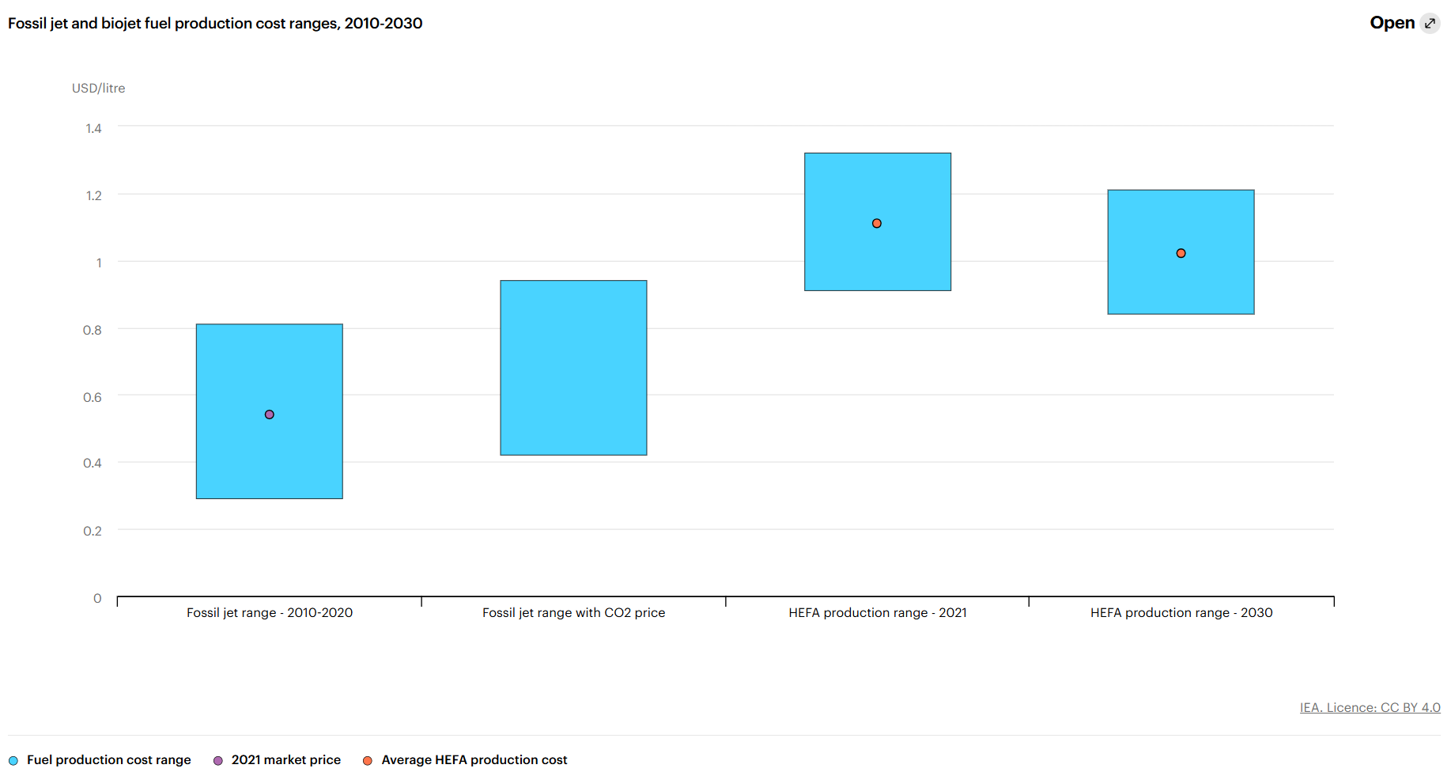

 | Fuel Type / Year | Min (USD/litre) | Max (USD/litre) | Average (USD/litre)
 | Fossil jet range (2010–2020) | 0.3 | 0.82 | 0.55
 | Fossil jet range with CO₂ price | 0.42 | 0.95 | —
 | HEFA production range (2021) | 0.92 | 1.32 | 1.11
 | HEFA production range (2030) | 0.85 | 1.22 | 1.02

Imports_Bio
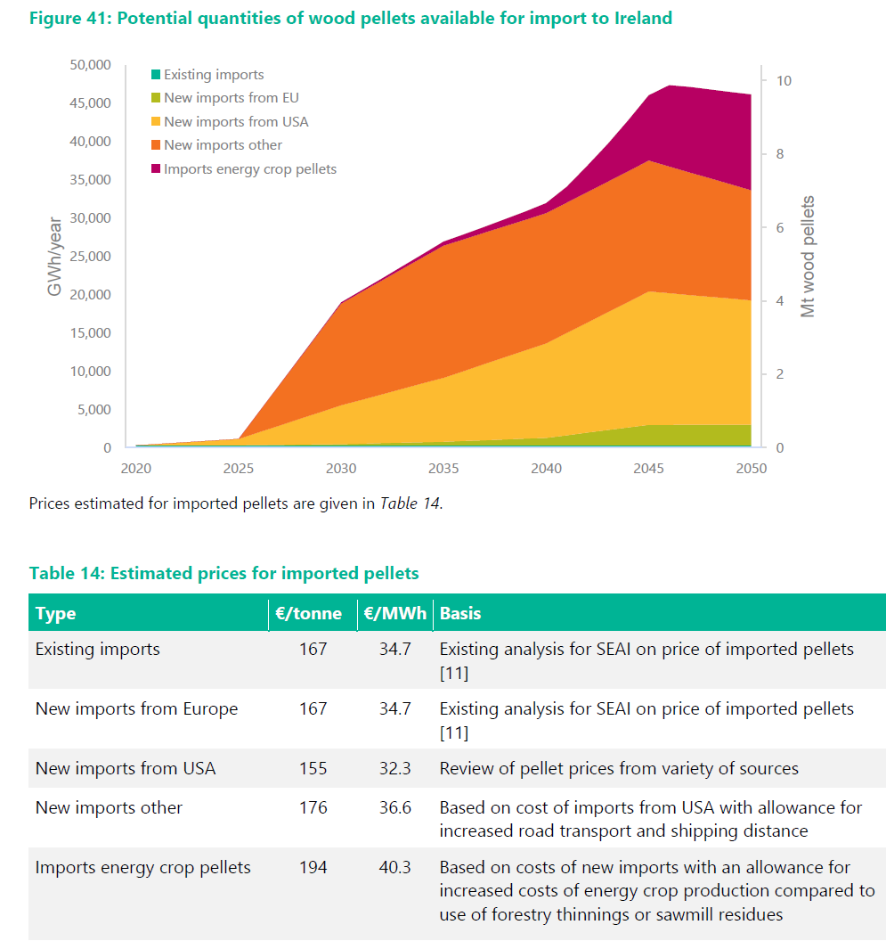
Imported Bioenergy costs (€/GJ) |  |  | ~FI_T: MEUR2010
Region | TechName | *TechDesc | Comm-OUT | COST~2015 | COST~2020 | COST~2025 | COST~2030 | COST~2040 | COST~2050 | *Notes
\I:Region Name | \I:Technology Name | Technology Description | Output Commodity | €/GJ | €/GJ | €/GJ | €/GJ | €/GJ | €/GJ
IE,National | IMPBIOETH1G_S1 | Import of Ethanol 1st generation - Step 1 | BIOETH1G | 18.2 | 17.6 | 16.6 | 15.9
IE,National | IMPBIOETH1G_S2 | Import of Ethanol 1st generation - Step 2 | BIOETH1G | 18.9 | 19.1 | 18.9 | 19.1 | 20.4 | 21.4
IE,National | IMPBIOETH1G_S3 | Import of Ethanol 1st generation - Step 3 | BIOETH1G | 19.7 | 20.7 | 21.8 | 23.6 | 25.1 | 26.3
IE,National | IMPBIOETH1G_S4 | Import of Ethanol 1st generation - Step 4 | BIOETH1G | 20.6 | 22.7 | 25.2 | 28.8 | 30.6 | 32.2
IE,National | IMPBIODST1G_S1 | Import of Biodiesel 1st generation - Step 1 | BIODST1G | 31.4 | 33.2 | 31.9 | 31.3
IE,National | IMPBIODST1G_S2 | Import of Biodiesel 1st generation - Step 2 | BIODST1G | 32.7 | 35.8 | 36.0 | 37.0 | 39.5 | 41.4
IE,National | IMPBIODST1G_S3 | Import of Biodiesel 1st generation - Step 3 | BIODST1G | 33.9 | 38.3 | 40.5 | 43.8 | 46.6 | 48.9
IE,National | IMPBIODST1G_S4 | Import of Biodiesel 1st generation - Step 4 | BIODST1G | 35.5 | 41.9 | 46.5 | 52.8 | 56.3 | 59.1
IE,National | IMPBIOWPE_S1 | Import of Wood Pellets - Step 1 | BIOWPE | 9.6 | 9.6 | 9.6 | 9.6 | 9.6 | 9.6
IE,National | IMPBIOWPE_S2 | Import of Wood Pellets - Step 2 | BIOWPE | 9.6 | 9.6 | 9.6 | 9.6 | 9.6 | 9.6
IE,National | IMPBIOWPE_S3 | Import of Wood Pellets - Step 3 | BIOWPE | 10.2 | 10.2 | 10.2 | 10.2 | 10.2 | 10.2
IE,National | IMPBIOWPE_S4 | Import of Wood Pellets - Step 4 | BIOWPE | 11.2 | 11.2 | 11.2 | 11.2 | 11.2 | 11.2
IE,National | IMPBIOWCH_S1 | Import of Wood Chip - Step 1 | BIOWCH | 5.2 | 4.2 | 3.6 | 3.4
IE,National | IMPBIOWCH_S2 | Import of Wood Chip - Step 2 | BIOWCH | 5.4 | 4.4 | 3.9 | 3.9
IE,National | IMPBIOWCH_S3 | Import of Wood Chip - Step 3 | BIOWCH | 6.1 | 5.0 | 4.5 | 4.4
IE,National | IMPBIOWCH_S4 | Import of Wood Chip - Step 4 | BIOWCH | 6.4 | 5.4 | 5.0 | 5.0

Imported Bioenergy costs (€/GJ) |  |  |  | ~FI_T: IRE_PRICE
Region | TechName | *TechDesc | Other_Indexes | Comm-OUT | 2018~MEUR2018 | 2019~MEUR2019 | 2025~MEUR2019 | 2030~MEUR2019 | 2035~MEUR2019 | 2040~MEUR2019 | 2050~MEUR2019 | START | *Notes
\I:Region Name | \I:Technology Name | Technology Description | Import/Export | Output Commodity | €/GJ | €/GJ | €/GJ | €/GJ | €/GJ | €/GJ | €/GJ | Year
IE,National | IMPBIOJKR_S1 | Import of Bio Jet Kerosene - Step 1 | IMP | BIOJKR | 35.5 |  | 32.8 |  |  |  |  | 2025 | From IEA Assumptions
IE,National | IMPPtLKER | Import of PtL, Synthetic Kerosene | IMP | PtLKER | 114.8 |  | 97.8 | 63.6 |  | 47.0 | 42.0 | 2030 | From ICCT Working Paper, and updated from https://www.sciencedirect.com/science/article/pii/S2352484725008947

Imported Bioenergy delivery costs (€/GJ) |  |  | ~FI_T: MEUR2011 |  |  |  |  |  |  |  |  | Energy crops - Delivery Cost
Region | TechName | *TechDesc | Comm-OUT | DELIV~2012 | DELIV~2020 | DELIV~2030 | DELIV~2040 | DELIV~2050 | *Notes |  |  | Source: Clancy et al., The economic viability of biomass crops versus conventional agricultural systems and its potential impact on farm incomes in Ireland, Energy Policy 2012
\I:Region Name | \I:Technology Name | Technology Description | Output Commodity | €/GJ | €/GJ | €/GJ | €/GJ | €/GJ |  |  |  |  |  | Transport and Processing |  | Full Adder
IE,National | IMPBIOWPE_S1 | Import of Wood Pellets - Step 1 | BIOWPE | 4.9 | 4.3 | 4.5 | 4.6 | 4.7 | Based on Clancy et al., The economic viability of biomass crops versus conventional agricultural systems and its potential impact on farm incomes in Ireland, Energy Policy 2012 Transport, p[rocessing and fuel adder |  |  | Miscanthus/Willow | €(11)/GJ | 0.53 | 1.91 | 2.41
IE,National | IMPBIOWPE_S2 | Import of Wood Pellets - Step 2 | BIOWPE | 4.9 | 4.3 | 4.5 | 4.6 | 4.7
IE,National | IMPBIOWPE_S3 | Import of Wood Pellets - Step 3 | BIOWPE | 4.9 | 4.3 | 4.5 | 4.6 | 4.7
IE,National | IMPBIOWPE_S4 | Import of Wood Pellets - Step 4 | BIOWPE | 4.9 | 4.3 | 4.5 | 4.6 | 4.7
IE,National | IMPBIOWCH_S1 | Import of Wood Chip - Step 1 | BIOWCH | 4.9 | 4.3 | 4.5 | 4.6 | 4.7
IE,National | IMPBIOWCH_S2 | Import of Wood Chip - Step 2 | BIOWCH | 4.9 | 4.3 | 4.5 | 4.6 | 4.7
IE,National | IMPBIOWCH_S3 | Import of Wood Chip - Step 3 | BIOWCH | 4.9 | 4.3 | 4.5 | 4.6 | 4.7
IE,National | IMPBIOWCH_S4 | Import of Wood Chip - Step 4 | BIOWCH | 4.9 | 4.3 | 4.5 | 4.6 | 4.7

Imported Bioenergy potentials (PJ) |  |  | ~FI_T: ACT_BND~UP
Region | TechName | *TechDesc | Comm-OUT | 2018 | 2020 | 2025 | 2030 | 2035 | 2040 | 2045 | 2050 | 0 | *Notes
\I:Region Name | \I:Technology Name | Technology Description | Output Commodity | PJ | PJ | PJ | PJ | PJ | PJ | PJ | PJ | I/E rule
IE,National | IMPBIOETH1G_S1 | Import of Ethanol 1st generation - Step 1 | BIOETH1G | 1.0 | 1.0 | 1.0 | 1.0 | 1.0 | 1.0 | 1.0 | 1.0 | 5 | Consumption in 2018
IE,National | IMPBIOETH1G_S2 | Import of Ethanol 1st generation - Step 2 | BIOETH1G | 0.0 | 1.9 | 1.9 | 1.9 | 1.9 | 1.9 | 1.9 | 1.9 | 5 | Doubling Step I
IE,National | IMPBIOETH1G_S3 | Import of Ethanol 1st generation - Step 3 | BIOETH1G | 0.0 | 3.8 | 3.8 | 3.8 | 3.8 | 3.8 | 3.8 | 3.8 | 5 | Doubling Step II
*IE,National | *IMPBIOETH1G_S4 | Import of Ethanol 1st generation - Step 4 | BIOETH1G | 0.0 | 0.0 | 0.0 | 0.0 | 0.0 | 0.0 | 0.0 | 0.0 | 5 | Bound not set
*Total |  |  |  |  | 59.8 | 59.8 | 59.8 | 59.8 | 59.8 | 59.8 | 59.8 |  | Max 2030 potential (Amb Supply, High Dem scenario)
IE,National | IMPBIODST1G_S1 | Import of Biodiesel 1st generation - Step 1 | BIODST1G | 4.4 | 4.4 | 4.4 | 4.4 | 4.4 | 4.4 | 4.4 | 4.4 | 5 | Consumption in 2018
IE,National | IMPBIODST1G_S2 | Import of Biodiesel 1st generation - Step 2 | BIODST1G | 0.0 | 8.8 | 8.8 | 8.8 | 8.8 | 8.8 | 8.8 | 8.8 | 5 | Doubling Step I
IE,National | IMPBIODST1G_S3 | Import of Biodiesel 1st generation - Step 3 | BIODST1G | 0.0 | 17.6 | 17.6 | 17.6 | 17.6 | 17.6 | 17.6 | 17.6 | 5 | Doubling Step II
*IE,National | *IMPBIODST1G_S4 | Import of Biodiesel 1st generation - Step 4 | BIODST1G | 0.0 | 0.0 | 0.0 | 0.0 | 0.0 | 0.0 | 0.0 | 0.0 | 5 | Bound not set
*Total |  |  |  |  | 102.8 | 102.8 | 102.8 | 102.8 | 102.8 | 102.8 | 102.8 |  | 2015 Transport Diesel Consumption
IE,National | IMPBIOWPE_S1 | Import of Wood Pellets - Step 1 | BIOWPE | 0.7 | 1.8 | 1.8 | 1.8 | 1.8 | 3.6 | 7.2 | 7.2 | 5 | Max past consumption |  |  | 70%
IE,National | IMPBIOWPE_S2 | Import of Wood Pellets - Step 2 | BIOWPE | 0.0 | 0.0 | 3.6 | 18.0 | 36.0 | 54.0 | 61.2 | 61.2 | 5 | From SEAI Heat Study
IE,National | IMPBIOWPE_S3 | Import of Wood Pellets - Step 3 | BIOWPE | 0.0 | 0.0 | 0.0 | 0.0 | 0.0 | 0.0 | 0.0 | 0.0 | 5 | From SEAI Heat Study
IE,National | IMPBIOWPE_S4 | Import of Wood Pellets - Step 4 | BIOWPE | 0.0 | 0.0 | 0.0 | 0.0 | 0.0 | 0.0 | 0.0 | 0.0 | 5 | From SEAI Heat Study
*Total |  |  |  |  | 1.8 | 5.4 | 19.8 | 37.8 | 57.6 | 68.4 | 68.4 |  | Max 2030 potential (Amb Supply, High Dem scenario)
IE,National | IMPBIOWCH_S1 | Import of Wood Chip - Step 1 | BIOWCH | 0.3 | 0.3 | 0.3 | 0.3 | 0.3 | 0.3 | 0.3 | 0.3 | 5 | Max past consumption |  |  | 30%
*IE,National | IMPBIOWCH_S2 | Import of Wood Chip - Step 2 | BIOWCH | 0.0 | 0.6 | 0.6 | 0.6 | 0.6 | 0.6 | 0.6 | 0.6 | 5 | Doubling Step I
*IE,National | IMPBIOWCH_S3 | Import of Wood Chip - Step 3 | BIOWCH | 0.0 | 1.2 | 1.2 | 1.2 | 1.2 | 1.2 | 1.2 | 1.2 | 5 | Doubling Step II
*IE,National | *IMPBIOWCH_S4 | Import of Wood Chip - Step 4 | BIOWCH | 0.0 | 34.6 | 34.6 | 34.6 | 34.6 | 34.6 | 34.6 | 34.6 | 5 | Bound not set
*Total |  |  |  |  | 36.7 | 36.7 | 36.7 | 36.7 | 36.7 | 36.7 | 36.7 |  | Max 2030 potential (Amb Supply, High Dem scenario)

 |  |  |  |  | Potential quantities of wood pellets available for import to Ireland (PJ)
 |  | SEAI Heat Study | Cost (€/MWh) | Cost (€/GJ) | 2020 | 2025 | 2030 | 2035 | 2040 | 2045 | 2050
 |  | Import of Wood Pellets - Step 1 | 34.7 | 9.6 | 1.8 | 1.8 | 1.8 | 1.8 | 3.6 | 7.2 | 7.2
 |  | Import of Wood Pellets - Step 2 | 34.7 | 9.6 | 0 | 3.6 | 18 | 36 | 54 | 61.2 | 61.2
 |  | Import of Wood Pellets - Step 3 | 36.6 | 10.2 | 0 | 0 | 54 | 54 | 54 | 54 | 54
 |  | Import of Wood Pellets - Step 4 | 40.3 | 11.2 | 0 | 0 | 0 | 3.6 | 36 | 36 | 36
 |  |  |  | Totoal (PJ) | 1.8 | 5.4 | 73.8 | 95.4 | 147.6 | 158.4 | 158.4
 |  | Reference | SEAI, 2022. Sustainable bioenergy for heat, National Heat study, Spatial Assessment of Resources and Evaluation of Costs and GHG Emissions

SEAI-AEA_BioData
Source: | SEAI-AEA, Bioenergy Supply Curves for Ireland 2010 – 2030. October 2012, version 1.0 |  |  |  |  |  |  | Conversion |  |  |  |  | Consumer Price Index (CPI) - CSO
 |  |  |  |  |  |  |  | 1 toe | 41.87 | GJ |  |  | Base=100 | 2010
Appendix 3 Potential Imports of Bioenergy |  |  |  |  |  |  |  | 1 ktoe | 0.0419 | PJ |  |  | Dec-00 | 127.6
The following tables refer to potential import scenarios for bioenergy to Ireland, as described in Section11. |  |  |  |  |  |  |  |  |  |  |  |  | Source: http://www.cso.ie/px/pxeirestat/Statire/SelectVarVal/Define.asp?maintable=CPA04&PLanguage=0
Table A. 3: Restricted supply/reference demand |  |  |  |  |  |  | €2010
 | Unit | 2010 | 2015 | 2020 | 2025 | 2030 | Unit | 2010 | 2015 | 2020 | 2025 | 2030 | Table A. 3: Restricted supply/reference demand
Wood chips | toe | 9,358 | 0 | 24,163 | 139,233 | 470,124 | PJ | 0.4 | 0.0 | 1.0 | 5.8 | 19.7 | Table A. 4: Medium supply/reference demand
Wood chips | €/toe | 288 | 162 | 126 | 106 | 98 | €/GJ | 6.9 | 3.9 | 3.0 | 2.5 | 2.3 | Table A. 5: Ambitious supply/reference demand
Wood pellets | toe | 28,075 | 0 | 72,490 | 417,699 | 1,410,371 | PJ | 1.2 | 0.0 | 3.0 | 17.5 | 59.0 | Table A. 6: Medium supply/high demand
Wood pellets | €/toe | 590 | 385 | 300 | 251 | 232 | €/GJ | 14.1 | 9.2 | 7.2 | 6.0 | 5.5 | Table A. 7: Ambitious supply/high demand
Bioethanol | toe | 535,616 | 310,101 | 6,531 | 43,493 | 130,927 | PJ | 22.4 | 13.0 | 0.3 | 1.8 | 5.5
Bioethanol | €/toe | 779 | 740 | 693 | 630 | 577 | €/GJ | 18.6 | 17.7 | 16.6 | 15.0 | 13.8
Biodiesel | toe | 106,129 | 75725 | 0 | 0 | 0 | PJ | 4.4 | 3.2 | 0.0 | 0.0 | 0.0
Biodiesel | €/toe | 1,209 | 1,276 | 1,312 | 1,218 | 1,156 | €/GJ | 28.9 | 30.5 | 31.3 | 29.1 | 27.6

Table A. 4: Medium supply/reference demand |  |  |  |  |  |  | €2010 |  |  |  |  |  | Index |  |  |  |  | €2000
 | Unit | 2010 | 2015 | 2020 | 2025 | 2030 | Unit | 2010 | 2015 | 2020 | 2025 | 2030 | 2010 | 2015 | 2020 | 2025 | 2030 | 2010 | 2015 | 2020 | 2025 | 2030
Wood chips | toe | 7,640 | 7,551 | 141,276 | 452,161 | 1,150,679 | PJ | 0.3 | 0.3 | 5.9 | 18.9 | 48.2
Wood chips | €/toe | 288 | 218 | 174 | 149 | 142 | €/GJ | 6.9 | 5.2 | 4.2 | 3.6 | 3.4 | 100% | 76% | 60% | 52% | 49% | 5.4 | 4.1 | 3.3 | 2.8 | 2.7
Wood pellets | toe | 22,921 | 22,653 | 423,827 | 1,356,482 | 3,452,038 | PJ | 1.0 | 0.9 | 17.7 | 56.8 | 144.5
Wood pellets | €/toe | 590 | 446 | 356 | 305 | 291 | €/GJ | 14.1 | 10.7 | 8.5 | 7.3 | 7.0 | 100% | 76% | 60% | 52% | 49% | 11.0 | 8.3 | 6.7 | 5.7 | 5.4
Bioethanol | toe | 781,304 | 791,507 | 441,100 | 807,242 | 1,351,788 | PJ | 32.7 | 33.1 | 18.5 | 33.8 | 56.6
Bioethanol | €/toe | 779 | 761 | 736 | 695 | 665 | €/GJ | 18.6 | 18.2 | 17.6 | 16.6 | 15.9 | 100% | 98% | 94% | 89% | 85% | 14.6 | 14.2 | 13.8 | 13.0 | 12.4
Biodiesel | toe | 101,544 | 112,421 | 0 | 0 | 92,339 | PJ | 4.3 | 4.7 | 0.0 | 0.0 | 3.9
Biodiesel | €/toe | 1,209 | 1,313 | 1,389 | 1,334 | 1,312 | €/GJ | 28.9 | 31.4 | 33.2 | 31.9 | 31.3 | 100% | 109% | 115% | 110% | 109% | 22.6 | 24.6 | 26.0 | 25.0 | 24.6
Table A. 5: Ambitious supply/reference demand |  |  |  |  |  |  | €2010 |  |  |  |  |  | Index
 | Unit | 2010 | 2015 | 2020 | 2025 | 2030 | Unit | 2010 | 2015 | 2020 | 2025 | 2030 | 2010 | 2015 | 2020 | 2025 | 2030 | 2010 | 2015 | 2020 | 2025 | 2030
Wood chips | toe | 6,382 | 29,323 | 214,410 | 666,226 | 1,885,232 | PJ | 0.3 | 1.2 | 9.0 | 27.9 | 78.9
Wood chips | €/toe | 288 | 257 | 211 | 187 | 183 | €/GJ | 6.9 | 6.1 | 5.0 | 4.5 | 4.4 | 100% | 89% | 73% | 65% | 64% | 5.4 | 4.8 | 3.9 | 3.5 | 3.4
Wood pellets | toe | 191,47 | 87,968 | 643,231 | 1,998,677 | 5,655,695 | PJ | #VALUE! | 3.7 | 26.9 | 83.7 | 236.8
Wood pellets | €/toe | 590 | 514 | 423 | 374 | 367 | €/GJ | 14.1 | 12.3 | 10.1 | 8.9 | 8.8 | 100% | 87% | 72% | 63% | 62% | 11.0 | 9.6 | 7.9 | 7.0 | 6.9
Bioethanol | toe | 779,549 | 795,568 | 452,796 | 823,157 | 1,376,225 | PJ | 32.6 | 33.3 | 19.0 | 34.5 | 57.6
Bioethanol | €/toe | 779 | 792 | 799 | 792 | 801 | €/GJ | 18.6 | 18.9 | 19.1 | 18.9 | 19.1 | 100% | 102% | 103% | 102% | 103% | 14.6 | 14.8 | 15.0 | 14.8 | 15.0
Biodiesel | toe | 101,448 | 117,598 | 0 | 0 | 104,602 | PJ | 4.2 | 4.9 | 0.0 | 0.0 | 4.4
Biodiesel | €/toe | 1,209 | 1,367 | 1,500 | 1,506 | 1,550 | €/GJ | 28.9 | 32.7 | 35.8 | 36.0 | 37.0 | 100% | 113% | 124% | 125% | 128% | 22.6 | 25.6 | 28.1 | 28.2 | 29.0

Table A. 6: Medium supply/high demand |  |  |  |  |  |  | €2010 |  |  |  |  |  | Index |  |  |  |  | €2000
 | Unit | 2010 | 2015 | 2020 | 2025 | 2030 | Unit | 2010 | 2015 | 2020 | 2025 | 2030 | 2010 | 2015 | 2020 | 2025 | 2030 | 2010 | 2015 | 2020 | 2025 | 2030
Wood chips | toe | 7,640 | 0 | 0 | 0 | 142,382 | PJ | 0.3 | 0.0 | 0.0 | 0.0 | 6.0
Wood chips | €/toe | 288 | 226 | 185 | 165 | 162 | €/GJ | 6.9 | 5.4 | 4.4 | 3.9 | 3.9 | 100% | 78% | 64% | 57% | 56% | 5.4 | 4.2 | 3.5 | 3.1 | 3.0
Wood pellets | toe | 22,921 | 0 | 0 | 0 | 427,146 | PJ | 1.0 | 0.0 | 0.0 | 0.0 | 17.9
Wood pellets | €/toe | 590 | 462 | 379 | 338 | 331 | €/GJ | 14.1 | 11.0 | 9.1 | 8.1 | 7.9 | 100% | 78% | 64% | 57% | 56% | 11.0 | 8.6 | 7.1 | 6.3 | 6.2
Bioethanol | toe | 781,304 | 788,018 | 409,398 | 734,123 | 1,404,121 | PJ | 32.7 | 33.0 | 17.1 | 30.7 | 58.8
Bioethanol | €/toe | 779 | 824 | 866 | 911 | 986 | €/GJ | 18.6 | 19.7 | 20.7 | 21.8 | 23.6 | 100% | 106% | 111% | 117% | 127% | 14.6 | 15.4 | 16.2 | 17.1 | 18.5
Biodiesel | toe | 101,544 | 112,987 | 0 | 0 | 109,936 | PJ | 4.3 | 4.7 | 0.0 | 0.0 | 4.6
Biodiesel | €/toe | 1,209 | 1,420 | 1,605 | 1,694 | 1,832 | €/GJ | 28.9 | 33.9 | 38.3 | 40.5 | 43.8 | 100% | 117% | 133% | 140% | 152% | 22.6 | 26.6 | 30.0 | 31.7 | 34.3

Table A. 7: Ambitious supply/high demand |  |  |  |  |  |  | €2010 |  |  |  |  |  | Index |  |  |  |  | €2000
 | Unit | 2010 | 2015 | 2020 | 2025 | 2030 | Unit | 2010 | 2015 | 2020 | 2025 | 2030 | 2010 | 2015 | 2020 | 2025 | 2030 | 2010 | 2015 | 2020 | 2025 | 2030
Wood chips | toe | 6,382 | 0 | 69,709 | 192,223 | 876,934 | PJ | 0.3 | 1.6 | 2.9 | 8.0 | 36.7
Wood chips | €/toe | 288 | 267 | 226 | 209 | 211 | €/GJ | 6.9 | 6.4 | 5.4 | 5.0 | 5.0 | 100% | 93% | 78% | 73% | 73% | 5.4 | 5.0 | 4.2 | 3.9 | 3.9
Wood pellets | toe | 191,470 | 0 | 209,128 | 576,669 | 2,630,803 | PJ | 8.0 | 8.4 | 8.8 | 24.1 | 110.1
Wood pellets | €/toe | 590 | 535 | 452 | 418 | 421 | €/GJ | 14.1 | 12.8 | 10.8 | 10.0 | 10.1 | 100% | 91% | 77% | 71% | 71% | 11.0 | 10.0 | 8.5 | 7.8 | 7.9
Bioethanol | toe | 779,549 | 792,079 | 421,094 | 750,039 | 1,428,558 | PJ | 32.6 | 33.2 | 17.6 | 31.4 | 59.8
Bioethanol | €/toe | 779 | 864 | 951 | 1054 | 1204 | €/GJ | 18.6 | 20.6 | 22.7 | 25.2 | 28.8 | 100% | 111% | 122% | 135% | 155% | 14.6 | 16.2 | 17.8 | 19.7 | 22.5
Biodiesel | toe | 101,448 | 118,165 | 0 | 0 | 122,199 | PJ | 4.2 | 4.9 | 0.0 | 0.0 | 5.1
Biodiesel | €/toe | 1,209 | 1,488 | 1,755 | 1,948 | 2,212 | €/GJ | 28.9 | 35.5 | 41.9 | 46.5 | 52.8 | 100% | 123% | 145% | 161% | 183% | 22.6 | 27.8 | 32.8 | 36.5 | 41.4

