Terms
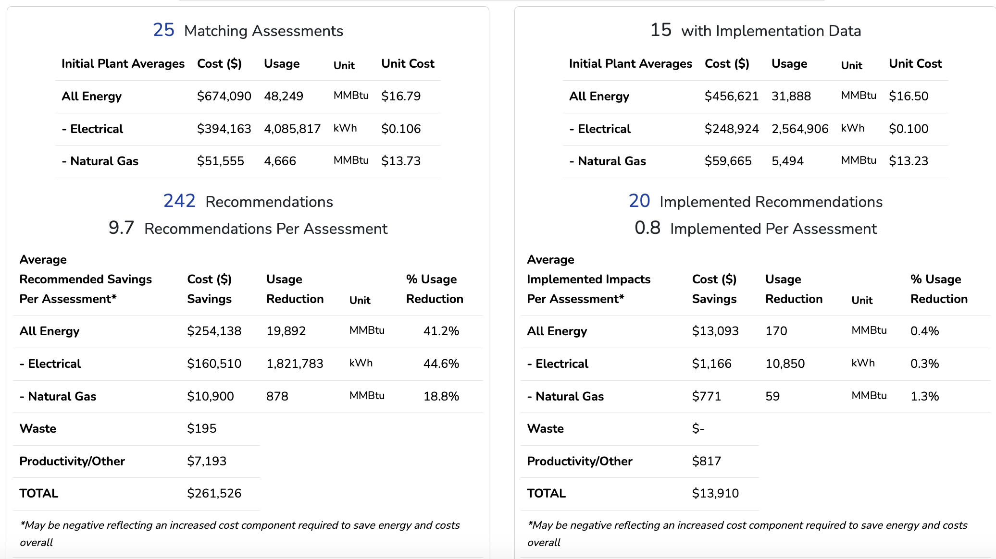
ASSESS Terms | Unnamed: 1 | Unnamed: 2 | RECC Terms | Unnamed: 4
ID | Assessment ID |  | SUPERID | Assessment ID + Recommendation Number
CENTER | IAC Center Code |  | ID | Assessment ID
FY | Fiscal Year |  | AR_NUMBER | Recommendation Number
SIC | SIC industrial classification code |  | APPCODE | Application Code
NAICS | NAICS industrial classification code |  | ARC2 | IAC Assessment Recommendation Code
STATE | US State abbreviation |  | IMPSTATUS | Implementation Status (I = implemented, N= Not Implement)
SALES | Total yearly sales |  | IMPCOST | Total implementation cost
EMPLOYEES | Total site employees |  | PSOURCCODE | Primary resource identification code
PLANT_AREA | Total plant square footage |  | PCONSERVED | Units conserved
PRODUCTS | Types of products |  | PSOURCONSV | Source units conserved
PRODUNITS | Production level units |  | PSAVED | Cost savings
PRODLEVEL | Total yearly production |  | SSOURCCODE | Secondary resource identification code
PRODHOURS | Total yearly hours of operation |  | SCONSERVED | Units conserved
NUMARS | Total number of recommendations |  | SSOURCONSV | Source units conserved
EC_plant_cost | Total yearly electricity consumption costs ($) |  | SSAVED | Cost savings
EC_plant_usage | Total yearly electricity consumption (kWh) |  | TSOURCCODE | Tertiary resource identification code
ED_plant_cost | Total yearly electricity demand charges ($) |  | TCONSERVED | Units conserved
ED_plant_usage | Total yearly electricity demand (kW-month-year) |  | TSOURCONSV | Source units conserved
EF_plant_cost | Total yearly electricity fees |  | TSAVED | Cost savings
E2_plant_cost | Total yearly natrual gas consumption costs ($) |  | QSOURCCODE | Quaternary resource identification code
E2_plant_usage | Total yearly natural gas consumption (MMBtu) |  | QCONSERVED | Units conserved
E3_plant_cost | Total yearly LPG consumption costs ($) |  | QSOURCONSV | Source units conserved
E3_plant_usage | Total yearly LPG consumption (MMBtu) |  | QSAVED | Cost savings
E4_plant_cost | Total yearly #1 Fuel Oil consumption costs ($) |  | REBATE | Was a rebate involved (yes/no)
E4_plant_usage | Total yearly #1 Fuel Oil consumption (MMBtu) |  | INCREMNTAL | Was the recommendation implemented incrementally (yes/no)
E5_plant_cost | Total yearly #2 Fuel Oil consumption costs ($) |  | FY | Fiscal Year
E5_plant_usage | Total yearly #2 Fuel Oil consumption (MMBtu) |  | IC_CAPITAL | Captial component of implementation cost
E6_plant_cost | Total yearly #4 Fuel Oil consumption costs ($) |  | IC_OTHER | Other componenet of implementation cost
E6_plant_usage | Total yearly #4 Fuel Oil consumption (MMBtu) |  | PAYBACK | Simple Payback (years)
E7_plant_cost | Total yearly #6 Fuel Oil consumption costs ($) |  | BPTOOL | What best practice tools was used (if any)
E7_plant_usage | Total yearly #6 Fuel Oil consumption (MMBtu)
E8_plant_cost | Total yearly Coal consumption costs ($)
E8_plant_usage | Total yearly Coal consumption (MMBtu)
E9_plant_cost | Total yearly Wood consumption costs ($)
E9_plant_usage | Total yearly Wood consumption (MMBtu)
E10_plant_cost | Total yearly Paper consumption costs ($)
E10_plant_usage | Total yearly Paper consumption (MMBtu)
E11_plant_cost | Total yearly Other Gas consumption costs ($)
E11_plant_usage | Total yearly Other Gas consumption (MMBtu)
E12_plant_cost | Total yearly Other Energy consumption costs ($)
E12_plant_usage | Total yearly Other Energy consumption (MMBtu)
W0_plant_cost | Total yearly Water consumption costs ($)
W0_plant_usage | Total yearly Water consumption (Tgal)
W1_plant_cost | Total yearly Water disposal costs ($)
W1_plant_usage | Total yearly Water disposal (gal)
W2_plant_cost | Total yearly Other Liquid (non-haz) disposal costs ($)
W2_plant_usage | Total yearly Other Liquid (non-haz) disposal (gal)
W3_plant_cost | Total yearly Other Liquid (haz) disposal costs ($)
W3_plant_usage | Total yearly Other Liquid (haz) disposal (gal)
W4_plant_cost | Total yearly Other Solid (non-haz) disposal costs ($)
W4_plant_usage | Total yearly Other Solid (non-haz) disposal (lbs)
W5_plant_cost | Total yearly Other Solid (haz) disposal costs ($)
W5_plant_usage | Total yearly Other Solid (haz) disposal (lbs)
W6_plant_cost | Total yearly Gaseous Waste disposal costs ($)
W6_plant_usage | Total yearly Gaseous Waste disposal (lbs)

 |  |  |  |  | In Image SNE IAC Data as of APRIL 10, 2024

