Shareholders & Insider Transact
The executive management's shareholdings as of 08th of April 2022 ('000, SEK)
 |  | 1 Jan 2021 |  |  |  | 08 Apr 2022
Name | Position | Holdings (number) | Purchase (number) | Vesting (number) | Sale (number) | Holdings (number) | Net Change | Share Price | Value of Position | Pct. of Base Salary | Shareholding Obligation
Gustaf Hagman | CEO | 8,495,000 | - | 125,000 | 350,000 | 8,270,000 | 225,000 | 38.12 | 315,252 | 7287% | Met
Stefan Nelson | CFO | 295,000 | 5,000 | 65,000 | - | 365,000 | 70,000 | 38.12 | 13,914 | 380% | Met
Mattias Wedar | CPTO | 196,200 |  | 125,000 |  | 321,200 | 125,000 | 38.12 | 12,244 | 334% | Met
Mårten Forste | COO | 360,000 |  | 90,000 |  | 450,000 | 90,000 | 38.12 | 17,154 | 468% | Met
Niklas Lindahl | CMO | ?** | - | - | - | 47,000 | - | 38.12 | 1,792 | 49% | Met
Hanna Lerenius | Interim COO | ?** | - | - | - | 63,791 | - | 38.12 | 2,432 | 66% | Met
* 'Holdings' is defined as shares + options.
** Niklas and Hanna was hired to their positions during the past year, so there is no data on their holdings 1st of Jan 2021.
*** Directors' (other than the CEO) base salary are estimated based on their combined salary pool.
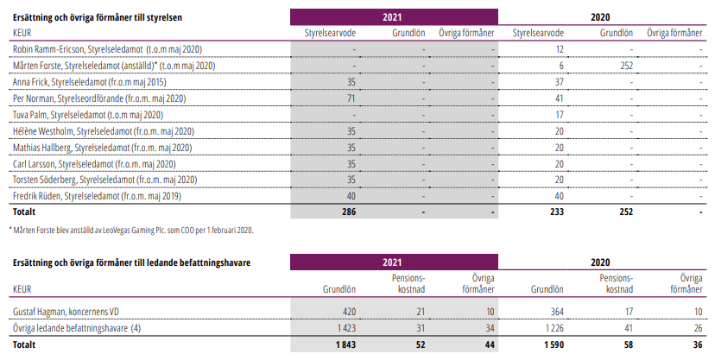

Angående Nordens Ejendoms- og Viceværtsservice:

Han kender alle processer og services som vil være relevante at tilbyde.

 |  |  |  |  |  |  |  |  |  |  |  | Board member shareholdings as of 8th of April 2022
 |  |  |  |  |  |  |  |  |  |  |  | Name | Member since | Holdings 1st of January 2021 | Change | Holdings 8th of April 2022 | Shareholding Obligation
 |  |  |  |  |  |  |  |  |  |  |  | Per Norman | 2020 | 60,600 | 10,000 | 70,600 | Met
 |  |  |  |  |  |  |  |  |  |  |  | Hélène Westholm | 2020 | 0 | 2500 | 2,500 | Met
 |  |  |  |  |  |  |  |  |  |  |  | Fredrik Rüden | 2019 | 20,000 | 0 | 20,000 | Met
 |  |  |  |  |  |  |  |  |  |  |  | Torsten Söderberg | 2020 | 4,507,253 | 26,608 | 4,533,861 | Met
 |  |  |  |  |  |  |  |  |  |  |  | Anna Frick | 2015 | 3,700 | 0 | 3,700 | Met
 |  |  |  |  |  |  |  |  |  |  |  | Carl Larsson | 2020 | 6,800 | 3,200 | 10,000 | Met
 |  |  |  |  |  |  |  |  |  |  |  | Mathias Hallberg | 2020 | 0 | 0 | 0 | In progress
 |  |  |  |  |  |  |  |  |  |  |  | Total |  | 4,598,353 | 42,308 | 4,640,661

Porter's Five Forces
Bargaining Power of Supplers | 4
Bargaining Power of Buyers | 3
Threat of New Entrants | 3
Threat of Substitute Products | 1
Competitive Rivalry | 3

Revenue Projection
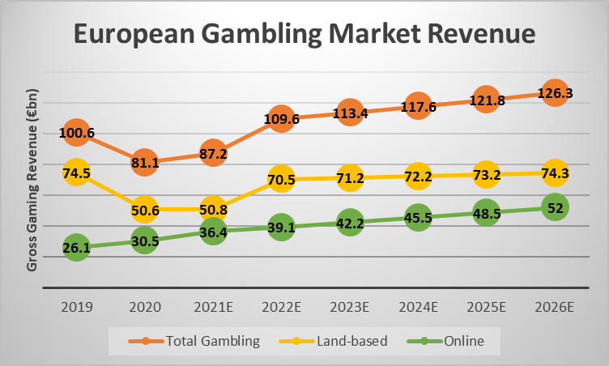
 | Europe online share | 44.88% | 34.48% | 38.50% | 38.69% | 39.82% | 41.01% | Europe
 |  |  |  |  |  |  |  |  |  |  |  |  |  |  | European Gambling market revenue
 | (€ Billions) | 2021 | 2022E | 2023E | 2024E | 2025E | 2026E
 | Europe |  |  |  |  |  |  |  |  |  |  |  |  |  |  | 2020 | 2022E | 2024E | 2026E
 | Market size (revenue)* | 36.40 | 39.10 | 42.20 | 45.50 | 48.50 | 52.00 |  |  |  |  |  |  | Total Gambling | 100.6 | 81.1 | 109.6 | 117.6 | 126.3
 | LeoVegas' market share | 0.85% | 0.85% | 0.85% | 0.85% | 0.85% | 0.85% |  |  |  |  |  |  | Land-based | 74.5 | 50.6 | 70.5 | 72.2 | 74.3
 | LeoVegas' revenue | 0.31 | 0.33 | 0.36 | 0.39 | 0.41 | 0.44 |  |  |  |  |  |  | Online | 26.1 | 30.5 | 39.1 | 45.5 | 52
 | North America |  |  |  |  |  |  |  |  |  |  |  |  |  |  | 36.4
2.28 | - Canada** | 1.02 | 0.80 | 0.91 | 0.94 | 0.98 | 1.03
50.35 | - US** | 22.60 | 19.53 | 24.52 | 27.71 | 32.08 | 37.16 |  |  |  |  |  |  |  |  |  | 22-26 CAGR |  | 0.073940923786
 | Market size (revenue) | 23.62 | 20.33 | 25.44 | 28.65 | 33.06 | 38.19
 | LeoVegas market share | 0.00% | 0.01% | 0.05% | 0.10% | 0.20% | 0.30%
 | LeoVegas' revenue | 0.00 | 0.00 | 0.01 | 0.03 | 0.07 | 0.11
 | South America
 | Market size (revenue)* | 0.48 | 0.81 | 1.33 | 1.90 | 2.47 | 4.18
 | Leovegas' market share | 4.53% | 3.73% | 3.33% | 2.93% | 2.53% | 2.13% | North America
 | LeoVegas' revenue | 0.02 | 0.03 | 0.04 | 0.06 | 0.06 | 0.09 | US
 | APAC |  |  |  |  |  |  | 2021 = $53B (total |  |  | https://www.forbes.com/sites/willyakowicz/2022/02/15/us-gambling-revenue-hit-record-53-billion-in-2021/
 | Market size (revenue)* | 19.84 | 23.41 | 27.63 | 32.60 | 38.47 | 45.39 | Growth rate = 12.47% |  |  | https://www.prnewswire.com/news-releases/online-gambling-market-size-in-the-us-to-grow-by-usd-2-22-billion--16-00-yoy-growth-in-2022--17-000-technavio-research-reports-301501058.html
 | LeoVegas' market share | 0.31% | 0.31% | 0.31% | 0.31% | 0.31% | 0.31% |  | 0.10458058965
 | LeoVegas' revenue | 0.06 | 0.07 | 0.09 | 0.10 | 0.12 | 0.14 | Canada
 | Middle East & Africa |  |  |  |  |  |  | 2021 = $20B |  |  | https://www.analyticsinsight.net/the-canadian-online-gambling-industry-in-numbers-2022/
 | Market size (revenue)* | 0.29 | 0.31 | 0.34 | 0.37 | 0.40 | 0.44 | of which online = $1.2B
 | LeoVegas' market share | 0.00% | 0.00% | 0.00% | 0.00% | 0.00% | 0.00% | Growth rate = ?
 | LeoVegas' revenue | 0.00 | 0.00 | 0.00 | 0.00 | 0.00 | 0.00
 | Total Revenue | 0.39 | 0.44 | 0.50 | 0.57 | 0.66 | 0.79 | South America |  | 2021 | 2022 | 2023 | 2024 | 2025 | 2026 | https://vixio.com/gamblingcompliance/market-data/latin-america-data-dashboard/
 | Revenue growth YoY | 0.96% | 11.74% | 14.70% | 14.12% | 15.38% | 19.12% | Market size ($ Billions) |  | 0.5 | 0.85 | 1.4 | 2 | 2.6 | 4.4 | https://vixio.com/blog/5-areas-to-monitor-in-the-latin-american-online-gambling-industry/
 | 5-year CAGR | 14.99% |  |  |  |  |  | CAGR | 54.5%
 | * is only online gambling revenue
 | ** estimate based on total gambling revenue(both physical and online) assuming similar online market share as in Europe. |  |  |  |  |  |  | APAC |  | 2019 | 2020 | 2021 | 2022 | 2023 | 2024 | 2025 | 2026
 |  |  |  |  |  |  |  | market size ($ Billions) |  | 15 | 17.7 | 20.886 | 24.64548 | 29.0816664 | 34.316366352 | 40.493312295 | 47.782108509 | https://www.graphicalresearch.com/industry-insights/2016/asia-pacific-online-gambling-market
 |  |  |  |  |  |  |  | Growth rate | 18% |  |  |  |  |  | 0.50837191567

 |  |  |  |  |  |  |  | Africa |  | 2021 | 2022 | 2023 | 2024 | 2025 | 2026
 | (€ Billions) | 2021 | 2026E |  |  |  |  | Market size ($,billion) |  | 3.0485 | 3.31036615 | 3.5947266023 | 3.9035136174 | 4.2388254372 | 4.6029405422 |  | https://www.astuteanalytica.com/industry-report/africa-gambling-market
 | Europe |  |  |  |  |  |  | Growth |  | 8.59%
 | Market size | 36.40 | 52.00
 | LeoVegas' m/s | 0.85% | 0.85%
 | LeoVegas' rev. | 0.31 | 0.44
 | North America
 | - Canada | 1.02 | 1.03
 | - US | 22.60 | 37.16
 | Market size | 23.62 | 38.19
 | LeoVegas m/s | 0.00% | 0.30%
 | LeoVegas' rev. | 0.00 | 0.11
 | South America
 | Market size | 0.48 | 4.18
 | Leovegas' m/s | 4.53% | 2.13%
 | LeoVegas' rev. | 0.02 | 0.09
 | APAC
 | Market size | 19.84 | 45.39
 | LeoVegas' m/s | 0.31% | 0.31%
 | LeoVegas' rev. | 0.06 | 0.14

 | 5-year CAGR | 14.99%

 | (€ Billions) | 2021-2026E
 | Europe
 | Market size 2021 | 36.40
 | Market size 2026E | 52.00
 | CAGR | 7.39%
 | North America*
 | Market size 2021 | 23.62
 | Market size 2026E | 38.19
 | CAGR | 10.09%
 | South America
 | Market size | 0.48
 | Market size 2026E | 4.18
 | CAGR | 54.49%
 | APAC
 | Market size 2021 | 19.84
 | Market size 2026E | 47.78
 | CAGR | 18.00%
 | *Includes US and Canada

Cash flow statement
Forecasts for "Cash flow from operating activities before changes in working capital" er lavet på baggrund af "Income statement"
(000'EUR) | 2017 | 2018 | 2019 | 2020 | 2021 | 2022E | 2023E | 2024E | 2025E | 2026E
Cash flow from operating activites
Operating profit | 19,914 | 19,175 | 12,672 | 22,776 | 18,043 | 15,860 | 18,754 | 22,159 | 29,583 | 34,803
Adjustments for non-cash items:
- Depreciation | 6,033 | 22,430 | 25,562 | 29,089 | 24,689 | 26,987 | 31,032 | 35,682 | 37,610 | 43,246
- Other non-cash items | 219 | 577 | 5,199 | 963 | 2,492 | 1,890 | 1,890 | 1,890 | 1,890 | 1,890
Net income taxes paid | -37 | -1,078 | -4,538 | -1,695 | -4,916 | -1,845 | -2,122 | -2,440 | -2,805 | -3,226
Interest recieved | 13 | 10 | 0 | 0 | 1 | 0 | 0 | 0 | 0 | 0
Interest paid | -130 | -1,746 | -1,860 | -1,206 | -3,399 | -4,498 | -5,172 | -5,947 | -6,838 | -7,863
Cash flow from operating activities before changes in working capital | 26,012 | 39,368 | 37,035 | 49,927 | 36,910 | 38,395 | 44,382 | 51,345 | 59,440 | 68,850

Cash flow from changes in working capital | 8,063 | -2,874 | -11 | 19,313 | 8,946 | 6,687 | 7,690 | 8,842 | 10,167 | 11,691
Decrease in operating recievables | -9,095 | -15,712 | -2,644 | 8,720 | 4,188 | -2,876 | -3,307 | -3,802 | -4,372 | -5,027 | -43% | 5-year average
Increase in operating payables | 17,158 | 12,838 | 2,633 | 10,593 | 4,758 | 3,812 | 4,383 | 5,040 | 5,795 | 6,664
Cash flow from operating activities | 34,075 | 36,494 | 37,024 | 69,240 | 45,856 | 39,331 | 45,459 | 52,583 | 60,863 | 70,487

Cash flow from investing activities
Acquisitions of property, plant and equipment | -1,855 | -2,475 | -1,117 | -399 | -901 | -1,000 | -1,000 | -1,000 | -1,000 | -1,000 |  |  |  | cagr
Acquisitions of intangible assets | -4,312 | -8,633 | -8,080 | -10,492 | -15,831 | -18,422 | -21,438 | -24,947 | -29,031 | -33,782 |  | 8633 | 15831 | 0.16368825754
Acquisitions of subsidiaries | -43,935 | -20,213 | 0 | -3,579 | -10,391 | -10,000 | -10,000 | -10,000 | -10,000 | -10,000
Transfer of assets on acquisition | 0 | -73,472 | 0 | 0 | -1,121 | 0 | 0 | 0 | 0 | 0
Proceeds from sales of subsidiaries and intangible assets | 0 | 1,500 | 11,150 | 2,861 | 0 | 1,500 | 1,500 | 1,500 | 1,500 | 1,500
Cash flow from investing activities | -50,102 | -103,293 | 1,953 | -11,609 | -28,244 | -27,922 | -30,938 | -34,447 | -38,531 | -43,282

Cash flow from financing activities
Loan financing | 20,000 | 79,475 | -30,000 | -70,343 | 0 | 0 | 0 | 0 | 0 | 0
Raised bond loans |  | 0 | 0 | 19,897 | 48,298 | 0 | 0 | 0 | 0 | 0
Acquisition of own stock |  | 0 | 0 | -4,891 | -9,538 | -7,200 | -7,200 | -7,200 | -7,200 | -7,200
Lease liabilities |  | 0 | -3,175 | -3,244 | -3,037 | -3,200 | -3,200 | -3,200 | -3,200 | -3,200
Proceeds from share issue/other equity securities | 170 | 3,832 | 186 | 416 | 200 | 500 | 500 | 500 | 500 | 500
Cash dividends paid out to shareholders | -10,233 | -11,669 | -11,534 | -14,213 | -12,695 | -4,759 | -5,730 | -6,886 | -9,970 | -11,857
Cash flow from financing activities | 9,937 | 71,638 | -44,523 | -43,977 | -5,173 | -14,659 | -15,630 | -16,786 | -19,870 | -21,757

Cash flow for the period | -6,090 | 4,839 | -5,546 | 13,654 | 12,439 | -3,250 | -1,109 | 1,349 | 2,463 | 5,448
Cash and cash equivalents at start of the year | 60,218 | 52,758 | 56,738 | 50,738 | 63,340 | 60,000 | 60,000 | 60,000 | 60,000 | 60,000
Currency effects on cash and cash equivalents | -1,370 | -859 | -454 | -1,052 | -618 | -800 | -800 | -800 | -800 | -800
Cash and cash equivalents at end of year | 52,758 | 56,738 | 50,738 | 63,340 | 75,161 | 55,950 | 58,091 | 60,549 | 61,663 | 64,648

of which, restricted cash (player funds) | 7,097 | 11,992 | 13,352 | 15,801 | 19,945 | 24,000 | 28,000 | 32,000 | 36,000 | 40,000

