FCFE
(000EUR) | Periods | 2021 | 2022E | 2023E | 2024E | 2025E | 2026E
 | TM | 0 | 1 | 2 | 3 | 4 | 5 | Terminal value
Free cash flows Firm
Revenue |  | 391,171 | 449,791 | 517,196 | 594,702 | 683,823 | 786,300
EBIT Margin |  | 4.61% | 3.53% | 3.63% | 3.73% | 4.33% | 4.43%
EBIT |  | 18,043 | 15,860 | 18,754 | 22,159 | 29,583 | 34,803
Operating profit |  | 18,043 | 15,860 | 18,754 | 22,159 | 29,583 | 34,803
Tax rate |  | 20.60% | 20.60% | 20.60% | 20.60% | 20.60% | 20.60%
NOPAT |  | 14,326 | 12,593 | 14,891 | 17,595 | 23,489 | 27,633 |  |  | 0.11570780465
Interest paid |  | -3,399 | -4,498 | -5,172 | -5,947 | -6,838 | -7,863
D&A |  | 25,308 | 26,987 | 31,032 | 35,682 | 37,610 | 43,246
Change in networking capital |  | 8,946 | 6,687 | 7,690 | 8,842 | 10,167 | 11,691
CapEx |  | -16,732 | -19,422 | -22,438 | -25,947 | -30,031 | -34,782
FCFF |  | € 13,956.14 | € 13,470.71 | € 15,795.14 | € 18,487.74 | € 20,901.74 | € 24,406.72 | € 588,632.71 |  |  |  |  |  | Estimated revenue CAGR
DC FCFF |  | € 13,956.14 | € 12,618.93 | € 13,860.78 | € 15,197.78 | € 16,095.74 | € 17,606.38 | € 424,624.42 | € 500,004.03 | € 5.07 | 52.68 |  | € 5.05 | 8.34% | 10.34% | 12.34% | 14.34% | 16.34%
 |  | € 13,956.14 | € 12,618.93 | € 13,860.78 | € 15,197.78 | € 16,095.74 | € 17,606.38 | € 424,624.42 | € 500,004.03 | € 5.07 |  | WACC | 5.88% | € 6.37 | € 6.39 | € 6.40 | € 6.41 | € 6.43
Share price 26.04 | € 3.82 |  | CAGR revenue | 14.9858% |  |  |  |  |  | 33% |  |  | 6.31% | € 5.63 | € 5.64 | € 5.65 | € 5.67 | € 5.68
Fully diluted shares outstanding | 98,717 |  |  |  |  |  |  |  |  |  |  |  | 6.75% | € 5.02 | € 5.03 | € 5.05 | € 5.06 | € 5.07
ST growth rate | 14.99% |  |  |  | € 5.07 |  |  |  |  |  |  |  | 7.18% | € 4.54 | € 4.55 | € 4.56 | € 4.58 | € 4.59
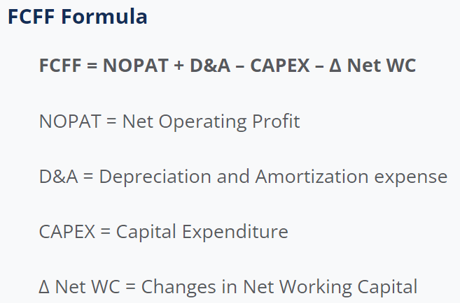
LT growth rate | 2.50% |  |  |  |  |  |  |  |  |  |  |  | 7.61% | € 4.14 | € 4.15 | € 4.16 | € 4.18 | € 4.19
WACC | 6.75%
Enterprise value | € 500,004.03

 | 12.34%

FCF to equity
Increase / decrease in operating receivables | 4,188
Acquisition of property, plant and equipment | -901
Acquisition of intangible assets | -15,831
Net increase / decrease in cash and cash equivalents | 11,821 |  | -723 |  | =

 |  |  |  |  |  |  | https://corporatefinanceinstitute.com/resources/knowledge/modeling/free-cash-flow-to-firm-fcff/
 | Estimated revenue CAGR
 | € 5.07 | 10.99% | 12.99% | 14.99% | 16.99% | 18.99%
WACC | 5.88% | € 6.39 | € 6.40 | € 6.42 | € 6.43 | € 6.45
 | 6.31% | € 5.64 | € 5.66 | € 5.67 | € 5.69 | € 5.70
 | 6.75% | € 5.04 | € 5.05 | € 5.07 | € 5.08 | € 5.09
 | 7.18% | € 4.56 | € 4.57 | € 4.58 | € 4.60 | € 4.61
 | 7.61% | € 4.15 | € 4.17 | € 4.18 | € 4.19 | € 4.21

