Sheet1
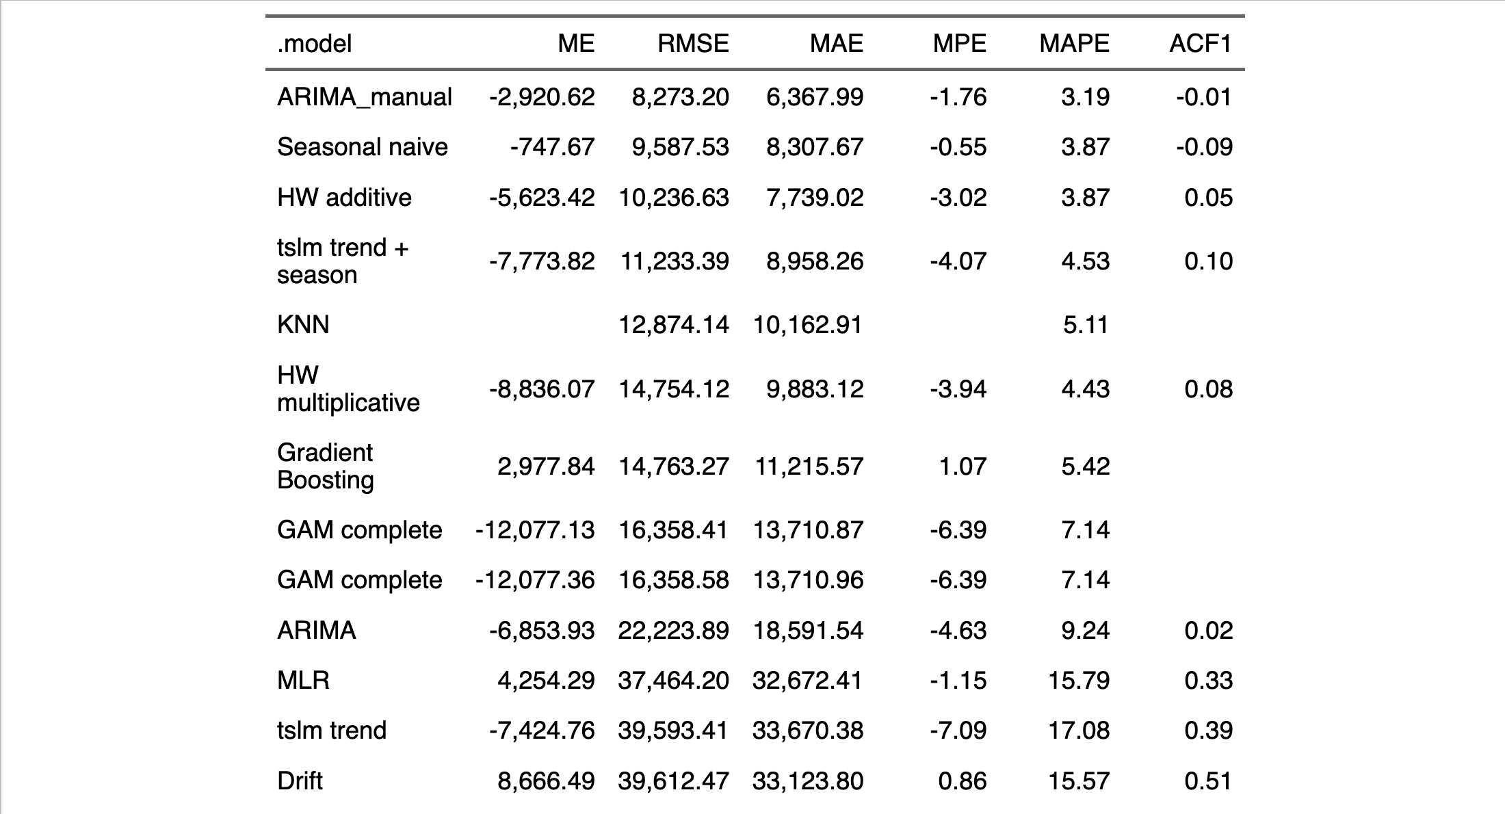
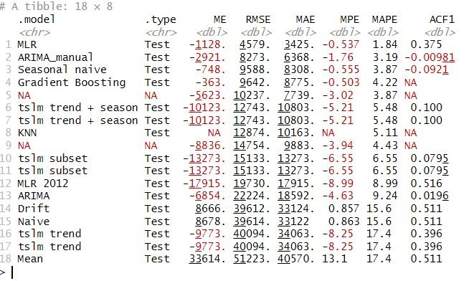
Model | Predictors | ME | RMSE | MAE | MPE | MAPE | AIC on Training
Benchmarks
Drift | last 2 values | 8,666 | 39,612 | 33,124 | 1 | 16
Mean | mean | 33,614 | 51,223 | 40,570 | 13 | 17
Naïve | last value | 8,678 | 39,614 | 33,122 | 1 | 16
Seasonal naïve | last value from same s | -748 | 9,588 | 8,308 | -0.555 | 3.87
Linear Regression
TSLM | t + s | -7,774 | 11,233 | 8,958 | -4.07 | 4.53 | 6062.793
MLR | *** | 4,254 | 37,464 | 32,672 | -1.15 | 15.79 | 4876.914
MLR 2012 | *** | 6,986 | 40,805 | 35,221 | 0.01 | 16.86 | 5008.603
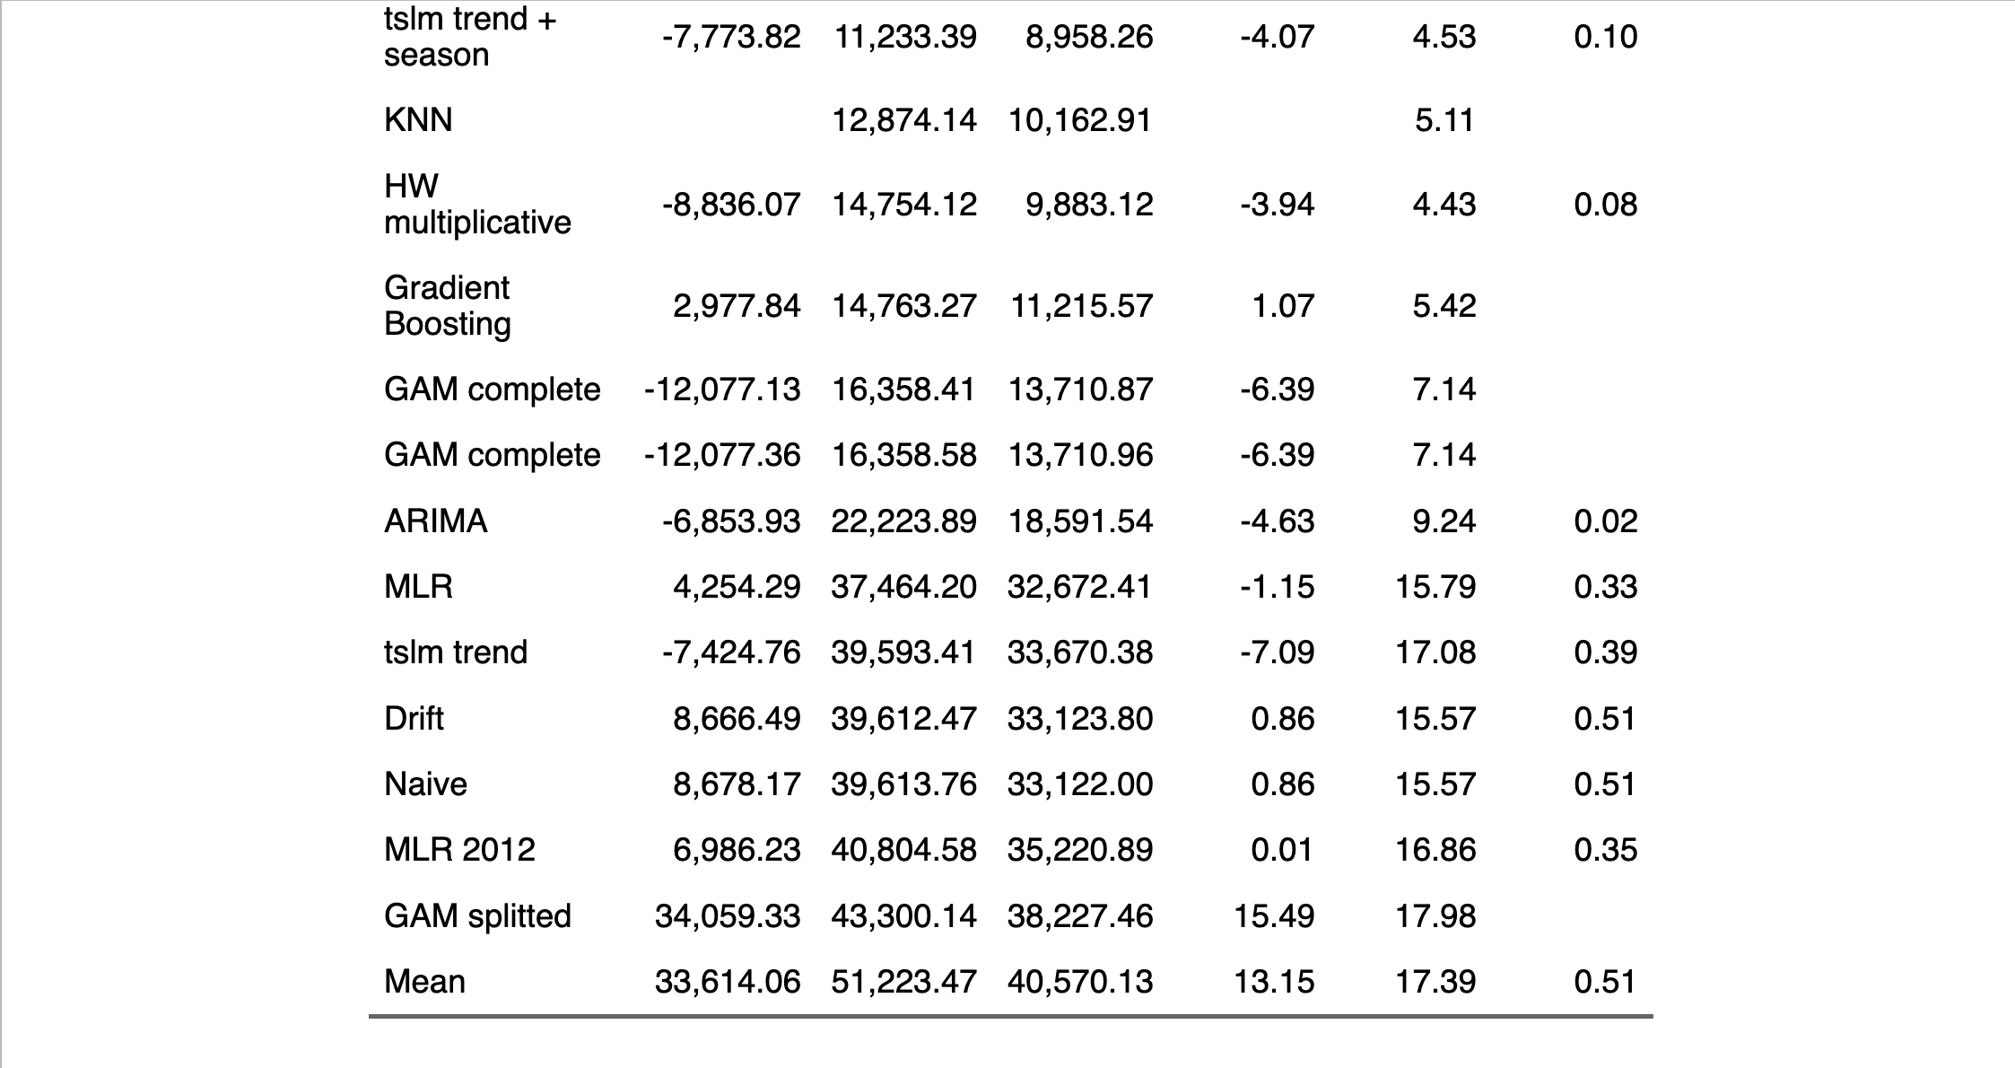
ARIMA
ARIMA | ARIMA(5,1,0)(1,0,1)[12] | -2,921 | 8,273 | 6,368 | -1.76 | 3.19 | 5839.81
auto ARIMA | ARIMA(5,1,0) | -6,854 | 22,224 | 18,592 | -4.63 | 9.24 | 378.89
Non-Parametric
Gradient Boosting | Decision Trees | -363 | 9,642 | 8,775 | -0.503 | 4.22
KNN | 2 NN |  | 12,874 | 10,163 |  | 5.11
Exponential Smoothing
Holt-Winters'(+) | AAA | -5,623 | 10,237 | 7,739 | -3.02 | 3.87 | 4716.624
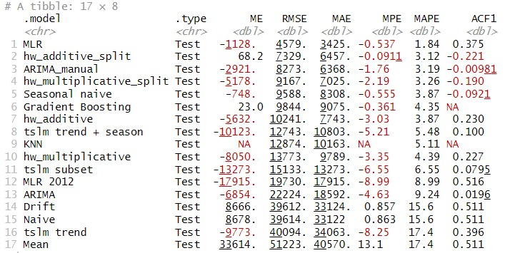
Blended
GAM | *** | -12,077 | 16,358 | 13,711 | -6.39 | 7.14
GAM 2012 | *** | 34,059 | 43,300 | 38,227 | 15.49 | 17.39

 |  |  |  |  |  |  | 0
 | min | 748.00 | 8273.00 | 6368.00 | 0.01 | 3.19

 | ***these models are based on numerous predictors and smoothing parameters determined through stepwise regression.

 | # ME: Mean Error
 | # RMSE: Root Mean Squared Error
 | # MAE: Mean Absolute Error
 | # MPE: Mean Percentage Error
 | # MAPE: Mean Absolute Percentage Error
 | # MASE: Mean Absolute Scaled Error

 |  | 748.00 | 8273.00 | 6368.00 | 0.01 | 3.19

