Sheet1
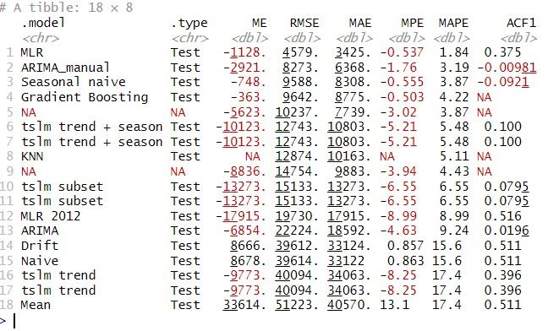
Model | Predictors | ME | RMSE | MAE | MPE | MAPE | AIC on Training
Benchmarks
Drift | last 2 values | 8,666 | 39,612 | 33,124 | 1 | 16
Mean | mean | 33,614 | 51,223 | 40,570 | 13 | 17
Naïve | last value | 8,678 | 39,614 | 33,122 | 1 | 16
Seasonal naïve | last value from same s | -748 | 9,588 | 8,308 | -0.555 | 3.87
Linear Regression
TSLM | t + s | -10,123 | 12,743 | 10,803 | -5.21 | 5.48 | 6062.793
MLR | *** | -1,128 | 4,579 | 3,425 | -0.537 | 1.84 | 4876.914
MLR 2012 | *** | -17,915 | 19,730 | 17,915 | -8.99 | 8.99 | 5008.603
ARIMA
ARIMA | ARIMA(5,1,0)(1,0,1)[12] | -2,921 | 8,273 | 6,368 | -1.76 | 3.19 | 5839.81
auto ARIMA | ARIMA(5,1,0) | -6,854 | 22,224 | 18,592 | -4.63 | 9.24 | 378.89
Non-Parametric
KNN | 2 NN |  | 12,874 | 10,163 |  | 5.11
Exponential Smoothing
Holt-Winters'(+) | AAA | -5,623 | 10,237 | 7,739 | -3.02 | 3.87 | 4716.624
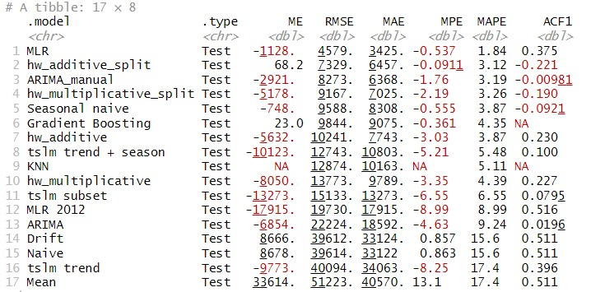
Holt-Winters'(+) 2012 | AAA |  |  |  |  |  | 141.1391
Blended
GAM | ***
GAM 2012 | ***
Gradient Boosting | *** | -363 | 9,642 | 8,775 | -0.503 | 4.22

 |  |  |  |  |  |  | 0
 | min | 363.00 | 4579.00 | 3425.00 | 0.50 | 1.84

 | ***these models are based on numerous predictors and smoothing parameters determined through stepwise regression.

 | # ME: Mean Error
 | # RMSE: Root Mean Squared Error
 | # MAE: Mean Absolute Error
 | # MPE: Mean Percentage Error
 | # MAPE: Mean Absolute Percentage Error
 | # MASE: Mean Absolute Scaled Error

 |  | 363.00 | 4579.00 | 3425.00 | 0.503 | 1.84

