03_Calculations- Mot
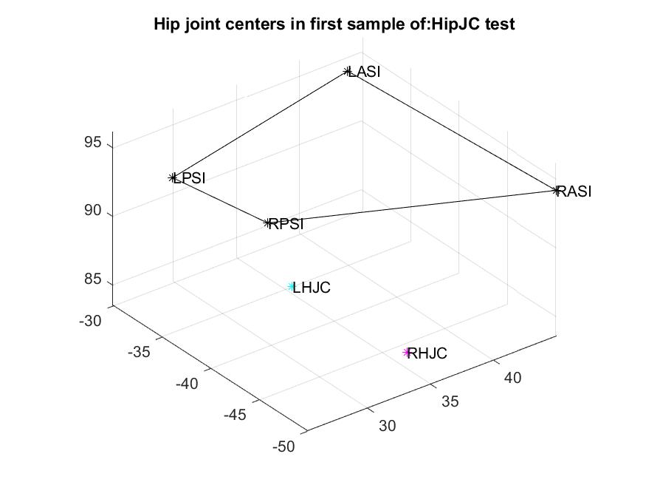
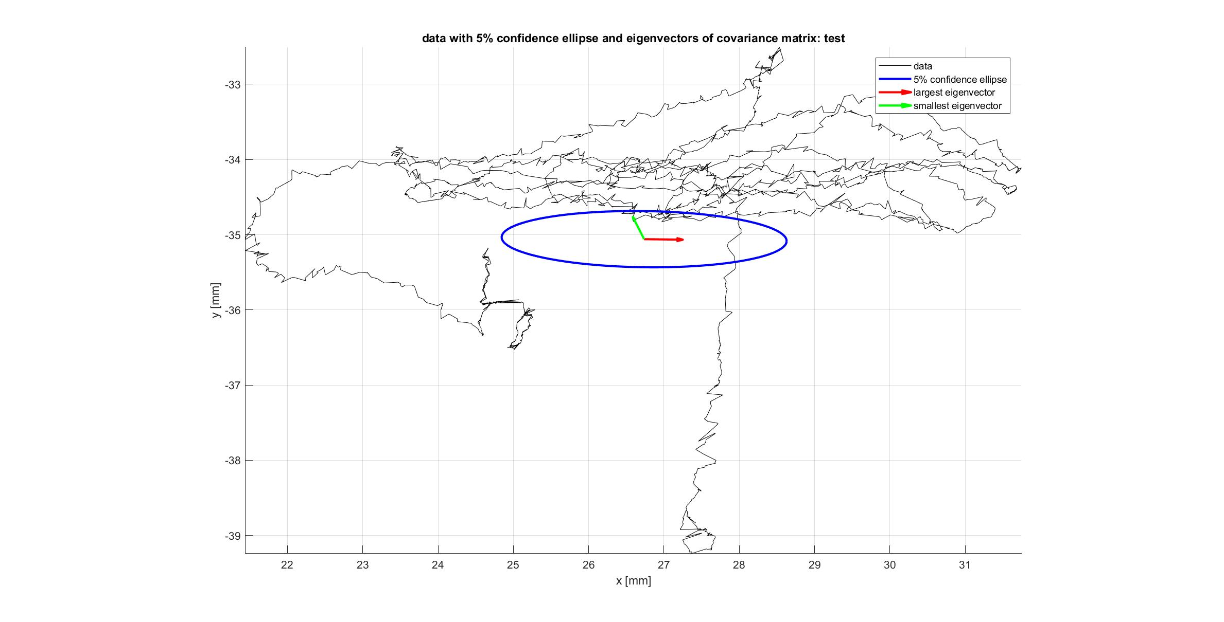

Category | Script | Description | Plot? | Required functions
COM, JOINTS, & MARKERS | createImaginaryMarker | Calculates position of an imaginary marker (or Joint center) given the movement of reference markers; Can be used to fill gaps of missing markers in a rigid body |  | transrot
 | estimateCOM | Estimates the center of mass based on the average of the existing pelvis markers
 | calcHipJC | Calculates hip joint center based on 4 pelvis markers and leg length measure (from Vicon Documentation) | yes
 | calcJointCenters | Calculates joint centers of Plug-in-Gait or Conventional Full Body marker set of Optitrack , by use of a static calibration trial | yes(calcHipJC) | calcHipJC, createImaginaryMarker, transrot
 | calcCOM | Calculates COM from De Leva approximation (given PlugIn-Gait markers and joint centers)
ROTATION MATH | transrot | Calculates the rotation matrix and translation vector between given marker configurations
 | createLocalReferenceFrame | Creates a local reference frame given origin and x, y, and z directions
 | decomposeRotation | Determines rotation in the angular progression
 | makeContinuousAngle | Calculates continuous degrees of rotation for multiple revolutions and determines rotation direction
 | localRot | Determines local coordinate system, continuous degrees of rotation, and rotation direction given a square or diamond configuration of 4 pts |  | createLocalReferenceFrame, decomposeRotation, makeContinuousAngle

