reference
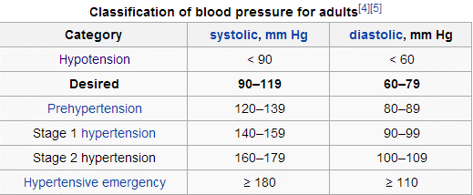
Measurement Field Type |  | Chinese | Unit | Reference Value
2 | Oxygen Saturation Percentage | 血氧饱和度 | milligrams per litre (mg/l) or parts per million (ppm) | Healthy individuals at sea level usually exhibit oxygen saturation values between 96% and 99%, and should be above 94%. At 5,280 feet altitude (one mile high) oxygen saturation should be above 92%.
3 | Heart Rate | 心跳 | beat per minutes (BPM) | The normal adult human heart rate ranges from 60–100 bpm
4 | Systolic Blood Pressure | 收缩压， 高压 | P | 0
5 | Diastolic Blood Pressure | 舒张压，低压 | P | SEE picture
6 | Weight | 体重 | pound
7 | Blood Glucose | 血糖 | so that 1 mmol/L of glucose is equivalent to 18 mg/dL | Normal: while fasting: 70-100 while not fasting: under 125 Diebetic: before meal: 90-130 after meal: less than 180mg/dl
18 | Temperature | 体温 | F degree | body temperature (taken internally) is 37.0 °C (98.6 °F) The typical oral (under the tongue) measurement is slightly cooler, at 36.8° ± 0.4°C (98.2° ± 0.7°F) In healthy adults, body temperature fluctuates about 0.5 °C (0.9 °F) throughout the day, with lower temperatures in the morning and higher temperatures in the late afternoon and evening

