clusteredQuery___18122012_1155
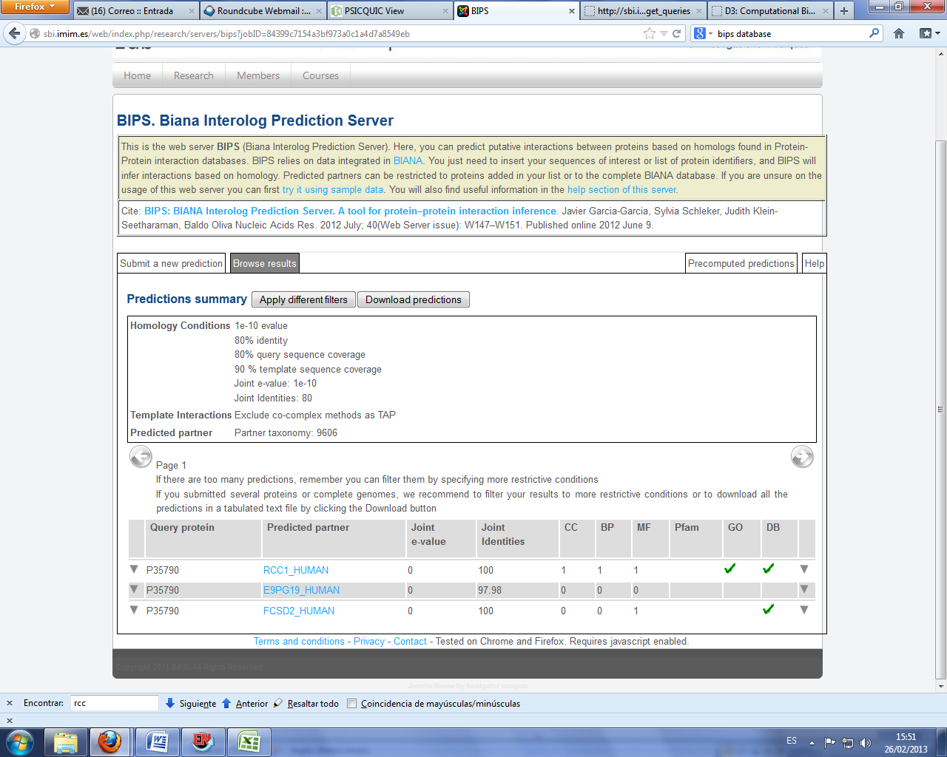
PSICQUIC (http://www.ebi.ac.uk/Tools/webservices/psicquic/view/main.xhtml)
Accession(s) interactor A | Accession(s) interactor B | Publication 1st author(s) | Publication Identifier(s) | Source database(s) | Interaction identifier(s) | Alias(es) interactor A | Alias(es) interactor B | Interaction detection method(s) | Interaction type(s)
uniprotkb:P35790 | uniprotkb:P18754 | Dubois T et al. (2002)|Wu et al.(2010) | pubmed:12062430|pubmed:20482850 | psi-mi:"MI:0468"(HPRD)|psimi:"MI:0468"(hprd)|psi-mi:"MI:0467"(reactome) | - | uniprotkb:CHKA_HUMAN|uniprotkb:CHKA|uniprotkb:CHK|uniprotkb:CKI | uniprotkb:RCC1_HUMAN|uniprotkb:RCC1|uniprotkb:CHC1 | psi-mi:"MI:0686"(unspecified method)|unknown:"MI:0493"|psi-mi:"MI:0018"(two hybrid)|psi-mi:"MI:0046"(experimental knowledge based) | psi-mi:"MI:0914"(association)
uniprotkb:P35790; refseq:NP_001268 | uniprotkb:O94868; refseq:NP_055639 | Thalappilly et al. (2008)|thalappilly-2008-1 | pubmed:18654987|imex:IM-13772 | psi-mi:"MI:0465"(dip)|psimi:"MI:0469"(intact)|psi-mi:"MI:0469"(IntAct) | intact:EBI-2654814|dip:DIP-143441E | crogid:hjKraV4IMsla7ZGrWj6ZR41eEoU9606|uniprotkb:Ethanolamine kinase|uniprotkb:CHK|uniprotkb:CKI|uniprotkb:CHETK-alpha|uniprotkb:CHKA|uniprotkb:P35790|uniprotkb:CHKA_HUMAN|psi-mi:chka_human|psi-mi:CHKA|dip:DIP-57019N|icrogid:2231032|rogid:hjKraV4IMsla7ZGrWj6ZR41eEoU9606|entrezgene/locuslink:1119|entrezgene/locuslink:CHKA|irogid:2231032|intact:EBI-2654809 | crogid:xFBlyK0IF2ilx10dexPnS/KVh+89606|uniprotkb:FCHSD2|uniprotkb:KIAA0769|uniprotkb:SH3MD3|uniprotkb:SH3 multiple domains protein 3|uniprotkb:Carom|uniprotkb:O94868|uniprotkb:FCSD2_HUMAN|psi-mi:fcsd2_human|psi-mi:FCHSD2|dip:DIP-38698N|icrogid:5317357|rogid:xFBlyK0IF2ilx10dexPnS/KVh+89606|entrezgene/locuslink:9873|entrezgene/locuslink:FCHSD2|irogid:5317357|intact:EBI-1215612 | psi-mi:"MI:0686"(unspecified method)|psi-mi:"MI:0018"(two hybrid) | psi-mi:"MI:0914"(association)|psi-mi:"MI:0915"(physical association)
uniprotkb:P35790; refseq:NM_001277 | uniprotkb:Q16665; refseq:NM_001530 | Glunde et al. (2008) | pubmed:18172309 | psimi:"MI:0974"(innatedb)|psi-mi:"MI:0974"(innatedb) | innatedb:IDB-187252|innatedb:IDB-187320 | uniprotkb:CHKA_HUMAN|ensembl:ENSG00000110721|refseq:NP_001268|refseq:NM_212469|refseq:NP_997634|innatedb:IDBG-61242|hgnc:CHKA | uniprotkb:HIF1A_HUMAN|ensembl:ENSG00000100644|refseq:NP_001521|refseq:NM_181054|refseq:NP_851397|refseq:NM_001243084|refseq:NP_001230013|innatedb:IDBG-8510|hgnc:HIF1A | psi-mi:"MI:0007"(anti tag coimmunoprecipitation)|psi-mi:"MI:0686"(unspecified method) | psi-mi:"MI:0914"(association)|psi-mi:"MI:0915"(physical association)
uniprotkb:P35790 | uniprotkb:Q9Y259 | Wu et al.(2010) | pubmed:20482850 | psi-mi:"MI:0467"(reactome) | - | uniprotkb:CHKA | uniprotkb:CHKB | psi-mi:"MI:0046"(experimental knowledge based) | -
uniprotkb:P35790; refseq:NP_001268 | uniprotkb:Q96PM5; refseq:NP_056251 | Lim(2006) | pubmed:16713569|pubmed:15657099 | psi-mi:"MI:1115"(SPIKE)|psi-mi:"MI:0000"(ophid) | CEN:I-000304|ophid:- | uniprotkb:P35790|uniprotkb:CHKA_HUMAN|crogid:hjKraV4IMsla7ZGrWj6ZR41eEoU9606|entrez gene/locuslink:CHKA|entrez gene/locuslink:1119|entrez gene/locuslink:CHK|entrez gene/locuslink:CKI|entrez gene/locuslink:CK|entrez gene/locuslink:EK|icrogid:2231032|rogid:hjKraV4IMsla7ZGrWj6ZR41eEoU9606|entrezgene/locuslink:1119|entrezgene/locuslink:CHKA|irogid:2231032 | uniprotkb:Q96PM5|uniprotkb:ZN363_HUMAN|crogid:3khPuhFXlOrWR6KjF+9av4mJAMQ9606|entrez gene/locuslink:RCHY1|entrez gene/locuslink:25898|entrez gene/locuslink:PIRH2|entrez gene/locuslink:DKFZp586C1620|entrez gene/locuslink:ZNF363|entrez gene/locuslink:RNF199|entrez gene/locuslink:CHIMP|entrez gene/locuslink:hARNIP|entrez gene/locuslink:ARNIP|entrez gene/locuslink:PRO1996|icrogid:454945|rogid:3khPuhFXlOrWR6KjF+9av4mJAMQ9606|entrezgene/locuslink:25898|entrezgene/locuslink:RCHY1|irogid:454945 | psi-mi:"MI:0019"(coimmunoprecipitation)|unknown:"MI:0000" | psi-mi:"MI:0407"(direct interaction)|unknown:"MI:0191"
crogid:sB7nqzQUixLIYjfBg2zI6iL8pSs9606 | uniprotkb:P35790; refseq:NP_001268 | - | pubmed:12062430 | psi-mi:"MI:0468"(HPRD) | HPRD:-10 | icrogid:9981025|rogid:sB7nqzQUixLIYjfBg2zI6iL8pSs9606|PDB:1A12_A|PDB:1A12_B|PDB:1A12_C|irogid:9981025 | crogid:hjKraV4IMsla7ZGrWj6ZR41eEoU9606|uniprotkb:P35790|uniprotkb:CHKA_HUMAN|icrogid:2231032|rogid:hjKraV4IMsla7ZGrWj6ZR41eEoU9606|entrezgene/locuslink:1119|entrezgene/locuslink:CHKA|irogid:2231032 | psi-mi:"MI:0045"(experimental interaction detection)|unknown:"MI:0493" | -

DASMI (http://dasmi.de/dasmiweb.php)

BIPS (http://sbi.imim.es/web/index.php/research/servers/bips)

