Information
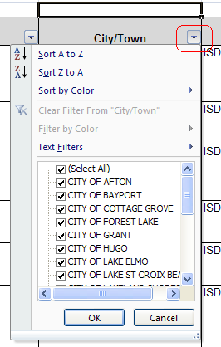
 | Parcel Transfer Report

This report shows parcel transfer activity that occurred during the indicated timeframe. If a parcel was transferred more than one time during the timeframe, it is only shown once with the name of the current owner at the time the report was run.
Click on the "Parcel Transfers" tab to see the report. The report utilizes the auto-filter feature. You can filter the data by any field on the report. To limit the list to parcels in a specific city or town, click on the filter icon in the City/Town header cell as shown in the graphic to the right. Then click on "Select All" to deselect all cities/towns, then select the city/town to display and click on OK. The table below describes the data included on the report:

Field | Description/Contents
City/Town | City or Township that the property is located in
School | School District that the property is located in
TAGDescription | Tax Authority Group. A code that identifies a unique combination of taxing districts.
PIN | Property ID Number
AttentionTo | Name and mailing address of the Primary Taxpayer on the parcel as of the date the report was run. This is not necessarily the address of the property.
OwnerName
MailingAddress1
MailingAddress2
Mailing City/St/Zip
PrimarySitusAddress | Parcel Address. This is the mailing address city of the property, it is not necessarily the city/town that the property is located in. Note: parcels may have multiple property addresses. Only the first one is provided. The property address is only used for informational and search purposes, it is not used for mailings. It may not be a vaild mailing address. The county may not have a property address for every parcel.
SitusAddress City/StZip
TaxDescription | Description of the property for property tax purposes. May only be a partial description.

