Sheet1
 | LINE 6 INSTRUMENT WIRELESS SYSTEMS
 | 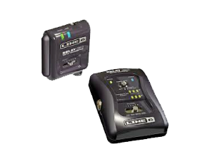 | 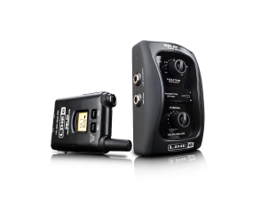 | 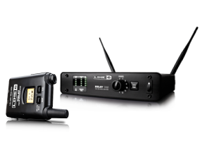 | 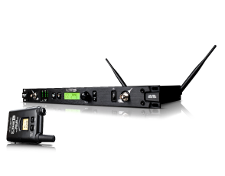
 | Relay G30 | Relay G50 | Relay G55 | Relay G90
Channels | 6 | 12 | 12 | 14
RF1/RF2 Compatibility | yes | yes | yes | yes
2.4GHz Frequency band | yes | yes | yes | yes
24 bit A/D conversion | yes | yes | yes | yes
128 times oversampling | yes | yes | yes | yes
Digital Channel Lock | yes | yes | yes | yes
Cable Tone | 0/15/30 feet | 0 - 100 feet | Cable tone 0 OR 25 feet | Cable tone 0 – 125 feet
Internal/External Antennas | internal antennas | external antennas | external antennas | external antennas
Antenna Inputs | no | 1 pair BNC | 1 pair BNC | 2 pairs BNC antenna inputs
Antenna Outputs | no | no | no | 1 pair BNC antenna output
Gain | no | no | Gain -18dB to +12 dB | Gain -18dB to +12dB
Dyanamic Range | 118 dB dynamic range | 120 dB | 117 dB dynamic range | 120 dB dynamic range
Frequency Response | 10Hz – 20kHz | 10Hz - 20kHz | 10Hz – 20kHz | 10Hz – 20kHz
RS Performance | no | no | no | yes
Channel Scan | no | no | no | yes
Range | 100 feet | 200 feet | 300 feet | 300 feet
Tuner Output | no | yes | no | Tuner/aux output
Main Output | ¼” main output | ¼” main output | XLR and ¼” main output | XLR and ¼” main output
Rack Mount | no | no | accessory | yes
LCD Display | no | transmitter LCD display | transmitter LCD display | on transmitter and receiver
Transmitter battery life | Approx. 8 hours (2x AA alkaline batteries) | Approx. 8 hours (2x AA alkaline batteries) | Approx. 8 hours (2x AA alkaline batteries) | Approx. 8 hours (2x AA alkaline batteries)
FCC Approval | Part 15 approved, no user license required | Part 15 approved, no user license required | Part 15 approved, no user license required | Part 15 approved, no user license required
Rack Size | N/A | N/A | ½ rack size | 1 RU full rack space
 | LINE 6 VOCAL WIRELESS SYSTEMS
 | 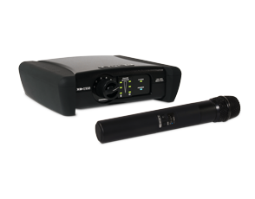 | 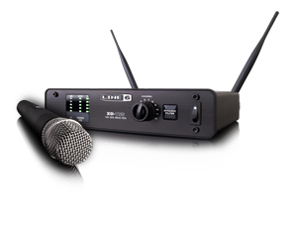 | 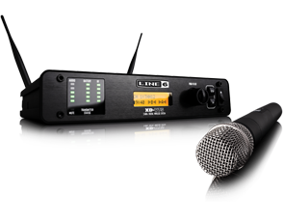
 | XD-V35 | XD-V55 | XD-V75
Channels | 6 | 12 | 14
RF1/RF2 Compatibility | yes | yes | yes
2.4GHz Frequency Band | yes | yes | yes
24 bit A/D Conversion | yes | yes | yes
128 Times Oversampling | yes | yes | yes
Digital Channel Lock | yes | yes | yes
Encryption Mode | no | no | yes
Internal/External Antennas | Internal antennas | external antennas | external antennas
Antenna Inputs | no | 1 pair BNC antenna inputs | 1 pair BNC antenna inputs
Antenna Outputs | no | no | 1 pair BNC antenna outputs
Gain | no | no | -18dB to +12dB
Dynamic Range | 118 dB dynamic range | 117dB dynamic range | 115 dB dynamic range
Frequency Response | 10Hz – 20kHz | 10 Hz – 20kHz | 10Hz – 20kHz
RF Performance | no | no | yes
Channel Scan | no | no | yes
Range | 275 feet | 300 feet | 300 feet
Dynamic Filter | no | yes | yes
Main Output | XLR and ¼” main output | XLR and ¼” main output | XLR and ¼” main output
Fack Mount | Not rack mountable | ½ RU – accessory | ½ RU – in box
LCD Display | no | transmitter LCD display | LCD display on transmitter and receiver
FCC Approval | Part 15 approved, no user license required | Part 15 approved, no user license required | Part 15 approved, no user license required
Transmitter battery life | Approx. 8 hours (2x AA alkaline batteries) | Approx. 8 hours (2x AA alkaline batteries) | Approx. 8 hours (2x AA alkaline batteries)
Mic Models | no | 4 mic models (handheld) | 10 mic models (handheld) | * on handheld systems only*
EQ Options | no | 3 EQ options (lavaliere) | 9 EQ options (lavaliere) | *on lav systems only*

