Sheet1
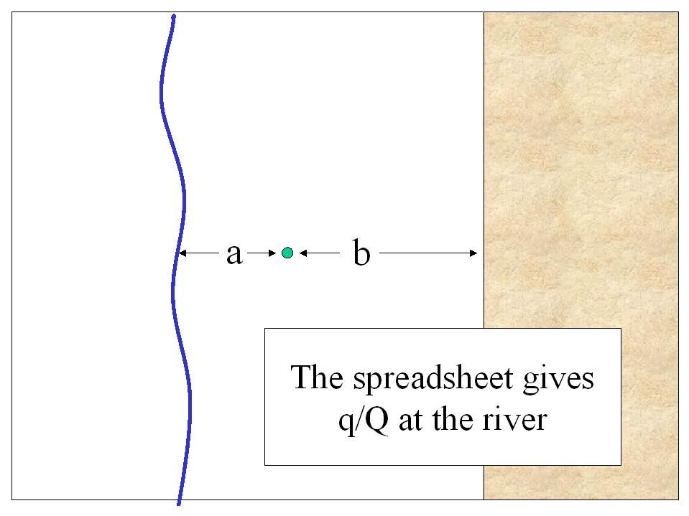
 | River_a
10 | 0
20 | 0
30 | 0
40 | 0
50 | 0
60 | 0
70 | 0
80 | 0
90 | 0
100 | 0
110 | 0
120 | 0
130 | 3.9664612023E-35
140 | 9.6899045668E-33
150 | 1.1398669963E-30
160 | 7.4037476693E-29
170 | 2.9483353334E-27
180 | 7.8090401457E-26
190 | 1.467034997E-24
200 | 2.0580233777E-23
210 | 2.247599674E-22
220 | 1.9772032669E-21
230 | 1.4410516344E-20
240 | 8.9083814205E-20
250 | 4.7640299367E-19
260 | 2.2410699798E-18
270 | 9.406273073E-18
280 | 3.565788247E-17
290 | 1.2337704612E-16
300 | 3.9319779833E-16
310 | 1.1634097641E-15
320 | 3.2182212771E-15
330 | 8.3735980484E-15
340 | 2.060445943E-14
350 | 4.8176591722E-14
360 | 1.0749282346E-13
370 | 2.2973929716E-13
380 | 4.7192675601E-13
390 | 9.3458288414E-13
400 | 1.7891779118E-12
410 | 3.3193611542E-12
420 | 5.9812443385E-12
430 | 1.0489269954E-11
440 | 1.7935618749E-11
450 | 2.9952597864E-11
460 | 4.8928958402E-11
470 | 7.8292559988E-11
480 | 1.2287316776E-10
490 | 1.8936037156E-10
500 | 2.8687259806E-10
...
a | 28200 | (to river) (ft)
b | 19000 | (no flow) (ft)
S | 0.1
T | 2000 | ft^2/day
4T/S | 80000

 | 5.3409090909
 | 3.5984848485

 |  | Pumping | 2-ps | 3-1s | 6-4s | 7-5s | 9-8s
a mult |  | 1 | 1 | 3 | 3 | 5 | 5 | 7 | 7 | 9 | 9 | 11 | 11 | 13 | 13 | 15 | 15 | 17 | 17 | 19 | 19 | 21
b mult |  | 0 | 2 | 2 | 4 | 4 | 6 | 6 | 8 | 8 | 10 | 10 | 12 | 12 | 14 | 14 | 16 | 16 | 18 | 18 | 20 | 20
 |  | 1 | 1 | -1 | -1 | 1 | 1 | -1 | -1 | 1 | 1 | -1 | -1 | 1 | 1 | -1 | -1 | 1 | 1 | -1 | -1 | 1
t (days) | River_a | 1 | 2 | 3 | 4 | 5 | 6 | 7 | 8 | 9 | 10 | 11 | 12 | 13 | 14 | 15 | 16 | 17 | 18 | 19 | 20 | 21
 |  | 0 | 0 | 0 | 0 | 0 | 0 | 0 | 0 | 0 | 0 | 0 | 0 | 0 | 0 | 0 | 0 | 0 | 0 | 0 | 0 | 0
 |  | 0 | 0 | 0 | 0 | 0 | 0 | 0 | 0 | 0 | 0 | 0 | 0 | 0 | 0 | 0 | 0 | 0 | 0 | 0 | 0 | 0
 |  | 0 | 0 | 0 | 0 | 0 | 0 | 0 | 0 | 0 | 0 | 0 | 0 | 0 | 0 | 0 | 0 | 0 | 0 | 0 | 0 | 0
 |  | 0 | 0 | 0 | 0 | 0 | 0 | 0 | 0 | 0 | 0 | 0 | 0 | 0 | 0 | 0 | 0 | 0 | 0 | 0 | 0 | 0
 |  | 0 | 0 | 0 | 0 | 0 | 0 | 0 | 0 | 0 | 0 | 0 | 0 | 0 | 0 | 0 | 0 | 0 | 0 | 0 | 0 | 0
...
830 | 9.8715730557E-07 | 9.8715730557E-07 | 1.4952840689E-30 | 0 | 0 | 0 | 0 | 0 | 0 | 0 | 0 | 0 | 0 | 0 | 0 | 0 | 0
840 | 1.1447868787E-06 | 1.1447868787E-06 | 3.3000505149E-30 | 0 | 0 | 0 | 0 | 0 | 0 | 0 | 0 | 0 | 0 | 0 | 0 | 0 | 0
850 | 1.3230477639E-06 | 1.3230477639E-06 | 7.1492035394E-30 | 0 | 0 | 0 | 0 | 0 | 0 | 0 | 0 | 0 | 0 | 0 | 0 | 0 | 0
860 | 1.5240195799E-06 | 1.5240195799E-06 | 1.5213030322E-29 | 0 | 0 | 0 | 0 | 0 | 0 | 0 | 0 | 0 | 0 | 0 | 0 | 0 | 0
870 | 1.7499228185E-06 | 1.7499228185E-06 | 3.1817254072E-29 | 0 | 0 | 0 | 0 | 0 | 0 | 0 | 0 | 0 | 0 | 0 | 0 | 0 | 0
880 | 2.0031225446E-06 | 2.0031225446E-06 | 6.5441657117E-29 | 0 | 0 | 0 | 0 | 0 | 0 | 0 | 0 | 0 | 0 | 0 | 0 | 0 | 0
890 | 2.2861318298E-06 | 2.2861318298E-06 | 1.3244475126E-28 | 0 | 0 | 0 | 0 | 0 | 0 | 0 | 0 | 0 | 0 | 0 | 0 | 0 | 0
900 | 2.6016149078E-06 | 2.6016149078E-06 | 2.6389884209E-28 | 0 | 0 | 0 | 0 | 0 | 0 | 0 | 0 | 0 | 0 | 0 | 0 | 0 | 0
910 | 2.9523900404E-06 | 2.9523900404E-06 | 5.1794736767E-28 | 0 | 0 | 0 | 0 | 0 | 0 | 0 | 0 | 0 | 0 | 0 | 0 | 0 | 0
920 | 3.3414320838E-06 | 3.3414320838E-06 | 1.0018267819E-27 | 0 | 0 | 0 | 0 | 0 | 0 | 0 | 0 | 0 | 0 | 0 | 0 | 0 | 0
 | River_a | #REF! | #REF!
10 | 0 | 1 | 1
20 | 0
30 | 0
40 | 0
50 | 0
60 | 0
70 | 0
80 | 0
90 | 0
100 | 0
110 | 0
120 | 0
130 | 3.9664612023E-35
140 | 9.6899045668E-33
150 | 1.1398669963E-30
160 | 7.4037476693E-29
170 | 2.9483353334E-27
180 | 7.8090401457E-26
190 | 1.467034997E-24
200 | 2.0580233777E-23
210 | 2.247599674E-22
220 | 1.9772032669E-21
230 | 1.4410516344E-20
240 | 8.9083814205E-20
250 | 4.7640299367E-19
260 | 2.2410699798E-18
270 | 9.406273073E-18
280 | 3.565788247E-17
290 | 1.2337704612E-16
300 | 3.9319779833E-16
310 | 1.1634097641E-15
320 | 3.2182212771E-15
330 | 8.3735980484E-15
340 | 2.060445943E-14
350 | 4.8176591722E-14
360 | 1.0749282346E-13
370 | 2.2973929716E-13
380 | 4.7192675601E-13
390 | 9.3458288414E-13
400 | 1.7891779118E-12
410 | 3.3193611542E-12
420 | 5.9812443385E-12
430 | 1.0489269954E-11
440 | 1.7935618749E-11
450 | 2.9952597864E-11
460 | 4.8928958402E-11
470 | 7.8292559988E-11
480 | 1.2287316776E-10
490 | 1.8936037156E-10
500 | 2.8687259806E-10
...
930 | 3.7718747499E-06 | 3.7718747499E-06 | 1.9105692386E-27 | 0 | 0 | 0 | 0 | 0 | 0 | 0 | 0 | 0 | 0 | 0 | 0 | 0 | 0
940 | 4.2470125548E-06 | 4.2470125548E-06 | 3.5941123481E-27 | 0 | 0 | 0 | 0 | 0 | 0 | 0 | 0 | 0 | 0 | 0 | 0 | 0 | 0
950 | 4.7703024513E-06 | 4.7703024513E-06 | 6.6721622447E-27 | 0 | 0 | 0 | 0 | 0 | 0 | 0 | 0 | 0 | 0 | 0 | 0 | 0 | 0
960 | 5.3453651424E-06 | 5.3453651424E-06 | 1.2228331048E-26 | 0 | 0 | 0 | 0 | 0 | 0 | 0 | 0 | 0 | 0 | 0 | 0 | 0 | 0
970 | 5.9759860743E-06 | 5.9759860743E-06 | 2.2134288891E-26 | 0 | 0 | 0 | 0 | 0 | 0 | 0 | 0 | 0 | 0 | 0 | 0 | 0 | 0
980 | 6.6661161106E-06 | 6.6661161106E-06 | 3.958465769E-26 | 0 | 0 | 0 | 0 | 0 | 0 | 0 | 0 | 0 | 0 | 0 | 0 | 0 | 0
990 | 7.4198718863E-06 | 7.4198718863E-06 | 6.9969636148E-26 | 0 | 0 | 0 | 0 | 0 | 0 | 0 | 0 | 0 | 0 | 0 | 0 | 0 | 0
1000 | 8.2415358488E-06 | 8.2415358488E-06 | 1.2228294062E-25 | 0 | 0 | 0 | 0 | 0 | 0 | 0 | 0 | 0 | 0 | 0 | 0 | 0 | 0

