Back Page
Buffalo National River is more than just a river. The 95,730 acre park contains open farmlands, oak-hickory forests, ponds and streams, abandoned homesites, tall bluffs and box canyons. These different areas provide varied habitats for the wildlife that lives here. Over fifty different species of mammals find a home at Buffalo National River.
Most mammals are secretive or nocturnal. The best time to view them is in the early morning or at dusk. Even though the mountain lion has been included in this checklist, its existence in the state remains questionable until confirmed by authorities. Reintroduction of the black bear has made this once rare mammal more common. Commonly seen mammals include the white-tailed deer, elk, squirrels, rabbits, opossums, raccoons, skunks, and armadillos.
Hunting is permitted in the park in accordance with state regulations. During the early fall through late spring, some form of hunting season is in progress. Use caution when hiking in the woods during this time.
Marsupials |  |  |  |  | Big Brown Bat | T
 |  |  |  |  | Eptesicus fuscus

 | Virginia Opossum | W |  |  | Red Bat | T
 | Didelphis virginiana |  |  |  | Lasiurus borealis

Shrews |  |  |  |  | Hoary Bat | T
 |  |  |  |  | Lasiurus cinereus

 | Southeastern Shrew | M, | S |  | Evening Bat | T
 | Sorex longirostris |  |  |  | Nycticeius humeralis

 | Southern Short-tailed Shrew | M |  |  | Ozark Big-eared Bat ** | C
 | Blarina carolinensis |  |  |  | Corynorhinus townsendii ingens

 | Least Shrew | O |  | Armadillos
 | Cryptotis parva
 |  |  |  |  | Nine-banded Armadillo | W, | O
 |  |  |  |  | Dasypus novemcinctus
Moles
 |  |  |  | Hares, Rabbits
 | Eastern Mole | O
 | Scalopus aquaticus |  |  |  | Eastern Cottontail | V
 |  |  |  |  | Sylvilagus floridanus

Bats |  |  |  |  | Swamp Rabbit | W, | S
 |  |  |  |  | Sylvilagus aquaticus
 | Little Brown Myotis | V
 | Myotis lucifugus |  |  |  | Black-tailed Jackrabbit | O
 |  |  |  |  | Lepus californicus
 | Gray Myotis ** | C
 | Myotis grisescens |  |  | Squirrels
Habitat Key
The following symbols have been used to indicate the type of habitat where mammals can be found.
W - Woodlands
O - Open areas / fields
M - Moist woods
S - Swampy areas / streams
T - Trees / old buildings
C - Caves, bluffs
G - Glades, dry areas
V - Variety of areas
** - Endangered
 | Northern Long-eared Bat | V |  |  | Eastern Chipmunk | W
 | Myotis septentrionalis |  |  |  | Tamias striatus

 | Indiana Myotis ** | C |  |  | Woodchuck | O
 | Myotis sodalis |  |  |  | Marmota monax

 | Small-footed Myotis | V |  |  | Gray Squirrel | W
 | Myotis leibii |  |  |  | Sciurus carolinensis

 | Silver-haired Bat | T |  |  | Fox Squirrel | W
 | Lasionycteris noctivagans |  |  |  | Sciurus niger

 | Eastern Pipistrelle | V |  |  | Southern Flying Squirrel | W
 | Pipistrellus subflavus |  |  |  | Glaucomys volans

Cover Page
Pocket Gophers |  |  | Carnivores |  |  |  | Mammals

 | Baird's Pocket Gopher | V |  | Coyote | O |  | Checklist
 | Geomys breviceps |  |  | Canis latrans

Beavers |  |  |  | Red Fox | O
 |  |  |  | Vulpes vulpes
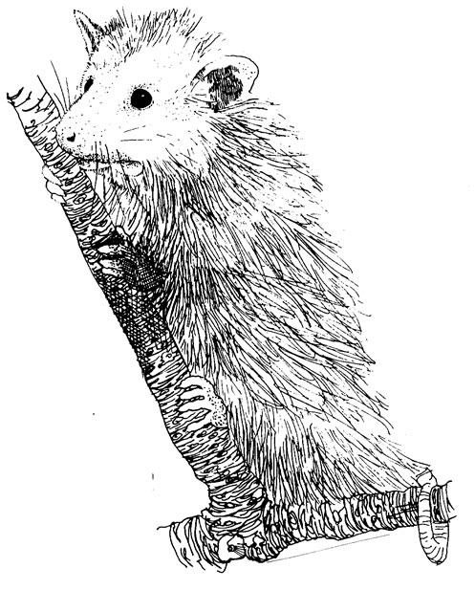
 | Beaver | S |  | Gray Fox | W
 | Castor canadensis |  |  | Urocyon cinereoargenteus

Rats, Mice and Voles |  |  |  | Black Bear | W
 |  |  |  | Ursus americanus

 | Fulvous Harvest Mouse | O |  | Raccoon | W, | S
 | Reithrodontomys fulvescens |  |  | Procyon lotor

 | Deer Mouse | O |  | Long-tailed Weasel | V
 | Peromyscus maniculatus |  |  | Mustela frenata

 | White-footed Mouse | W |  | Mink | S
 | Peromyscus leucopus |  |  | Mustela vison

 | Texas Mouse | G |  | Eastern Spotted Skunk | W, | O
 | Peromyscus attwateri |  |  | Spilogale putorius

 | Golden Mouse | W |  | Striped Skunk | O
 | Ochrotomys nuttalli |  |  | Mephitis mephitis

 | Hispid Cotton Rat | O |  | River Otter | S
 | Sigmodon hispidus |  |  | Lontra canadensis

 | Eastern Woodrat | C |  | Mountain Lion | V
 | Neotoma floridana |  |  | Puma concolor

 | Woodland Vole | V |  | Bobcat | V
 | Microtus pinetorum |  |  | Lynx rufus
 |  |  |  |  |  |  | Buffalo National River
 | Muskrat | S
 | Ondatra zibethicus |  | Rats, Mice and Voles

 | Norway Rat | V |  | White-tailed Deer | V
 | Rattus norvegicus |  |  | Odocoileus virginianus

 | House Mouse | V |  | Elk | V
 | Mus musculus |  |  | Cervus canadensis

