USAA Uncapped RLE
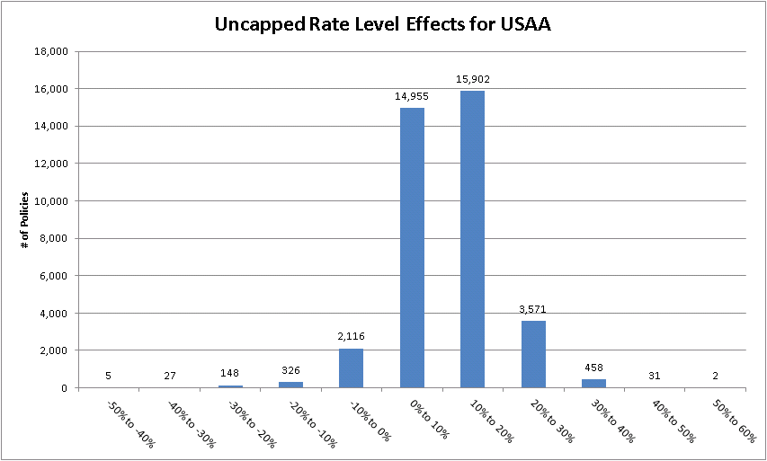
Owners Forms
USAA
Pennsylvania
Summary of Proposed Changes
Impact Distribution Graphs by Company

CIC Uncapped RLE
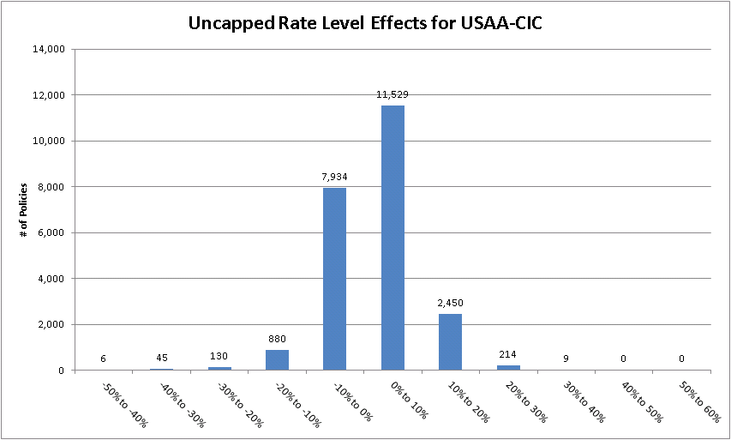
Owners Forms
USAA-CIC
Pennsylvania
Summary of Proposed Changes
Impact Distribution Graphs by Company

GIC Uncapped RLE
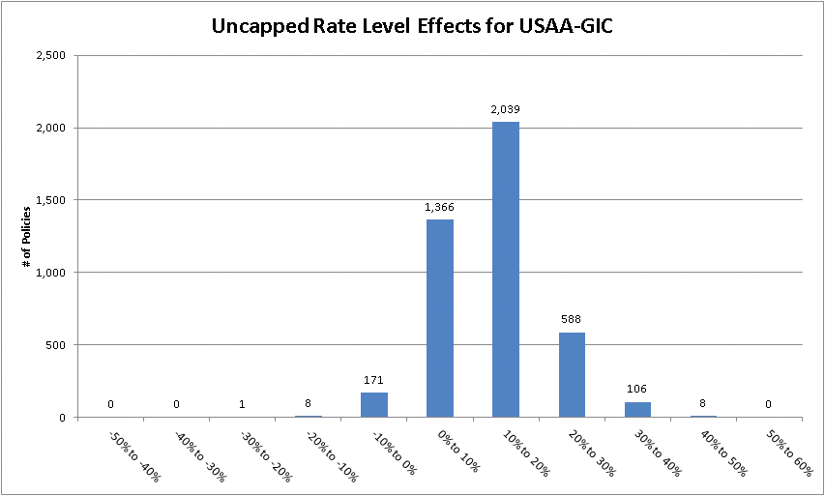
Owners Forms
USAA-GIC
Pennsylvania
Summary of Proposed Changes
Impact Distribution Graphs by Company

Garrison Uncapped RLE
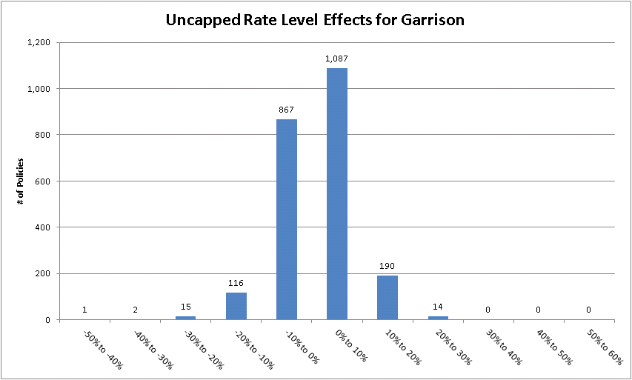
Owners Forms
Garrison
Pennsylvania
Summary of Proposed Changes
Impact Distribution Graphs by Company

USAA Capped RLE
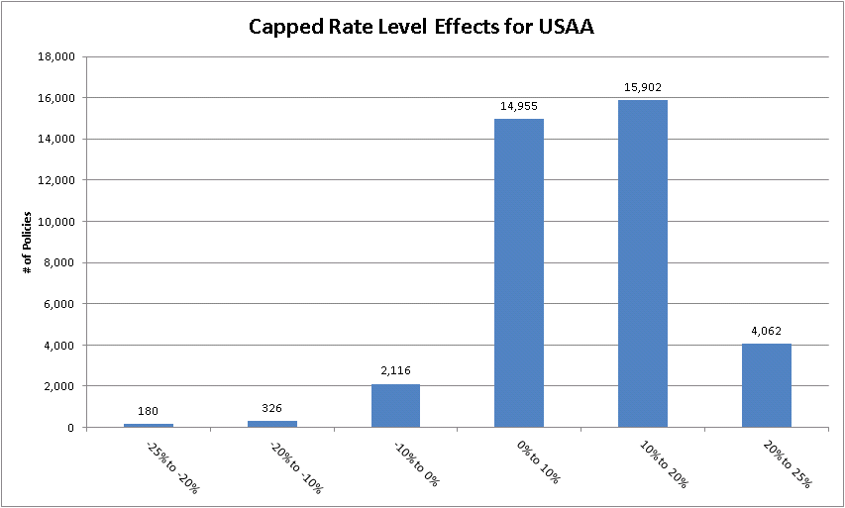
Owners Forms
USAA
Pennsylvania
Summary of Proposed Changes
Impact Distribution Graphs by Company

CIC Capped RLE
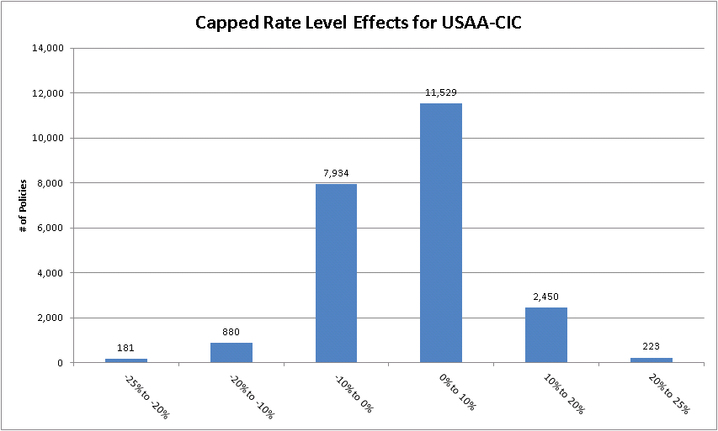
Owners Forms
USAA-CIC
Pennsylvania
Summary of Proposed Changes
Impact Distribution Graphs by Company

GIC Capped RLE
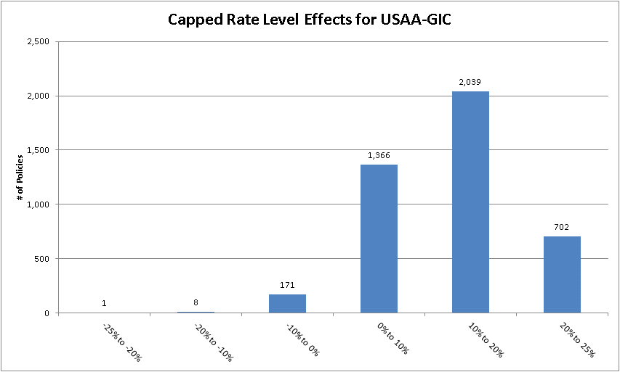
Owners Forms
USAA-GIC
Pennsylvania
Summary of Proposed Changes
Impact Distribution Graphs by Company

Garrison Capped RLE
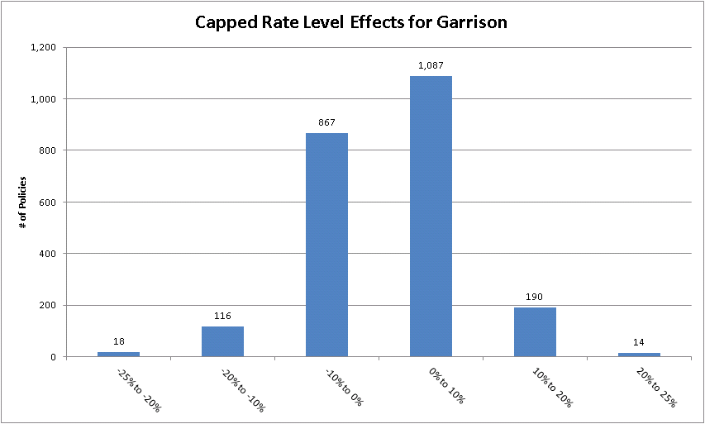
Owners Forms
Garrison
Pennsylvania
Summary of Proposed Changes
Impact Distribution Graphs by Company

USAA Uncapped $ Impact
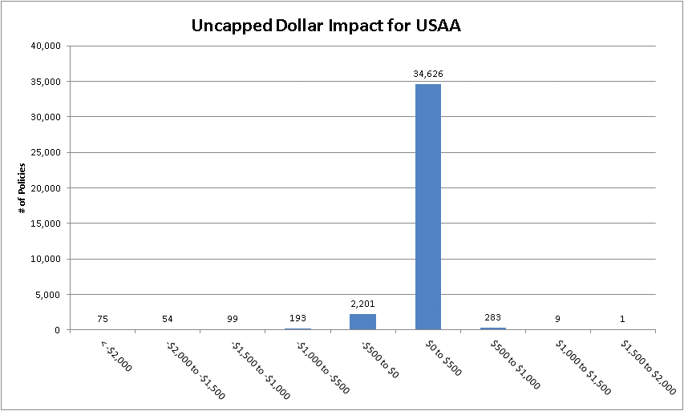
Owners Forms
USAA
Pennsylvania
Summary of Proposed Changes
Impact Distribution Graphs by Company

CIC Uncapped $ Impact
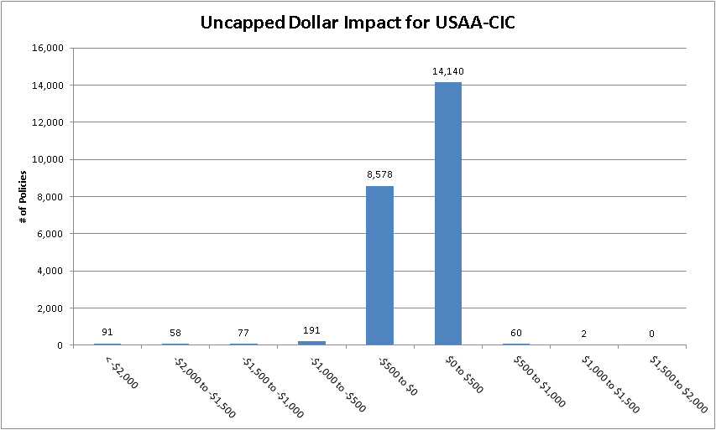
Owners Forms
USAA-CIC
Pennsylvania
Summary of Proposed Changes
Impact Distribution Graphs by Company

GIC Uncapped $ Impact
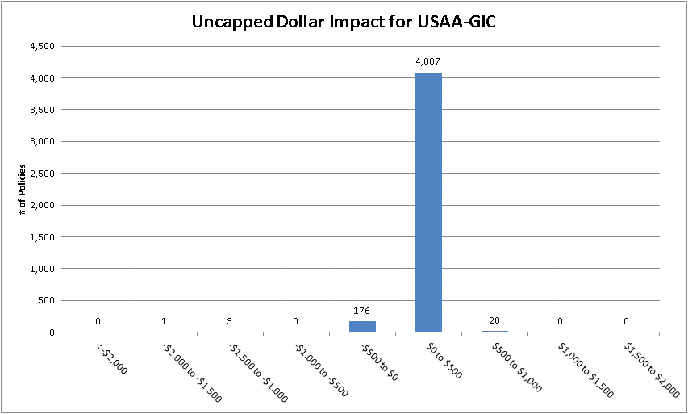
Owners Forms
USAA-GIC
Pennsylvania
Summary of Proposed Changes
Impact Distribution Graphs by Company

Garrison Uncapped $ Impact
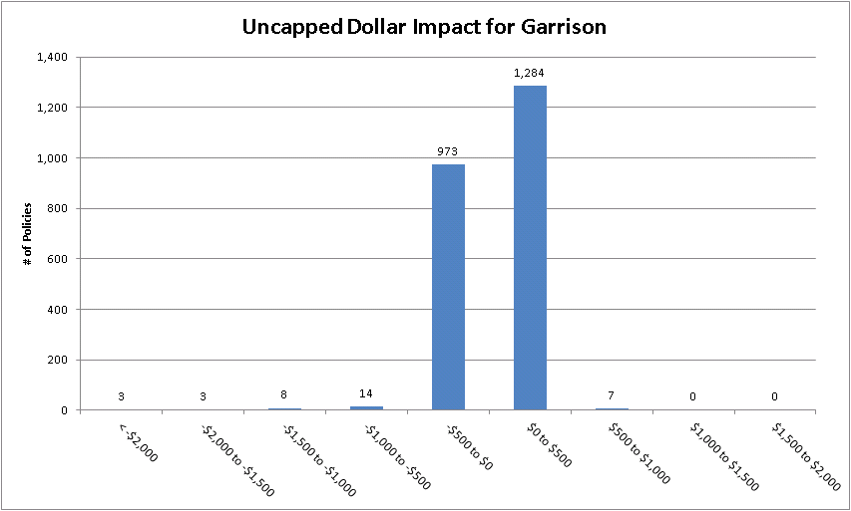
Owners Forms
Garrison
Pennsylvania
Summary of Proposed Changes
Impact Distribution Graphs by Company

USAA Capped $ Impact
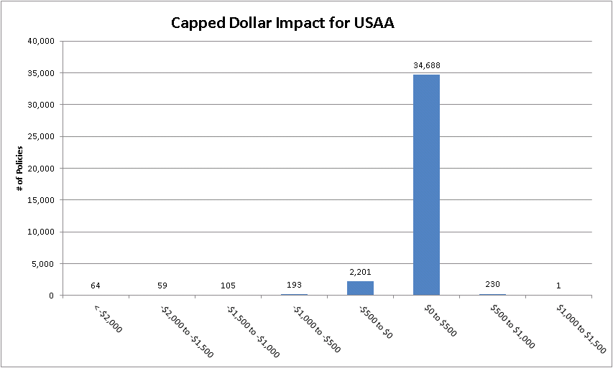
Owners Forms
USAA
Pennsylvania
Summary of Proposed Changes
Impact Distribution Graphs by Company

CIC Capped $ Impact
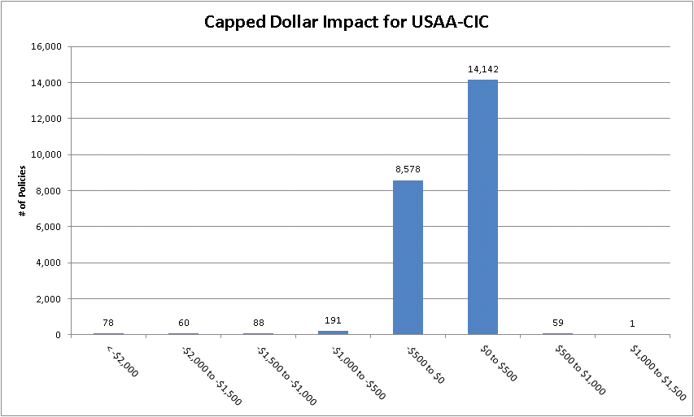
Owners Forms
USAA-CIC
Pennsylvania
Summary of Proposed Changes
Impact Distribution Graphs by Company

GIC Capped $ Impact
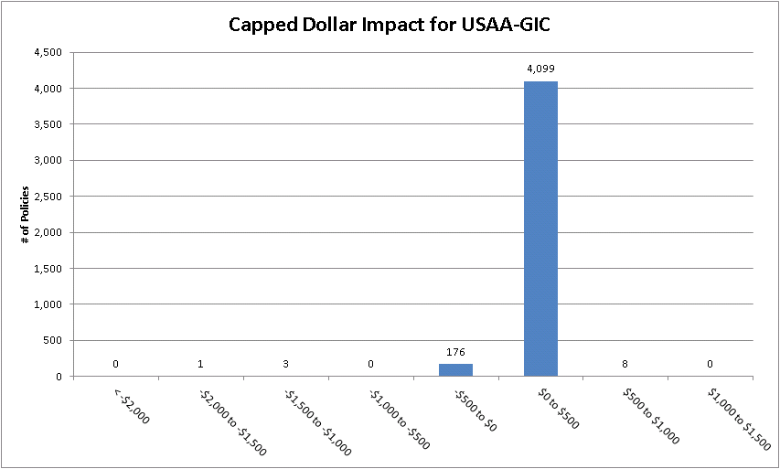
Owners Forms
USAA-GIC
Pennsylvania
Summary of Proposed Changes
Impact Distribution Graphs by Company

Garrison Capped $ Impact
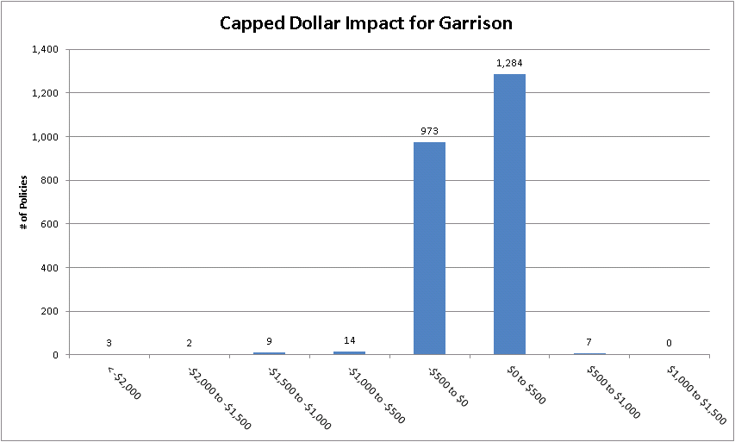
Owners Forms
Garrison
Pennsylvania
Summary of Proposed Changes
Impact Distribution Graphs by Company

