Sheet1
 |  |  |  |  |  | URGENT Requests Require Division AVP/VP Approval:_____________________________
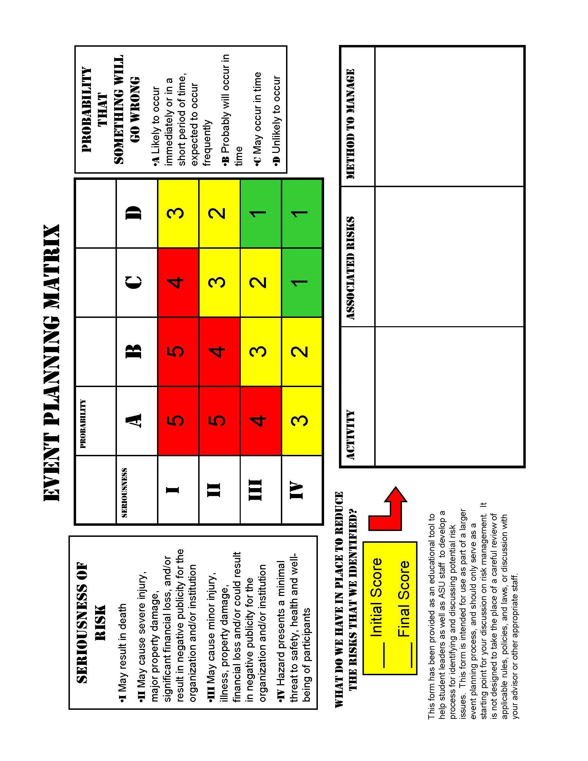
BLANKET
BLANKET
CHANGE ORDER
PO #
CHANGE ORDER
PO #
EVENT Requisition
 |  |  |  |  |  |  |  |  |  |  | Date Requested: |  | 2012-09-06
VENDOR |  | Name and Address:
 |  |  |  |  |  |  |  |  |  |  | Originator:

 |  |  |  |  |  |  |  |  |  |  | Department:

 |  |  |  |  |  |  |  |  |  |  | Phone:
 |  | Phone: |  |  | Fax:
 |  | E-Mail: |  |  |  |  |  |  |  |  | E-Mail:

 | Payment Terms:
 |  |  |  |  |  |  |  |  | CMA Project Contact:

 |  |  |  |  |  |  |  |  | Procurement Office Use Only
 | Risk Analysis: |  |  |  |  |  |  |  | Date Received:

 |  |  |  |  |  |  |  |  | Vendor #:
204 Form
 | Insurance Requirements:

 |  |  |  |  |  |  |  |  | PO #:

 |  | Event Name:
 |  | Event Date: |  |  |  |  | Start Time: |  |  |  |  | End Time:
 |  | Event Location: |  | On Campus |  |  |  |  | Off Campus / Address
 |  | Description of Event:

 |  | Alcohol Served |  |  |  |  | Approval Attached

 |  | List of other Items/Services for Event |  |  |  |  | Delivery Location |  |  |  |  |  | Cost Estimate

 |  |  |  |  |  |  |  |  |  | Fee: |  |  |  | $-

 |  |  |  |  |  |  |  |  |  | Split |  |  | Accounting Approval
 | Account |  | Fund |  | Dept ID |  |  | Class |  | % | $ Amount |  | Initials |  | Date
 |  |  |  |  |  |  |  |  |  | #DIV/0!
 |  |  |  |  |  |  |  |  |  | #DIV/0!
 |  |  |  |  |  |  |  |  |  | #DIV/0!

 | REQUIRED FOR ALL REQUISITIONS:

 |  | I certify that the goods & services requested are necessary for the operation of the department, that there are sufficient funds to cover the expense, and that I am authorized to approve such expenses.

X
X
 |  | Authorized Dept/Unit Head Signature |  |  |  |  |  |  | VP Approval (as needed)

