Sheet1
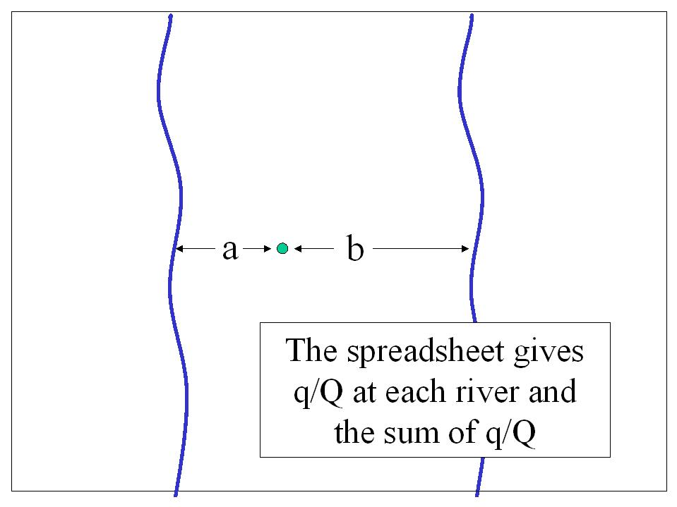
 | River_a | River_b | Sum
50 | 5.7330314376E-07 | 1.9731752901E-09 | 5.7527631905E-07
100 | 0.00040695201744 | 2.2090496999E-05 | 0.00042904251444
150 | 0.0038924171228 | 0.00053200550514 | 0.0044244226279
200 | 0.012419330652 | 0.0026997960633 | 0.015119126715
250 | 0.025347318677 | 0.0072903580907 | 0.032637676768
300 | 0.041226833333 | 0.014305878371 | 0.055532711704
350 | 0.058781721224 | 0.023342200541 | 0.082123921765
400 | 0.077099869893 | 0.033894838107 | 0.110994708
450 | 0.095580689985 | 0.04550016747 | 0.14108085746
500 | 0.11384622179 | 0.057779151084 | 0.17162537288
550 | 0.13166771958 | 0.070439023479 | 0.20210674306
600 | 0.14891375063 | 0.083260657047 | 0.23217440767
650 | 0.16551544102 | 0.096083232776 | 0.26159867379
700 | 0.18144367339 | 0.10879041728 | 0.29023409067
750 | 0.19669423509 | 0.12129916013 | 0.31799339522
800 | 0.2112781703 | 0.13355106006 | 0.34482923035
850 | 0.2252155266 | 0.14550588346 | 0.37072141006
900 | 0.23853131862 | 0.15713676625 | 0.39566808487
950 | 0.25125294351 | 0.16842668623 | 0.41967962974
1000 | 0.26340854899 | 0.17936587591 | 0.4427744249
1050 | 0.2750260263 | 0.18994992362 | 0.46497594992
1100 | 0.28613241196 | 0.20017837595 | 0.48631078791
1150 | 0.29675355535 | 0.2100537045 | 0.50680725985
1200 | 0.30691395719 | 0.21958053768 | 0.52649449487
1250 | 0.31663671597 | 0.228765086 | 0.54540180198
1300 | 0.32594354091 | 0.23761470904 | 0.56355824995
1350 | 0.33485480385 | 0.24613758707 | 0.58099239092
1400 | 0.3433896125 | 0.25434247036 | 0.59773208285
1450 | 0.35156589342 | 0.26223848655 | 0.61380437997
1500 | 0.35940047778 | 0.26983499203 | 0.62923546981
1550 | 0.36690918523 | 0.2771414567 | 0.64405064193
1600 | 0.37410690373 | 0.28416737445 | 0.65827427817
1650 | 0.38100766375 | 0.29092219357 | 0.67192985733
1700 | 0.38762470649 | 0.29741526279 | 0.68503996928
1750 | 0.3939705459 | 0.30365578949 | 0.69762633539
1800 | 0.40005702493 | 0.30965280774 | 0.70970983267
1850 | 0.40589536617 | 0.31541515408 | 0.72131052025
1900 | 0.41149621753 | 0.32095144948 | 0.73244766701
1950 | 0.41686969328 | 0.3262700864 | 0.74313977967
2000 | 0.42202541103 | 0.33137921981 | 0.75340463084
2050 | 0.42697252511 | 0.33628676154 | 0.76325928664
2100 | 0.43171975661 | 0.34100037722 | 0.77272013383
2150 | 0.43627542067 | 0.34552748541 | 0.78180290608
2200 | 0.44064745121 | 0.34987525838 | 0.7905227096
2250 | 0.44484342341 | 0.35405062432 | 0.79889404773
2300 | 0.44887057425 | 0.35806027062 | 0.80693084487
2350 | 0.45273582134 | 0.36191064799 | 0.81464646933
2400 | 0.45644578017 | 0.36560797533 | 0.8220537555
2450 | 0.46000678003 | 0.36915824503 | 0.82916502506
2500 | 0.46342487873 | 0.37256722869 | 0.83599210742
...
a | 10000 | ft
b | 12000 | ft
S | 0.1
T | 4000 | ft^2/day
4T/S | 160000

 |  |  |  | Pumping | 2-ps | 3-1s | 6-4s | 7-5s | 9-8s
a mult |  |  |  | 1 | 1 | 3 | 3 | 5 | 5 | 7 | 7 | 9 | 9 | 11 | 11 | 13 | 13 | 15 | 15 | 17 | 17
b mult |  |  |  | 0 | 2 | 2 | 4 | 4 | 6 | 6 | 8 | 8 | 10 | 10 | 12 | 12 | 14 | 14 | 16 | 16 | 18
 |  |  |  | 1 | -1 | 1 | -1 | 1 | -1 | 1 | -1 | 1 | -1 | 1 | -1 | 1 | -1 | 1 | -1 | 1 | -1
t (days) | River_a | River_b | Sum | 1 | 2 | 3 | 4 | 5 | 6 | 7 | 8 | 9 | 10 | 11 | 12 | 13 | 14 | 15 | 16 | 17 | 18
 | 5.7330314376E-07 | 1.9731752901E-09 | 5.7527631905E-07 | 5.7330314376E-07 | 0 | 0 | 0 | 0 | 0 | 0 | 0 | 0 | 0 | 0 | 0 | 0 | 0 | 0 | 0 | 0 | 0
 | 0.00040695201744 | 2.2090496999E-05 | 0.00042904251444 | 0.00040695201744 | -2.7623240713E-33 | 0 | 0 | 0 | 0 | 0 | 0 | 0 | 0 | 0 | 0 | 0 | 0 | 0 | 0 | 0 | 0
 | 0.0038924171228 | 0.00053200550514 | 0.0044244226279 | 0.0038924171228 | -9.7081703091E-23 | 0 | 0 | 0 | 0 | 0 | 0 | 0 | 0 | 0 | 0 | 0 | 0 | 0 | 0 | 0 | 0
 | 0.012419330652 | 0.0026997960633 | 0.015119126715 | 0.012419330652 | -1.8959069644E-17 | 0 | 0 | 0 | 0 | 0 | 0 | 0 | 0 | 0 | 0 | 0 | 0 | 0 | 0 | 0 | 0
 | 0.025347318677 | 0.0072903580907 | 0.032637676768 | 0.025347318677 | -2.9016972126E-14 | 1.4357019668E-33 | 0 | 0 | 0 | 0 | 0 | 0 | 0 | 0 | 0 | 0 | 0 | 0 | 0 | 0 | 0
...
4550 | 0.53005024969 | 0.43914122283 | 0.96919147253 | 0.60017948714 | -0.074735498306 | 0.0046494338198 | -4.3452561535E-05 | 2.7975991718E-07 | -1.6103402229E-10 | 9.8556594202E-14 | -3.2965677407E-18 | 1.8620440913E-22 | -3.5361811536E-28 | 1.8192290349E-33 | 0 | 0 | 0 | 0 | 0
4600 | 0.53066585563 | 0.43975681913 | 0.97042267477 | 0.60216752775 | -0.076332740376 | 0.004878564475 | -4.7820562362E-05 | 3.2454921933E-07 | -2.0216181609E-10 | 1.3388431498E-13 | -5.001015452E-18 | 3.1379593266E-22 | -6.8679768512E-28 | 4.0294882384E-33 | 0 | 0 | 0 | 0 | 0
4650 | 0.53125685956 | 0.44034781487 | 0.97160467443 | 0.60412630733 | -0.077931210613 | 0.0051139096615 | -5.2521896443E-05 | 3.7532800418E-07 | -2.5256870289E-10 | 1.8069090625E-13 | -7.5194511414E-18 | 5.2294340028E-22 | -1.3150668924E-27 | 8.7742491778E-33 | 0 | 0 | 0 | 0 | 0
4700 | 0.53182424472 | 0.44091519307 | 0.97273943779 | 0.60605653399 | -0.079530606227 | 0.0053554577118 | -5.7573173124E-05 | 4.3273296731E-07 | -3.1406941134E-10 | 2.4232362704E-13 | -1.1209055677E-17 | 8.6211778926E-22 | -2.4836385058E-27 | 1.8793322691E-32 | 0 | 0 | 0 | 0 | 0
4750 | 0.53236895507 | 0.44145989751 | 0.97382885258 | 0.60795889217 | -0.081130636489 | 0.0056031935999 | -6.2991281743E-05 | 4.9744959511E-07 | -3.8877777786E-10 | 3.2299409822E-13 | -1.6570089525E-17 | 1.4064719893E-21 | -4.6284862324E-27 | 3.9614735659E-32 | 0 | 0 | 0 | 0 | 0
4800 | 0.53289189681 | 0.44198283423 | 0.97487473104 | 0.60983404367 | -0.082731022315 | 0.0058570990853 | -6.8793373194E-05 | 5.7021418487E-07 | -4.7914640484E-10 | 4.2797230728E-13 | -2.4297786997E-17 | 2.2713809745E-21 | -8.5149147216E-27 | 8.2221647198E-32 | 0 | 0 | 0 | 0 | 0
4850 | 0.53339393993 | 0.44248487309 | 0.97587881302 | 0.61168262857 | -0.084331495878 | 0.0061171528557 | -7.4996841233E-05 | 6.5181583125E-07 | -5.8801017526E-10 | 5.6381741334E-13 | -3.5351110285E-17 | 3.6322798885E-21 | -1.5469832147E-26 | 1.6811230771E-31 | 0 | 0 | 0 | 0 | 0
4900 | 0.53387591965 | 0.44296684919 | 0.97684276884 | 0.61350526613 | -0.08593180022 | 0.0063833306674 | -8.1619303597E-05 | 7.4309837234E-07 | -7.1863383253E-10 | 7.3865098011E-13 | -5.1043198703E-17 | 5.7534655689E-21 | -2.776649386E-26 | 3.3876302851E-31 | 0 | 0 | 0 | 0 | 0
4950 | 0.5343386378 | 0.44342956426 | 0.97776820206 | 0.61530255569 | -0.087531688877 | 0.0066556054829 | -8.8678582996E-05 | 8.4496228931E-07 | -8.7476383052E-10 | 9.6247889394E-13 | -7.3159547146E-17 | 9.0295439945E-21 | -4.9254520125E-26 | 6.7308025839E-31 | 0 | 0 | 0 | 0 | 0
5000 | 0.53478286416 | 0.443873788 | 0.97865665216 | 0.61707507745 | -0.089130925517 | 0.0069339476061 | -9.6192688035E-05 | 9.5836655318E-07 | -1.0606846526E-09 | 1.2475688927E-12 | -1.041113949E-16 | 1.4044568481E-20 | -8.6380126356E-26 | 1.3191542892E-30 | -5.9129707297E-37 | 0 | 0 | 0 | 0
 | River_a | #REF! | #REF!
50 | 5.7330314376E-07 | 1 | 1
100 | 0.00040695201744
150 | 0.0038924171228
200 | 0.012419330652
250 | 0.025347318677
300 | 0.041226833333
350 | 0.058781721224
400 | 0.077099869893
450 | 0.095580689985
500 | 0.11384622179
550 | 0.13166771958
600 | 0.14891375063
650 | 0.16551544102
700 | 0.18144367339
750 | 0.19669423509
800 | 0.2112781703
850 | 0.2252155266
900 | 0.23853131862
950 | 0.25125294351
1000 | 0.26340854899
1050 | 0.2750260263
1100 | 0.28613241196
1150 | 0.29675355535
1200 | 0.30691395719
1250 | 0.31663671597
1300 | 0.32594354091
1350 | 0.33485480385
1400 | 0.3433896125
1450 | 0.35156589342
1500 | 0.35940047778
1550 | 0.36690918523
1600 | 0.37410690373
1650 | 0.38100766375
1700 | 0.38762470649
1750 | 0.3939705459
1800 | 0.40005702493
1850 | 0.40589536617
1900 | 0.41149621753
1950 | 0.41686969328
2000 | 0.42202541103
2050 | 0.42697252511
2100 | 0.43171975661
2150 | 0.43627542067
2200 | 0.44064745121
2250 | 0.44484342341
2300 | 0.44887057425
2350 | 0.45273582134
2400 | 0.45644578017
2450 | 0.46000678003
2500 | 0.46342487873
...

a | 12000
b | 10000

 |  |  |  | Pumping | 2-ps | 3-1s | 6-4s | 7-5s | 9-8s
...

