Sheet1
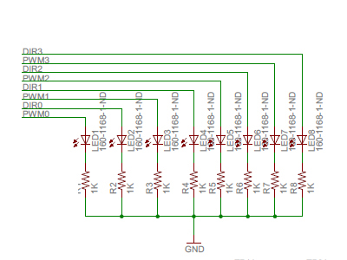
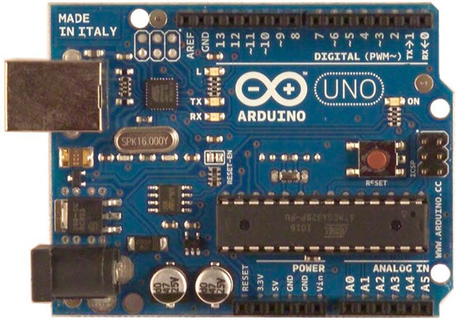
 | FLOW CHART FOR SEAMATE/ARDUINO MOTOR CONTROL
 | BASIC S NEED TO PROGRAM MOTORS
 | THE DOCUMENTATION FOR THE SEAMATE IS POOR AT BEST.

ARDUINO |  | SEAMATE SHIELD |  |  | MOTOR CONTROL BOARD
DIGITAL |  | PIN LAYOUT |  | LED
PIN | Type | PIN | TYPE |  | MOTOR
0 | RX | 100
1 | TX | 102
2 |  | 102 | DIR0 | LED2 | MOTOR 03
-3 | PWM | 103 | PWM0 | LED1
4 |  | 104 | DIR1 | LED4 | MOTOR 02
-5 | PWM | 105 | PWM1 | LED3
-6 | PWM | 106 | PWM2 | LED5 | MOTOR 01
7 |  | 107 | DIR2 | LED6
8 |  | 108 | DIR3 | LED8 | MOTOR 00
-9 | PWM | 109 | PWM3 | LED7
-10 | PWM | SS
-11 | PWM | MSI
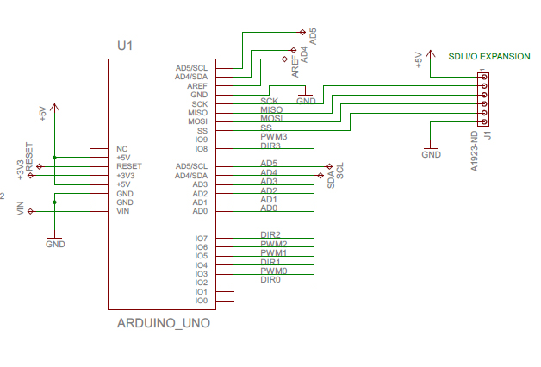
12 |  | MSO
13 |  | SCK
GND |  | GRD
AREF

