Cover
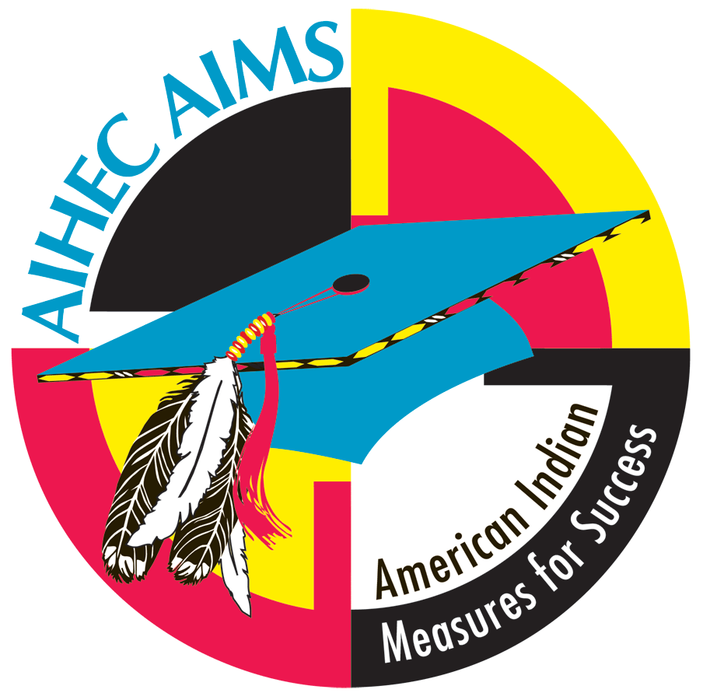

American Indian Measures for Success (AIMS)
AIMS Key Indicator System
Part A: Quantitative Indicators (AKIS-2012A)

MASTER SPREADSHEET

Oglala Lakota College

July 2012

Introduction
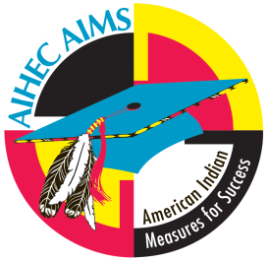
American Indian Higher Education Consortium
American Indian Measures for Success (AIHEC-AIMS)

AIMS Key Indicator System 2012 (AKIS 2012)

The AIHEC American Indian Measures for Success (AIHEC-AIMS) project has two goals: 1) to define relevant quantitative and qualitative indicator data of American Indian student success, as determined by the tribal colleges, and 2) to develop and implement a strategy for collecting, analyzing, and presenting annually the success indicator data using electronic information management tools. Through data collection and analysis, this project provides the foundation for systemic reform that significantly increases - and for the first time, accurately measures - American Indian success in higher education.
At the spring 2004 meeting, the AIHEC Board of Directors passed the following resolution in support of the AIHEC-AIMS project:
“The AIHEC Board of Directors should take an active role in the development of a definition of Tribal College and University student success and should support the AIHEC-Lumina initiative. Further, each Tribal College should participate, to the maximum extent possible, in all activities associated with the initiative.”
AKIS was developed under the guidance of the AIMS Advisory Panel and Tribal College and University presidents and registrars. AIHEC would like to express its appreciation for the time and effort given during the development of the instruments.
AKIS 2012 consists of two parts:
Part A: Quantitative Indicators (Microsoft Excel®)
Part B: Qualitative Indicators (Microsoft Word®)
Thank you in advance for your participation in the AIHEC-AIMS project! Please complete AKIS 2012 by December 14, 2012.
If you have any questions regarding AKIS 2012, please contact Katherine Page by email at kpage@aihec.org or by phone at (703) 838-0400 x105.

INSTRUCTIONS
American Indian Higher Education Consortium
American Indian Measures for Success (AIMS)

AIMS-Key Indicator System 2012 (AKIS-2012)

INSTRUCTIONS
Please enter information in white cells only.
Do not change anything in the colored cells.
Sheets may be copied and distributed to appropriate staff. If you copy and distribute sections, be aware that formulas may be affected.
One person should be responsible for transferring information from distributed spreadsheets to the master spreadsheet, if applicable. Copy only information from uncolored boxes, and paste only into uncolored boxes. Check the data to be sure they make sense.
There should be information in every uncolored box. Do not leave any blanks.
Zero is an important value! 0 = zero; actual value is zero
Only three abbreviations should be used when a number cannot be entered:
m = missing; not available; lost; unable to calculate
NA = not applicable; does not apply
NO = not offered
If a response is "NA" or "missing," explain why in the Notes section, located at the bottom of each page. Include any other additional information in the Notes section.
Please complete AKIS 2012 by December 14, 2012 and send it to AIHEC via e-mail to kpage@aihec.org or via U.S. mail on a CD along with your photos, photo description sheet, and AKIS 2012 Part B.
Katherine Page
AIHEC
121 Oronoco St.
Alexandria, VA 22314
For questions, concerns, and other assistance, please contact Katherine Page at kpage@aihec.org or (703) 838-0400 x105.
NO EXTENSIONS ON DEADLINE
If the data are incomplete when submitted, the report will be rejected and considered LATE.

