Info
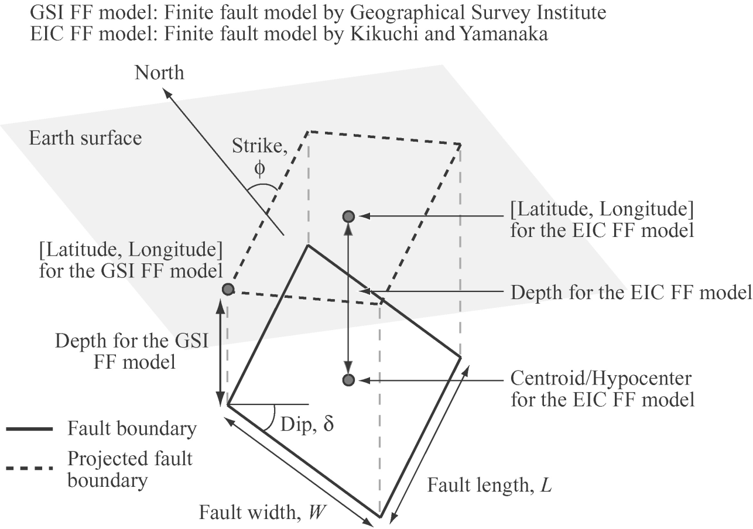
SGMD_1996_2008: Strong Ground Motion Database (1996-2008) of K-NET
Column B (EVENT ID): Date and origin time of the earthquake
Columns C to H: Date (Year, Month, Day), and Time (Hour, Minute, and Second) of earthquake
Columns I to J (Lat and Lon): Latitude and longitude of epicenter
Columns K to L (Hyp. Depth and CMT depth): Focal depths from K-NET and Harvard catalogue
Columns M to N (MJ and M): JMA magnitude and moment magnitude, respectively
Column O (# of records): Number of stations where recorded an earthquake
Column P (Rep. Mag): Reported magnitude for an earthquake based on local networks
Column Q (EQ type): 1 = crustal, 2 = inter-slab (interface), 3 = intra-slab events, and 0 = for off-shore events
Columns R and S (FM type): earthquake focal mechanism based on F-NET and Harvard CMT catalogue
P-axis plunge T-axis plunge Fault Type
pl > 40° pl <= 40° Normal (1)
pl <= 40° pl > 40° Reverse (2)
pl <= 40° pl <= 40° Strike-slip (3)
pl > 40° pl > 40° undefined (4)
Columns T to Y (Strike, Dip, and Rake): Focal mechanism components for the fault plane and the auxiliary plane from F-NET CMT solutions.
Columns Z to AE (mxx, mxy, mxz, myy, myz, mzz): 6 independent components of the moment tensor
Column AF (Unit, NM): moment unit
Finite Fault Model (K-NET): Finite-Fault Models for 48 earthquakes
Black color is based on the EIC notes by Kikuchi and Yamanaka; Red color is based on the reports by Geographical Survey Institute (GSI).
It is noted that for those based on the GSI’s reports, “latitude”, “longitude”, and “depth” correspond to a corner of the fault plane, whereas for those based on the EIC notes, “latitude”, “longitude”, and “depth” correspond to the center of the fault plane

Finite Fault Model (K-NET)
Black color is based on the EIC notes by Kikuchi and Yamanaka;
Red color is based on the reports by Geographical Survey Institute (GSI).
It is noted again that for those based on the GSI’s reports, “latitude”, “longitude”, and “depth” correspond to a corner of the fault plane, whereas for those based on the EIC notes, “latitude”, “longitude”, and “depth” correspond to the center of the fault plane.
 | Event name | Event type | Latitude (°) | Longitude (°) | Depth (km) | ϕ (°) | δ (°) | L (km) | W (km) | M | No. Sites
19960911113700 | Choushi | Intraplate | 35.64 | 141.20 | 53 | 132 | 63 | 10 | 5 | 6.1 | 166
19961018195000 | Tanega-shima | Interplate | 30.59 | 131.18 | 36 | 238 | 12 | 30 | 15 | 6.6 | 42
19961019234400 | Hyuga Nada | Interplate | 31.80 | 132.00 | 39 | 230 | 20 | 30 | 15 | 6.7 | 154
19961120112700 | Bousou Hantou | Intraplate | 34.35 | 141.28 | 54 | 312 | 81 | 20 | 10 | 6.1 | 76
19961203071800 | Hyuga Nada | Interplate | 31.79 | 131.63 | 35 | 196 | 12 | 25 | 13 | 6.7 | 121
19970326173100 | Kagoshima Satsuma | Crustal | 31.99 | 130.37 | 8 | 273 | 88 | 15 | 7.5 | 6.1 | 122
19970513143800 | Kagoshima Satsuma | Crustal | 31.95 | 130.30 | 8 | 98 | 88 | 10 | 5 | 6.0 | 109
19980504083000 | Ishigaki-jima | Intraplate | 22.42 | 125.42 | 33 | 321 | 79 | 40 | 20 | 7.4 | 3
19981216091800 | Hyuga Nada | Interplate | 31.29 | 131.60 | 32 | 185 | 22 | 15 | 7.5 | 6.1 | 47
19990124093700 | Tanega-shima | Intraplate | 30.59 | 131.25 | 49 | 202 | 76 | 15 | 7.5 | 6.5 | 106
20000128232100 | Nemuro Hantou | Intraplate | 42.98 | 146.71 | 56 | 202 | 27 | 20 | 10 | 6.7 | 160
20000603175400 | Chiba-ken Hokutou | Interplate | 35.68 | 140.72 | 48 | 182 | 16 | 15 | 7.5 | 6.1 | 173
20000701160200 | Kouzu-shima | ?Intraplate | 34.21 | 139.22 | 15 | 86 | 76 | 15 | 7.5 | 6.2 | 84
20000715103000 | Nii-jima Kinkai | ?Intraplate | 34.43 | 139.25 | 5 | 277 | 86 | 10 | 5 | 6.0 | 139
20000721033900 | Ibaraki-ken | Interplate | 36.53 | 141.09 | 49 | 229 | 34 | 10 | 5 | 6.0 | 367
20000730212500 | Miyake-jima | ?Intraplate | 33.97 | 139.40 | 18 | 198 | 83 | 15 | 7.5 | 6.4 | 175
20001006133000 | Tottori-ken Seibu | Crustal | 35.35 | 133.30 | 1 | 152 | 86 | 20 | 10 | 6.6 | 523
20010324152800 | Geiyo | Intraplate | 34.10 | 132.70 | 38.1 | 156 | 52 | 20 | 10 | 6.8 | 560
20011202220200 | Iwate-ken Nairiku | Intraplate | 39.40 | 141.26 | 122 | 181 | 88 | 10 | 10 | 6.5 | 573
20011218130200 | Yonaguni | ?Crustal | 23.89 | 122.81 | 12 | 222 | 54 | 25 | 10 | 6.8 | 3
20021103123700 | Miyagi-ken | Interplate | 38.90 | 142.14 | 46 | 200 | 18 | 20 | 10 | 6.4 | 382
20030526182400 | Miyagi-ken | Intraplate | 38.94 | 141.81 | 52 | 192 | 68 | 17 | 19 | 7.0 | 794
20030726071300 | Miyagi-ken Hokubu | Crustal | 38.41 | 141.17 | 3.7 | 11 | 40 | 13.6 | 5.1 | 6.1 | 392
20030926060800 | Tokachi-oki | Interplate | 42.12 | 144.55 | 19.7 | 231 | 22 | 85.7 | 83 | 7.9 | 657
20030926045000 | Tokachi-oki | Interplate | 41.80 | 144.03 | 19.7 | 231 | 22 | 30 | 30 | 7.3 | 553
20031031100600 | Fukushima-ken | Interplate | 37.83 | 142.69 | 33 | 204 | 14 | 60 | 70 | 6.7 | 424
20040530055600 | Kanto Touhou | ?Interplate | 34.11 | 141.86 | 23 | 279 | 18 | 25 | 25 | 6.2 | 11
20040905190700 | Kii Hantou Nansei | ?Intraplate | 33.03 | 136.80 | 38 | 71 | 56 | 50 | 30 | 7.2 | 751
20040905235700 | Kii Hantou Nansei | ?Intraplate | 33.15 | 137.14 | 44 | 135 | 40 | 60 | 30 | 7.5 | 791
20040907082900 | Kii Hantou Nansei | ?Intraplate | 33.36 | 137.29 | 41 | 266 | 50 | 35 | 20 | 6.5 | 557
20041023175600 | Mid-Niigata-ken | Crustal | 37.40 | 138.96 | 2.8 | 210 | 53 | 20.6 | 10.2 | 6.6 | 613
20041023183400 | Mid-Niigata-ken | Crustal | 37.40 | 138.96 | 2.8 | 210 | 53 | 10.3 | 10.2 | 6.3 | 562
20041129033200 | Hokkaido Kushiro | Interplate | 42.97 | 145.44 | 37.4 | 212 | 28 | 23 | 23.6 | 7.0 | 433
20041206231500 | Hokkaido Nemuro | Interplate | 42.78 | 145.44 | 33.8 | 212 | 28 | 14.6 | 22.5 | 6.7 | 404
20050320105300 | Fukuoka Seihou | Crustal | 33.68 | 130.30 | 0 | 301 | 85 | 23.9 | 16.3 | 6.6 | 564
20050816114600 | Miyagi-ken | Interplate | 38.13 | 142.55 | 40.3 | 211 | 21 | 31.8 | 32.6 | 7.1 | 847
20051019204400 | Ibaraki | ?Interplate | 36.38 | 141.04 | 48 | 21 | 70 | 20 | 15 | 6.3 | 438
20051115063900 | Sanriku | ?Interplate | 38.03 | 144.89 | 15 | 212 | 35 | 40 | 30 | 7.0 | 659
20061115201500 | Chishima Rettou | Interplate | 46.70 | 154.05 | 30 | 220 | 25 | 200 | 60 | 7.8 | 68
20070113132400 | Chishima Rettou | Intraplate | 46.94 | 155.05 | 30 | 220 | 37 | 120 | 30 | 8.0 | 448
20070325094200 | Noto Hantou | Crustal | 37.19 | 136.55 | 1.2 | 55 | 63 | 21.2 | 13.9 | 6.7 | 720
20070716101300 | Niigata-ken Chuetsu | Crustal | 37.41 | 138.36 | 2 | 40 | 40 | 27 | 14 | 6.6 | 695
20080508010200 | Ibaraki-ken-oki 1 | Interplate | 36.23 | 141.95 | 26 | 207 | 16 | 20 | 20 | 6.2 | 444
20080508011600 | Ibaraki-ken-oki 2 | Interplate | 36.27 | 141.98 | 22.7 | 207 | 16 | 20 | 20 | 6.1 | 276
20080508014500 | Ibaraki-ken-oki 3 | Interplate | 36.23 | 141.61 | 35 | 205 | 17 | 25 | 25 | 6.8 | 724
20080614084300 | Iwate-Miyagi Nairiku | Crustal | 39.05 | 140.93 | 0.4 | 198 | 31 | 20 | 12 | 6.9 | 655
20080719113900 | Fukushima-oki | Interplate | 37.50 | 142.50 | 10 | 234 | 20 | 30 | 30 | 6.9 | 581
20080724002600 | Iwate-ken Chubu | Intraplate | 39.70 | 141.70 | 120 | 176 | 75 | 25 | 25 | 6.8 | 837

