Sheet1
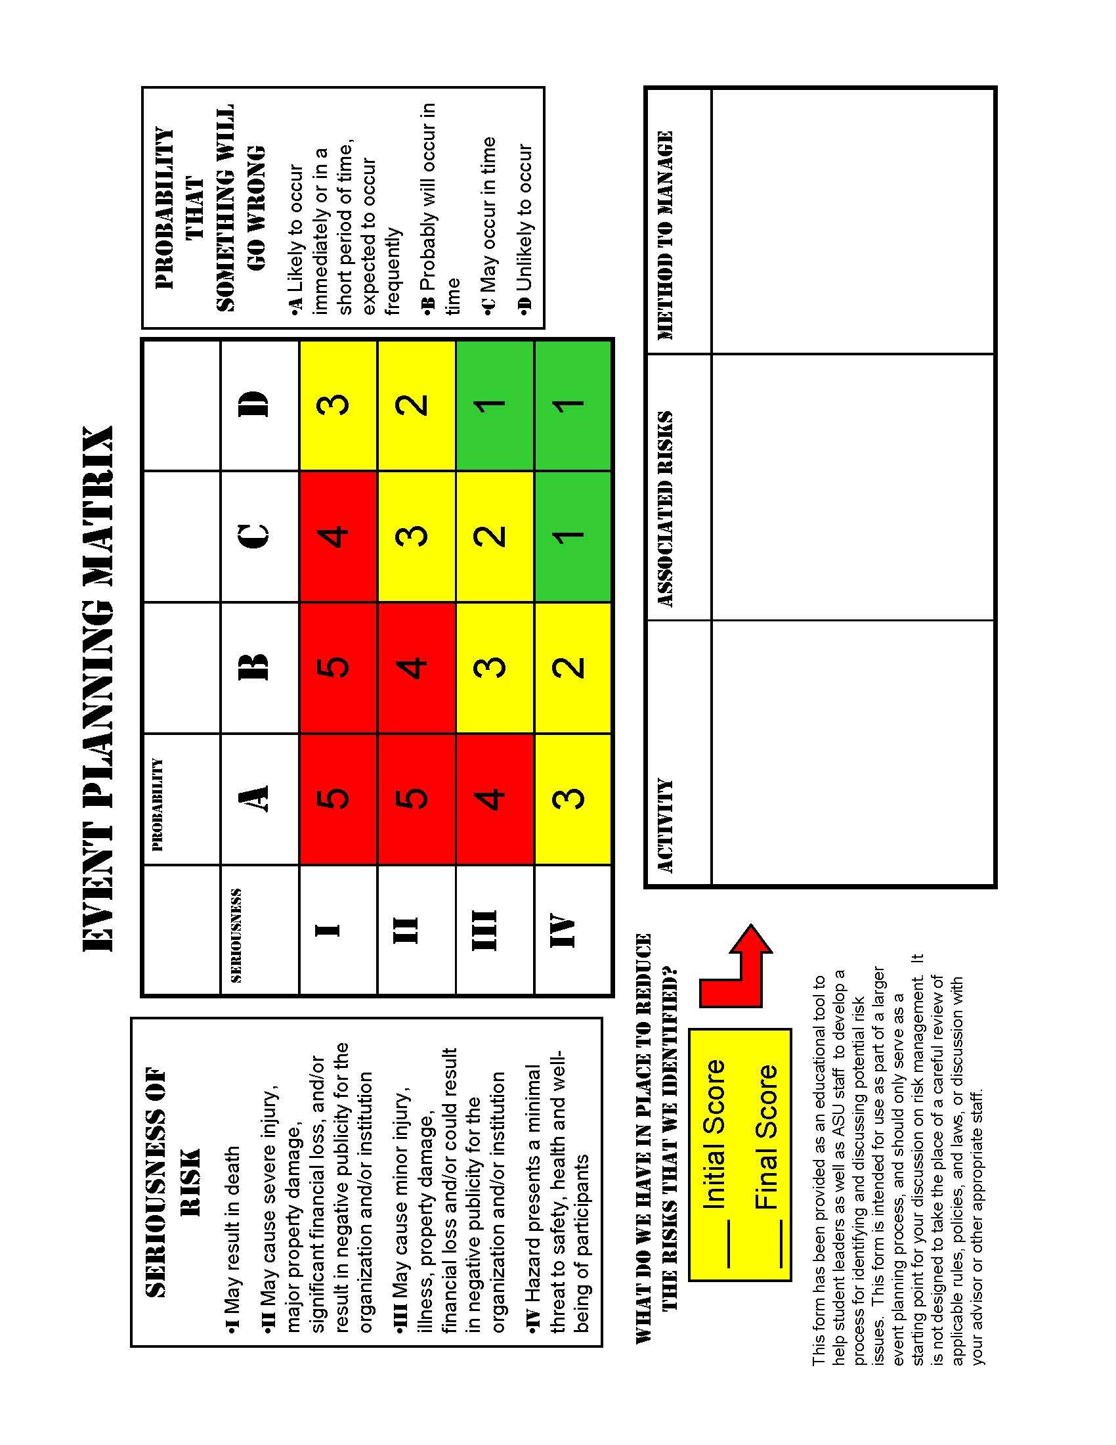
 |  |  |  |  | URGENT Requests Require Division AVP/VP Approval:_____________________________

BLANKET
CHANGE ORDER
PO #
SPEAKER Requisition
 |  |  |  |  |  |  |  |  |  | Date Requested: | 2012-09-07
SPEAKER |  | Name and Address:
 |  |  |  |  |  |  |  |  |  | Originator:

 |  |  |  |  |  |  |  |  |  | Department:

 |  |  |  |  |  |  |  |  |  | Phone:
 |  | Phone: |  | Fax:
 |  | E-Mail: |  |  |  |  |  |  |  | E-Mail:

 | Payment Terms:
 |  |  |  |  |  |  |  | CMA Project Contact:

 |  |  |  |  |  |  |  | Procurement Office Use Only
 | Risk Analysis: |  |  |  |  |  |  | Date Received:

 |  |  |  |  |  |  |  | Vendor #:
204 Form
 | Insurance Requirements:

 |  |  |  |  |  |  |  | PO #:

 |  | Event Date: |  |  |  |  | Time:

 |  | Event Location:

 |  | Speaker Special Needs:

 |  |  |  |  |  |  |  |  | Fee:

 |  |  |  |  |  | Travel Reimbursement Estimate: |  |  |  |  |  | $-

 |  |  |  |  |  |  |  |  | Split |  | Accounting Approval
 | Account |  | Fund | Dept ID |  |  | Class |  | % | $ Amount | Initials |  | Date
 |  |  |  |  |  |  |  |  | #DIV/0!
 |  |  |  |  |  |  |  |  | #DIV/0!
 |  |  |  |  |  |  |  |  | #DIV/0!

 | REQUIRED FOR ALL REQUISITIONS:

 |  | I certify that the goods & services requested are necessary for the operation of the department, that there are sufficient funds to cover the expense, and that I am authorized to approve such expenses.

X
X
 |  | Authorized Dept/Unit Head Signature |  |  |  |  |  | VP Approval (as needed)

