Individual Required Form
 |  |  | RANGERS GIRLS NEW PLAYER ORDER FORM

 |  |  |  | Team Name:

Manager: |  |  |  |  | Manager Phone #

Player's |  |  |  | Player Phone #
Name:

Please email your completed form to your team Manager
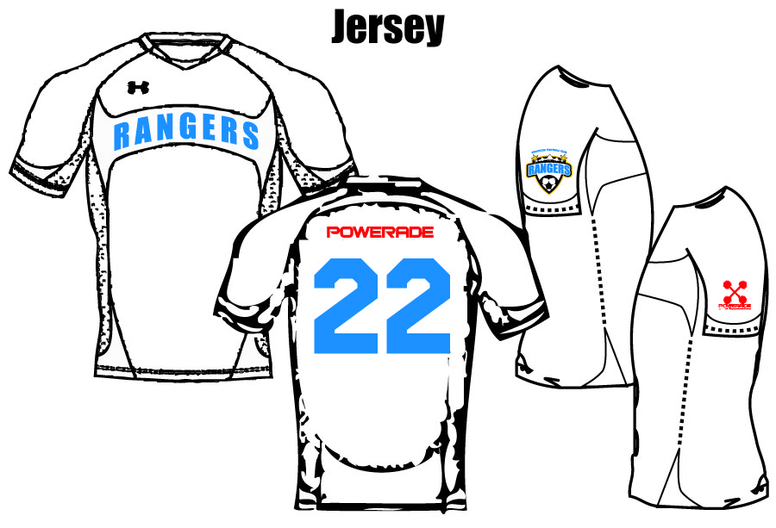
Required Items |  |  | Player#
 |  |  | Size | Qty
Royal Jersey | YOUTH | YS, YM, YL, YXL
 | ADULT | WS, WM, WL, WXL
White Jersey | YOUTH | YS, YM, YL, YXL
 | ADULT | WS, WM, WL, WXL
Royal Short | YOUTH | YS, YM, YL, YXL
 | ADULT | WS, WM, WL, WXL
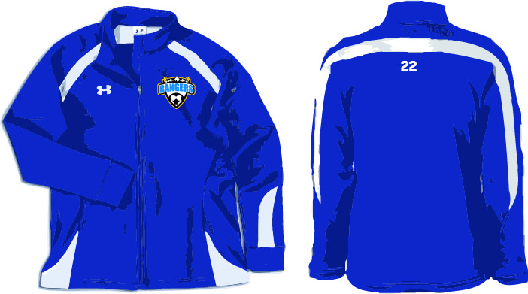
White Short | YOUTH | YS, YM, YL, YXL
 | ADULT | WS, WM, WL, WXL
Sock | Royal Sock | Yth or Adult
 | White Sock | Yth or Adult
Royal Jacket | YOUTH | YS, YM, YL, YXL
 | ADULT | WS, WM, WL, WXL
Pant | YOUTH | YS, YM, YL, YXL
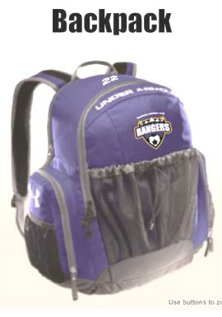
 | ADULT | WS, WM, WL, WXL
Backpack | Royal | ONE SIZE
*Select | *Ranger | Size 4
Ball |  | Size 5
 |  | Total | 345.12

Additional socks are $ 12.22 each including tax

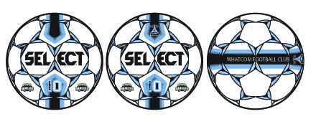

*Required, one per player
Rangers has chosen Select premium soccer balls for our next training and game ball.
This high quality soccer ball befits our clubs standard of excellence.

Rangers and Soccer City bring Ranger players this $60 premium ball for the discount price of $25

**Soccer City will not be held responsible for sizing errors. Customized product cannot be returned or exchanged

