Order Form
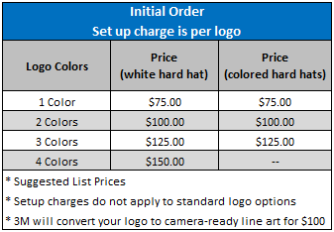
Please complete this ordering information and calculator tool spreadsheet and submit
it with your purchase order to 3Mcustomprintlogos@mmm.com.

 | Date: |  | Distributor PO #:
Customer Name:
New/Revised Logo |  | New/Revised Logo (w/Reflective) |  | Reflective only
Existing Logo |  | Existing Logo (w/Reflective)

Distributor Information:
Name: |  |  | Contact:
Phone: |  |  | Email:

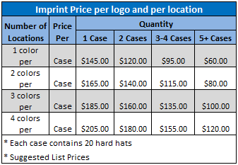
3M offers a selection of standard logos that promote safety messages, identify visitors and
display the American flag. Go to 3M.com/customlogo for more information or view the
attached pdf. Check out the FAQ if you need additional information.

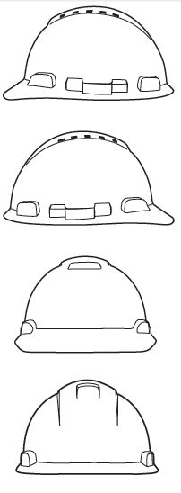
If you are unable to use the form, please follow the instructions in the Active X PDF above.
Logo Placement and Color Information Mark the position and/or text in each location as applicable
Left Side: 4”W x 1 3/4”H
Logo Name: PMS Colors:
1 2
3 4

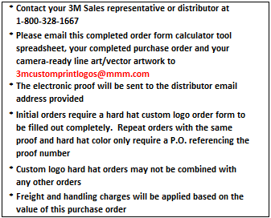
Right Side: 4”W x 1 3/4”H
Logo Name: PMS Colors:
1 2
3 4

Front Center: 2 1/8”W x 2 3/4”H
Logo Name: PMS Colors:
1 2
3 4

Back Center: 2” x 2”
Logo Name: PMS Colors:
1 2
3 4

