Citrus
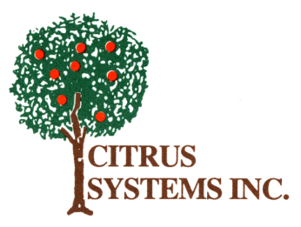

 |  | Citrus Systems Orange Juice Commodity Calculator

 |  | Orange Juice (A303-100204) Processing Options
 |  | School Year 13-14
Item # | Description | Net Weight per case | CN Serving Size (oz.) | Estimated Number of Servings Desired | ÷ | Approx. Servings Per Case | = | Number of Finished Cases | X | Pounds of Orange Juice | = | Pounds of Orange Juice Needed

600001 | 100% Orange Juice | 21.8 | 4.00 |  | ÷ | 80 | = | 0 | X | 2.59 | = | 0
600006 | 100% Orange juice | 26.1 | 4.00 |  | ÷ | 96 | = | 0 | X | 3.10 | = | 0
600039 | 100% Orange Juice fortified with Calcium | 21.8 | 4.00 |  | ÷ | 80 | = | 0 | X | 2.59 | = | 0
600003 | 100% Orange Juice | 19.6 | 6.00 |  | ÷ | 48 | = | 0 | X | 2.39 | = | 0
600036 | 100% Orange Juice/Pineapple | 21.8 | 4.00 |  | ÷ | 80 | = | 0 | X | 1.40 | = | 0
600029 | 100% Orange/Apple | 21.8 | 4.00 |  | ÷ | 80 | = | 0 | X | 1.40 | = | 0
600034 | 100% Orange/Grape | 21.8 | 4.00 |  | ÷ | 80 | = | 0 | X | 1.40 | = | 0
600032 | 100% Orange Fruit punch | 21.8 | 4.00 |  | ÷ | 80 | = | 0 | X | 1.40 | = | 0
600031 | 100% Orange/Fruit Punch | 26.1 | 4.00 |  | ÷ | 96 | = | 0 | X | 1.69 | = | 0
 |  |  |  |  |  |  |  |  |  | total | = | 0

