Geometrie
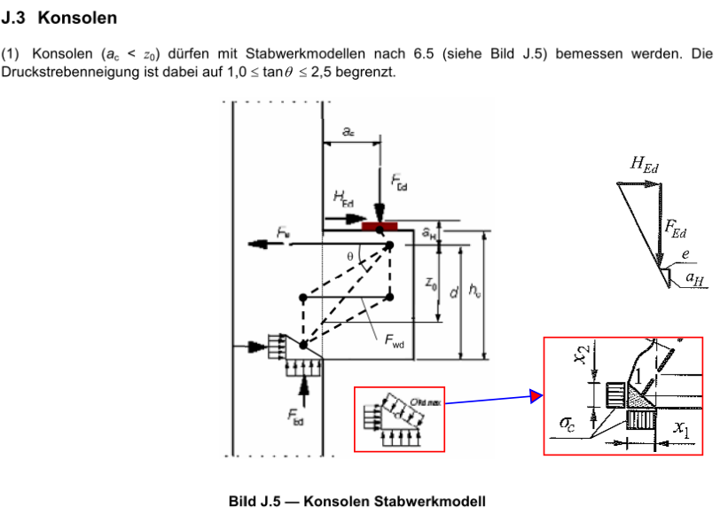

FEd = | 481.5 | [kN] | Beton: | C30/37
HEd = | 0 | [kN] | fck: | 30 | [MPa]
 |  |  | fcd: | 17 | [MPa]
 |  |  | σc = 0,75 v' fcd = | 11.22 | [MPa]
 |  |  | v' = 1-fck/250 = | 0.88 | [-]

Geometrie:
b_konsole: | 300 | [mm] | ac = | 1770 | [mm]
h_konsole: | 1200 | [mm] | ah = | 47 | [mm]
c_nom: | 25 | [mm] | x1 = FEd / (σc x b) = |  |  | 143 | [mm]
Ø_v: | 12 | [mm] | x2 = d- (d²-2MEd/(σc x b))^0,5 = |  |  | 156 | [mm]
Ø_h: | 20 | [mm]
d = h_konsole - Ø_v - Ø_h/2 = |  |  |  | 1178 | [mm]

MEd = FEd (ac +0,5* x1) + HEd ah = |  |  |  | 886.6938369 | [kNm]
tanθ = (d-x2/2)/(ac + x1/2) = |  |  |  | 0.5974197011 | [-]
Rechnen analog wie Kragarm-Balken

