U-Profile
Querschnitt: | C160
A = | 24 | [cm²] | Wy,el = | 115.6 | [cm³]
Iy= | 924.7 | [cm4] | Wy,pl = | 138 | [cm³]
Iz = | 85.3 | [cm4]
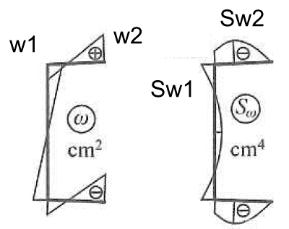

Iw = | 3311 | [cm4] | E = | 210 | [GPa]
IT = | 7.66 | [cm6] | G = | 81 | [GPa]
w1 = | 15.9 | [cm²] | k = | 0.0298 | [1/cm]
w2 = | 28.6 | [cm²] | L = | 4.5 | [m]

Lasten:
pEd= | 3.94 | [kN/m]

e - Abstand von Schublinie
e = | 0.0519 | [m]
Torsionmomente
ms,Ed = | 0.204 | [kNm/m]

Schnittgroße:
Bed = Bw(l/2) | 229.2 | [kN/cm²]
VEd = | 8.9 | [kN]
My,Ed = | 9.97 | [kNm]
Mw,Ed = | 6.86 | [kNcm]
Mt,Ed = | 39.15 | [kNcm]

I-Profile
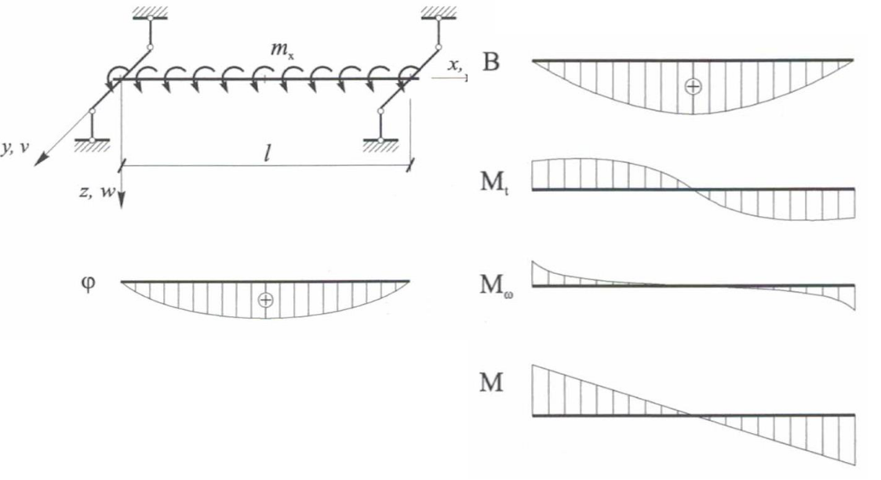
Querschnitt: | HEB 280 (Kat) |  | S235
A = | 131.4 | [cm²] | Wy,el = | 1380 | [cm³]
Iy= | 19270 | [cm4] | Wy,pl = | 1534 | [cm³]
Iz = | 6590 | [cm4] | Wy,el = | 471 | [cm³]
tf = | 18 | [mm] | Wy,pl = | 717.6 | [cm³]

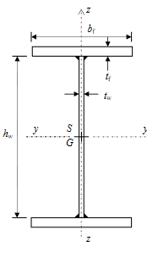
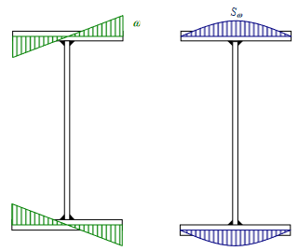

 |  |  |  |  |  |  |  |  |  |  | Schnittgroße:
 |  |  |  |  |  |  |  |  |  |  | V_y,Ed = | 10.4 | [kN]
 |  |  |  |  |  |  | Lasten: |  |  |  | V_z,Ed = | 74.0 | [kN]
 |  |  |  |  |  |  | p_z,Ed= | 28.48 | [kN/m] |  | M_y,Ed = | 96.26 | [kNm]
 |  |  |  |  |  |  | p_y,Ed= | 8 | [kN/m] |  | M_z,Ed = | 6.76 | [kNm]
 |  |  |  |  |  |  | Torsionmomente |  |  |  | B_Ed = | 75020.3 | [kN/cm²]
 |  |  |  |  |  |  | ms,Ed = | 5.373 | [kNm/m] |  | M_t,Ed = | 668.69 | [kNcm]
Iw = | 1130155 | [cm6] | E = | 210 | [GPa] |  |  |  |  |  | M_w,Ed = | 728.24 | [kNcm]
IT = | 144 | [cm4] | G = | 81 | [GPa]
w = | 183 | [cm²] | k = | 0.0070 | [1/cm] |  | Ausnutzung:
Sw = | 2152 | [cm4] | Lz = | 5.2 | [m] |  | My,Ed / My,Rd/ X Lt + Mz,Ed/Mz,Rd = |  |  |  |  |  | 0.35 | [-]
 |  |  | Ly = | 2.6 | [m]
 |  |  |  |  |  |  | MyEd/My + Mz,Ed/Mz,Rd + BEd/BRd = |  |  |  |  |  | 0.82 | [-]
Dunnwandiger Trager - Bericht gem. Vlasnow
h= | 280 | [mm] | < 0,1 L = | 520 | [mm]-> | dunnartiger Trager | My,Ed / My,Rd/ X Lt + Mz,Ed/Mz,Rd + BEd/BRd = |  |  |  |  |  | 0.87 | [-]
bf= | 280 | [mm] | < 0,1 L = | 520 | [mm]-> | dunnartiger Trager
tw = | 10.5 | [mm] | < h/10 = | 28 | [mm]-> | dunnartiger Trager | Vy/Vz,Rd + Vz,Ed/Vz,Rd + Mw,Ed/Mw,w,Rd + Mt,Ed/Mt,w,Rd = |  |  |  |  |  | 0.63 | [-]
tf = | 18 | [mm] | < bf/10 = | 28 | [mm]-> | dunnartiger Trager
 |  |  |  |  |  |  | Vz,Ed / V_z,pl,T,Rd = |  |  |  |  |  | 0.25 | [-]
Spannungswerte:
 |  |  |  |  |  |  | Vy,Ed / V_y,pl,T,Rd = |  |  |  |  |  | 0.01 | [-]
τ w,Ed = |  | 0.77 | [kN/cm²] | = | 7.70 | [MPa]
Flansche τ s,Ed = |  | 8.36 | [kN/cm²] | = | 83.59 | [MPa] | Empfelende Reserve 10-15% wegen Einfluss von II.Ordnung Theorie
Steg τ s,Ed = |  | 4.8758735163 | [kN/cm²] | = | 48.76 | [MPa] | !!! Rote Farbe bedeutet, dass es erforderlich der besondere Nachweis des Biegenachweis' mit Einfluss von Schubkräften ist.

Tragfähigkeit: |  |  |  |  |  |  | Durchbiegung:
fy = | 235 | [MPa] |  |  |  |  | fz = | 4.96 | [mm] | Lz/250 = | 20.8 | [mm]
My,Rd = | 360.5 | [kNm] |  |  |  |  | fy = | 0.25 | [mm] | Ly/250 = | 10.4 | [mm]
Mz,Rd = | 168.6 | [kNm] |  |  |  |  | (fy²+fz²)^0,5 = | 4.97 | [mm]
B Rd = | 145129 | [kNcm2]
Mt,w,Rd = | 1860.7 | [kNcm] = | 18.61 | [kNm]
Mw,w,Rd = | 12825.1 | [kNcm] = | 128.25 | [kNm] |  |  | Ncr,z = | 5046.1 | [kN] | dzeta = | 1.12 | [-]
V_z,pl,Rd = | 349.2 | [kN] |  |  |  |  | zp = | 0 | [cm]
V_y,pl,Rd = | 1373.9 | [kN] |  |  |  |  | c² = | 401.93 | [cm2]
V_z,pl,T,Rd = | 294.8 | [kN] |  |  |  |  | Mcr= | 1133.05 | [kNm]
V_y,pl,T,Rd = | 1159.7 | [kN] |  |  |  |  | λLt= | 0.56 | [-]
 |  |  |  |  |  |  | X Lt= | 0.93 | [-]
 |  |  |  |  |  |  | E = | 210 | [GPa]
 |  |  |  |  |  |  | G = | 80.8 | [GPa]

Querschnitte I-Profile
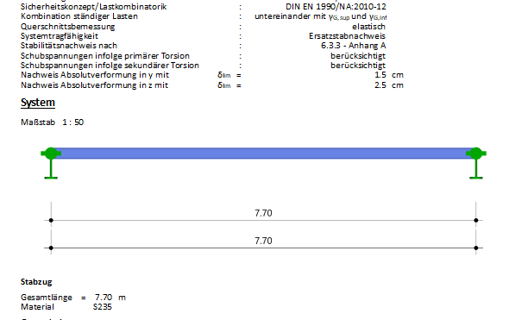
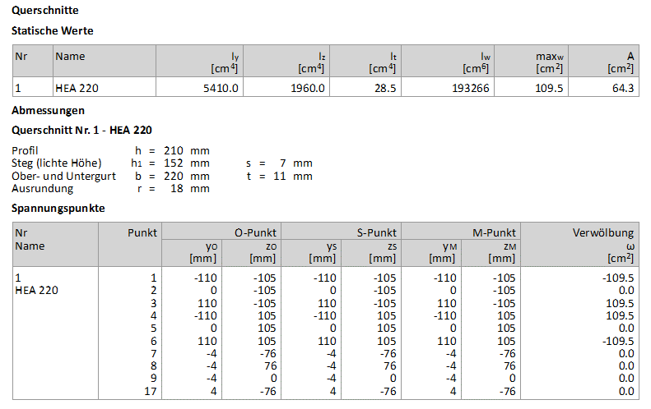
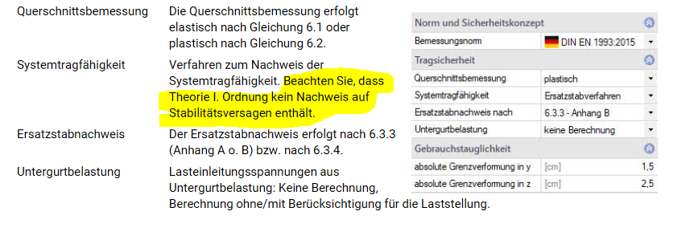
 | 1 | 2 | 3 | 4 | 5 | 6 | 7 | 8 | 9 | 10 | 11 | 12 | 13 | 14 | 15 | 16 | 17 | 18 | 19 | 20 | 21 | 22 | 23
 |  | A | Iy | Iz | Wy,el | Wy,pl | Iw | IT | wmax | tf | tw | b | h | Sw | iy | iż | is^2 | Ncr,T | h/b | alfa LT | Lambda LT | Fi Lt | Chi Lt | Wz,el | Wz,pl
 | - | [cm²] | [cm4] | [cm4] | [cm³] | [cm³] | [cm6] | [cm4] | [cm²] | [mm] | [mm] | [mm] | [mm] | [cm4] | [cm] | [cm] | [cm2] | [kN] | [-] | [-] | [-] | [-] | [-] | [cm³] | [cm³]
 | Test |  |  |  |  |  |  |  |  | 50 | 50 | 50 | 50
 | HEA220 | 64.3 | 5410 | 1950 | 515 | 568.5 | 193266 | 22 | 103.4 | 11 | 7 | 220 | 210 | 626 | 9.17 | 5.51 | 10.70 | 13843 | 0.95 | 0.34 | 0.56 | 0.65 | 0.933 | 178 | 270.6
 | HEA220 (Kat) | 64.3 | 5410 | 1950 | 515 | 568.5 | 193300 | 29 | 109 | 11 | 7 | 220 | 210 | 626 | 9.17 | 5.51 | 10.70 | 13846 | 0.95 | 0.34 | 0.56 | 0.65 | 0.933 | 178 | 270.6
 | HEA240 (Kat) | 76.8 | 7760 | 2770 | 675 | 744.6 | 328486 | 42 | 131 | 12 | 7.5 | 240 | 230 | 890 | 10.05 | 6.01 | 11.71 | 21491 | 0.96 | 0.34 | 0.56 | 0.65 | 0.933 | 231 | 351.7
 | HEA260 (Kat) | 86.8 | 10450 | 3670 | 836 | 919.8 | 193300 | 52 | 154 | 12.5 | 7.5 | 260 | 250 | 1188 | 10.97 | 6.50 | 12.75 | 11614 | 0.96 | 0.34 | 0.56 | 0.65 | 0.933 | 282 | 430.2
 | HEB 220 (Kat) | 91 | 8090 | 2840 | 736 | 827 | 295418 | 77 | 112 | 16 | 9.5 | 220 | 220 | 910 | 9.43 | 5.59 | 10.96 | 20651 | 1.00 | 0.34 | 0.56 | 0.65 | 0.933 | 258 | 393.9
 | HEB 240 (Kat) | 106 | 11260 | 3920 | 938 | 1053 | 193300 | 103 | 134 | 17 | 10 | 240 | 240 | 1261 | 10.31 | 6.08 | 11.97 | 12378 | 1.00 | 0.34 | 0.56 | 0.65 | 0.933 | 327 | 498.4
 | HEB 260 (Kat) | 118.4 | 14920 | 5130 | 1150 | 1283 | 753651 | 124 | 158 | 17.5 | 10 | 260 | 260 | 1664 | 11.23 | 6.58 | 13.01 | 44356 | 1.00 | 0.34 | 0.56 | 0.65 | 0.933 | 395 | 602.2
 | HEB 280 (Kat) | 131.4 | 19270 | 6590 | 1380 | 1534 | 1130155 | 144 | 183 | 18 | 10.5 | 280 | 280 | 2152 | 12.11 | 7.08 | 14.03 | 61695 | 1.00 | 0.34 | 0.56 | 0.65 | 0.933 | 471 | 717.6
 | -

 | E= | 210
 | G= | 80.769230769


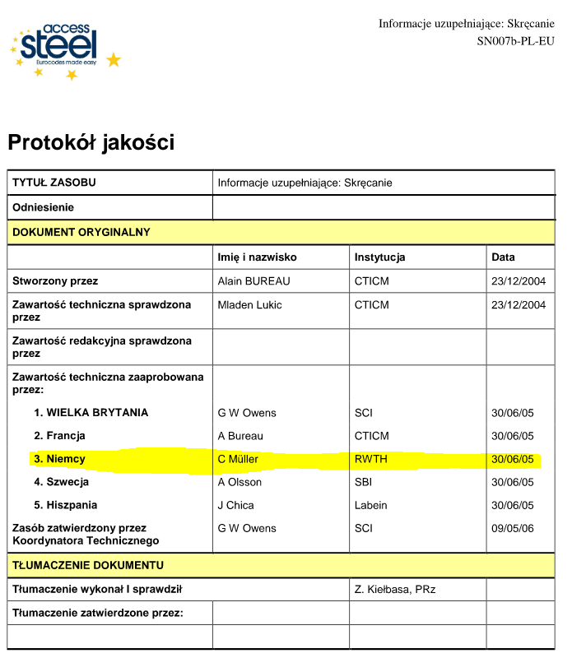
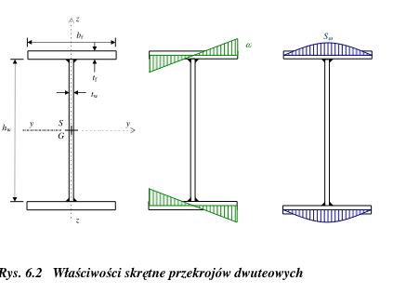

Frilo Beispiel

Hilfsmateriale
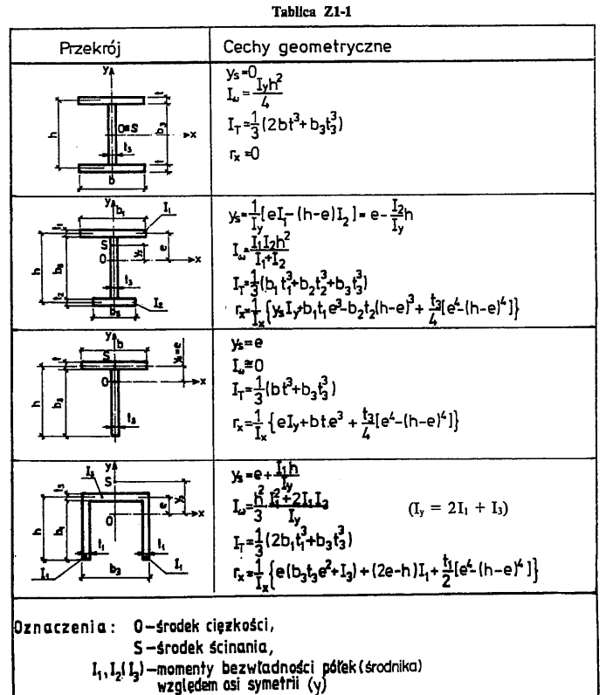
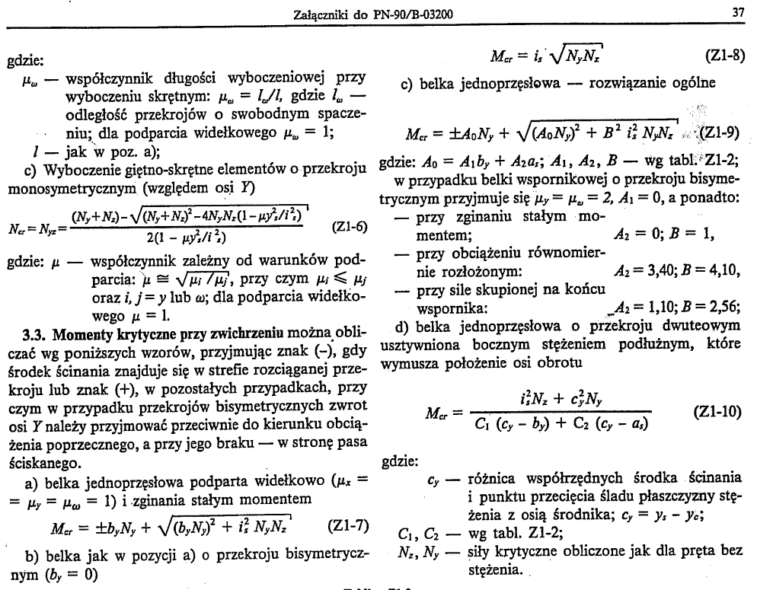
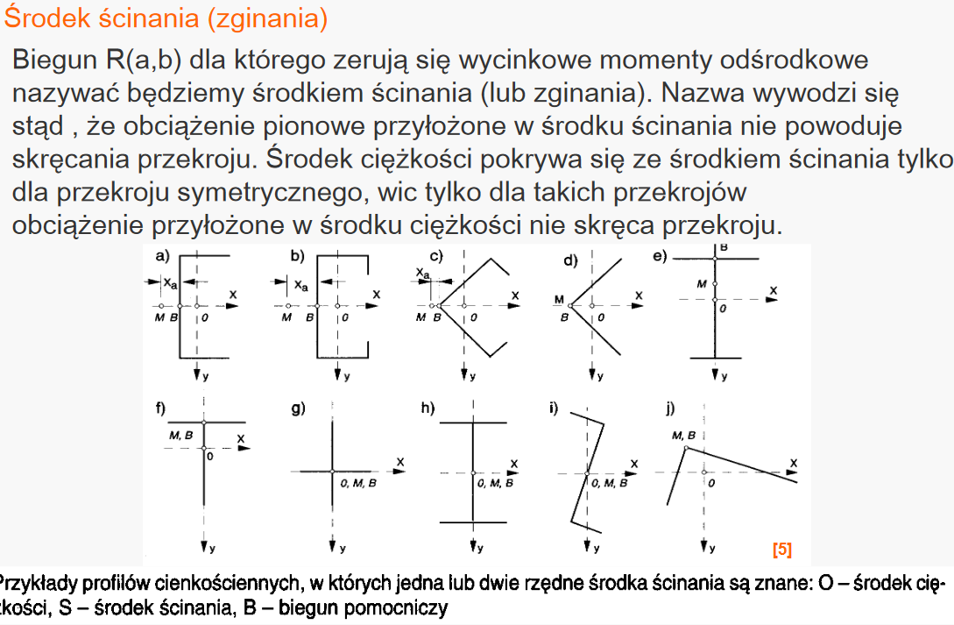
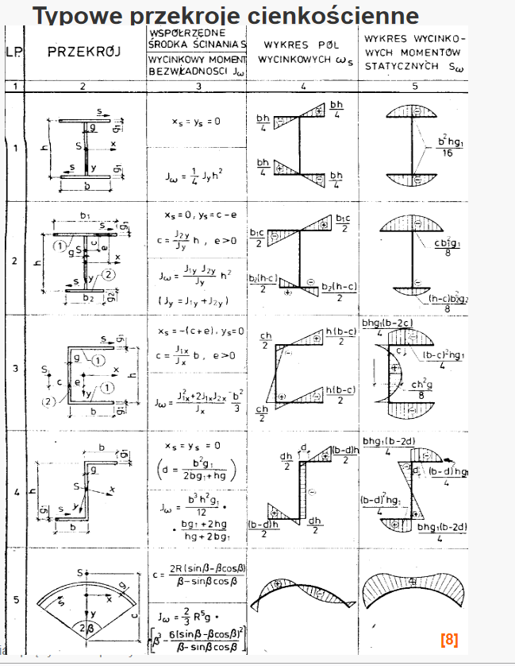

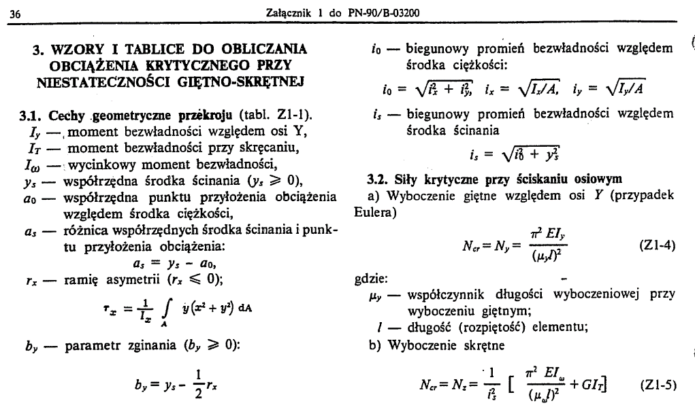
-
S235 | 235
S275 | 275
S355 | 355
-

