images
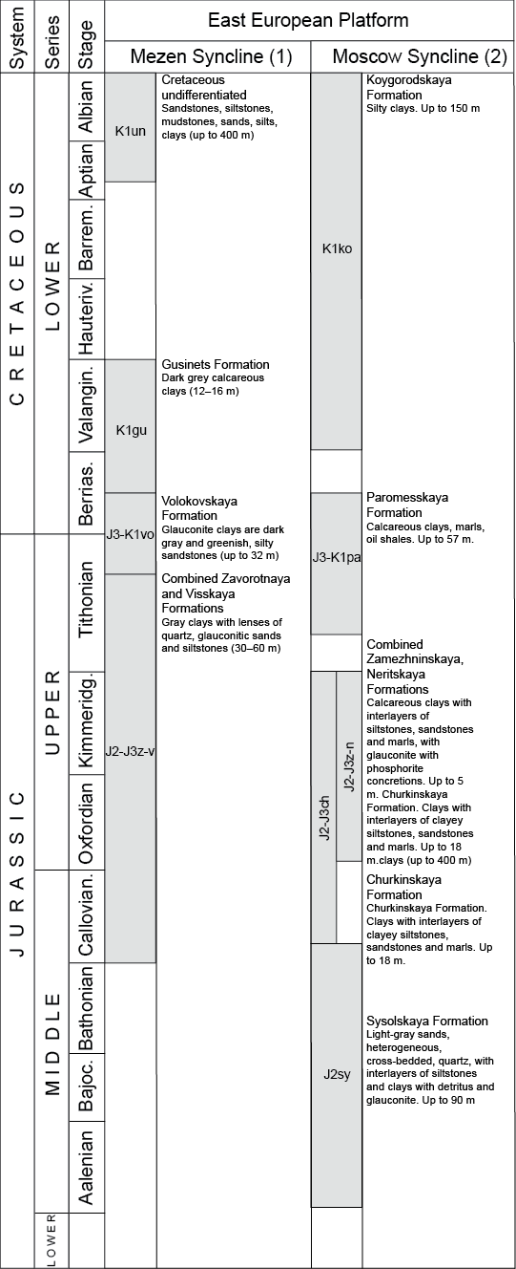
col_id | image_name | ref_id | page_number | description | comments
1,2 | Eastern European Platform | 1

