images
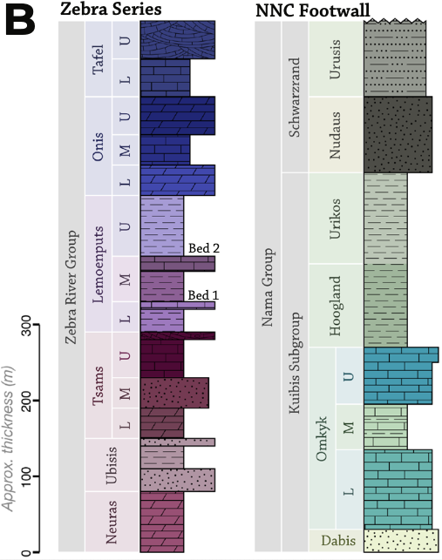
col_id | image_name | ref_id | page_number | figure_number | description | comments
A,B,C,D,E,F,G,H,I,J,K,M | Zebra Series Stratigraphic Model | 1 |  | Figure 3b | Generalized sections of Zebra Series and Nama Group footwall

