images
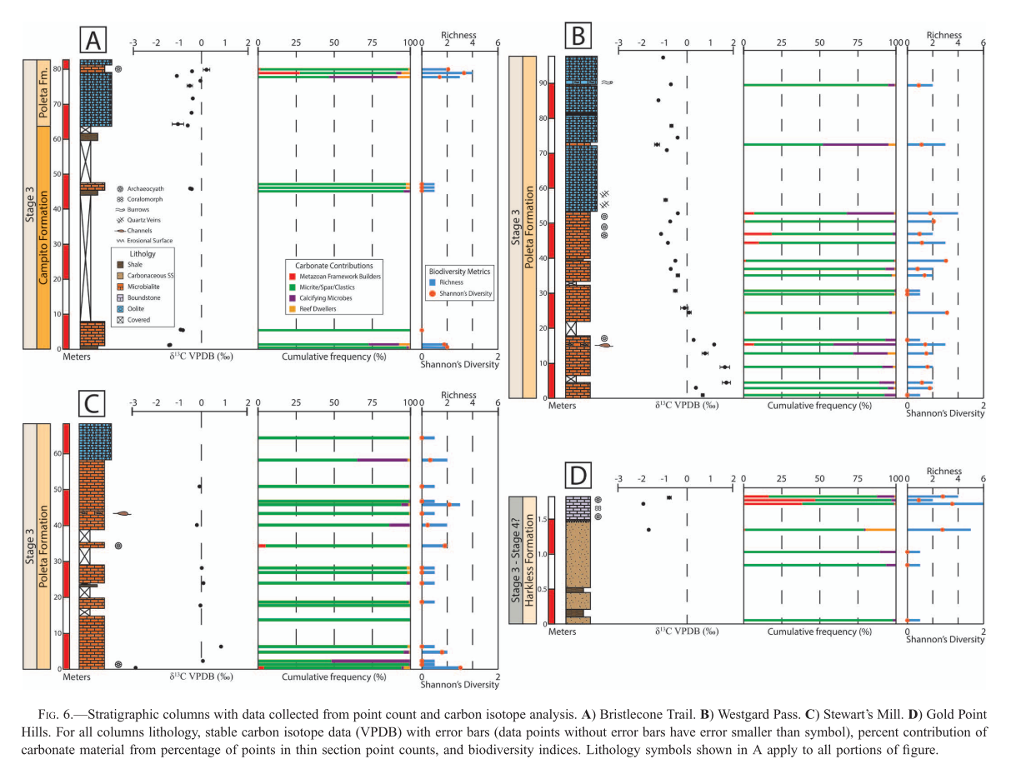
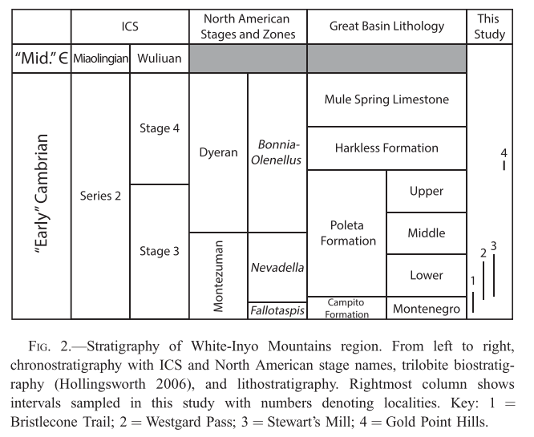
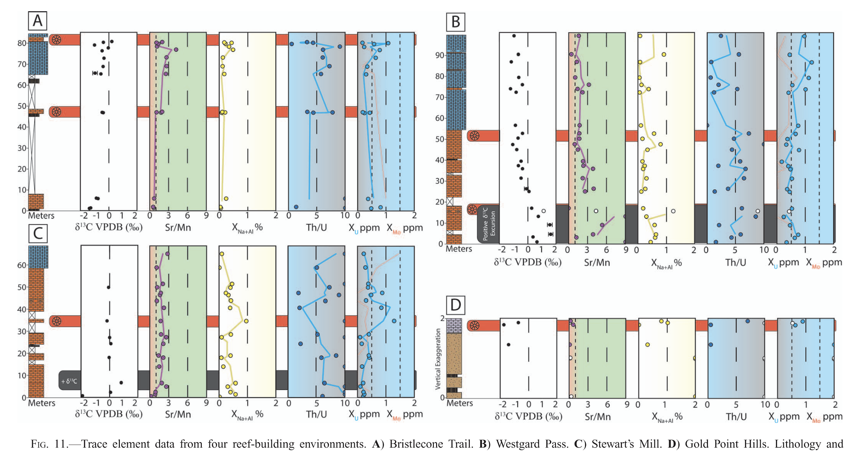
col_id | image_name | ref_id | page_number | figure_number | description | comments
A, B, C, D | Strat Columns with point count data | Cordie+_2019_PAL | 8 | 6
A, B, C, D | Strat columns with geochemical data | Cordie+_2019_PAL | 11 | 11
A, B, C, D | Age model | Cordie+_2019_PAL | 2 | 2

