source_figure
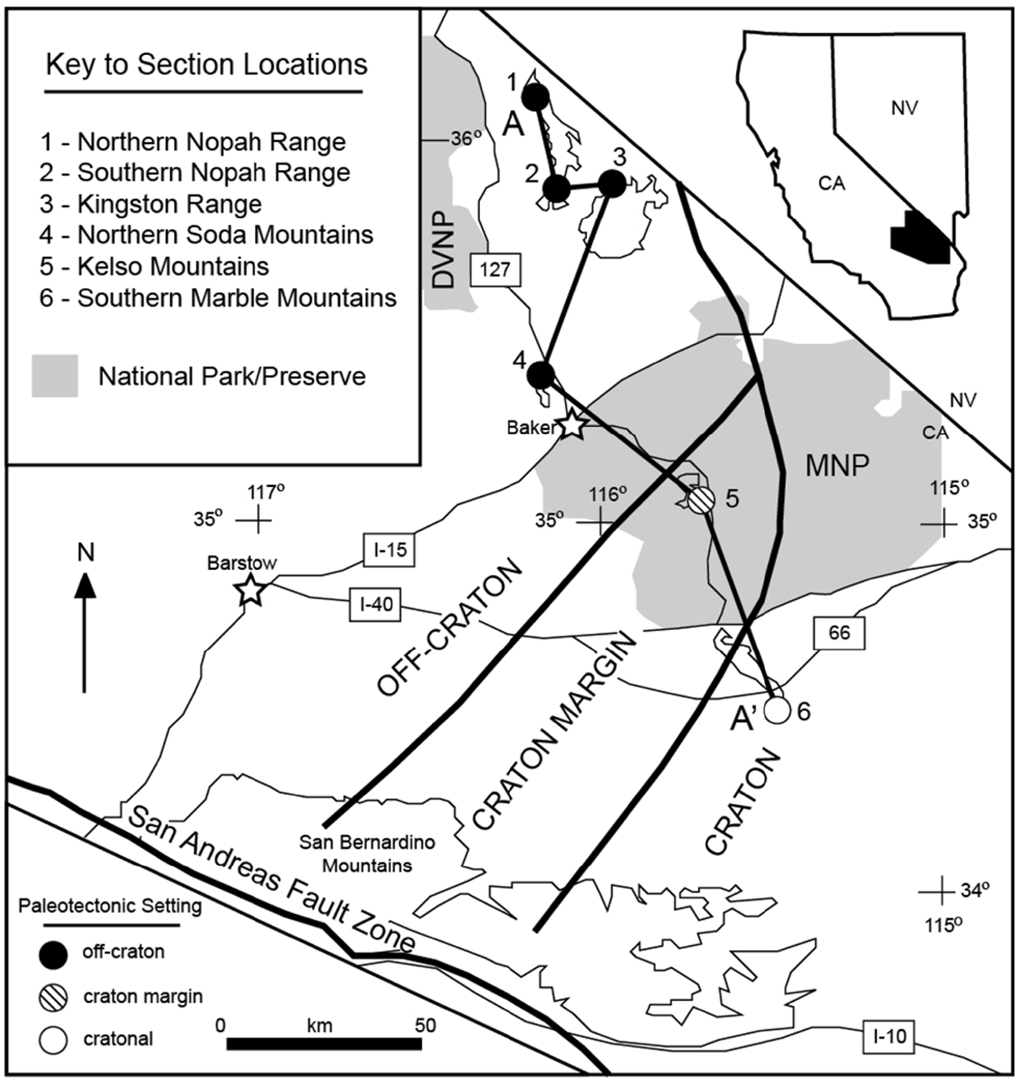
Hogan et al. 2011, Fig. 11a (p. 675) - source for all unit heights

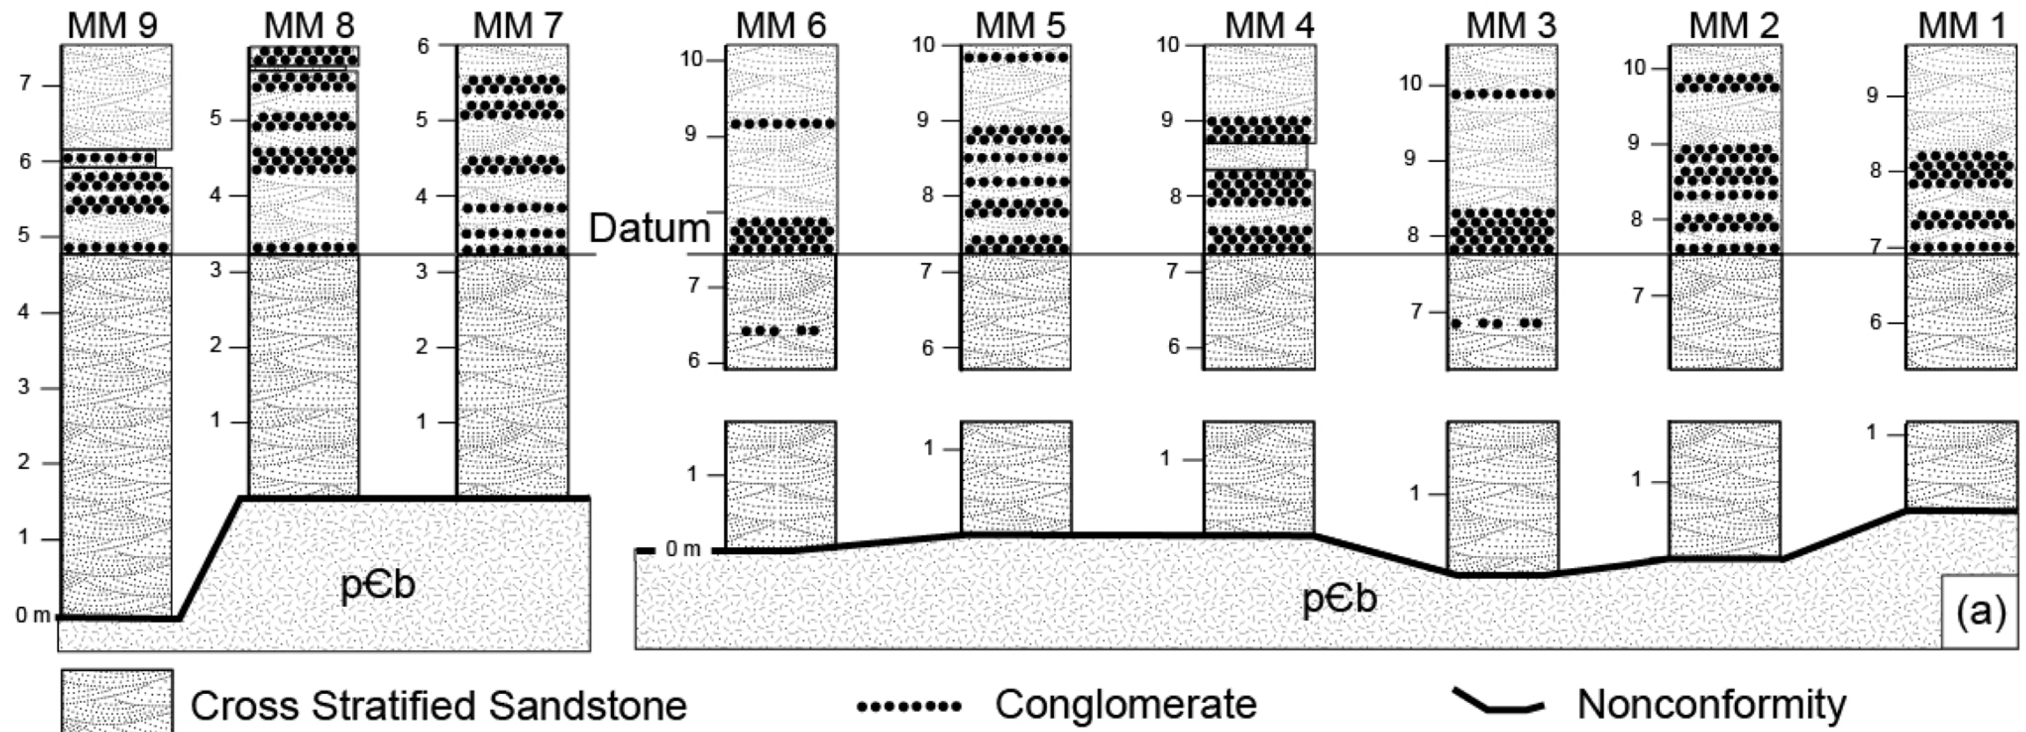

Hogan et al. 2011, Fig. 1 (p. 662) - source for column locations (site 6 = southern Marble Mountains)

