UseCases_Demands
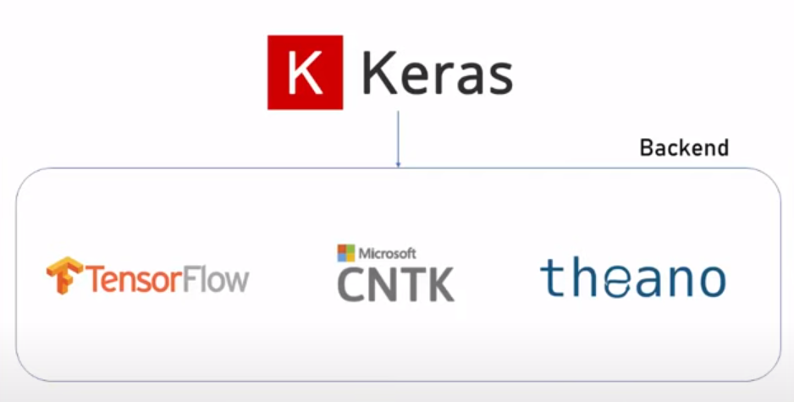
Requirements for the Projects to Test and Validate the RM-AI Tool :

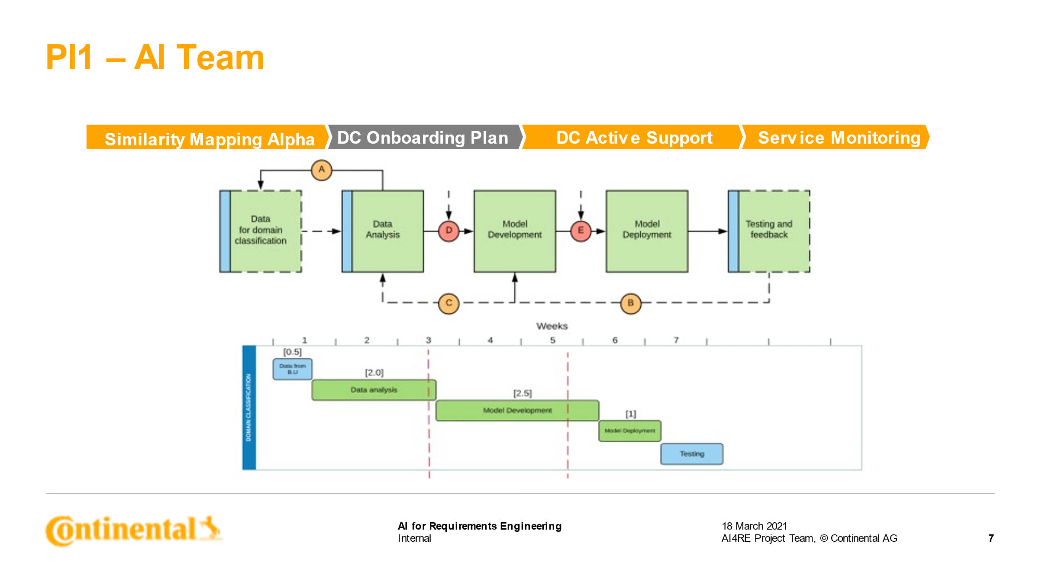
USE CASES from AI-TOOL . | Scope - Project Type | Project Requirements at CES
 | Project with Multiple Domain and layers | Projects running with DOORS as requirements management tool , which has dedicated module for the Customer or Stakeholder requirements, System requirements, module for multiple Domains(HW,SW,ME).
 | Stakeholder Requirements | Reasoning :
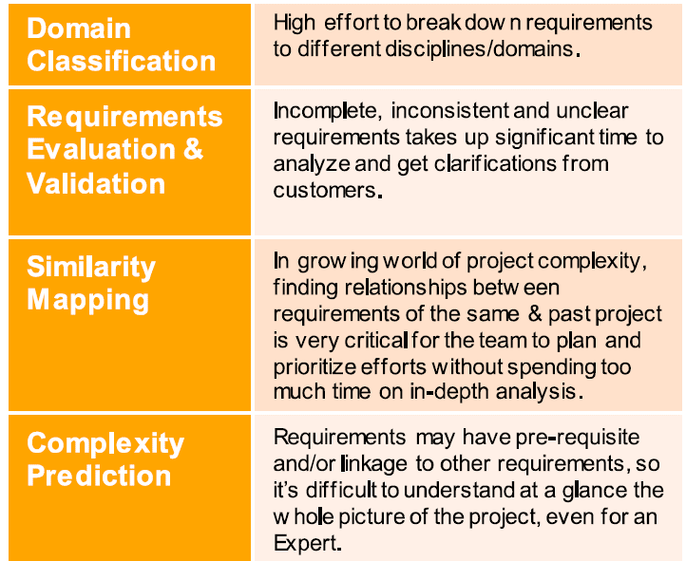
 | System Requirements | It is only possible classify the Customer or Stakeholder requirements, because they are unknown at the time of recieving from the customer or OEM, later classification is done manually, this manual results could be compared with the AI tool results.
Domain Classification | SW, HW, ME Requirements | It involves huge efforts for the Requirments Manager to classify the Stakeholder requests into different Domains.
 | Test Requirements | Domain Classification can be done only on the stakeholder requirements.
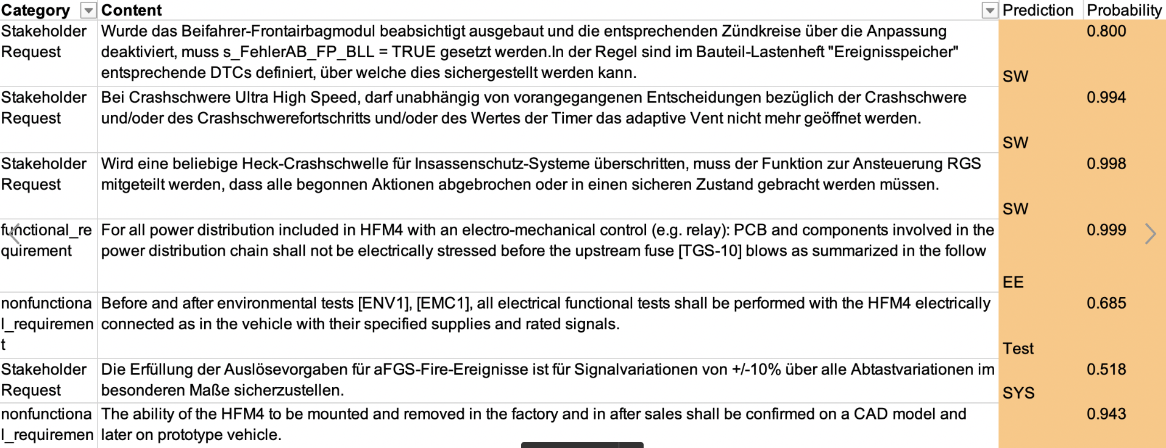
 | in DOORS | And once Domain classification is done , it has to be cross verified with already existing Domains. So, a project with multiple domains is needed.
 | Project with
Requirements Evaulation & Validation | Stakeholder Requirements | This use case is on Hold - Not high priority

 | Project with Multiple Domain and layers | Projects running with DOORS as requirements management tool , which has dedicated module for the Customer or Stakeholder requirements, System requirements, module for multiple Domains(HW,SW,ME). Alteast 3 or 4 times requirements updates sent from customer, and new baseline has been formed on the stakeholder requirements.
 | Stakeholder Requirements | Reasoning :
 | System Requirements | This use case of the AI tool will compare the similarity and difference between multiple baselines of the requirements sent from the Customers and help engineers, work only on the new requirements.
Similarity Mapping | SW, HW, ME Requirements | Thus avoiding the duplication of reading same requirements multiple times.
 | Test Requirements
 | in DOORS

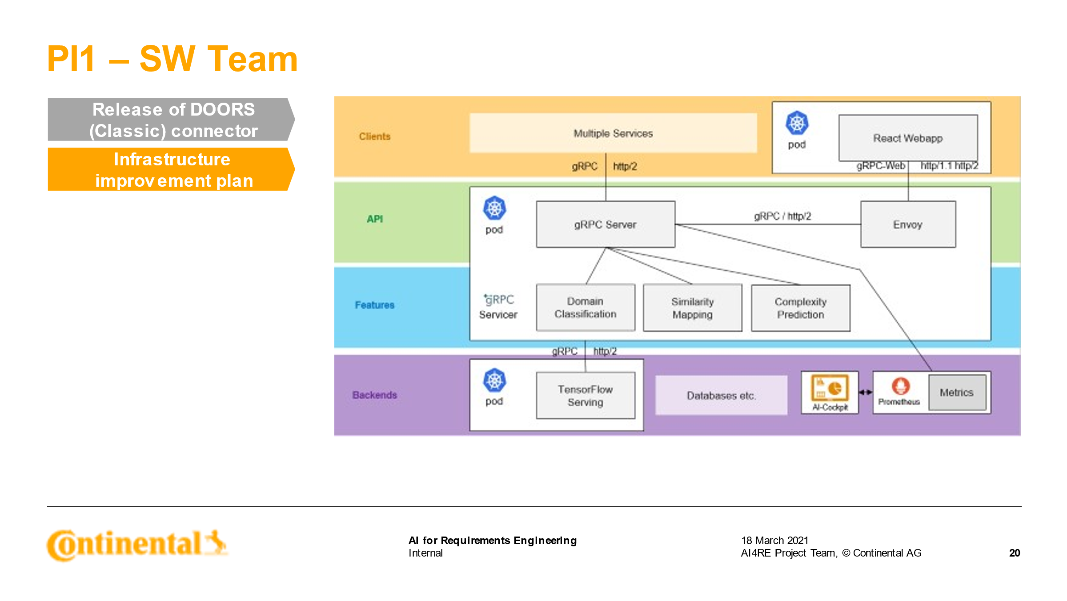
 | Project with Multiple Domain and layers | Projects running with DOORS as requirements management tool , which has dedicated module for the Customer or Stakeholder requirements, System requirements, module for multiple Domains(HW,SW,ME). Preferably project with ASPICE compliance - atleast level 2 certified. BI-Directional linking are present Stakeholder requirements <-> System requirements. The project should have started atleast before 6 months year in past and should further run atleast for the another 1-2 years, to cross-check the results of the prediction. A project with requirements that has attributes, such as ASIL, Domain classification (HW,SW,ME), and documentation of the efforts to implement the requirements via a ticket system.
 | Stakeholder Requirements | Reasoning :
Complexity Prediction | System Requirements | Complexity prediction could be derived only if there mulitple levels of the requirements are present in a project.
 | SW, HW, ME Requirements | Preferably project with ASPICE compliance - atleast level 2 certified.
 | Test Requirements | Complexity increase with large number of linking between Stakeholder requirements <-> System or SW requirements.
 | in DOORS | The project should have started before 6 months - 1 year in past and should fruther run atleast for the another 1-2 years, to cross-check the results of the prediction.
 |  | A project with requirements that has attributes, such as ASIL, Domain classification (HW,SW,ME), and documentation of the efforts to implement the requirements via a ticket system. This makes it easy for the tool validation at a later point to compare the Manaul rating vs Tool predicted complexity.

Requirements_Structure
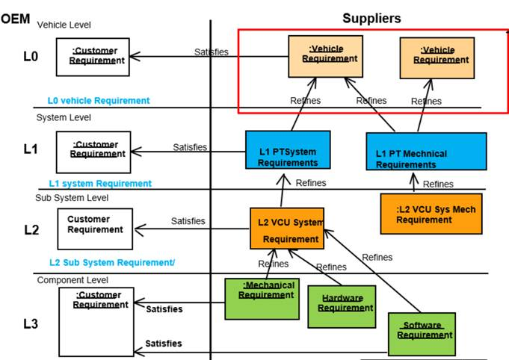
Example Requirements Structure

