Document Control
 | <Insert customer company logo>

IBM BAW Health Check

Version | Date | Produced By

Change History
Version | Date of Issue | Author | Role | Email | Comment

Reference
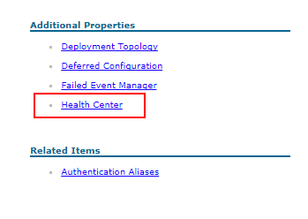
Article Title | link
Cache and cache related settings | https://www.ibm.com/support/knowledgecenter/en/SSFPJS_8.6.0/com.ibm.wbpm.admin.doc/topics/perf_tuning_other.html
Using process instrumentation data for cache tuning | https://www.ibm.com/support/knowledgecenter/en/SSFPJS_8.6.0/com.ibm.wbpm.admin.doc/topics/perf_tuning_instrument_data.html
IBM Business Process Manager V8.5 Performance Tuning and Best Practices | http://www.redbooks.ibm.com/abstracts/sg248216.html
Improve IBM BPM performance with an Oracle database | https://www.ibm.com/developerworks/library/mw-1702-volz-trs/1702-volz.html
Where does BPM search from the Lucene index rather than the database? | https://developer.ibm.com/answers/questions/257050/where-does-bpm-search-from-the-lucene-index-rather.html
Performance Data Warehouse (PDW) - what is it and why should I care about it ? | https://developer.ibm.com/answers/questions/165218/performance-data-warehouse-pdw-what-is-it-and-why/
Disabling tracking data generation for a Process Server or Process Center in IBM BPM) | https://developer.ibm.com/answers/questions/167196/disabling-tracking-data-generation-for-a-process-s/
Writing Verbose GC To A Specified Log In Solaris and HP-UX | http://www-01.ibm.com/support/docview.wss?uid=swg21636533
Configuring notification and refresh behavior for Process Portal | https://www.ibm.com/support/knowledgecenter/SSFTN5_8.5.5/com.ibm.wbpm.admin.doc/topics/tadm_portal_config_notifications.html
Installing IBM Business Process Manager Version 8.6 Cumulative Fix 2017.12 | http://www-01.ibm.com/support/docview.wss?uid=swg27050517
Step-by-step guide on changing IBM BPM configuration files manually | https://www.ibm.com/developerworks/community/blogs/aimsupport/entry/step_by_step_guide_on_changing_ibm_bpm_configuration_files_manually?lang=zh_cn

How to use PMI to monitor JVM heap usage
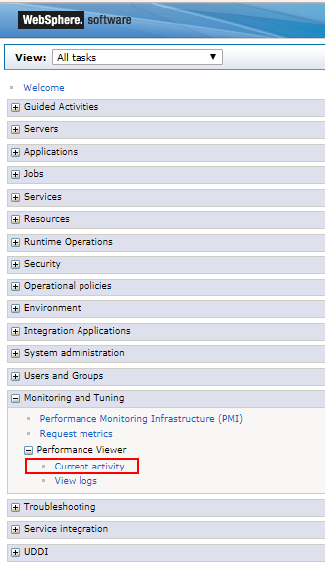
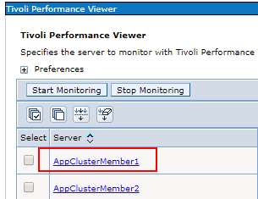
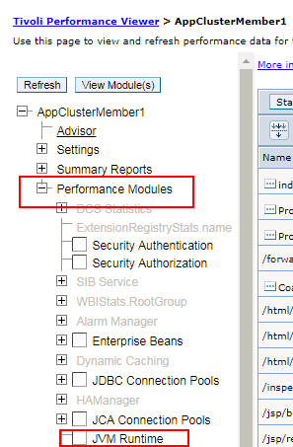
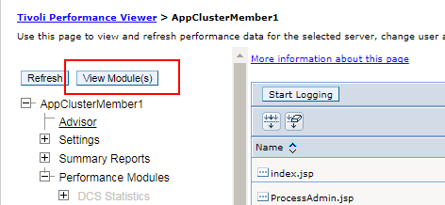
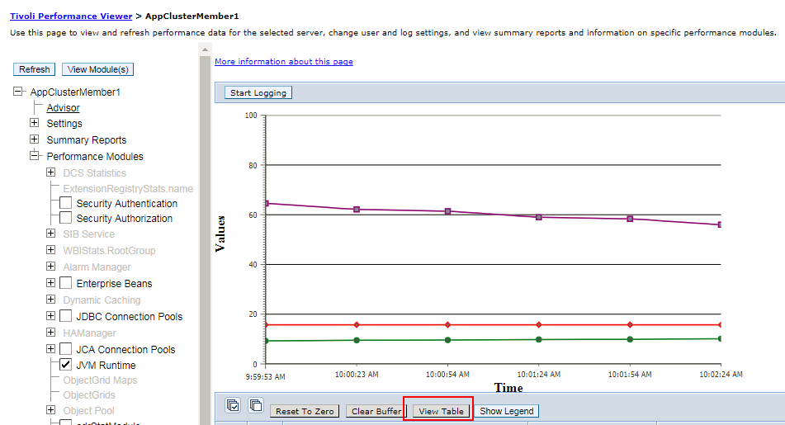

How to monitor cache hit ratio in Process Admin Console
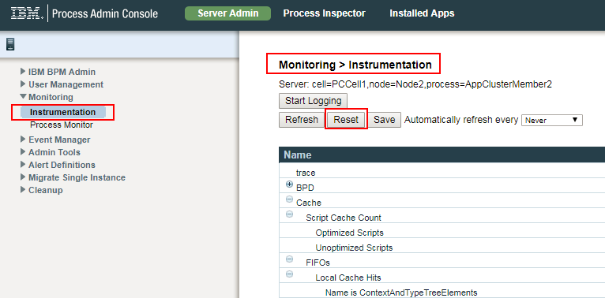

How to delete system tasks automatically

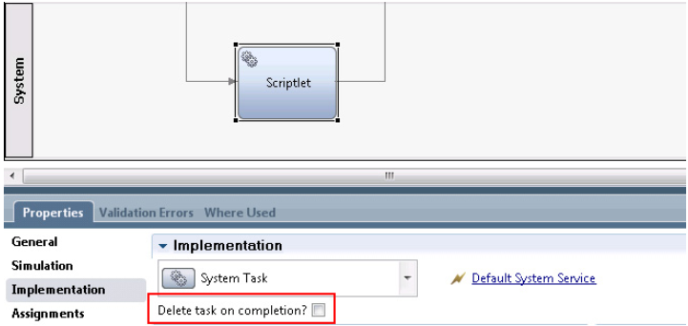

How to check Health Center

