run1_full
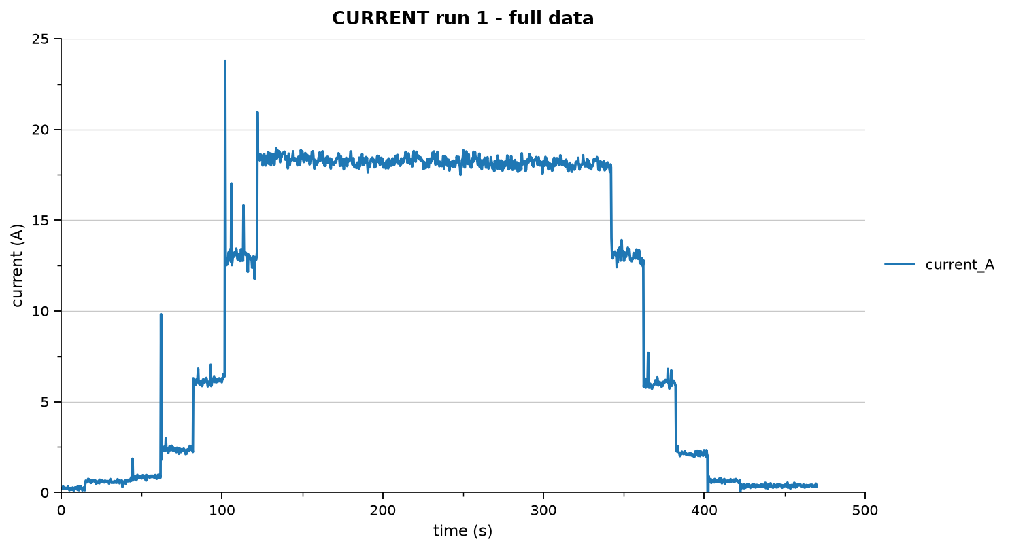
timestamp | elapsed_s | throttle_percent | pwm | current_A | vibration_g | rpm
2026-08-02 | 0.000 | 0.000 | 1000.000 | 0.200 | 0.016 | 0.000
2026-08-02 | 0.100 | 0.000 | 1000.000 | 0.100 | 0.017 | 0.000
2026-08-02 | 0.200 | 0.000 | 1000.000 | 0.220 | 0.015 | 0.000
2026-08-02 | 0.300 | 0.000 | 1000.000 | 0.210 | 0.012 | 0.000
2026-08-02 | 0.400 | 0.000 | 1000.000 | 0.280 | 0.011 | 0.000
2026-08-02 | 0.500 | 0.000 | 1000.000 | 0.150 | 0.012 | 0.000
2026-08-02 | 0.600 | 0.000 | 1000.000 | 0.240 | 0.013 | 0.000
2026-08-02 | 0.700 | 0.000 | 1000.000 | 0.260 | 0.012 | 0.000
2026-08-02 | 0.799 | 0.000 | 1000.000 | 0.270 | 0.016 | 0.000
2026-08-02 | 0.899 | 0.000 | 1000.000 | 0.210 | 0.013 | 0.000
2026-08-02 | 1.001 | 0.000 | 1000.000 | 0.340 | 0.014 | 0.000
2026-08-02 | 1.100 | 0.000 | 1000.000 | 0.080 | 0.008 | 0.000
2026-08-02 | 1.200 | 0.000 | 1000.000 | 0.330 | 0.011 | 0.000
2026-08-02 | 1.300 | 0.000 | 1000.000 | 0.280 | 0.201 | 0.000
2026-08-02 | 1.400 | 0.000 | 1000.000 | 0.200 | 0.016 | 0.000
2026-08-02 | 1.500 | 0.000 | 1000.000 | 0.260 | 0.016 | 0.000
2026-08-02 | 1.600 | 0.000 | 1000.000 | 0.180 | 0.008 | 0.000
2026-08-02 | 1.701 | 0.000 | 1000.000 | 0.200 | 0.018 | 0.000
2026-08-02 | 1.800 | 0.000 | 1000.000 | 0.230 | 0.008 | 0.000
2026-08-02 | 1.900 | 0.000 | 1000.000 | 0.290 | 0.011 | 0.000
2026-08-02 | 2.003 | 0.000 | 1000.000 | 0.060 | 0.010 | 0.000
2026-08-02 | 2.100 | 0.000 | 1000.000 | 0.220 | 0.017 | 0.000
2026-08-02 | 2.201 | 0.000 | 1000.000 | 0.210 | 0.013 | 0.000
2026-08-02 | 2.300 | 0.000 | 1000.000 | 0.230 | 0.013 | 0.000
2026-08-02 | 2.401 | 0.000 | 1000.000 | 0.250 | 0.018 | 0.000
2026-08-02 | 2.500 | 0.000 | 1000.000 | 0.240 | 0.261 | 0.000
2026-08-02 | 2.599 | 0.000 | 1000.000 | 0.270 | 0.018 | 0.000
2026-08-02 | 2.700 | 0.000 | 1000.000 | 0.210 | 0.009 | 0.000
2026-08-02 | 2.800 | 0.000 | 1000.000 | 0.180 | 0.016 | 0.000
2026-08-02 | 2.900 | 0.000 | 1000.000 | 0.200 | 0.014 | 0.000
2026-08-02 | 3.000 | 0.000 | 1000.000 | 0.250 | 0.017 | 0.000
2026-08-02 | 3.100 | 0.000 | 1000.000 | 0.190 | 0.014 | 0.000
2026-08-02 | 3.199 | 0.000 | 1000.000 | 0.140 | 0.013 | 0.000
2026-08-02 | 3.300 | 0.000 | 1000.000 | 0.230 | 0.014 | 0.000
2026-08-02 | 3.400 | 0.000 | 1000.000 | 0.240 | 0.012 | 0.000
2026-08-02 | 3.499 | 0.000 | 1000.000 | 0.200 | 0.015 | 0.000
2026-08-02 | 3.600 | 0.000 | 1000.000 | 0.220 | 0.011 | 0.000
2026-08-02 | 3.700 | 0.000 | 1000.000 | 0.210 | 0.182 | 0.000
2026-08-02 | 3.800 | 0.000 | 1000.000 | 0.200 | 0.011 | 0.000
2026-08-02 | 3.899 | 0.000 | 1000.000 | 0.200 | 0.009 | 0.000
2026-08-02 | 3.999 | 0.000 | 1000.000 | 0.120 | 0.016 | 0.000
2026-08-02 | 4.100 | 0.000 | 1000.000 | 0.230 | 0.015 | 0.000
2026-08-02 | 4.199 | 0.000 | 1000.000 | 0.340 | 0.016 | 0.000
2026-08-02 | 4.299 | 0.000 | 1000.000 | 0.180 | 0.009 | 0.000
2026-08-02 | 4.400 | 0.000 | 1000.000 | 0.140 | 0.012 | 0.000
2026-08-02 | 4.500 | 0.000 | 1000.000 | 0.240 | 0.015 | 0.000
2026-08-02 | 4.600 | 0.000 | 1000.000 | 0.280 | 0.013 | 0.000
2026-08-02 | 4.700 | 0.000 | 1000.000 | 0.280 | 0.010 | 0.000
2026-08-02 | 4.799 | 0.000 | 1000.000 | 0.210 | 0.017 | 0.000
2026-08-02 | 4.901 | 0.000 | 1000.000 | 0.150 | 0.104 | 0.000
2026-08-02 | 4.999 | 0.000 | 1000.000 | 0.280 | 0.017 | 0.000
2026-08-02 | 5.100 | 0.000 | 1000.000 | 0.120 | 0.015 | 0.000
2026-08-02 | 5.200 | 0.000 | 1000.000 | 0.240 | 0.006 | 0.000
2026-08-02 | 5.300 | 0.000 | 1000.000 | 0.220 | 0.014 | 0.000
2026-08-02 | 5.400 | 0.000 | 1000.000 | 0.240 | 0.010 | 0.000
2026-08-02 | 5.499 | 0.000 | 1000.000 | 0.100 | 0.014 | 0.000
2026-08-02 | 5.599 | 0.000 | 1000.000 | 0.230 | 0.009 | 0.000
2026-08-02 | 5.699 | 0.000 | 1000.000 | 0.240 | 0.013 | 0.000
2026-08-02 | 5.799 | 0.000 | 1000.000 | 0.230 | 0.008 | 0.000
2026-08-02 | 5.900 | 0.000 | 1000.000 | 0.150 | 0.014 | 0.000
2026-08-02 | 6.000 | 0.000 | 1000.000 | 0.160 | 0.010 | 0.000
2026-08-02 | 6.100 | 0.000 | 1000.000 | 0.140 | 0.147 | 0.000
2026-08-02 | 6.200 | 0.000 | 1000.000 | 0.170 | 0.016 | 0.000
2026-08-02 | 6.299 | 0.000 | 1000.000 | 0.220 | 0.015 | 0.000
2026-08-02 | 6.399 | 0.000 | 1000.000 | 0.270 | 0.012 | 0.000
2026-08-02 | 6.499 | 0.000 | 1000.000 | 0.260 | 0.013 | 0.000
2026-08-02 | 6.600 | 0.000 | 1000.000 | 0.240 | 0.018 | 0.000
2026-08-02 | 6.700 | 0.000 | 1000.000 | 0.320 | 0.018 | 0.000
2026-08-02 | 6.800 | 0.000 | 1000.000 | 0.050 | 0.016 | 0.000
2026-08-02 | 6.899 | 0.000 | 1000.000 | 0.150 | 0.010 | 0.000
2026-08-02 | 7.000 | 0.000 | 1000.000 | 0.250 | 0.014 | 0.000
2026-08-02 | 7.100 | 0.000 | 1000.000 | 0.230 | 0.012 | 0.000
2026-08-02 | 7.200 | 0.000 | 1000.000 | 0.270 | 0.010 | 0.000
2026-08-02 | 7.300 | 0.000 | 1000.000 | 0.250 | 0.210 | 0.000
2026-08-02 | 7.400 | 0.000 | 1000.000 | 0.170 | 0.015 | 0.000
2026-08-02 | 7.500 | 0.000 | 1000.000 | 0.170 | 0.012 | 0.000
2026-08-02 | 7.599 | 0.000 | 1000.000 | 0.110 | 0.012 | 0.000
2026-08-02 | 7.699 | 0.000 | 1000.000 | 0.270 | 0.014 | 0.000
2026-08-02 | 7.800 | 0.000 | 1000.000 | 0.100 | 0.007 | 0.000
2026-08-02 | 7.900 | 0.000 | 1000.000 | 0.280 | 0.015 | 0.000
2026-08-02 | 8.000 | 0.000 | 1000.000 | 0.240 | 0.016 | 0.000
2026-08-02 | 8.100 | 0.000 | 1000.000 | 0.240 | 0.008 | 0.000
2026-08-02 | 8.198 | 0.000 | 1000.000 | 0.180 | 0.009 | 0.000
2026-08-02 | 8.299 | 0.000 | 1000.000 | 0.110 | 0.011 | 0.000
2026-08-02 | 8.399 | 0.000 | 1000.000 | 0.170 | 0.076 | 0.000
2026-08-02 | 8.500 | 0.000 | 1000.000 | 0.160 | 0.140 | 0.000
2026-08-02 | 8.600 | 0.000 | 1000.000 | 0.230 | 0.015 | 0.000
2026-08-02 | 8.699 | 0.000 | 1000.000 | 0.280 | 0.013 | 0.000
2026-08-02 | 8.799 | 0.000 | 1000.000 | 0.190 | 0.010 | 0.000
2026-08-02 | 8.899 | 0.000 | 1000.000 | 0.280 | 0.012 | 0.000
2026-08-02 | 8.999 | 0.000 | 1000.000 | 0.220 | 0.014 | 0.000
2026-08-02 | 9.099 | 0.000 | 1000.000 | 0.150 | 0.014 | 0.000
2026-08-02 | 9.199 | 0.000 | 1000.000 | 0.250 | 0.007 | 0.000
2026-08-02 | 9.300 | 0.000 | 1000.000 | 0.230 | 0.010 | 0.000
2026-08-02 | 9.400 | 0.000 | 1000.000 | 0.210 | 0.009 | 0.000
2026-08-02 | 9.499 | 0.000 | 1000.000 | 0.230 | 0.013 | 0.000
2026-08-02 | 9.599 | 0.000 | 1000.000 | 0.210 | 0.014 | 0.000
2026-08-02 | 9.699 | 0.000 | 1000.000 | 0.240 | 0.018 | 0.000
2026-08-02 | 9.800 | 0.000 | 1000.000 | 0.150 | 0.017 | 0.000
2026-08-02 | 9.900 | 0.000 | 1000.000 | 0.300 | 0.015 | 0.000
2026-08-02 | 10.001 | 0.000 | 1000.000 | 0.230 | 0.013 | 0.000
2026-08-02 | 10.099 | 0.000 | 1000.000 | 0.200 | 0.015 | 0.000
2026-08-02 | 10.199 | 0.000 | 1000.000 | 0.140 | 0.015 | 0.000
2026-08-02 | 10.299 | 0.000 | 1000.000 | 0.160 | 0.009 | 0.000
2026-08-02 | 10.399 | 0.000 | 1000.000 | 0.170 | 0.009 | 0.000
2026-08-02 | 10.500 | 0.000 | 1000.000 | 0.310 | 0.012 | 0.000
2026-08-02 | 10.600 | 0.000 | 1000.000 | 0.100 | 0.012 | 0.000
2026-08-02 | 10.700 | 0.000 | 1000.000 | 0.150 | 0.010 | 0.000
2026-08-02 | 10.799 | 0.000 | 1000.000 | 0.330 | 0.012 | 0.000
2026-08-02 | 10.899 | 0.000 | 1000.000 | 0.220 | 0.017 | 0.000
2026-08-02 | 10.999 | 0.000 | 1000.000 | 0.200 | 0.015 | 0.000
2026-08-02 | 11.100 | 0.000 | 1000.000 | 0.120 | 0.013 | 0.000
2026-08-02 | 11.200 | 0.000 | 1000.000 | 0.110 | 0.009 | 0.000
2026-08-02 | 11.300 | 0.000 | 1000.000 | 0.130 | 0.012 | 0.000
2026-08-02 | 11.400 | 0.000 | 1000.000 | 0.260 | 0.013 | 0.000
2026-08-02 | 11.499 | 0.000 | 1000.000 | 0.230 | 0.011 | 0.000
2026-08-02 | 11.600 | 0.000 | 1000.000 | 0.170 | 0.007 | 0.000
2026-08-02 | 11.700 | 0.000 | 1000.000 | 0.330 | 0.012 | 0.000
2026-08-02 | 11.800 | 0.000 | 1000.000 | 0.250 | 0.010 | 0.000
2026-08-02 | 11.900 | 0.000 | 1000.000 | 0.250 | 0.014 | 0.000
2026-08-02 | 12.000 | 0.000 | 1000.000 | 0.210 | 0.017 | 0.000
2026-08-02 | 12.100 | 0.000 | 1000.000 | 0.270 | 0.012 | 0.000
2026-08-02 | 12.199 | 0.000 | 1000.000 | 0.240 | 0.009 | 0.000
2026-08-02 | 12.300 | 0.000 | 1000.000 | 0.320 | 0.022 | 0.000
2026-08-02 | 12.400 | 0.000 | 1000.000 | 0.240 | 0.012 | 0.000
2026-08-02 | 12.499 | 0.000 | 1000.000 | 0.120 | 0.015 | 0.000
2026-08-02 | 12.600 | 0.000 | 1000.000 | 0.250 | 0.015 | 0.000
2026-08-02 | 12.700 | 0.000 | 1000.000 | 0.210 | 0.018 | 0.000
2026-08-02 | 12.799 | 0.000 | 1000.000 | 0.230 | 0.010 | 0.000
2026-08-02 | 12.900 | 0.000 | 1000.000 | 0.240 | 0.017 | 0.000
2026-08-02 | 12.999 | 0.000 | 1000.000 | 0.220 | 0.012 | 0.000
2026-08-02 | 13.099 | 0.000 | 1000.000 | 0.270 | 0.009 | 0.000
2026-08-02 | 13.199 | 0.000 | 1000.000 | 0.110 | 0.013 | 0.000
2026-08-02 | 13.300 | 0.000 | 1000.000 | 0.240 | 0.011 | 0.000
2026-08-02 | 13.400 | 0.000 | 1000.000 | 0.150 | 0.009 | 0.000
2026-08-02 | 13.499 | 0.000 | 1000.000 | 0.230 | 0.015 | 0.000
2026-08-02 | 13.599 | 0.000 | 1000.000 | 0.280 | 0.019 | 0.000
2026-08-02 | 13.699 | 0.000 | 1000.000 | 0.120 | 0.011 | 0.000
2026-08-02 | 13.799 | 0.000 | 1000.000 | 0.220 | 0.008 | 0.000
2026-08-02 | 13.900 | 0.000 | 1000.000 | 0.060 | 0.009 | 0.000
2026-08-02 | 14.000 | 0.000 | 1000.000 | 0.150 | 0.017 | 0.000
2026-08-02 | 14.100 | 0.000 | 1000.000 | 0.280 | 0.012 | 0.000
2026-08-02 | 14.199 | 0.000 | 1000.000 | 0.180 | 0.013 | 0.000
2026-08-02 | 14.299 | 0.000 | 1000.000 | 0.170 | 0.009 | 0.000
2026-08-02 | 14.400 | 0.000 | 1000.000 | 0.180 | 0.014 | 0.000
2026-08-02 | 14.499 | 0.000 | 1000.000 | 0.250 | 0.013 | 0.000
2026-08-02 | 14.600 | 0.000 | 1000.000 | 0.030 | 0.015 | 0.000
2026-08-02 | 14.699 | 0.000 | 1000.000 | 0.120 | 0.009 | 0.000
2026-08-02 | 14.798 | 0.000 | 1000.000 | 0.230 | 0.009 | 0.000
2026-08-02 | 14.900 | 0.000 | 1000.000 | 0.550 | 0.011 | 0.000
2026-08-02 | 15.000 | 0.000 | 1000.000 | 0.530 | 0.014 | 0.000
2026-08-02 | 15.099 | 0.000 | 1000.000 | 0.660 | 0.010 | 0.000
2026-08-02 | 15.200 | 0.000 | 1000.000 | 0.560 | 0.016 | 0.000
2026-08-02 | 15.300 | 0.000 | 1000.000 | 0.650 | 0.010 | 0.000
2026-08-02 | 15.399 | 0.000 | 1000.000 | 0.660 | 0.011 | 0.000
2026-08-02 | 15.499 | 0.000 | 1000.000 | 0.590 | 0.014 | 0.000
2026-08-02 | 15.599 | 0.000 | 1000.000 | 0.600 | 0.019 | 0.000
2026-08-02 | 15.699 | 0.000 | 1000.000 | 0.570 | 0.016 | 0.000
2026-08-02 | 15.800 | 0.000 | 1000.000 | 0.510 | 0.016 | 0.000
2026-08-02 | 15.900 | 0.000 | 1000.000 | 0.550 | 0.013 | 0.000
2026-08-02 | 16.000 | 0.000 | 1000.000 | 0.650 | 0.014 | 0.000
2026-08-02 | 16.099 | 0.000 | 1000.000 | 0.630 | 0.009 | 0.000
2026-08-02 | 16.199 | 0.000 | 1000.000 | 0.580 | 0.009 | 0.000
2026-08-02 | 16.299 | 0.000 | 1000.000 | 0.430 | 0.011 | 0.000
2026-08-02 | 16.400 | 0.000 | 1000.000 | 0.740 | 0.014 | 0.000
2026-08-02 | 16.500 | 0.000 | 1000.000 | 0.560 | 0.013 | 0.000
2026-08-02 | 16.600 | 0.000 | 1000.000 | 0.700 | 0.014 | 0.000
2026-08-02 | 16.700 | 0.000 | 1000.000 | 0.620 | 0.012 | 0.000
2026-08-02 | 16.799 | 0.000 | 1000.000 | 0.750 | 0.014 | 0.000
2026-08-02 | 16.900 | 0.000 | 1000.000 | 0.710 | 0.010 | 0.000
2026-08-02 | 16.999 | 0.000 | 1000.000 | 0.650 | 0.014 | 0.000
2026-08-02 | 17.100 | 0.000 | 1000.000 | 0.680 | 0.016 | 0.000
2026-08-02 | 17.200 | 0.000 | 1000.000 | 0.540 | 0.013 | 0.000
2026-08-02 | 17.300 | 0.000 | 1000.000 | 0.550 | 0.012 | 0.000
2026-08-02 | 17.400 | 0.000 | 1000.000 | 0.640 | 0.016 | 0.000
2026-08-02 | 17.499 | 0.000 | 1000.000 | 0.700 | 0.016 | 0.000
2026-08-02 | 17.600 | 0.000 | 1000.000 | 0.620 | 0.008 | 0.000
2026-08-02 | 17.700 | 0.000 | 1000.000 | 0.710 | 0.187 | 0.000
2026-08-02 | 17.799 | 0.000 | 1000.000 | 0.530 | 0.151 | 0.000
2026-08-02 | 17.899 | 0.000 | 1000.000 | 0.580 | 0.016 | 0.000
2026-08-02 | 18.000 | 0.000 | 1000.000 | 0.670 | 0.011 | 0.000
2026-08-02 | 18.099 | 0.000 | 1000.000 | 0.660 | 0.013 | 0.000
2026-08-02 | 18.199 | 0.000 | 1000.000 | 0.590 | 0.008 | 0.000
2026-08-02 | 18.300 | 0.000 | 1000.000 | 0.520 | 0.010 | 0.000
2026-08-02 | 18.400 | 0.000 | 1000.000 | 0.600 | 0.015 | 0.000
2026-08-02 | 18.499 | 0.000 | 1000.000 | 0.600 | 0.015 | 0.000
2026-08-02 | 18.600 | 0.000 | 1000.000 | 0.660 | 0.012 | 0.000
2026-08-02 | 18.700 | 0.000 | 1000.000 | 0.750 | 0.018 | 0.000
2026-08-02 | 18.799 | 0.000 | 1000.000 | 0.560 | 0.012 | 0.000
2026-08-02 | 18.899 | 0.000 | 1000.000 | 0.530 | 0.009 | 0.000
2026-08-02 | 18.999 | 0.000 | 1000.000 | 0.690 | 0.008 | 0.000
2026-08-02 | 19.100 | 0.000 | 1000.000 | 0.700 | 0.013 | 0.000
2026-08-02 | 19.200 | 0.000 | 1000.000 | 0.620 | 0.014 | 0.000
2026-08-02 | 19.300 | 0.000 | 1000.000 | 0.690 | 0.012 | 0.000
2026-08-02 | 19.399 | 0.000 | 1000.000 | 0.500 | 0.011 | 0.000
2026-08-02 | 19.499 | 0.000 | 1000.000 | 0.660 | 0.013 | 0.000
2026-08-02 | 19.598 | 0.000 | 1000.000 | 0.490 | 0.014 | 0.000
2026-08-02 | 19.699 | 0.000 | 1000.000 | 0.740 | 0.012 | 0.000
2026-08-02 | 19.800 | 0.000 | 1000.000 | 0.650 | 0.014 | 0.000
2026-08-02 | 19.900 | 0.000 | 1000.000 | 0.630 | 0.015 | 0.000
2026-08-02 | 20.000 | 0.000 | 1000.000 | 0.570 | 0.012 | 0.000
2026-08-02 | 20.099 | 0.000 | 1000.000 | 0.680 | 0.011 | 0.000
2026-08-02 | 20.199 | 0.000 | 1000.000 | 0.720 | 0.013 | 0.000
2026-08-02 | 20.299 | 0.000 | 1000.000 | 0.640 | 0.012 | 0.000
2026-08-02 | 20.399 | 0.000 | 1000.000 | 0.610 | 0.009 | 0.000
2026-08-02 | 20.499 | 0.000 | 1000.000 | 0.610 | 0.015 | 0.000
2026-08-02 | 20.599 | 0.000 | 1000.000 | 0.770 | 0.011 | 0.000
2026-08-02 | 20.699 | 0.000 | 1000.000 | 0.640 | 0.012 | 0.000
2026-08-02 | 20.799 | 0.000 | 1000.000 | 0.600 | 0.020 | 0.000
2026-08-02 | 20.899 | 0.000 | 1000.000 | 0.710 | 0.013 | 0.000
2026-08-02 | 20.999 | 0.000 | 1000.000 | 0.600 | 0.016 | 0.000
2026-08-02 | 21.099 | 0.000 | 1000.000 | 0.660 | 0.014 | 0.000
2026-08-02 | 21.199 | 0.000 | 1000.000 | 0.590 | 0.010 | 0.000
2026-08-02 | 21.299 | 0.000 | 1000.000 | 0.650 | 0.016 | 0.000
2026-08-02 | 21.399 | 0.000 | 1000.000 | 0.670 | 0.012 | 0.000
2026-08-02 | 21.499 | 0.000 | 1000.000 | 0.690 | 0.012 | 0.000
2026-08-02 | 21.599 | 0.000 | 1000.000 | 0.480 | 0.018 | 0.000
2026-08-02 | 21.699 | 0.000 | 1000.000 | 0.530 | 0.013 | 0.000
2026-08-02 | 21.799 | 0.000 | 1000.000 | 0.580 | 0.010 | 0.000
2026-08-02 | 21.900 | 0.000 | 1000.000 | 0.600 | 0.013 | 0.000
2026-08-02 | 22.000 | 0.000 | 1000.000 | 0.640 | 0.013 | 0.000
2026-08-02 | 22.099 | 0.000 | 1000.000 | 0.590 | 0.014 | 0.000
2026-08-02 | 22.199 | 0.000 | 1000.000 | 0.590 | 0.007 | 0.000
2026-08-02 | 22.299 | 0.000 | 1000.000 | 0.730 | 0.006 | 0.000
2026-08-02 | 22.402 | 0.000 | 1000.000 | 0.540 | 0.014 | 0.000
2026-08-02 | 22.499 | 0.000 | 1000.000 | 0.520 | 0.011 | 0.000
2026-08-02 | 22.600 | 0.000 | 1000.000 | 0.630 | 0.013 | 0.000
2026-08-02 | 22.698 | 0.000 | 1000.000 | 0.640 | 0.011 | 0.000
2026-08-02 | 22.798 | 0.000 | 1000.000 | 0.520 | 0.012 | 0.000
2026-08-02 | 22.899 | 0.000 | 1000.000 | 0.600 | 0.015 | 0.000
2026-08-02 | 23.043 | 0.000 | 1000.000 | 0.600 | 0.011 | 0.000
2026-08-02 | 23.110 | 0.000 | 1000.000 | 0.600 | 0.018 | 0.000
2026-08-02 | 23.199 | 0.000 | 1000.000 | 0.710 | 0.010 | 0.000
2026-08-02 | 23.299 | 0.000 | 1000.000 | 0.700 | 0.010 | 0.000
2026-08-02 | 23.399 | 0.000 | 1000.000 | 0.640 | 0.011 | 0.000
2026-08-02 | 23.499 | 0.000 | 1000.000 | 0.630 | 0.011 | 0.000
2026-08-02 | 23.599 | 0.000 | 1000.000 | 0.640 | 0.011 | 0.000
2026-08-02 | 23.699 | 0.000 | 1000.000 | 0.500 | 0.018 | 0.000
2026-08-02 | 23.800 | 0.000 | 1000.000 | 0.610 | 0.012 | 0.000
2026-08-02 | 23.899 | 0.000 | 1000.000 | 0.600 | 0.012 | 0.000
2026-08-02 | 23.998 | 0.000 | 1000.000 | 0.700 | 0.017 | 0.000
2026-08-02 | 24.099 | 0.000 | 1000.000 | 0.550 | 0.017 | 0.000
2026-08-02 | 24.199 | 0.000 | 1000.000 | 0.650 | 0.012 | 0.000
2026-08-02 | 24.299 | 0.000 | 1000.000 | 0.640 | 0.015 | 0.000
2026-08-02 | 24.399 | 0.000 | 1000.000 | 0.600 | 0.008 | 0.000
2026-08-02 | 24.501 | 0.000 | 1000.000 | 0.540 | 0.008 | 0.000
2026-08-02 | 24.598 | 0.000 | 1000.000 | 0.630 | 0.009 | 0.000
2026-08-02 | 24.699 | 0.000 | 1000.000 | 0.600 | 0.013 | 0.000
2026-08-02 | 24.799 | 0.000 | 1000.000 | 0.650 | 0.015 | 0.000
2026-08-02 | 24.899 | 0.000 | 1000.000 | 0.620 | 0.018 | 0.000
2026-08-02 | 25.001 | 0.000 | 1000.000 | 0.490 | 0.016 | 0.000
2026-08-02 | 25.099 | 0.000 | 1000.000 | 0.450 | 0.016 | 0.000
2026-08-02 | 25.199 | 0.000 | 1000.000 | 0.660 | 0.013 | 0.000
2026-08-02 | 25.299 | 0.000 | 1000.000 | 0.620 | 0.012 | 0.000
2026-08-02 | 25.399 | 0.000 | 1000.000 | 0.590 | 0.015 | 0.000
2026-08-02 | 25.499 | 0.000 | 1000.000 | 0.680 | 0.015 | 0.000
2026-08-02 | 25.599 | 0.000 | 1000.000 | 0.490 | 0.014 | 0.000
2026-08-02 | 25.699 | 0.000 | 1000.000 | 0.650 | 0.012 | 0.000
2026-08-02 | 25.799 | 0.000 | 1000.000 | 0.570 | 0.014 | 0.000
2026-08-02 | 25.899 | 0.000 | 1000.000 | 0.580 | 0.014 | 0.000
2026-08-02 | 26.003 | 0.000 | 1000.000 | 0.620 | 0.012 | 0.000
2026-08-02 | 26.099 | 0.000 | 1000.000 | 0.620 | 0.020 | 0.000
2026-08-02 | 26.199 | 0.000 | 1000.000 | 0.600 | 0.012 | 0.000
2026-08-02 | 26.299 | 0.000 | 1000.000 | 0.730 | 0.010 | 0.000
2026-08-02 | 26.399 | 0.000 | 1000.000 | 0.620 | 0.006 | 0.000
2026-08-02 | 26.499 | 0.000 | 1000.000 | 0.550 | 0.013 | 0.000
2026-08-02 | 26.599 | 0.000 | 1000.000 | 0.500 | 0.017 | 0.000
2026-08-02 | 26.699 | 0.000 | 1000.000 | 0.550 | 0.014 | 0.000
2026-08-02 | 26.799 | 0.000 | 1000.000 | 0.560 | 0.009 | 0.000
2026-08-02 | 26.899 | 0.000 | 1000.000 | 0.600 | 0.014 | 0.000
2026-08-02 | 26.999 | 0.000 | 1000.000 | 0.550 | 0.009 | 0.000
2026-08-02 | 27.100 | 0.000 | 1000.000 | 0.570 | 0.018 | 0.000
2026-08-02 | 27.200 | 0.000 | 1000.000 | 0.570 | 0.013 | 0.000
2026-08-02 | 27.299 | 0.000 | 1000.000 | 0.650 | 0.014 | 0.000
2026-08-02 | 27.399 | 0.000 | 1000.000 | 0.560 | 0.013 | 0.000
2026-08-02 | 27.499 | 0.000 | 1000.000 | 0.540 | 0.012 | 0.000
2026-08-02 | 27.599 | 0.000 | 1000.000 | 0.590 | 0.014 | 0.000
2026-08-02 | 27.699 | 0.000 | 1000.000 | 0.660 | 0.014 | 0.000
2026-08-02 | 27.799 | 0.000 | 1000.000 | 0.530 | 0.012 | 0.000
2026-08-02 | 27.899 | 0.000 | 1000.000 | 0.600 | 0.013 | 0.000
2026-08-02 | 27.999 | 0.000 | 1000.000 | 0.700 | 0.010 | 0.000
2026-08-02 | 28.099 | 0.000 | 1000.000 | 0.530 | 0.012 | 0.000
2026-08-02 | 28.199 | 0.000 | 1000.000 | 0.600 | 0.014 | 0.000
2026-08-02 | 28.299 | 0.000 | 1000.000 | 0.580 | 0.023 | 0.000
2026-08-02 | 28.399 | 0.000 | 1000.000 | 0.560 | 0.015 | 0.000
2026-08-02 | 28.499 | 0.000 | 1000.000 | 0.630 | 0.013 | 0.000
2026-08-02 | 28.598 | 0.000 | 1000.000 | 0.550 | 0.008 | 0.000
2026-08-02 | 28.698 | 0.000 | 1000.000 | 0.620 | 0.011 | 0.000
2026-08-02 | 28.799 | 0.000 | 1000.000 | 0.600 | 0.011 | 0.000
2026-08-02 | 28.899 | 0.000 | 1000.000 | 0.750 | 0.010 | 0.000
2026-08-02 | 28.999 | 0.000 | 1000.000 | 0.580 | 0.008 | 0.000
2026-08-02 | 29.099 | 0.000 | 1000.000 | 0.620 | 0.009 | 0.000
2026-08-02 | 29.199 | 0.000 | 1000.000 | 0.570 | 0.019 | 0.000
2026-08-02 | 29.298 | 0.000 | 1000.000 | 0.630 | 0.017 | 0.000
2026-08-02 | 29.399 | 0.000 | 1000.000 | 0.620 | 0.010 | 0.000
2026-08-02 | 29.498 | 0.000 | 1000.000 | 0.470 | 0.011 | 0.000
2026-08-02 | 29.599 | 0.000 | 1000.000 | 0.510 | 0.014 | 0.000
2026-08-02 | 29.699 | 0.000 | 1000.000 | 0.490 | 0.012 | 0.000
2026-08-02 | 29.800 | 0.000 | 1000.000 | 0.600 | 0.015 | 0.000
2026-08-02 | 29.898 | 0 | 1000 | 0.58 | 0.012 | 0
2026-08-02 | 30.002 | 0 | 1000 | 0.53 | 0.01 | 0
2026-08-02 | 30.099 | 0 | 1000 | 0.55 | 0.02 | 0
2026-08-02 | 30.198 | 0 | 1000 | 0.63 | 0.01 | 0
2026-08-02 | 30.299 | 0 | 1000 | 0.6 | 0.014 | 0
2026-08-02 | 30.399 | 0 | 1000 | 0.66 | 0.013 | 0
2026-08-02 | 30.5 | 0 | 1000 | 0.54 | 0.01 | 0
2026-08-02 | 30.598 | 0 | 1000 | 0.74 | 0.015 | 0
2026-08-02 | 30.699 | 0 | 1000 | 0.67 | 0.015 | 0
2026-08-02 | 30.799 | 0 | 1000 | 0.56 | 0.013 | 0
2026-08-02 | 30.906 | 0 | 1000 | 0.55 | 0.013 | 0
2026-08-02 | 30.999 | 0 | 1000 | 0.53 | 0.011 | 0
2026-08-02 | 31.099 | 0 | 1000 | 0.57 | 0.005 | 0
2026-08-02 | 31.199 | 0 | 1000 | 0.59 | 0.012 | 0
2026-08-02 | 31.298 | 0 | 1000 | 0.7 | 0.009 | 0
2026-08-02 | 31.398 | 0 | 1000 | 0.56 | 0.019 | 0
2026-08-02 | 31.499 | 0 | 1000 | 0.53 | 0.013 | 0
2026-08-02 | 31.599 | 0 | 1000 | 0.49 | 0.015 | 0
2026-08-02 | 31.699 | 0 | 1000 | 0.49 | 0.016 | 0
2026-08-02 | 31.799 | 0 | 1000 | 0.59 | 0.012 | 0
2026-08-02 | 31.899 | 0 | 1000 | 0.53 | 0.015 | 0
2026-08-02 | 31.999 | 0 | 1000 | 0.53 | 0.008 | 0
2026-08-02 | 32.099 | 0 | 1000 | 0.55 | 0.012 | 0
2026-08-02 | 32.198 | 0 | 1000 | 0.61 | 0.011 | 0
2026-08-02 | 32.299 | 0 | 1000 | 0.56 | 0.011 | 0
2026-08-02 | 32.399 | 0 | 1000 | 0.57 | 0.01 | 0
2026-08-02 | 32.499 | 0 | 1000 | 0.62 | 0.015 | 0
2026-08-02 | 32.598 | 0 | 1000 | 0.59 | 0.012 | 0
2026-08-02 | 32.698 | 0 | 1000 | 0.53 | 0.015 | 0
2026-08-02 | 32.799 | 0 | 1000 | 0.53 | 0.017 | 0
2026-08-02 | 32.899 | 0 | 1000 | 0.68 | 0.01 | 0
2026-08-02 | 32.999 | 0 | 1000 | 0.62 | 0.015 | 0
2026-08-02 | 33.099 | 0 | 1000 | 0.55 | 0.007 | 0
2026-08-02 | 33.199 | 0 | 1000 | 0.66 | 0.011 | 0
2026-08-02 | 33.298 | 0 | 1000 | 0.62 | 0.013 | 0
2026-08-02 | 33.399 | 0 | 1000 | 0.7 | 0.011 | 0
2026-08-02 | 33.499 | 0 | 1000 | 0.53 | 0.019 | 0
2026-08-02 | 33.599 | 0 | 1000 | 0.54 | 0.015 | 0
2026-08-02 | 33.699 | 0 | 1000 | 0.75 | 0.01 | 0
2026-08-02 | 33.8 | 0 | 1000 | 0.5 | 0.011 | 0
2026-08-02 | 33.899 | 0 | 1000 | 0.61 | 0.015 | 0
2026-08-02 | 33.998 | 0 | 1000 | 0.5 | 0.013 | 0
2026-08-02 | 34.098 | 0 | 1000 | 0.58 | 0.011 | 0
2026-08-02 | 34.199 | 0 | 1000 | 0.61 | 0.005 | 0
2026-08-02 | 34.299 | 0 | 1000 | 0.66 | 0.014 | 0
2026-08-02 | 34.399 | 0 | 1000 | 0.63 | 0.012 | 0
2026-08-02 | 34.499 | 0 | 1000 | 0.53 | 0.012 | 0
2026-08-02 | 34.599 | 0 | 1000 | 0.7 | 0.008 | 0
2026-08-02 | 34.698 | 0 | 1000 | 0.56 | 0.011 | 0
2026-08-02 | 34.798 | 0 | 1000 | 0.59 | 0.009 | 0
2026-08-02 | 34.899 | 0 | 1000 | 0.61 | 0.01 | 0
2026-08-02 | 34.999 | 0 | 1000 | 0.69 | 0.013 | 0
2026-08-02 | 35.099 | 0 | 1000 | 0.73 | 0.011 | 0
2026-08-02 | 35.198 | 0 | 1000 | 0.59 | 0.015 | 0
2026-08-02 | 35.299 | 0 | 1000 | 0.65 | 0.013 | 0
2026-08-02 | 35.398 | 0 | 1000 | 0.56 | 0.008 | 0
2026-08-02 | 35.498 | 0 | 1000 | 0.7 | 0.013 | 0
2026-08-02 | 35.599 | 0 | 1000 | 0.6 | 0.01 | 0
2026-08-02 | 35.699 | 0 | 1000 | 0.68 | 0.013 | 0
2026-08-02 | 35.799 | 0 | 1000 | 0.65 | 0.017 | 0
2026-08-02 | 35.898 | 0 | 1000 | 0.6 | 0.008 | 0
2026-08-02 | 35.998 | 0 | 1000 | 0.64 | 0.012 | 0
2026-08-02 | 36.098 | 0 | 1000 | 0.68 | 0.011 | 0
2026-08-02 | 36.198 | 0 | 1000 | 0.57 | 0.013 | 0
2026-08-02 | 36.298 | 0 | 1000 | 0.5 | 0.01 | 0
2026-08-02 | 36.399 | 0 | 1000 | 0.54 | 0.016 | 0
2026-08-02 | 36.499 | 0 | 1000 | 0.68 | 0.018 | 0
2026-08-02 | 36.599 | 0 | 1000 | 0.6 | 0.012 | 0
2026-08-02 | 36.699 | 0 | 1000 | 0.6 | 0.011 | 0
2026-08-02 | 36.798 | 0 | 1000 | 0.64 | 0.016 | 0
2026-08-02 | 36.899 | 0 | 1000 | 0.56 | 0.016 | 0
2026-08-02 | 36.999 | 0 | 1000 | 0.63 | 0.016 | 0
2026-08-02 | 37.099 | 0 | 1000 | 0.65 | 0.017 | 0
2026-08-02 | 37.198 | 0 | 1000 | 0.56 | 0.014 | 0
2026-08-02 | 37.299 | 0 | 1000 | 0.62 | 0.011 | 0
2026-08-02 | 37.398 | 0 | 1000 | 0.6 | 0.011 | 0
2026-08-02 | 37.517 | 0 | 1000 | 0.66 | 0.022 | 0
2026-08-02 | 37.599 | 0 | 1000 | 0.65 | 0.007 | 0
2026-08-02 | 37.698 | 0 | 1000 | 0.66 | 0.017 | 0
2026-08-02 | 37.799 | 0 | 1000 | 0.65 | 0.007 | 0
2026-08-02 | 37.899 | 0 | 1000 | 0.52 | 0.01 | 0
2026-08-02 | 37.999 | 0 | 1000 | 0.65 | 0.018 | 0
2026-08-02 | 38.098 | 0 | 1000 | 0.3 | 0.01 | 0
2026-08-02 | 38.199 | 0 | 1000 | 0.55 | 0.017 | 0
2026-08-02 | 38.299 | 0 | 1000 | 0.61 | 0.009 | 0
2026-08-02 | 38.399 | 0 | 1000 | 0.48 | 0.015 | 0
2026-08-02 | 38.501 | 0 | 1000 | 0.57 | 0.018 | 0
2026-08-02 | 38.598 | 0 | 1000 | 0.56 | 0.015 | 0
2026-08-02 | 38.698 | 0 | 1000 | 0.59 | 0.012 | 0
2026-08-02 | 38.799 | 0 | 1000 | 0.62 | 0.014 | 0
2026-08-02 | 38.899 | 0 | 1000 | 0.59 | 0.013 | 0
2026-08-02 | 38.999 | 0 | 1000 | 0.53 | 0.015 | 0
2026-08-02 | 39.102 | 0 | 1000 | 0.69 | 0.013 | 0
2026-08-02 | 39.198 | 0 | 1000 | 0.54 | 0.015 | 0
2026-08-02 | 39.298 | 0 | 1000 | 0.59 | 0.015 | 0
2026-08-02 | 39.398 | 0 | 1000 | 0.63 | 0.013 | 0
2026-08-02 | 39.499 | 0 | 1000 | 0.66 | 0.009 | 0
2026-08-02 | 39.598 | 0 | 1000 | 0.51 | 0.01 | 0
2026-08-02 | 39.699 | 0 | 1000 | 0.7 | 0.009 | 0
2026-08-02 | 39.799 | 0 | 1000 | 0.6 | 0.011 | 0
2026-08-02 | 39.898 | 0 | 1000 | 0.66 | 0.014 | 0
2026-08-02 | 39.998 | 0 | 1000 | 0.55 | 0.014 | 0
2026-08-02 | 40.098 | 0 | 1000 | 0.68 | 0.012 | 0
2026-08-02 | 40.198 | 0 | 1000 | 0.48 | 0.016 | 0
2026-08-02 | 40.299 | 0 | 1000 | 0.51 | 0.013 | 0
2026-08-02 | 40.399 | 0 | 1000 | 0.48 | 0.012 | 0
2026-08-02 | 40.506 | 0 | 1000 | 0.59 | 0.009 | 0
2026-08-02 | 40.598 | 0 | 1000 | 0.53 | 0.016 | 0
2026-08-02 | 40.698 | 0 | 1000 | 0.55 | 0.014 | 0
2026-08-02 | 40.798 | 0 | 1000 | 0.63 | 0.009 | 0
2026-08-02 | 40.899 | 0 | 1000 | 0.66 | 0.01 | 0
2026-08-02 | 40.999 | 0 | 1000 | 0.57 | 0.009 | 0
2026-08-02 | 41.099 | 0 | 1000 | 0.69 | 0.015 | 0
2026-08-02 | 41.198 | 0 | 1000 | 0.58 | 0.011 | 0
2026-08-02 | 41.298 | 0 | 1000 | 0.64 | 0.011 | 0
2026-08-02 | 41.398 | 0 | 1000 | 0.63 | 0.014 | 0
2026-08-02 | 41.498 | 0 | 1000 | 0.6 | 0.015 | 0
2026-08-02 | 41.6 | 0 | 1000 | 0.81 | 0.015 | 0
2026-08-02 | 41.7 | 0 | 1000 | 0.61 | 0.01 | 0
2026-08-02 | 41.8 | 0 | 1000 | 0.62 | 0.013 | 0
2026-08-02 | 41.899 | 10 | 1100 | 0.59 | 0.015 | 0
2026-08-02 | 41.999 | 10 | 1100 | 0.64 | 0.015 | 0
2026-08-02 | 42.1 | 10 | 1100 | 0.69 | 0.115 | 0
2026-08-02 | 42.2 | 10 | 1100 | 0.64 | 0.014 | 0
2026-08-02 | 42.299 | 10 | 1100 | 0.71 | 0.013 | 0
2026-08-02 | 42.399 | 10 | 1100 | 0.71 | 0.013 | 0
2026-08-02 | 42.5 | 10 | 1100 | 0.55 | 0.014 | 0
2026-08-02 | 42.599 | 10 | 1100 | 0.68 | 0.026 | 0
2026-08-02 | 42.7 | 10 | 1100 | 0.62 | 0.042 | 0
2026-08-02 | 42.799 | 10 | 1100 | 0.6 | 0.025 | 0
2026-08-02 | 42.899 | 10 | 1100 | 0.61 | 0.037 | 0
2026-08-02 | 42.999 | 10 | 1100 | 0.58 | 0.022 | 0
2026-08-02 | 43.099 | 10 | 1100 | 0.68 | 0.066 | 0
2026-08-02 | 43.199 | 10 | 1100 | 0.64 | 0.032 | 0
2026-08-02 | 43.3 | 10 | 1100 | 0.69 | 0.021 | 0
2026-08-02 | 43.399 | 10 | 1100 | 0.71 | 0.012 | 0
2026-08-02 | 43.5 | 10 | 1100 | 0.83 | 0.035 | 164
2026-08-02 | 43.599 | 10 | 1100 | 0.61 | 0.059 | 0
2026-08-02 | 43.699 | 10 | 1100 | 0.68 | 0.035 | 226
2026-08-02 | 43.799 | 10 | 1100 | 0.65 | 0.033 | 0
2026-08-02 | 43.9 | 10 | 1100 | 0.73 | 0.064 | 0
2026-08-02 | 43.999 | 10 | 1100 | 0.74 | 0.105 | 274
2026-08-02 | 44.1 | 10 | 1100 | 0.76 | 0.06 | 0
2026-08-02 | 44.199 | 10 | 1100 | 0.89 | 0.078 | 314
2026-08-02 | 44.299 | 10 | 1100 | 1.04 | 0.039 | 353
2026-08-02 | 44.4 | 10 | 1100 | 1.86 | 0.04 | 474
2026-08-02 | 44.499 | 10 | 1100 | 1.33 | 0.16 | 665
2026-08-02 | 44.6 | 10 | 1100 | 0.73 | 0.133 | 747
2026-08-02 | 44.699 | 10 | 1100 | 0.66 | 0.073 | 743
2026-08-02 | 44.799 | 10 | 1100 | 0.94 | 0.118 | 723
2026-08-02 | 44.899 | 10 | 1100 | 0.84 | 0.081 | 706
2026-08-02 | 44.999 | 10 | 1100 | 0.8 | 0.067 | 694
2026-08-02 | 45.1 | 10 | 1100 | 0.85 | 0.111 | 694
2026-08-02 | 45.2 | 10 | 1100 | 0.96 | 0.089 | 694
2026-08-02 | 45.299 | 10 | 1100 | 0.91 | 0.067 | 695
2026-08-02 | 45.399 | 10 | 1100 | 0.87 | 0.104 | 695
2026-08-02 | 45.499 | 10 | 1100 | 0.77 | 0.094 | 695
2026-08-02 | 45.599 | 10 | 1100 | 0.88 | 0.086 | 694
2026-08-02 | 45.7 | 10 | 1100 | 0.88 | 0.077 | 695
2026-08-02 | 45.799 | 10 | 1100 | 0.93 | 0.06 | 695
2026-08-02 | 45.898 | 10 | 1100 | 0.85 | 0.088 | 695
2026-08-02 | 45.999 | 10 | 1100 | 0.78 | 0.13 | 695
2026-08-02 | 46.099 | 10 | 1100 | 0.86 | 0.067 | 694
2026-08-02 | 46.2 | 10 | 1100 | 0.85 | 0.101 | 694
2026-08-02 | 46.3 | 10 | 1100 | 0.74 | 0.059 | 694
2026-08-02 | 46.399 | 10 | 1100 | 0.82 | 0.052 | 697
2026-08-02 | 46.499 | 10 | 1100 | 0.9 | 0.102 | 698
2026-08-02 | 46.599 | 10 | 1100 | 0.75 | 0.068 | 695
2026-08-02 | 46.7 | 10 | 1100 | 0.78 | 0.102 | 695
2026-08-02 | 46.799 | 10 | 1100 | 0.67 | 0.103 | 694
2026-08-02 | 46.899 | 10 | 1100 | 1 | 0.072 | 694
2026-08-02 | 46.999 | 10 | 1100 | 0.86 | 0.101 | 694
2026-08-02 | 47.099 | 10 | 1100 | 0.85 | 0.078 | 694
2026-08-02 | 47.199 | 10 | 1100 | 0.94 | 0.12 | 695
2026-08-02 | 47.3 | 10 | 1100 | 0.83 | 0.088 | 694
2026-08-02 | 47.4 | 10 | 1100 | 0.97 | 0.076 | 695
2026-08-02 | 47.499 | 10 | 1100 | 0.69 | 0.102 | 694
2026-08-02 | 47.599 | 10 | 1100 | 0.8 | 0.067 | 695
2026-08-02 | 47.7 | 10 | 1100 | 0.82 | 0.055 | 695
2026-08-02 | 47.799 | 10 | 1100 | 0.81 | 0.093 | 694
2026-08-02 | 47.9 | 10 | 1100 | 0.89 | 0.07 | 694
2026-08-02 | 47.999 | 10 | 1100 | 0.87 | 0.062 | 694
2026-08-02 | 48.099 | 10 | 1100 | 0.83 | 0.137 | 694
2026-08-02 | 48.205 | 10 | 1100 | 1.02 | 0.049 | 695
2026-08-02 | 48.3 | 10 | 1100 | 0.83 | 0.117 | 699
2026-08-02 | 48.399 | 10 | 1100 | 0.92 | 0.094 | 696
2026-08-02 | 48.499 | 10 | 1100 | 0.86 | 0.089 | 694
2026-08-02 | 48.599 | 10 | 1100 | 0.91 | 0.118 | 694
2026-08-02 | 48.699 | 10 | 1100 | 0.85 | 0.102 | 694
2026-08-02 | 48.799 | 10 | 1100 | 0.83 | 0.071 | 698
2026-08-02 | 48.899 | 10 | 1100 | 0.79 | 0.109 | 705
2026-08-02 | 49 | 10 | 1100 | 0.86 | 0.058 | 696
2026-08-02 | 49.1 | 10 | 1100 | 0.86 | 0.076 | 693
2026-08-02 | 49.199 | 10 | 1100 | 0.82 | 0.084 | 694
2026-08-02 | 49.299 | 10 | 1100 | 0.81 | 0.076 | 694
2026-08-02 | 49.443 | 10 | 1100 | 0.84 | 0.078 | 6000000
2026-08-02 | 49.505 | 10 | 1100 | 0.85 | 0.08 | 694
2026-08-02 | 49.6 | 10 | 1100 | 0.96 | 0.08 | 695
2026-08-02 | 49.699 | 10 | 1100 | 0.84 | 0.059 | 695
2026-08-02 | 49.799 | 10 | 1100 | 0.91 | 0.062 | 695
2026-08-02 | 49.9 | 10 | 1100 | 0.69 | 0.077 | 695
2026-08-02 | 49.999 | 10 | 1100 | 0.89 | 0.115 | 694
2026-08-02 | 50.099 | 10 | 1100 | 0.77 | 0.104 | 702
2026-08-02 | 50.198 | 10 | 1100 | 0.82 | 0.089 | 702
2026-08-02 | 50.299 | 10 | 1100 | 0.85 | 0.066 | 695
2026-08-02 | 50.398 | 10 | 1100 | 0.81 | 0.07 | 693
2026-08-02 | 50.499 | 10 | 1100 | 0.79 | 0.085 | 696
2026-08-02 | 50.6 | 10 | 1100 | 0.78 | 0.089 | 695
2026-08-02 | 50.7 | 10 | 1100 | 0.95 | 0.061 | 694
2026-08-02 | 50.799 | 10 | 1100 | 0.88 | 0.098 | 695
2026-08-02 | 50.899 | 10 | 1100 | 0.84 | 0.079 | 695
2026-08-02 | 50.999 | 10 | 1100 | 0.87 | 0.078 | 695
2026-08-02 | 51.1 | 10 | 1100 | 0.68 | 0.106 | 695
2026-08-02 | 51.199 | 10 | 1100 | 0.84 | 0.075 | 695
2026-08-02 | 51.3 | 10 | 1100 | 0.86 | 0.073 | 695
2026-08-02 | 51.399 | 10 | 1100 | 0.95 | 0.077 | 695
2026-08-02 | 51.498 | 10 | 1100 | 0.79 | 0.098 | 695
2026-08-02 | 51.599 | 10 | 1100 | 0.88 | 0.078 | 694
2026-08-02 | 51.699 | 10 | 1100 | 0.8 | 0.087 | 697
2026-08-02 | 51.799 | 10 | 1100 | 0.79 | 0.073 | 705
2026-08-02 | 51.899 | 10 | 1100 | 0.73 | 0.089 | 693
2026-08-02 | 51.999 | 10 | 1100 | 0.78 | 0.069 | 693
2026-08-02 | 52.099 | 10 | 1100 | 0.74 | 0.058 | 693
2026-08-02 | 52.199 | 10 | 1100 | 0.82 | 0.099 | 694
2026-08-02 | 52.3 | 10 | 1100 | 0.85 | 0.119 | 694
2026-08-02 | 52.399 | 10 | 1100 | 0.86 | 0.085 | 694
2026-08-02 | 52.499 | 10 | 1100 | 0.94 | 0.092 | 694
2026-08-02 | 52.599 | 10 | 1100 | 0.76 | 0.044 | 700
2026-08-02 | 52.699 | 10 | 1100 | 0.86 | 0.087 | 696
2026-08-02 | 52.799 | 10 | 1100 | 0.65 | 0.091 | 694
2026-08-02 | 52.9 | 10 | 1100 | 0.84 | 0.081 | 695
2026-08-02 | 52.998 | 10 | 1100 | 0.83 | 0.079 | 695
2026-08-02 | 53.099 | 10 | 1100 | 0.96 | 0.11 | 694
2026-08-02 | 53.199 | 10 | 1100 | 0.9 | 0.105 | 695
2026-08-02 | 53.299 | 10 | 1100 | 0.8 | 0.074 | 695
2026-08-02 | 53.4 | 10 | 1100 | 0.84 | 0.107 | 695
2026-08-02 | 53.5 | 10 | 1100 | 0.78 | 0.111 | 695
2026-08-02 | 53.599 | 10 | 1100 | 0.92 | 0.085 | 694
2026-08-02 | 53.699 | 10 | 1100 | 0.91 | 0.101 | 695
2026-08-02 | 53.799 | 10 | 1100 | 0.82 | 0.061 | 695
2026-08-02 | 53.899 | 10 | 1100 | 0.96 | 0.117 | 695
2026-08-02 | 53.999 | 10 | 1100 | 0.84 | 0.075 | 696
2026-08-02 | 54.098 | 10 | 1100 | 0.93 | 0.133 | 694
2026-08-02 | 54.199 | 10 | 1100 | 0.8 | 0.067 | 694
2026-08-02 | 54.298 | 10 | 1100 | 0.87 | 0.101 | 695
2026-08-02 | 54.399 | 10 | 1100 | 0.87 | 0.082 | 695
2026-08-02 | 54.5 | 10 | 1100 | 0.87 | 0.093 | 694
2026-08-02 | 54.599 | 10 | 1100 | 0.85 | 0.095 | 694
2026-08-02 | 54.699 | 10 | 1100 | 0.78 | 0.097 | 695
2026-08-02 | 54.799 | 10 | 1100 | 0.78 | 0.14 | 711
2026-08-02 | 54.899 | 10 | 1100 | 0.88 | 0.089 | 709
2026-08-02 | 54.999 | 10 | 1100 | 0.72 | 0.132 | 697
2026-08-02 | 55.101 | 10 | 1100 | 0.77 | 0.065 | 694
2026-08-02 | 55.199 | 10 | 1100 | 0.82 | 0.061 | 695
2026-08-02 | 55.299 | 10 | 1100 | 0.92 | 0.115 | 695
2026-08-02 | 55.399 | 10 | 1100 | 0.91 | 0.127 | 695
2026-08-02 | 55.499 | 10 | 1100 | 0.92 | 0.104 | 694
2026-08-02 | 55.599 | 10 | 1100 | 0.85 | 0.087 | 695
2026-08-02 | 55.699 | 10 | 1100 | 0.86 | 0.098 | 694
2026-08-02 | 55.799 | 10 | 1100 | 0.86 | 0.059 | 695
2026-08-02 | 55.899 | 10 | 1100 | 0.91 | 0.072 | 695
2026-08-02 | 55.999 | 10 | 1100 | 0.85 | 0.076 | 695
2026-08-02 | 56.099 | 10 | 1100 | 0.92 | 0.087 | 696
2026-08-02 | 56.199 | 10 | 1100 | 0.79 | 0.071 | 695
2026-08-02 | 56.298 | 10 | 1100 | 0.82 | 0.12 | 696
2026-08-02 | 56.398 | 10 | 1100 | 0.84 | 0.088 | 695
2026-08-02 | 56.499 | 10 | 1100 | 0.83 | 0.092 | 694
2026-08-02 | 56.599 | 10 | 1100 | 0.82 | 0.139 | 698
2026-08-02 | 56.699 | 10 | 1100 | 0.86 | 0.088 | 708
2026-08-02 | 56.8 | 10 | 1100 | 0.86 | 0.148 | 697
2026-08-02 | 56.898 | 10 | 1100 | 0.78 | 0.094 | 694
2026-08-02 | 56.999 | 10 | 1100 | 0.92 | 0.09 | 695
2026-08-02 | 57.099 | 10 | 1100 | 0.81 | 0.119 | 696
2026-08-02 | 57.199 | 10 | 1100 | 0.87 | 0.098 | 695
2026-08-02 | 57.299 | 10 | 1100 | 0.87 | 0.076 | 695
2026-08-02 | 57.4 | 10 | 1100 | 0.92 | 0.136 | 694
2026-08-02 | 57.498 | 10 | 1100 | 0.87 | 0.132 | 695
2026-08-02 | 57.599 | 10 | 1100 | 0.83 | 0.072 | 696
2026-08-02 | 57.699 | 10 | 1100 | 0.92 | 0.091 | 695
2026-08-02 | 57.799 | 10 | 1100 | 0.86 | 0.092 | 695
2026-08-02 | 57.9 | 10 | 1100 | 0.86 | 0.115 | 694
2026-08-02 | 57.998 | 10 | 1100 | 0.82 | 0.097 | 694
2026-08-02 | 58.099 | 10 | 1100 | 0.85 | 0.067 | 695
2026-08-02 | 58.199 | 10 | 1100 | 0.87 | 0.089 | 696
2026-08-02 | 58.299 | 10 | 1100 | 0.82 | 0.073 | 695
2026-08-02 | 58.399 | 10 | 1100 | 0.8 | 0.073 | 695
2026-08-02 | 58.498 | 10 | 1100 | 0.96 | 0.109 | 695
2026-08-02 | 58.599 | 10 | 1100 | 0.81 | 0.067 | 695
2026-08-02 | 58.699 | 10 | 1100 | 1.31 | 0.091 | 695
2026-08-02 | 58.799 | 10 | 1100 | 0.78 | 0.109 | 708
2026-08-02 | 58.899 | 10 | 1100 | 0.69 | 0.081 | 697
2026-08-02 | 58.999 | 10 | 1100 | 0.89 | 0.095 | 694
2026-08-02 | 59.099 | 10 | 1100 | 0.93 | 0.07 | 694
2026-08-02 | 59.199 | 10 | 1100 | 0.91 | 0.095 | 695
2026-08-02 | 59.3 | 10 | 1100 | 1.02 | 0.1 | 695
2026-08-02 | 59.399 | 10 | 1100 | 0.75 | 0.075 | 695
2026-08-02 | 59.499 | 10 | 1100 | 0.81 | 0.081 | 695
2026-08-02 | 59.6 | 10 | 1100 | 0.81 | 0.108 | 694
2026-08-02 | 59.699 | 10 | 1100 | 0.85 | 0.096 | 694
2026-08-02 | 59.799 | 10 | 1100 | 0.86 | 0.095 | 694
2026-08-02 | 59.899 | 10 | 1100 | 0.86 | 0.075 | 695
2026-08-02 | 59.999 | 10 | 1100 | 0.78 | 0.071 | 695
2026-08-02 | 60.099 | 10 | 1100 | 1 | 0.07 | 695
2026-08-02 | 60.198 | 10 | 1100 | 0.94 | 0.069 | 694
2026-08-02 | 60.298 | 10 | 1100 | 0.97 | 0.111 | 694
2026-08-02 | 60.399 | 10 | 1100 | 0.86 | 0.066 | 696
2026-08-02 | 60.5 | 10 | 1100 | 0.77 | 0.112 | 695
2026-08-02 | 60.599 | 10 | 1100 | 0.8 | 0.134 | 695
2026-08-02 | 60.699 | 10 | 1100 | 0.79 | 0.072 | 704
2026-08-02 | 60.799 | 10 | 1100 | 0.88 | 0.094 | 697
2026-08-02 | 60.899 | 10 | 1100 | 0.85 | 0.07 | 695
2026-08-02 | 61.005 | 10 | 1100 | 0.84 | 0.081 | 694
2026-08-02 | 61.099 | 10 | 1100 | 1.05 | 0.111 | 694
2026-08-02 | 61.199 | 10 | 1100 | 0.98 | 0.116 | 695
2026-08-02 | 61.298 | 10 | 1100 | 0.94 | 0.099 | 696
2026-08-02 | 61.399 | 10 | 1100 | 0.71 | 0.078 | 707
2026-08-02 | 61.498 | 10 | 1100 | 0.91 | 0.09 | 700
2026-08-02 | 61.599 | 10 | 1100 | 0.87 | 0.075 | 696
2026-08-02 | 61.699 | 10 | 1100 | 0.83 | 0.098 | 695
2026-08-02 | 61.799 | 10 | 1100 | 0.82 | 0.075 | 694
2026-08-02 | 61.898 | 20 | 1200 | 0.96 | 0.107 | 696
2026-08-02 | 62.002 | 20 | 1200 | 4.17 | 0.081 | 747
2026-08-02 | 62.099 | 20 | 1200 | 9.82 | 0.247 | 1189
2026-08-02 | 62.199 | 20 | 1200 | 4.2 | 0.518 | 1596
2026-08-02 | 62.299 | 20 | 1200 | 1.96 | 1.053 | 1691
2026-08-02 | 62.398 | 20 | 1200 | 1.81 | 0.703 | 1639
2026-08-02 | 62.499 | 20 | 1200 | 2.05 | 0.936 | 1606
2026-08-02 | 62.599 | 20 | 1200 | 2.21 | 0.534 | 1578
2026-08-02 | 62.7 | 20 | 1200 | 2.25 | 0.469 | 1569
2026-08-02 | 62.8 | 20 | 1200 | 2.33 | 0.54 | 1568
2026-08-02 | 62.9 | 20 | 1200 | 2.1 | 0.707 | 1581
2026-08-02 | 62.999 | 20 | 1200 | 2.35 | 0.487 | 1570
2026-08-02 | 63.1 | 20 | 1200 | 2.5 | 0.534 | 1569
2026-08-02 | 63.2 | 20 | 1200 | 2.98 | 0.568 | 1569
2026-08-02 | 63.3 | 20 | 1200 | 2.3 | 0.539 | 1578
2026-08-02 | 63.4 | 20 | 1200 | 2.18 | 0.433 | 1570
2026-08-02 | 63.501 | 20 | 1200 | 2.35 | 0.387 | 1568
2026-08-02 | 63.6 | 20 | 1200 | 2.34 | 0.372 | 1567
2026-08-02 | 63.7 | 20 | 1200 | 2.23 | 0.666 | 1572
2026-08-02 | 63.8 | 20 | 1200 | 2.34 | 0.388 | 1571
2026-08-02 | 63.9 | 20 | 1200 | 2.51 | 0.453 | 1569
2026-08-02 | 64.003 | 20 | 1200 | 2.49 | 0.402 | 1569
2026-08-02 | 64.099 | 20 | 1200 | 2.43 | 0.609 | 1569
2026-08-02 | 64.199 | 20 | 1200 | 2.34 | 0.651 | 1569
2026-08-02 | 64.3 | 20 | 1200 | 2.3 | 0.335 | 1571
2026-08-02 | 64.4 | 20 | 1200 | 2.54 | 0.384 | 1570
2026-08-02 | 64.5 | 20 | 1200 | 2.42 | 0.569 | 1569
2026-08-02 | 64.6 | 20 | 1200 | 2.33 | 0.614 | 1568
2026-08-02 | 64.7 | 20 | 1200 | 2.31 | 0.342 | 1569
2026-08-02 | 64.8 | 20 | 1200 | 2.31 | 0.397 | 1570
2026-08-02 | 64.9 | 20 | 1200 | 2.29 | 0.649 | 1569
2026-08-02 | 65 | 20 | 1200 | 2.33 | 0.646 | 1567
2026-08-02 | 65.1 | 20 | 1200 | 2.98 | 0.513 | 1570
2026-08-02 | 65.2 | 20 | 1200 | 2.34 | 0.333 | 1575
2026-08-02 | 65.299 | 20 | 1200 | 2.27 | 0.413 | 1569
2026-08-02 | 65.4 | 20 | 1200 | 2.43 | 0.562 | 1568
2026-08-02 | 65.5 | 20 | 1200 | 2.45 | 0.502 | 1568
2026-08-02 | 65.6 | 20 | 1200 | 2.35 | 0.35 | 1569
2026-08-02 | 65.699 | 20 | 1200 | 2.43 | 0.327 | 1568
2026-08-02 | 65.799 | 20 | 1200 | 2.49 | 0.462 | 1568
2026-08-02 | 65.9 | 20 | 1200 | 2.43 | 0.578 | 1569
2026-08-02 | 66 | 20 | 1200 | 2.41 | 0.401 | 1569
2026-08-02 | 66.1 | 20 | 1200 | 2.31 | 0.308 | 1572
2026-08-02 | 66.199 | 20 | 1200 | 2.31 | 0.546 | 1573
2026-08-02 | 66.299 | 20 | 1200 | 2.25 | 0.653 | 1570
2026-08-02 | 66.399 | 20 | 1200 | 2.32 | 0.386 | 1568
2026-08-02 | 66.5 | 20 | 1200 | 2.29 | 0.359 | 1569
2026-08-02 | 66.6 | 20 | 1200 | 2.17 | 0.532 | 1570
2026-08-02 | 66.699 | 20 | 1200 | 2.36 | 0.691 | 1571
2026-08-02 | 66.799 | 20 | 1200 | 2.37 | 0.481 | 1570
2026-08-02 | 66.902 | 20 | 1200 | 2.29 | 0.501 | 1570
2026-08-02 | 66.999 | 20 | 1200 | 2.17 | 0.524 | 1571
2026-08-02 | 67.1 | 20 | 1200 | 2.21 | 0.517 | 1573
2026-08-02 | 67.199 | 20 | 1200 | 2.33 | 0.523 | 1569
2026-08-02 | 67.3 | 20 | 1200 | 2.4 | 0.343 | 1569
2026-08-02 | 67.4 | 20 | 1200 | 2.4 | 0.431 | 1568
2026-08-02 | 67.5 | 20 | 1200 | 2.55 | 0.52 | 1568
2026-08-02 | 67.6 | 20 | 1200 | 2.31 | 0.575 | 1569
2026-08-02 | 67.699 | 20 | 1200 | 2.35 | 0.365 | 1569
2026-08-02 | 67.8 | 20 | 1200 | 2.33 | 0.304 | 1568
2026-08-02 | 67.9 | 20 | 1200 | 3.09 | 0.472 | 1570
2026-08-02 | 68 | 20 | 1200 | 2.33 | 0.836 | 1582
2026-08-02 | 68.1 | 20 | 1200 | 2.4 | 0.322 | 1571
2026-08-02 | 68.2 | 20 | 1200 | 2.39 | 0.316 | 1567
2026-08-02 | 68.299 | 20 | 1200 | 2.32 | 0.464 | 1568
2026-08-02 | 68.4 | 20 | 1200 | 2.39 | 0.573 | 1569
2026-08-02 | 68.5 | 20 | 1200 | 2.39 | 0.566 | 1569
2026-08-02 | 68.6 | 20 | 1200 | 2.26 | 0.352 | 1570
2026-08-02 | 68.699 | 20 | 1200 | 2.57 | 0.404 | 1569
2026-08-02 | 68.799 | 20 | 1200 | 2.46 | 0.39 | 1569
2026-08-02 | 68.9 | 20 | 1200 | 2.15 | 0.556 | 1570
2026-08-02 | 68.999 | 20 | 1200 | 2.37 | 0.359 | 1569
2026-08-02 | 69.1 | 20 | 1200 | 2.35 | 0.323 | 1569
2026-08-02 | 69.2 | 20 | 1200 | 2.22 | 0.701 | 1581
2026-08-02 | 69.3 | 20 | 1200 | 2.32 | 0.602 | 1572
2026-08-02 | 69.4 | 20 | 1200 | 2.33 | 0.4 | 1568
2026-08-02 | 69.5 | 20 | 1200 | 2.31 | 0.461 | 1568
2026-08-02 | 69.6 | 20 | 1200 | 2.49 | 0.307 | 1568
2026-08-02 | 69.7 | 20 | 1200 | 2.25 | 0.672 | 1569
2026-08-02 | 69.8 | 20 | 1200 | 2.38 | 0.479 | 1570
2026-08-02 | 69.9 | 20 | 1200 | 2.36 | 0.316 | 1569
2026-08-02 | 69.999 | 20 | 1200 | 2.32 | 0.532 | 1569
2026-08-02 | 70.099 | 20 | 1200 | 2.46 | 0.429 | 1568
2026-08-02 | 70.2 | 20 | 1200 | 2.36 | 0.509 | 1569
2026-08-02 | 70.3 | 20 | 1200 | 2.26 | 0.297 | 1571
2026-08-02 | 70.4 | 20 | 1200 | 2.23 | 0.426 | 1570
2026-08-02 | 70.499 | 20 | 1200 | 2.28 | 0.572 | 1569
2026-08-02 | 70.599 | 20 | 1200 | 2.22 | 0.521 | 1569
2026-08-02 | 70.7 | 20 | 1200 | 2.24 | 0.396 | 1569
2026-08-02 | 70.8 | 20 | 1200 | 2.29 | 0.37 | 1570
2026-08-02 | 70.9 | 20 | 1200 | 2.4 | 0.49 | 1569
2026-08-02 | 70.999 | 20 | 1200 | 2.47 | 0.565 | 1568
2026-08-02 | 71.1 | 20 | 1200 | 2.43 | 0.467 | 1568
2026-08-02 | 71.2 | 20 | 1200 | 2.38 | 0.365 | 1568
2026-08-02 | 71.3 | 20 | 1200 | 2.14 | 0.592 | 1569
2026-08-02 | 71.4 | 20 | 1200 | 2.37 | 0.572 | 1569
2026-08-02 | 71.499 | 20 | 1200 | 2.31 | 0.658 | 1570
2026-08-02 | 71.599 | 20 | 1200 | 2.49 | 0.383 | 1569
2026-08-02 | 71.699 | 20 | 1200 | 2.22 | 0.419 | 1568
2026-08-02 | 71.8 | 20 | 1200 | 2.4 | 0.529 | 1569
2026-08-02 | 71.9 | 20 | 1200 | 2.37 | 0.489 | 1568
2026-08-02 | 71.999 | 20 | 1200 | 2.46 | 0.362 | 1569
2026-08-02 | 72.099 | 20 | 1200 | 2.52 | 0.384 | 1569
2026-08-02 | 72.2 | 20 | 1200 | 2.36 | 0.453 | 1569
2026-08-02 | 72.3 | 20 | 1200 | 2.35 | 0.628 | 1568
2026-08-02 | 72.4 | 20 | 1200 | 2.36 | 0.477 | 1570
2026-08-02 | 72.498 | 20 | 1200 | 2.34 | 0.399 | 1567
2026-08-02 | 72.599 | 20 | 1200 | 2.41 | 0.316 | 1568
2026-08-02 | 72.7 | 20 | 1200 | 2.47 | 0.542 | 1570
2026-08-02 | 72.799 | 20 | 1200 | 2.49 | 0.701 | 1571
2026-08-02 | 72.899 | 20 | 1200 | 2.41 | 0.487 | 1570
2026-08-02 | 73 | 20 | 1200 | 2.37 | 0.439 | 1570
2026-08-02 | 73.099 | 20 | 1200 | 2.32 | 0.584 | 1570
2026-08-02 | 73.199 | 20 | 1200 | 2.13 | 0.493 | 1574
2026-08-02 | 73.3 | 20 | 1200 | 2.14 | 0.409 | 1574
2026-08-02 | 73.4 | 20 | 1200 | 2.23 | 0.447 | 1568
2026-08-02 | 73.5 | 20 | 1200 | 2.3 | 0.534 | 1568
2026-08-02 | 73.599 | 20 | 1200 | 2.28 | 0.573 | 1568
2026-08-02 | 73.699 | 20 | 1200 | 2.27 | 0.433 | 1568
2026-08-02 | 73.8 | 20 | 1200 | 2.41 | 0.381 | 1568
2026-08-02 | 73.9 | 20 | 1200 | 2.4 | 0.384 | 1569
2026-08-02 | 73.999 | 20 | 1200 | 2.24 | 0.622 | 1570
2026-08-02 | 74.099 | 20 | 1200 | 2.35 | 0.594 | 1569
2026-08-02 | 74.199 | 20 | 1200 | 2.25 | 0.372 | 1568
2026-08-02 | 74.299 | 20 | 1200 | 2.37 | 0.369 | 1569
2026-08-02 | 74.399 | 20 | 1200 | 2.22 | 0.459 | 1576
2026-08-02 | 74.5 | 20 | 1200 | 2.21 | 0.552 | 1570
2026-08-02 | 74.599 | 20 | 1200 | 2.37 | 0.282 | 1568
2026-08-02 | 74.699 | 20 | 1200 | 2.33 | 0.313 | 1572
2026-08-02 | 74.8 | 20 | 1200 | 2.27 | 0.47 | 1572
2026-08-02 | 74.899 | 20 | 1200 | 2.41 | 0.524 | 1570
2026-08-02 | 74.999 | 20 | 1200 | 2.38 | 0.387 | 1569
2026-08-02 | 75.1 | 20 | 1200 | 2.27 | 0.418 | 1573
2026-08-02 | 75.199 | 20 | 1200 | 2.29 | 0.411 | 1570
2026-08-02 | 75.299 | 20 | 1200 | 2.36 | 0.496 | 1568
2026-08-02 | 75.399 | 20 | 1200 | 2.39 | 0.453 | 1567
2026-08-02 | 75.499 | 20 | 1200 | 2.4 | 0.395 | 1568
2026-08-02 | 75.6 | 20 | 1200 | 2.28 | 0.345 | 1569
2026-08-02 | 75.699 | 20 | 1200 | 2.24 | 0.425 | 1569
2026-08-02 | 75.799 | 20 | 1200 | 2.34 | 0.542 | 1569
2026-08-02 | 75.899 | 20 | 1200 | 2.37 | 0.318 | 1569
2026-08-02 | 75.999 | 20 | 1200 | 2.4 | 0.538 | 1568
2026-08-02 | 76.099 | 20 | 1200 | 2.36 | 0.461 | 1568
2026-08-02 | 76.2 | 20 | 1200 | 2.41 | 0.472 | 1569
2026-08-02 | 76.299 | 20 | 1200 | 2.35 | 0.44 | 1569
2026-08-02 | 76.399 | 20 | 1200 | 2.27 | 0.334 | 1569
2026-08-02 | 76.499 | 20 | 1200 | 2.37 | 0.435 | 1569
2026-08-02 | 76.601 | 20 | 1200 | 2.29 | 0.516 | 1569
2026-08-02 | 76.699 | 20 | 1200 | 2.37 | 0.433 | 1570
2026-08-02 | 76.799 | 20 | 1200 | 2.34 | 0.317 | 1570
2026-08-02 | 76.899 | 20 | 1200 | 2.34 | 0.345 | 1570
2026-08-02 | 77 | 20 | 1200 | 2.41 | 0.579 | 1568
2026-08-02 | 77.1 | 20 | 1200 | 2.24 | 0.531 | 1570
2026-08-02 | 77.2 | 20 | 1200 | 2.46 | 0.318 | 1570
2026-08-02 | 77.299 | 20 | 1200 | 2.71 | 0.43 | 1573
2026-08-02 | 77.4 | 20 | 1200 | 2.11 | 0.482 | 1584
2026-08-02 | 77.5 | 20 | 1200 | 2.27 | 0.65 | 1570
2026-08-02 | 77.601 | 20 | 1200 | 2.36 | 0.365 | 1566
2026-08-02 | 77.701 | 20 | 1200 | 2.27 | 0.377 | 1566
2026-08-02 | 77.8 | 20 | 1200 | 2.31 | 0.408 | 1567
2026-08-02 | 77.9 | 20 | 1200 | 2.32 | 0.526 | 1568
2026-08-02 | 78 | 20 | 1200 | 2.13 | 0.428 | 1569
2026-08-02 | 78.1 | 20 | 1200 | 2.21 | 0.383 | 1569
2026-08-02 | 78.2 | 20 | 1200 | 2.32 | 0.559 | 1569
2026-08-02 | 78.301 | 20 | 1200 | 2.28 | 0.407 | 1569
2026-08-02 | 78.4 | 20 | 1200 | 2.27 | 0.485 | 1569
...

run1_validation
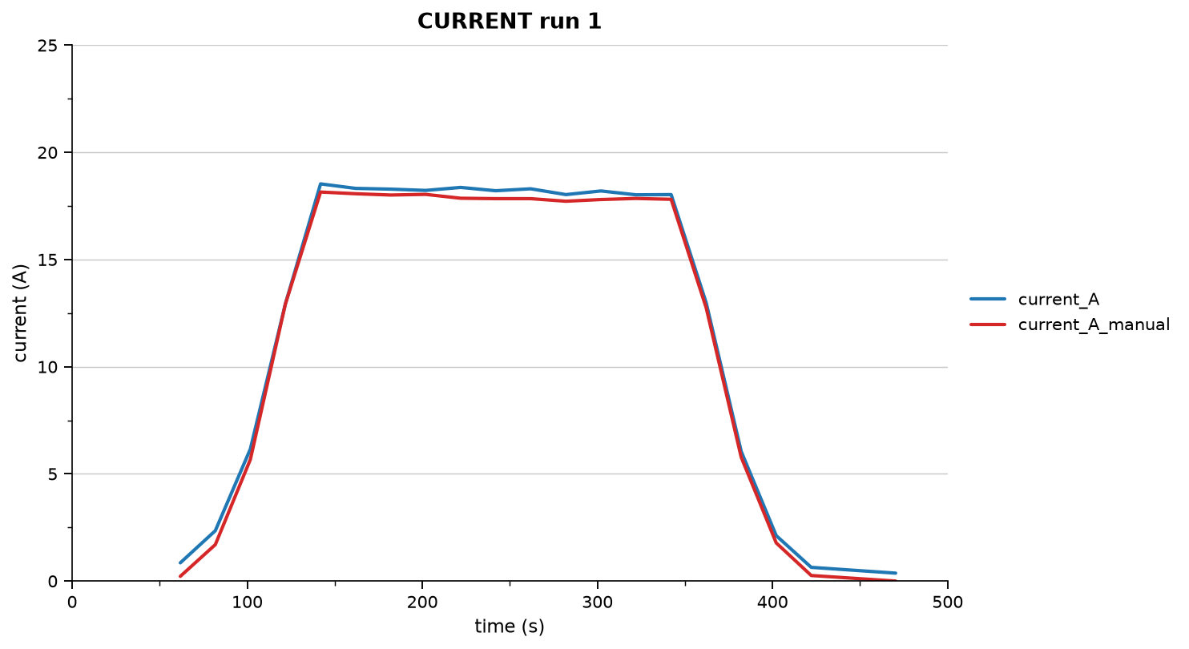
timestamp | elapsed_s | throttle_percent | pwm | current_A | current_A_manual | error | abs_error | relative_error_% | accuracy_%
2026-08-02 | 61.799 | 10.000 | 1100.000 | 0.850 | 0.220 | 0.630 | 0.630 | 286.364 | 0.000
2026-08-02 | 81.800 | 20.000 | 1200.000 | 2.350 | 1.700 | 0.650 | 0.650 | 38.235 | 61.765
2026-08-02 | 101.801 | 30.000 | 1300.000 | 6.160 | 5.670 | 0.490 | 0.490 | 8.642 | 91.358
2026-08-02 | 121.802 | 40.000 | 1400.000 | 12.930 | 12.920 | 0.010 | 0.010 | 0.077 | 99.923
2026-08-02 | 141.901 | 50.000 | 1500.000 | 18.530 | 18.150 | 0.380 | 0.380 | 2.094 | 97.906
2026-08-02 | 161.903 | 60.000 | 1600.000 | 18.320 | 18.070 | 0.250 | 0.250 | 1.384 | 98.616
2026-08-02 | 181.903 | 70.000 | 1700.000 | 18.285 | 18.010 | 0.275 | 0.275 | 1.527 | 98.473
2026-08-02 | 201.904 | 80.000 | 1800.000 | 18.225 | 18.040 | 0.185 | 0.185 | 1.025 | 98.975
2026-08-02 | 221.904 | 90.000 | 1900.000 | 18.365 | 17.860 | 0.505 | 0.505 | 2.828 | 97.172
2026-08-02 | 241.904 | 100.000 | 2000.000 | 18.210 | 17.840 | 0.370 | 0.370 | 2.074 | 97.926
2026-08-02 | 261.903 | 90.000 | 1900.000 | 18.300 | 17.840 | 0.460 | 0.460 | 2.578 | 97.422
2026-08-02 | 282.004 | 80.000 | 1800.000 | 18.030 | 17.720 | 0.310 | 0.310 | 1.749 | 98.251
2026-08-02 | 302.003 | 70.000 | 1700.000 | 18.200 | 17.800 | 0.400 | 0.400 | 2.247 | 97.753
2026-08-02 | 322.007 | 60.000 | 1600.000 | 18.020 | 17.850 | 0.170 | 0.170 | 0.952 | 99.048
2026-08-02 | 342.104 | 50.000 | 1500.000 | 18.030 | 17.810 | 0.220 | 0.220 | 1.235 | 98.765
2026-08-02 | 362.104 | 40.000 | 1400.000 | 12.985 | 12.750 | 0.235 | 0.235 | 1.843 | 98.157
2026-08-02 | 382.104 | 30.000 | 1300.000 | 6.050 | 5.780 | 0.270 | 0.270 | 4.671 | 95.329
2026-08-02 | 402.103 | 20.000 | 1200.000 | 2.120 | 1.780 | 0.340 | 0.340 | 19.101 | 80.899
2026-08-02 | 422.104 | 10.000 | 1100.000 | 0.640 | 0.260 | 0.380 | 0.380 | 146.154 | 0.000
2026-08-02 | 470.307 | 0.000 | 1000.000 | 0.370 | 0.000 | 0.370 | 0.370 |  | 0.000

run2_full
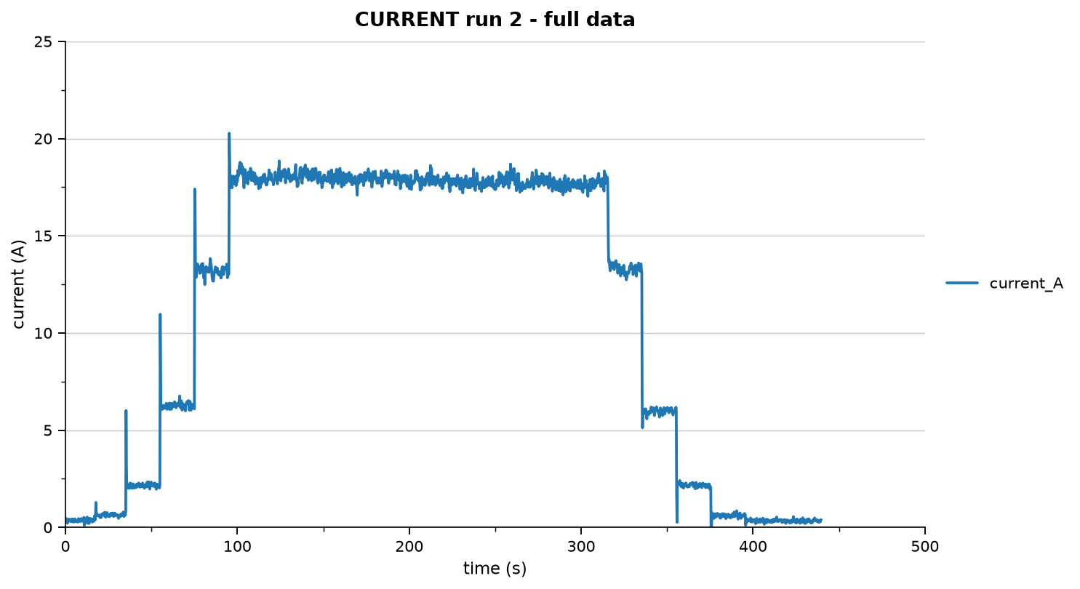
timestamp | elapsed_s | throttle_percent | pwm | current_A | vibration_g | rpm
2026-08-02 | 0.000 | 0.000 | 1000.000 | 0.480 | 0.016 | 0.000
2026-08-02 | 0.100 | 0.000 | 1000.000 | 0.240 | 0.012 | 0.000
2026-08-02 | 0.200 | 0.000 | 1000.000 | 0.330 | 0.013 | 0.000
2026-08-02 | 0.300 | 0.000 | 1000.000 | 0.250 | 0.013 | 0.000
2026-08-02 | 0.400 | 0.000 | 1000.000 | 0.280 | 0.016 | 0.000
2026-08-02 | 0.500 | 0.000 | 1000.000 | 0.380 | 0.012 | 0.000
2026-08-02 | 0.600 | 0.000 | 1000.000 | 0.440 | 0.008 | 0.000
2026-08-02 | 0.699 | 0.000 | 1000.000 | 0.300 | 0.011 | 0.000
2026-08-02 | 0.799 | 0.000 | 1000.000 | 0.380 | 0.010 | 0.000
2026-08-02 | 0.899 | 0.000 | 1000.000 | 0.370 | 0.013 | 0.000
2026-08-02 | 1.000 | 0.000 | 1000.000 | 0.280 | 0.016 | 0.000
2026-08-02 | 1.100 | 0.000 | 1000.000 | 0.440 | 0.013 | 0.000
2026-08-02 | 1.200 | 0.000 | 1000.000 | 0.210 | 0.009 | 0.000
2026-08-02 | 1.300 | 0.000 | 1000.000 | 0.300 | 0.009 | 0.000
2026-08-02 | 1.399 | 0.000 | 1000.000 | 0.370 | 0.013 | 0.000
2026-08-02 | 1.500 | 0.000 | 1000.000 | 0.250 | 0.009 | 0.000
2026-08-02 | 1.599 | 0.000 | 1000.000 | 0.310 | 0.014 | 0.000
2026-08-02 | 1.700 | 0.000 | 1000.000 | 0.430 | 0.010 | 0.000
2026-08-02 | 1.800 | 0.000 | 1000.000 | 0.410 | 0.018 | 0.000
2026-08-02 | 1.900 | 0.000 | 1000.000 | 0.320 | 0.008 | 0.000
2026-08-02 | 1.999 | 0.000 | 1000.000 | 0.430 | 0.010 | 0.000
2026-08-02 | 2.100 | 0.000 | 1000.000 | 0.330 | 0.012 | 0.000
2026-08-02 | 2.200 | 0.000 | 1000.000 | 0.420 | 0.010 | 0.000
2026-08-02 | 2.300 | 0.000 | 1000.000 | 0.370 | 0.011 | 0.000
2026-08-02 | 2.400 | 0.000 | 1000.000 | 0.380 | 0.009 | 0.000
2026-08-02 | 2.501 | 0.000 | 1000.000 | 0.420 | 0.011 | 0.000
2026-08-02 | 2.601 | 0.000 | 1000.000 | 0.320 | 0.010 | 0.000
2026-08-02 | 2.699 | 0.000 | 1000.000 | 0.300 | 0.021 | 0.000
2026-08-02 | 2.799 | 0.000 | 1000.000 | 0.390 | 0.009 | 0.000
2026-08-02 | 2.900 | 0.000 | 1000.000 | 0.380 | 0.013 | 0.000
2026-08-02 | 3.000 | 0.000 | 1000.000 | 0.330 | 0.011 | 0.000
2026-08-02 | 3.100 | 0.000 | 1000.000 | 0.370 | 0.013 | 0.000
2026-08-02 | 3.200 | 0.000 | 1000.000 | 0.300 | 0.010 | 0.000
2026-08-02 | 3.299 | 0.000 | 1000.000 | 0.310 | 0.013 | 0.000
2026-08-02 | 3.399 | 0.000 | 1000.000 | 0.350 | 0.008 | 0.000
2026-08-02 | 3.500 | 0.000 | 1000.000 | 0.360 | 0.012 | 0.000
2026-08-02 | 3.600 | 0.000 | 1000.000 | 0.430 | 0.013 | 0.000
2026-08-02 | 3.700 | 0.000 | 1000.000 | 0.290 | 0.015 | 0.000
2026-08-02 | 3.800 | 0.000 | 1000.000 | 0.420 | 0.011 | 0.000
2026-08-02 | 3.900 | 0.000 | 1000.000 | 0.360 | 0.012 | 0.000
2026-08-02 | 4.000 | 0.000 | 1000.000 | 0.290 | 0.012 | 0.000
2026-08-02 | 4.100 | 0.000 | 1000.000 | 0.420 | 0.007 | 0.000
2026-08-02 | 4.200 | 0.000 | 1000.000 | 0.330 | 0.010 | 0.000
2026-08-02 | 4.300 | 0.000 | 1000.000 | 0.260 | 0.014 | 0.000
2026-08-02 | 4.400 | 0.000 | 1000.000 | 0.320 | 0.015 | 0.000
2026-08-02 | 4.500 | 0.000 | 1000.000 | 0.370 | 0.010 | 0.000
2026-08-02 | 4.600 | 0.000 | 1000.000 | 0.420 | 0.009 | 0.000
2026-08-02 | 4.699 | 0.000 | 1000.000 | 0.410 | 0.014 | 0.000
2026-08-02 | 4.799 | 0.000 | 1000.000 | 0.270 | 0.010 | 0.000
2026-08-02 | 4.900 | 0.000 | 1000.000 | 0.460 | 0.011 | 0.000
2026-08-02 | 5.000 | 0.000 | 1000.000 | 0.410 | 0.015 | 0.000
2026-08-02 | 5.100 | 0.000 | 1000.000 | 0.380 | 0.013 | 0.000
2026-08-02 | 5.200 | 0.000 | 1000.000 | 0.350 | 0.015 | 0.000
2026-08-02 | 5.301 | 0.000 | 1000.000 | 0.350 | 0.009 | 0.000
2026-08-02 | 5.399 | 0.000 | 1000.000 | 0.440 | 0.019 | 0.000
2026-08-02 | 5.500 | 0.000 | 1000.000 | 0.330 | 0.011 | 0.000
2026-08-02 | 5.599 | 0.000 | 1000.000 | 0.290 | 0.012 | 0.000
2026-08-02 | 5.699 | 0.000 | 1000.000 | 0.380 | 0.013 | 0.000
2026-08-02 | 5.800 | 0.000 | 1000.000 | 0.370 | 0.011 | 0.000
2026-08-02 | 5.900 | 0.000 | 1000.000 | 0.380 | 0.014 | 0.000
2026-08-02 | 5.999 | 0.000 | 1000.000 | 0.340 | 0.009 | 0.000
2026-08-02 | 6.099 | 0.000 | 1000.000 | 0.350 | 0.017 | 0.000
2026-08-02 | 6.200 | 0.000 | 1000.000 | 0.330 | 0.008 | 0.000
2026-08-02 | 6.300 | 0.000 | 1000.000 | 0.300 | 0.012 | 0.000
2026-08-02 | 6.400 | 0.000 | 1000.000 | 0.350 | 0.008 | 0.000
2026-08-02 | 6.500 | 0.000 | 1000.000 | 0.270 | 0.015 | 0.000
2026-08-02 | 6.600 | 0.000 | 1000.000 | 0.290 | 0.008 | 0.000
2026-08-02 | 6.699 | 0.000 | 1000.000 | 0.290 | 0.012 | 0.000
2026-08-02 | 6.799 | 0.000 | 1000.000 | 0.300 | 0.011 | 0.000
2026-08-02 | 6.899 | 0.000 | 1000.000 | 0.480 | 0.014 | 0.000
2026-08-02 | 6.999 | 0.000 | 1000.000 | 0.350 | 0.013 | 0.000
2026-08-02 | 7.100 | 0.000 | 1000.000 | 0.410 | 0.009 | 0.000
2026-08-02 | 7.199 | 0.000 | 1000.000 | 0.270 | 0.013 | 0.000
2026-08-02 | 7.299 | 0.000 | 1000.000 | 0.430 | 0.010 | 0.000
2026-08-02 | 7.400 | 0.000 | 1000.000 | 0.400 | 0.012 | 0.000
2026-08-02 | 7.500 | 0.000 | 1000.000 | 0.460 | 0.010 | 0.000
2026-08-02 | 7.600 | 0.000 | 1000.000 | 0.450 | 0.015 | 0.000
2026-08-02 | 7.700 | 0.000 | 1000.000 | 0.330 | 0.007 | 0.000
2026-08-02 | 7.800 | 0.000 | 1000.000 | 0.360 | 0.015 | 0.000
2026-08-02 | 7.900 | 0.000 | 1000.000 | 0.340 | 0.017 | 0.000
2026-08-02 | 7.999 | 0.000 | 1000.000 | 0.410 | 0.009 | 0.000
2026-08-02 | 8.100 | 0.000 | 1000.000 | 0.420 | 0.015 | 0.000
2026-08-02 | 8.200 | 0.000 | 1000.000 | 0.310 | 0.015 | 0.000
2026-08-02 | 8.300 | 0.000 | 1000.000 | 0.350 | 0.016 | 0.000
2026-08-02 | 8.400 | 0.000 | 1000.000 | 0.330 | 0.014 | 0.000
2026-08-02 | 8.500 | 0.000 | 1000.000 | 0.380 | 0.010 | 0.000
2026-08-02 | 8.599 | 0.000 | 1000.000 | 0.430 | 0.014 | 0.000
2026-08-02 | 8.699 | 0.000 | 1000.000 | 0.310 | 0.014 | 0.000
2026-08-02 | 8.800 | 0.000 | 1000.000 | 0.360 | 0.008 | 0.000
2026-08-02 | 8.899 | 0.000 | 1000.000 | 0.310 | 0.011 | 0.000
2026-08-02 | 9.000 | 0.000 | 1000.000 | 0.310 | 0.016 | 0.000
2026-08-02 | 9.100 | 0.000 | 1000.000 | 0.500 | 0.012 | 0.000
2026-08-02 | 9.202 | 0.000 | 1000.000 | 0.430 | 0.012 | 0.000
2026-08-02 | 9.299 | 0.000 | 1000.000 | 0.400 | 0.010 | 0.000
2026-08-02 | 9.399 | 0.000 | 1000.000 | 0.450 | 0.007 | 0.000
2026-08-02 | 9.499 | 0.000 | 1000.000 | 0.360 | 0.012 | 0.000
2026-08-02 | 9.600 | 0.000 | 1000.000 | 0.350 | 0.014 | 0.000
2026-08-02 | 9.699 | 0.000 | 1000.000 | 0.310 | 0.014 | 0.000
2026-08-02 | 9.801 | 0.000 | 1000.000 | 0.370 | 0.012 | 0.000
2026-08-02 | 9.900 | 0.000 | 1000.000 | 0.530 | 0.009 | 0.000
2026-08-02 | 9.999 | 0.000 | 1000.000 | 0.340 | 0.009 | 0.000
2026-08-02 | 10.099 | 0.000 | 1000.000 | 0.270 | 0.011 | 0.000
2026-08-02 | 10.199 | 0.000 | 1000.000 | 0.390 | 0.010 | 0.000
2026-08-02 | 10.299 | 0.000 | 1000.000 | 0.250 | 0.011 | 0.000
2026-08-02 | 10.400 | 0.000 | 1000.000 | 0.300 | 0.013 | 0.000
2026-08-02 | 10.500 | 0.000 | 1000.000 | 0.380 | 0.011 | 0.000
2026-08-02 | 10.600 | 0.000 | 1000.000 | 0.350 | 0.012 | 0.000
2026-08-02 | 10.699 | 0.000 | 1000.000 | 0.320 | 0.010 | 0.000
2026-08-02 | 10.800 | 0.000 | 1000.000 | 0.510 | 0.010 | 0.000
2026-08-02 | 10.899 | 0.000 | 1000.000 | 0.500 | 0.011 | 0.000
2026-08-02 | 10.999 | 0.000 | 1000.000 | 0.100 | 0.013 | 0.000
2026-08-02 | 11.100 | 0.000 | 1000.000 | 0.450 | 0.015 | 0.000
2026-08-02 | 11.200 | 0.000 | 1000.000 | 0.400 | 0.011 | 0.000
2026-08-02 | 11.299 | 0.000 | 1000.000 | 0.310 | 0.013 | 0.000
2026-08-02 | 11.399 | 0.000 | 1000.000 | 0.390 | 0.011 | 0.000
2026-08-02 | 11.500 | 0.000 | 1000.000 | 0.340 | 0.015 | 0.000
2026-08-02 | 11.599 | 0.000 | 1000.000 | 0.370 | 0.015 | 0.000
2026-08-02 | 11.699 | 0.000 | 1000.000 | 0.420 | 0.014 | 0.000
2026-08-02 | 11.800 | 0.000 | 1000.000 | 0.250 | 0.009 | 0.000
2026-08-02 | 11.900 | 0.000 | 1000.000 | 0.530 | 0.012 | 0.000
2026-08-02 | 11.999 | 0.000 | 1000.000 | 0.240 | 0.009 | 0.000
2026-08-02 | 12.099 | 0.000 | 1000.000 | 0.350 | 0.011 | 0.000
2026-08-02 | 12.199 | 0.000 | 1000.000 | 0.440 | 0.010 | 0.000
2026-08-02 | 12.300 | 0.000 | 1000.000 | 0.490 | 0.008 | 0.000
2026-08-02 | 12.400 | 0.000 | 1000.000 | 0.420 | 0.008 | 0.000
2026-08-02 | 12.500 | 0.000 | 1000.000 | 0.360 | 0.011 | 0.000
2026-08-02 | 12.599 | 0.000 | 1000.000 | 0.530 | 0.008 | 0.000
2026-08-02 | 12.699 | 0.000 | 1000.000 | 0.430 | 0.009 | 0.000
2026-08-02 | 12.799 | 0.000 | 1000.000 | 0.410 | 0.011 | 0.000
2026-08-02 | 12.900 | 0.000 | 1000.000 | 0.350 | 0.013 | 0.000
2026-08-02 | 13.000 | 0.000 | 1000.000 | 0.210 | 0.012 | 0.000
2026-08-02 | 13.100 | 0.000 | 1000.000 | 0.330 | 0.022 | 0.000
2026-08-02 | 13.200 | 0.000 | 1000.000 | 0.340 | 0.014 | 0.000
2026-08-02 | 13.299 | 0.000 | 1000.000 | 0.280 | 0.011 | 0.000
2026-08-02 | 13.399 | 0.000 | 1000.000 | 0.300 | 0.009 | 0.000
2026-08-02 | 13.499 | 0.000 | 1000.000 | 0.420 | 0.009 | 0.000
2026-08-02 | 13.600 | 0.000 | 1000.000 | 0.400 | 0.010 | 0.000
2026-08-02 | 13.700 | 0.000 | 1000.000 | 0.370 | 0.008 | 0.000
2026-08-02 | 13.799 | 0.000 | 1000.000 | 0.200 | 0.009 | 0.000
2026-08-02 | 13.899 | 0.000 | 1000.000 | 0.470 | 0.012 | 0.000
2026-08-02 | 13.999 | 0.000 | 1000.000 | 0.460 | 0.009 | 0.000
2026-08-02 | 14.099 | 0.000 | 1000.000 | 0.420 | 0.016 | 0.000
2026-08-02 | 14.200 | 0.000 | 1000.000 | 0.370 | 0.013 | 0.000
2026-08-02 | 14.300 | 0.000 | 1000.000 | 0.400 | 0.019 | 0.000
2026-08-02 | 14.400 | 0.000 | 1000.000 | 0.450 | 0.015 | 0.000
2026-08-02 | 14.500 | 0.000 | 1000.000 | 0.300 | 0.010 | 0.000
2026-08-02 | 14.619 | 0.000 | 1000.000 | 0.430 | 0.012 | 0.000
2026-08-02 | 14.699 | 0.000 | 1000.000 | 0.350 | 0.014 | 0.000
2026-08-02 | 14.799 | 0.000 | 1000.000 | 0.360 | 0.014 | 0.000
2026-08-02 | 14.899 | 0.000 | 1000.000 | 0.370 | 0.012 | 0.000
2026-08-02 | 15.000 | 10.000 | 1100.000 | 0.350 | 0.013 | 0.000
2026-08-02 | 15.099 | 10.000 | 1100.000 | 0.480 | 0.013 | 0.000
2026-08-02 | 15.199 | 10.000 | 1100.000 | 0.440 | 0.018 | 0.000
2026-08-02 | 15.299 | 10.000 | 1100.000 | 0.410 | 0.026 | 0.000
2026-08-02 | 15.431 | 10.000 | 1100.000 | 0.420 | -999.000 | 0.000
2026-08-02 | 15.535 | 10.000 | 1100.000 | 0.350 | -999.000 | 0.000
2026-08-02 | 15.639 | 10.000 | 1100.000 | 0.270 | -999.000 | 0.000
2026-08-02 | 15.743 | 10.000 | 1100.000 | 0.300 | -999.000 | 0.000
2026-08-02 | 15.847 | 10.000 | 1100.000 | 0.300 | -999.000 | 0.000
2026-08-02 | 15.951 | 10.000 | 1100.000 | 0.470 | -999.000 | 0.000
2026-08-02 | 16.059 | 10.000 | 1100.000 | 0.410 | -999.000 | 0.000
2026-08-02 | 16.163 | 10.000 | 1100.000 | 0.400 | -999.000 | 0.000
2026-08-02 | 16.266 | 10.000 | 1100.000 | 0.300 | -999.000 | 0.000
2026-08-02 | 16.371 | 10.000 | 1100.000 | 0.390 | -999.000 | 0.000
2026-08-02 | 16.474 | 10.000 | 1100.000 | 0.370 | -999.000 | 0.000
2026-08-02 | 16.579 | 10.000 | 1100.000 | 0.370 | -999.000 | 118.000
2026-08-02 | 16.683 | 10.000 | 1100.000 | 0.350 | -999.000 | 0.000
2026-08-02 | 16.789 | 10.000 | 1100.000 | 0.450 | -999.000 | 0.000
2026-08-02 | 16.895 | 10.000 | 1100.000 | 0.590 | -999.000 | 0.000
2026-08-02 | 16.999 | 10.000 | 1100.000 | 0.560 | -999.000 | 0.000
2026-08-02 | 17.103 | 10.000 | 1100.000 | 0.430 | -999.000 | 251.000
2026-08-02 | 17.207 | 10.000 | 1100.000 | 0.380 | -999.000 | 0.000
2026-08-02 | 17.311 | 10.000 | 1100.000 | 0.380 | -999.000 | 295.000
2026-08-02 | 17.415 | 10.000 | 1100.000 | 0.390 | -999.000 | 332.000
2026-08-02 | 17.519 | 10.000 | 1100.000 | 0.590 | -999.000 | 0.000
2026-08-02 | 17.626 | 10.000 | 1100.000 | 0.970 | -999.000 | 397.000
2026-08-02 | 17.731 | 10.000 | 1100.000 | 1.280 | -999.000 | 573.000
2026-08-02 | 17.835 | 10.000 | 1100.000 | 0.880 | -999.000 | 759.000
2026-08-02 | 17.939 | 10.000 | 1100.000 | 0.750 | -999.000 | 740.000
2026-08-02 | 18.042 | 10.000 | 1100.000 | 0.650 | -999.000 | 716.000
2026-08-02 | 18.147 | 10.000 | 1100.000 | 0.730 | -999.000 | 702.000
2026-08-02 | 18.251 | 10.000 | 1100.000 | 0.740 | -999.000 | 696.000
2026-08-02 | 18.357 | 10.000 | 1100.000 | 0.640 | -999.000 | 695.000
2026-08-02 | 18.463 | 10.000 | 1100.000 | 0.490 | -999.000 | 695.000
2026-08-02 | 18.567 | 10.000 | 1100.000 | 0.610 | -999.000 | 696.000
2026-08-02 | 18.671 | 10.000 | 1100.000 | 0.490 | -999.000 | 697.000
2026-08-02 | 18.775 | 10.000 | 1100.000 | 0.640 | -999.000 | 697.000
2026-08-02 | 18.879 | 10.000 | 1100.000 | 0.580 | -999.000 | 697.000
2026-08-02 | 18.983 | 10.000 | 1100.000 | 0.610 | -999.000 | 698.000
2026-08-02 | 19.087 | 10.000 | 1100.000 | 0.490 | -999.000 | 5454546.000
2026-08-02 | 19.197 | 10.000 | 1100.000 | 0.590 | -999.000 | 696.000
2026-08-02 | 19.299 | 10.000 | 1100.000 | 0.620 | -999.000 | 696.000
2026-08-02 | 19.403 | 10.000 | 1100.000 | 0.620 | -999.000 | 696.000
2026-08-02 | 19.507 | 10.000 | 1100.000 | 0.760 | -999.000 | 695.000
2026-08-02 | 19.611 | 10.000 | 1100.000 | 0.630 | -999.000 | 696.000
2026-08-02 | 19.715 | 10.000 | 1100.000 | 0.710 | -999.000 | 696.000
2026-08-02 | 19.819 | 10.000 | 1100.000 | 0.630 | -999.000 | 696.000
2026-08-02 | 19.926 | 10.000 | 1100.000 | 0.590 | -999.000 | 697.000
2026-08-02 | 20.031 | 10.000 | 1100.000 | 0.510 | -999.000 | 696.000
2026-08-02 | 20.134 | 10.000 | 1100.000 | 0.680 | -999.000 | 697.000
2026-08-02 | 20.238 | 10.000 | 1100.000 | 0.520 | -999.000 | 696.000
2026-08-02 | 20.343 | 10.000 | 1100.000 | 0.670 | -999.000 | 696.000
2026-08-02 | 20.447 | 10.000 | 1100.000 | 0.630 | -999.000 | 696.000
2026-08-02 | 20.550 | 10.000 | 1100.000 | 0.640 | -999.000 | 697.000
2026-08-02 | 20.654 | 10.000 | 1100.000 | 0.500 | -999.000 | 697.000
2026-08-02 | 20.763 | 10.000 | 1100.000 | 0.650 | -999.000 | 696.000
2026-08-02 | 20.867 | 10.000 | 1100.000 | 0.660 | -999.000 | 696.000
2026-08-02 | 20.970 | 10.000 | 1100.000 | 0.580 | -999.000 | 695.000
2026-08-02 | 21.074 | 10.000 | 1100.000 | 0.660 | -999.000 | 697.000
2026-08-02 | 21.178 | 10.000 | 1100.000 | 0.630 | -999.000 | 696.000
2026-08-02 | 21.283 | 10.000 | 1100.000 | 0.630 | -999.000 | 697.000
2026-08-02 | 21.387 | 10.000 | 1100.000 | 0.640 | -999.000 | 696.000
2026-08-02 | 21.493 | 10.000 | 1100.000 | 0.680 | -999.000 | 696.000
2026-08-02 | 21.598 | 10.000 | 1100.000 | 0.680 | -999.000 | 702.000
2026-08-02 | 21.703 | 10.000 | 1100.000 | 0.680 | -999.000 | 698.000
2026-08-02 | 21.807 | 10.000 | 1100.000 | 0.690 | -999.000 | 697.000
2026-08-02 | 21.911 | 10.000 | 1100.000 | 0.720 | -999.000 | 696.000
2026-08-02 | 22.015 | 10.000 | 1100.000 | 0.680 | -999.000 | 695.000
2026-08-02 | 22.118 | 10.000 | 1100.000 | 0.700 | -999.000 | 695.000
2026-08-02 | 22.223 | 10.000 | 1100.000 | 0.700 | -999.000 | 696.000
2026-08-02 | 22.330 | 10.000 | 1100.000 | 0.650 | -999.000 | 697.000
2026-08-02 | 22.434 | 10.000 | 1100.000 | 0.630 | -999.000 | 697.000
2026-08-02 | 22.539 | 10.000 | 1100.000 | 0.590 | -999.000 | 696.000
2026-08-02 | 22.643 | 10.000 | 1100.000 | 0.690 | -999.000 | 697.000
2026-08-02 | 22.747 | 10.000 | 1100.000 | 0.770 | -999.000 | 697.000
2026-08-02 | 22.851 | 10.000 | 1100.000 | 0.730 | -999.000 | 696.000
2026-08-02 | 22.955 | 10.000 | 1100.000 | 0.770 | -999.000 | 696.000
2026-08-02 | 23.061 | 10.000 | 1100.000 | 0.730 | -999.000 | 697.000
2026-08-02 | 23.167 | 10.000 | 1100.000 | 0.680 | -999.000 | 698.000
2026-08-02 | 23.271 | 10.000 | 1100.000 | 0.670 | -999.000 | 697.000
2026-08-02 | 23.375 | 10.000 | 1100.000 | 0.520 | -999.000 | 695.000
2026-08-02 | 23.479 | 10.000 | 1100.000 | 0.520 | -999.000 | 696.000
2026-08-02 | 23.582 | 10.000 | 1100.000 | 0.630 | -999.000 | 697.000
2026-08-02 | 23.687 | 10.000 | 1100.000 | 0.640 | -999.000 | 697.000
2026-08-02 | 23.791 | 10.000 | 1100.000 | 0.600 | -999.000 | 697.000
2026-08-02 | 23.899 | 10.000 | 1100.000 | 0.520 | -999.000 | 697.000
2026-08-02 | 24.003 | 10.000 | 1100.000 | 0.570 | -999.000 | 697.000
2026-08-02 | 24.106 | 10.000 | 1100.000 | 0.690 | -999.000 | 696.000
2026-08-02 | 24.211 | 10.000 | 1100.000 | 0.760 | -999.000 | 704.000
2026-08-02 | 24.314 | 10.000 | 1100.000 | 0.630 | -999.000 | 706.000
2026-08-02 | 24.418 | 10.000 | 1100.000 | 0.620 | -999.000 | 698.000
2026-08-02 | 24.523 | 10.000 | 1100.000 | 0.510 | -999.000 | 695.000
2026-08-02 | 24.629 | 10.000 | 1100.000 | 0.610 | -999.000 | 695.000
2026-08-02 | 24.734 | 10.000 | 1100.000 | 0.580 | -999.000 | 696.000
2026-08-02 | 24.839 | 10.000 | 1100.000 | 0.640 | -999.000 | 697.000
2026-08-02 | 24.989 | 10.000 | 1100.000 | 0.570 | -999.000 | 697.000
2026-08-02 | 25.047 | 10.000 | 1100.000 | 0.570 | -999.000 | 697.000
2026-08-02 | 25.150 | 10.000 | 1100.000 | 0.630 | -999.000 | 698.000
2026-08-02 | 25.255 | 10.000 | 1100.000 | 0.590 | -999.000 | 697.000
2026-08-02 | 25.359 | 10.000 | 1100.000 | 0.460 | -999.000 | 697.000
2026-08-02 | 25.466 | 10.000 | 1100.000 | 0.640 | -999.000 | 696.000
2026-08-02 | 25.571 | 10.000 | 1100.000 | 0.600 | -999.000 | 696.000
2026-08-02 | 25.674 | 10.000 | 1100.000 | 0.550 | -999.000 | 697.000
2026-08-02 | 25.779 | 10.000 | 1100.000 | 0.620 | -999.000 | 698.000
2026-08-02 | 25.883 | 10.000 | 1100.000 | 0.670 | -999.000 | 697.000
2026-08-02 | 25.987 | 10.000 | 1100.000 | 0.680 | -999.000 | 698.000
2026-08-02 | 26.091 | 10.000 | 1100.000 | 0.700 | -999.000 | 702.000
2026-08-02 | 26.197 | 10.000 | 1100.000 | 0.690 | -999.000 | 701.000
2026-08-02 | 26.303 | 10.000 | 1100.000 | 0.620 | -999.000 | 697.000
2026-08-02 | 26.407 | 10.000 | 1100.000 | 0.570 | -999.000 | 697.000
2026-08-02 | 26.510 | 10.000 | 1100.000 | 0.610 | -999.000 | 697.000
2026-08-02 | 26.614 | 10.000 | 1100.000 | 0.740 | -999.000 | 697.000
2026-08-02 | 26.718 | 10.000 | 1100.000 | 0.730 | -999.000 | 696.000
2026-08-02 | 26.823 | 10.000 | 1100.000 | 0.760 | -999.000 | 696.000
2026-08-02 | 26.926 | 10.000 | 1100.000 | 0.670 | -999.000 | 696.000
2026-08-02 | 27.035 | 10.000 | 1100.000 | 0.700 | -999.000 | 697.000
2026-08-02 | 27.139 | 10.000 | 1100.000 | 0.680 | -999.000 | 697.000
2026-08-02 | 27.243 | 10.000 | 1100.000 | 0.610 | -999.000 | 698.000
2026-08-02 | 27.347 | 10.000 | 1100.000 | 0.640 | -999.000 | 698.000
2026-08-02 | 27.450 | 10.000 | 1100.000 | 0.530 | -999.000 | 698.000
2026-08-02 | 27.555 | 10.000 | 1100.000 | 0.690 | -999.000 | 696.000
2026-08-02 | 27.658 | 10.000 | 1100.000 | 0.580 | -999.000 | 696.000
2026-08-02 | 27.765 | 10.000 | 1100.000 | 0.580 | -999.000 | 697.000
2026-08-02 | 27.870 | 10.000 | 1100.000 | 0.520 | -999.000 | 697.000
...

run2_validation
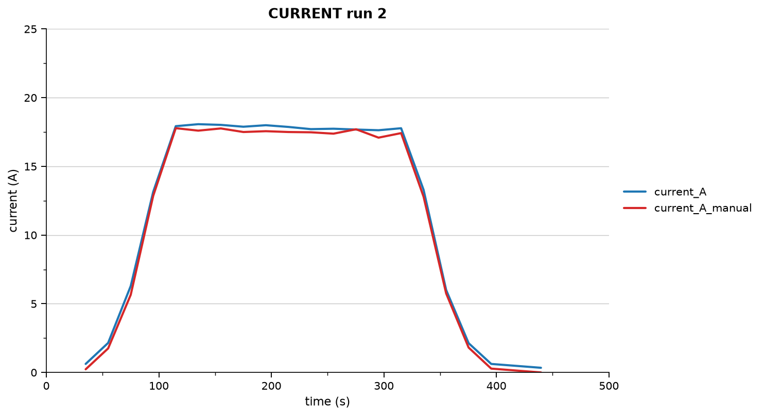
current_A_manual | error | abs_error | relative_error_% | accuracy_%
0.230 | 0.390 | 0.390 | 169.565 | 0.000
1.750 | 0.400 | 0.400 | 22.857 | 77.143
5.650 | 0.640 | 0.640 | 11.327 | 88.673
12.850 | 0.290 | 0.290 | 2.257 | 97.743
17.780 | 0.145 | 0.145 | 0.816 | 99.184
17.600 | 0.470 | 0.470 | 2.670 | 97.330
17.760 | 0.260 | 0.260 | 1.464 | 98.536
17.500 | 0.385 | 0.385 | 2.200 | 97.800
17.560 | 0.435 | 0.435 | 2.477 | 97.523
17.500 | 0.370 | 0.370 | 2.114 | 97.886
17.480 | 0.230 | 0.230 | 1.316 | 98.684
17.380 | 0.360 | 0.360 | 2.071 | 97.929
17.700 | -0.020 | 0.020 | 0.113 | 99.887
17.090 | 0.540 | 0.540 | 3.160 | 96.840
17.420 | 0.355 | 0.355 | 2.038 | 97.962
12.790 | 0.500 | 0.500 | 3.909 | 96.091
5.750 | 0.250 | 0.250 | 4.348 | 95.652
1.810 | 0.320 | 0.320 | 17.680 | 82.320
0.280 | 0.340 | 0.340 | 121.429 | 0.000
0.000 | 0.340 | 0.340 |  | 0.000

run3_full
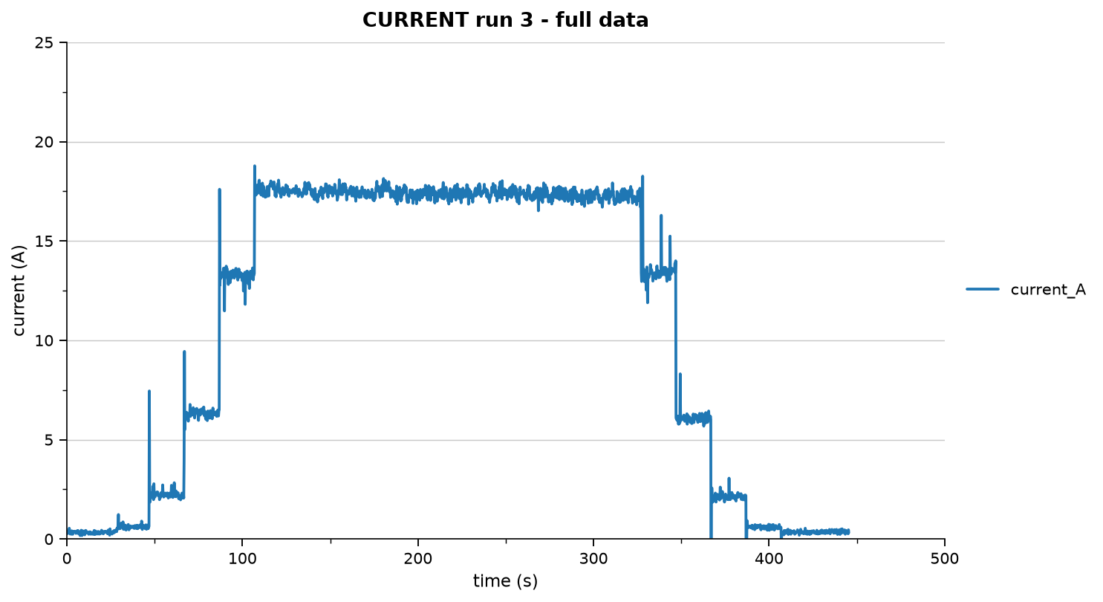
vibration_g | rpm
0.009 | 0.000
0.015 | 0.000
0.011 | 0.000
0.012 | 0.000
0.011 | 0.000
0.014 | 0.000
0.013 | 0.000
0.014 | 0.000
0.020 | 0.000
0.013 | 0.000
0.017 | 0.000
0.010 | 0.000
0.015 | 0.000
0.017 | 0.000
0.013 | 0.000
0.011 | 0.000
0.014 | 0.000
0.014 | 0.000
0.015 | 0.000
0.014 | 0.000
0.010 | 0.000
0.018 | 0.000
0.009 | 0.000
0.012 | 0.000
0.010 | 0.000
0.012 | 0.000
0.007 | 0.000
0.011 | 0.000
0.011 | 0.000
0.011 | 0.000
...

run3_validation
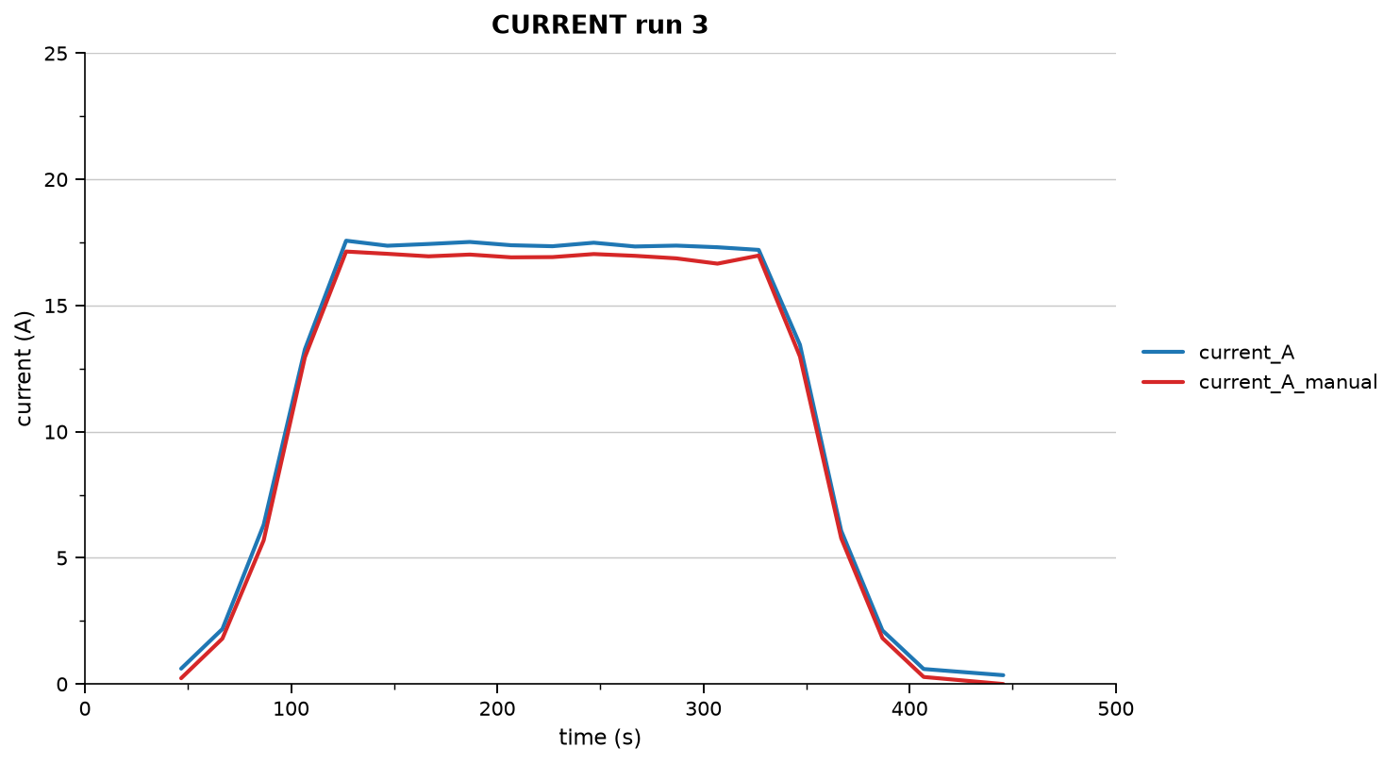
current_A_manual | error | abs_error | relative_error_% | accuracy_%
0.230 | 0.380 | 0.380 | 165.217 | 0.000
1.800 | 0.380 | 0.380 | 21.111 | 78.889
5.690 | 0.620 | 0.620 | 10.896 | 89.104
12.950 | 0.315 | 0.315 | 2.432 | 97.568
17.140 | 0.430 | 0.430 | 2.509 | 97.491
17.050 | 0.320 | 0.320 | 1.877 | 98.123
16.950 | 0.490 | 0.490 | 2.891 | 97.109
17.020 | 0.500 | 0.500 | 2.938 | 97.062
16.910 | 0.480 | 0.480 | 2.839 | 97.161
16.920 | 0.430 | 0.430 | 2.541 | 97.459
17.040 | 0.450 | 0.450 | 2.641 | 97.359
16.970 | 0.370 | 0.370 | 2.180 | 97.820
16.870 | 0.505 | 0.505 | 2.993 | 97.007
16.660 | 0.650 | 0.650 | 3.902 | 96.098
16.980 | 0.225 | 0.225 | 1.325 | 98.675
12.980 | 0.465 | 0.465 | 3.582 | 96.418
5.780 | 0.295 | 0.295 | 5.104 | 94.896
1.820 | 0.305 | 0.305 | 16.758 | 83.242
0.280 | 0.315 | 0.315 | 112.500 | 0.000
0.000 | 0.350 | 0.350 |  | 0.000

run4_full
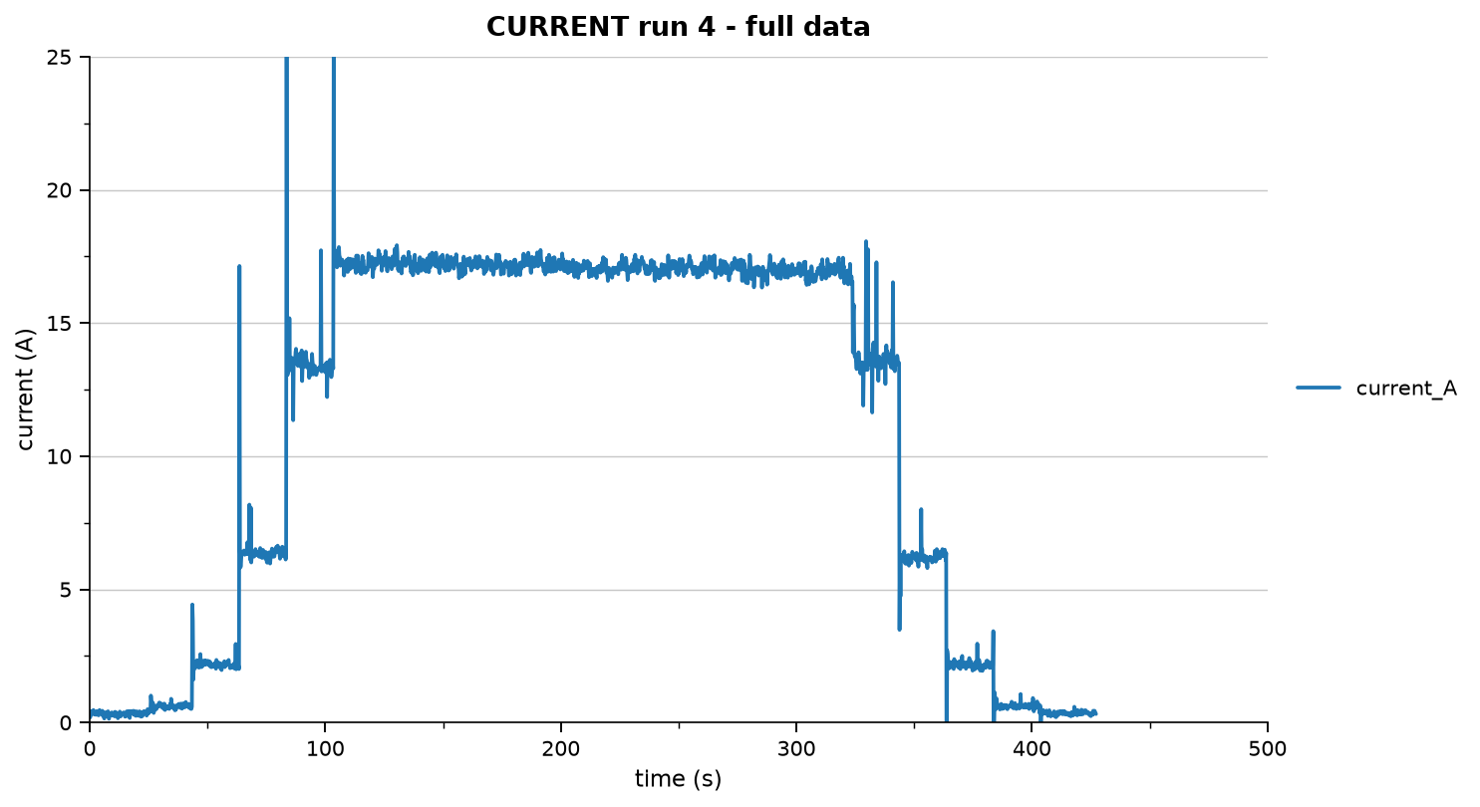
vibration_g | rpm
0.011 | 0.000
0.014 | 0.000
0.011 | 0.000
0.015 | 0.000
0.014 | 0.000
0.013 | 0.000
0.016 | 0.000
0.018 | 0.000
0.011 | 0.000
0.013 | 0.000
0.008 | 0.000
0.014 | 0.000
0.011 | 0.000
0.010 | 0.000
0.016 | 0.000
0.011 | 0.000
0.014 | 0.000
0.011 | 0.000
0.006 | 0.000
0.009 | 0.000
0.012 | 0.000
0.017 | 0.000
0.016 | 0.000
0.009 | 0.000
0.013 | 0.000
0.016 | 0.000
0.010 | 0.000
0.010 | 0.000
0.021 | 0.000
0.017 | 0.000
...

run4_validation
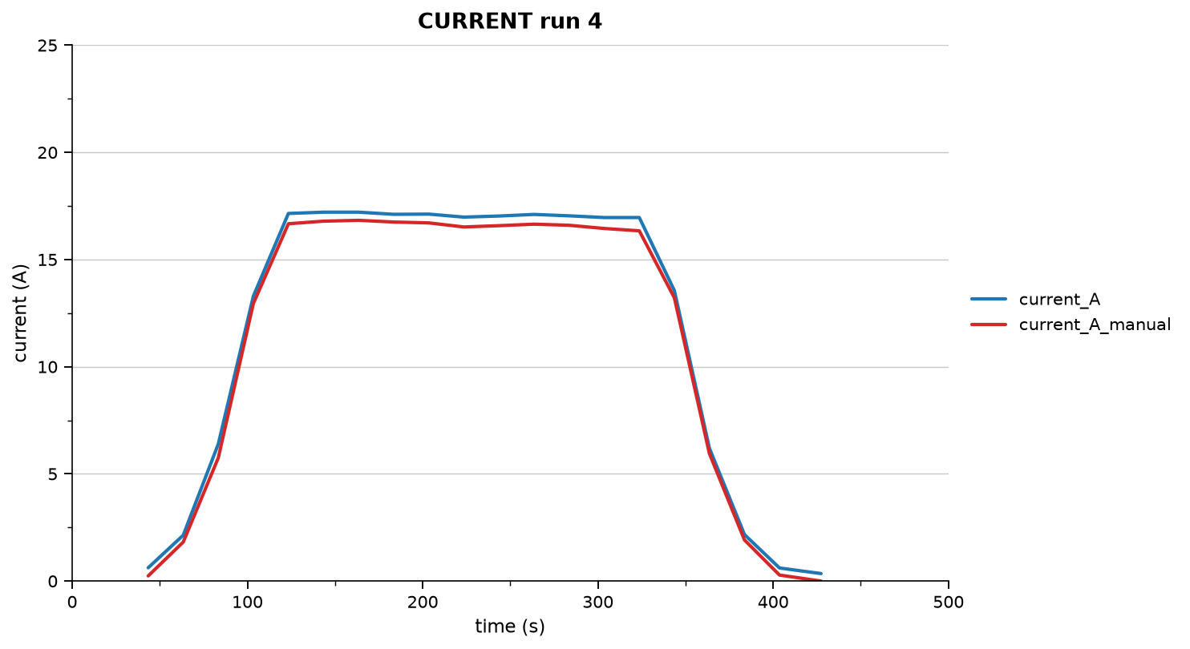
current_A_manual | error | abs_error | relative_error_% | accuracy_%
0.240 | 0.380 | 0.380 | 158.333 | 0.000
1.820 | 0.320 | 0.320 | 17.582 | 82.418
5.750 | 0.645 | 0.645 | 11.217 | 88.783
12.950 | 0.340 | 0.340 | 2.625 | 97.375
16.670 | 0.480 | 0.480 | 2.879 | 97.121
16.790 | 0.420 | 0.420 | 2.501 | 97.499
16.830 | 0.380 | 0.380 | 2.258 | 97.742
16.750 | 0.360 | 0.360 | 2.149 | 97.851
16.710 | 0.410 | 0.410 | 2.454 | 97.546
16.520 | 0.460 | 0.460 | 2.785 | 97.215
16.580 | 0.450 | 0.450 | 2.714 | 97.286
16.650 | 0.455 | 0.455 | 2.733 | 97.267
16.600 | 0.440 | 0.440 | 2.651 | 97.349
16.450 | 0.510 | 0.510 | 3.100 | 96.900
16.340 | 0.620 | 0.620 | 3.794 | 96.206
13.220 | 0.335 | 0.335 | 2.534 | 97.466
5.950 | 0.250 | 0.250 | 4.202 | 95.798
1.920 | 0.250 | 0.250 | 13.021 | 86.979
0.280 | 0.330 | 0.330 | 117.857 | 0.000
0.000 | 0.350 | 0.350 |  | 0.000

run5_full
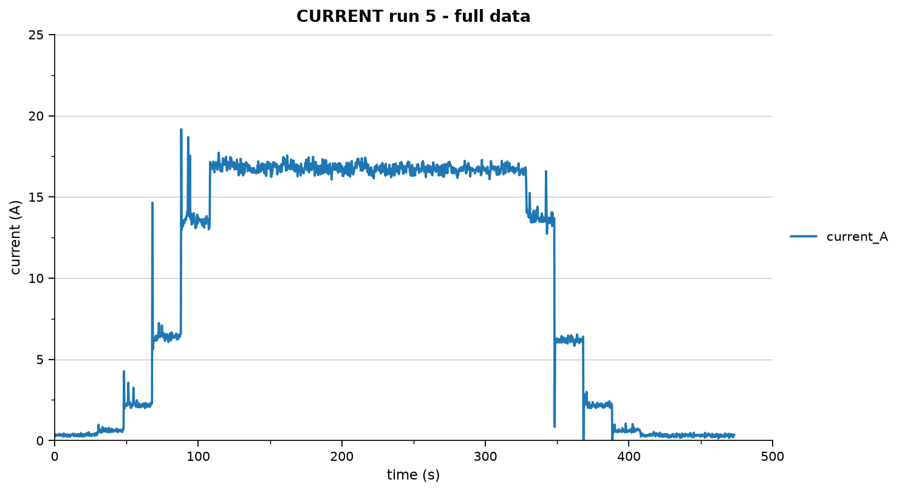
vibration_g | rpm
0.011 | 0.000
0.011 | 0.000
0.007 | 0.000
0.013 | 0.000
0.014 | 0.000
0.013 | 0.000
0.014 | 0.000
0.014 | 0.000
0.020 | 0.000
0.008 | 0.000
0.015 | 0.000
0.010 | 0.000
0.010 | 0.000
0.014 | 0.000
0.010 | 0.000
0.011 | 0.000
0.011 | 0.000
0.014 | 0.000
0.015 | 0.000
0.022 | 0.000
0.012 | 0.000
0.013 | 0.000
0.008 | 0.000
0.014 | 0.000
0.016 | 0.000
0.017 | 0.000
0.014 | 0.000
0.010 | 0.000
0.019 | 0.000
0.011 | 0.000
...

run5_validation
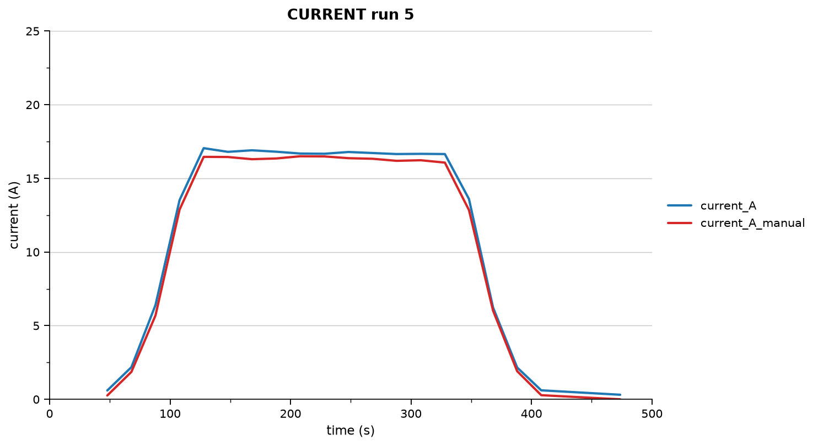
current_A_manual | error | abs_error | relative_error_% | accuracy_%
0.260 | 0.340 | 0.340 | 130.769 | 0.000
1.860 | 0.320 | 0.320 | 17.204 | 82.796
5.690 | 0.710 | 0.710 | 12.478 | 87.522
12.880 | 0.645 | 0.645 | 5.008 | 94.992
16.460 | 0.590 | 0.590 | 3.584 | 96.416
16.450 | 0.350 | 0.350 | 2.128 | 97.872
16.300 | 0.605 | 0.605 | 3.712 | 96.288
16.350 | 0.460 | 0.460 | 2.813 | 97.187
16.500 | 0.185 | 0.185 | 1.121 | 98.879
16.490 | 0.180 | 0.180 | 1.092 | 98.908
16.370 | 0.420 | 0.420 | 2.566 | 97.434
16.330 | 0.390 | 0.390 | 2.388 | 97.612
16.190 | 0.460 | 0.460 | 2.841 | 97.159
16.230 | 0.435 | 0.435 | 2.680 | 97.320
16.070 | 0.580 | 0.580 | 3.609 | 96.391
12.850 | 0.750 | 0.750 | 5.837 | 94.163
6.020 | 0.210 | 0.210 | 3.488 | 96.512
1.910 | 0.250 | 0.250 | 13.089 | 86.911
0.280 | 0.330 | 0.330 | 117.857 | 0.000
0.000 | 0.310 | 0.310 |  | 0.000

