Table 4
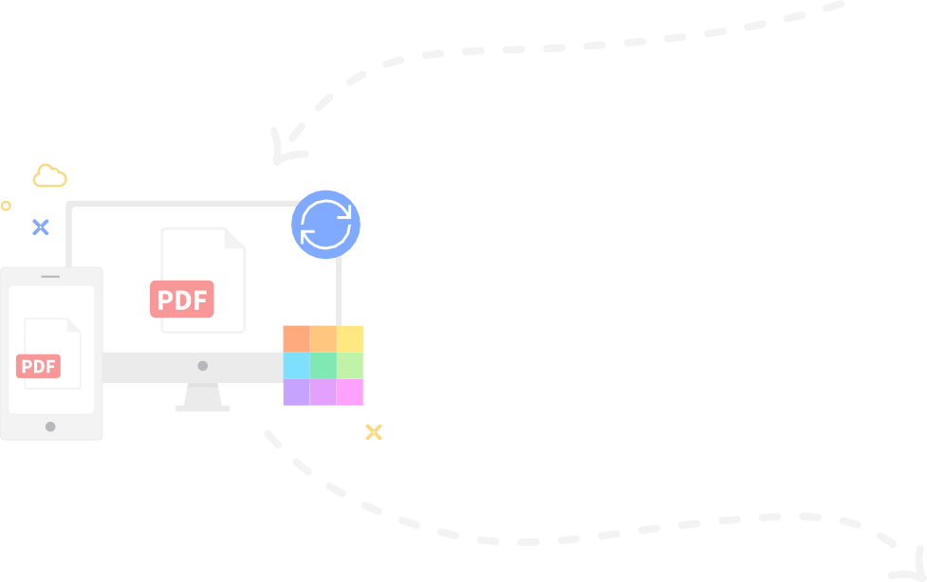
Access Files Anytime, Anywhere You can access files stored on Smallpdf from your computer, phone, or tablet. We’ll also sync files from the Smallpdf Mobile App to our online portal

Table 5
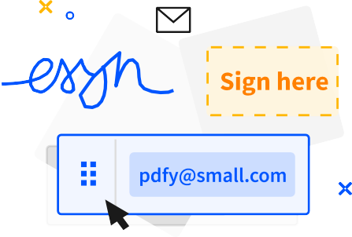 Collaborate With Others Forget mundane administrative tasks. With Smallpdf, you can request e-signatures, send large files, or even enable the Smallpdf G Suite App for your entire organization.

