Monthly Trend
Monthly Revenue Trend — UK Online Retailer Analysis
InvoiceDate | SUM of Revenue
Dec | 686654.16
Jan | 168706.55
Grand Total | 855360.71

Top Products
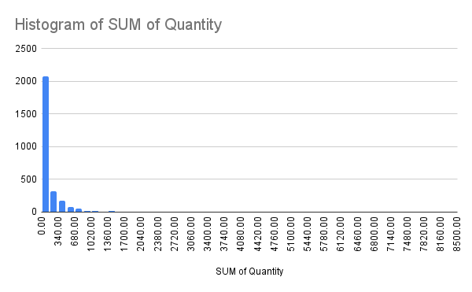
Top 10 Best Selling Products by Quantity — UK Online Retailer Analysis
Description | SUM of Quantity
WHITE HANGING HEART T-LIGHT HOLDER | 8019
PACK OF 12 RED SPOTTY TISSUES | 6031
PACK OF 72 RETRO SPOT CAKE CASES | 5551
PACK OF 12 SKULL TISSUES | 5232
PACK OF 12 PINK PAISLEY TISSUES | 5081
JUMBO BAG RED WHITE SPOTTY | 4878
PACK OF 12 WOODLAND TISSUES | 4863
ASSORTED COLOUR BIRD ORNAMENT | 4813
SMALL CHINESE STYLE SCISSOR | 4540
FAIRY CAKE CANDLES | 3891
Grand Total | 52899

Revenue by Country
Revenue by Country — UK Online Retailer Analysis
Country | SUM of Revenue
United Kingdom | 725860.29
EIRE | 67362.38
Netherlands | 15204.73
France | 11542.81
Germany | 10754.13
Spain | 8710.42
Cyprus | 3556.98
Portugal | 2821.58
Austria | 1998.34
Denmark | 1437.66
Channel Islands | 989.18
Belgium | 852.15
Greece | 610.95
Switzerland | 589.4
Finland | 549.08
United Arab Emirates | 517.7
Norway | 485.31
Italy | 422.35
Poland | 371.82
Sweden | 311.35
Australia | 271.1
USA | 141
Grand Total | 855360.71

