DASHBOARD
Nigerian Car Market
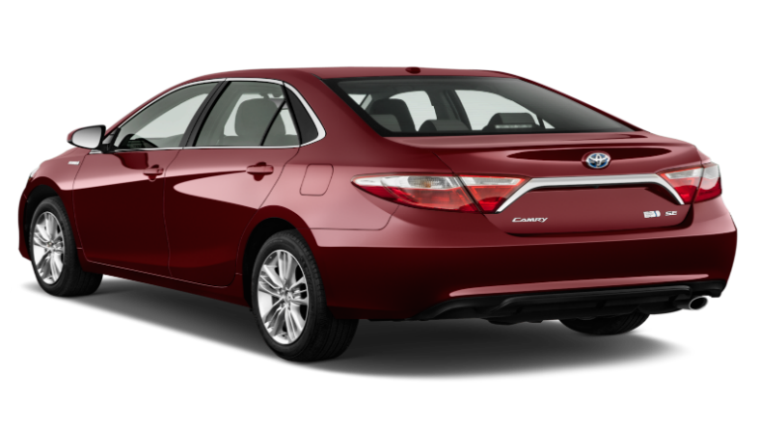
Average Vehicle Metrics: Nigerian Car
Location: Nigeria - Africa
₦5.0M
28K
(km)
217
(hp)
3.1K
(cc)
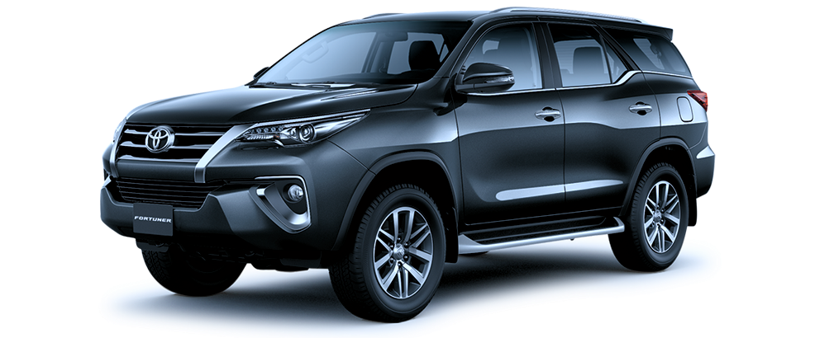
Price
Mileage
Horse power
Engine size

 | Total
Acura | 56
Ford | 135
Honda | 310
Hyundai | 97
Kia | 57
Lexus | 289
Mercedes-Benz | 261
Nissan | 111
Toyota | 1126
Volkswagen | 56
Top 10 Most Popular Car Makes in Nigeria

 | Total
Beige | 18
Black | 741
Blue | 323
Brown | 46
Gold | 149
Gray | 498
Green | 100
Red | 205
Silver | 484
White | 279
Which Colour Wins? Top 10 Picks for Nigerian Cars

 | Total
Automatic | 2702
Manual | 171
Niaja Driver`s Choice: Automatic or Manual ?

Insights on Pricing, Mileage, Performance, derived from the Car45_dataset

