Sheet1 (2)
Physical Science | 66
Engineering | 17
IT | 19
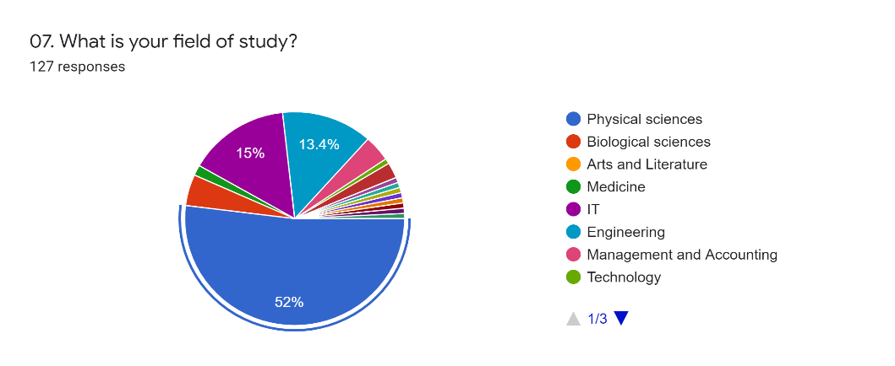
 | Khan Academy | Free Code Camp | MIT Open Course Ware
Physical Science | 61 | 18 | 20
Engineering | 13 | 4 | 7
IT | 12 | 12 | 6

 | Khan Academy | Free Code Camp | MIT Open Course Ware
Physical Science | 92.42% | 27.27% | 30.30%
Engineering | 76.47% | 23.53% | 41.18%
IT | 63.16% | 63.16% | 31.58%

Physical Sciences who use Khan academy | 61
 | counts | percentages
Physical Sciences who use Khan academy for Mathematics and Statistics | 21 | 34%
Physical Sciences who use Khan academy for Computer science related | 15 | 25%
Physical Sciences who use Khan academy for Physics | 5 | 8%
Physical Sciences who use Khan academy for all other 20 subject areas | 20 | 33%

128 | nationality | No. of Views | Content creater name | No. of Subcribers | Public comments | Thumbnails
High Impact | 33 | 25 | 38 | 20 | 24 | 22
Meadium Impact | 73 | 73 | 46 | 47 | 74 | 77
Low or no Impact | 22 | 30 | 43 | 61 | 30 | 29

128 | nationality | No. of Views | Content creater name | No. of Subcribers | Public comments | Thumbnails
High Impact | 26% | 20% | 30% | 16% | 19% | 17%
Meadium Impact | 57% | 57% | 36% | 37% | 58% | 60%
Low or no Impact | 17% | 23% | 34% | 48% | 23% | 23%

 | Industry Expert | University Lecturer | Undergraduate Student | Youtube Content Creator | Other
Rank 1 | 27 | 47 | 2 | 8 | 1
Rank 2 | 41 | 19 | 14 | 10 | 1
Rank 3 | 10 | 10 | 31 | 34 | 0
Rank 4 | 4 | 5 | 38 | 26 | 12
Rank 5 | 3 | 4 | 0 | 7 | 71

 | Rank 1 | Rank 2 | Rank 3 | Rank 4 | Rank 5 | Rank 6 | Rank 7
A tutorial with solved examples | 94 | 13 | 5 | 9 | 3 | 0 | 4 | 128
Lectures | 4 | 20 | 46 | 14 | 16 | 13 | 15 | 128
Animated explainers | 19 | 57 | 17 | 8 | 9 | 14 | 4 | 128
Real world applications | 8 | 19 | 18 | 37 | 34 | 9 | 3 | 128
Simulations | 2 | 11 | 21 | 45 | 28 | 16 | 5 | 128
Laboratory experiments | 1 | 7 | 15 | 10 | 28 | 49 | 18 | 128
Videos with embedded subtitles (No voice over) | 0 | 1 | 6 | 5 | 10 | 27 | 79 | 128
 | 128 | 128 | 128 | 128 | 128 | 128 | 128

 | A tutorial with solved examples | Lectures | Animated explainers | Real world applications | Simulations | Laboratory experiments | Videos with embedded subtitles (No voice over)
less than 5 mins | 8 | 1 | 2 | 0 | 0 | 0 | 0
5 - 10 mins | 24 | 1 | 10 | 3 | 1 | 0 | 0
10 - 15 mins | 52 | 1 | 7 | 3 | 0 | 1 | 0
More than 15 mins | 10 | 1 | 0 | 2 | 1 | 0 | 0
 | 94 | 4 | 19 | 8 | 2 | 1 | 0

