zambia.prepost.ETmeansbyConvers
 | Count | Area_m2 | Area_km2 | Pre Expansion ET | Post Expansion ET | PerChange | Post Expansion Kc-ET | Change | PerChange | OID | PreET_Mm3_month | PostET_Mm3_month | ChangeET_Mm3_month | Kc-ET_Mm3_month
Always Cane | 47 | 47000000 | 47 | 58.38 | 57.44 | -1.60 | 59.92 | -9.36 | -1.6 | 1 | 2.743719 | 2.699727 | -0.043992 | 2.8161225
Crop to Cane | 17 | 17000000 | 17 | 55.30 | 60.79 | 9.92 | 60.51 | 54.87 | 9.92 | 2 | 0.940083 | 1.033362 | 0.093279 | 1.0286983333
Kascol Boundary | 25 | 25000000 | 25 | 58.83 | 56.68 | -3.64 | 58.19 | -21.44 | -3.64 | 5 | 1.47065 | 1.41705 | -0.0536 | 1.4546979167
Shrub to Cane | 44 | 44000000 | 44 | 53.06 | 64.26 | 21.11 | 60.22 | 112 | 21.11 | 7 | 2.334728 | 2.827528 | 0.4928 | 2.6497533333
Unknown to Cane | 30 | 30000000 | 30 | 53.34 | 53.17 | -0.32 | 60.87 | -1.73 | -0.32 | 8 | 1.60029 | 1.5951 | -0.00519 | 1.8260625
Forest to Cane | 4 | 4000000 | 4 | 51.84 | 52.77 | 1.78 |  | 9.25 | 1.78 | 3 | 0.20736 | 0.21106 | 0.0037
Grass to Cane | 7 | 7000000 | 7 | 55.47 | 56.02 | 1.00 |  | 5.53 | 1 | 4 | 0.38829 | 0.392161 | 0.003871
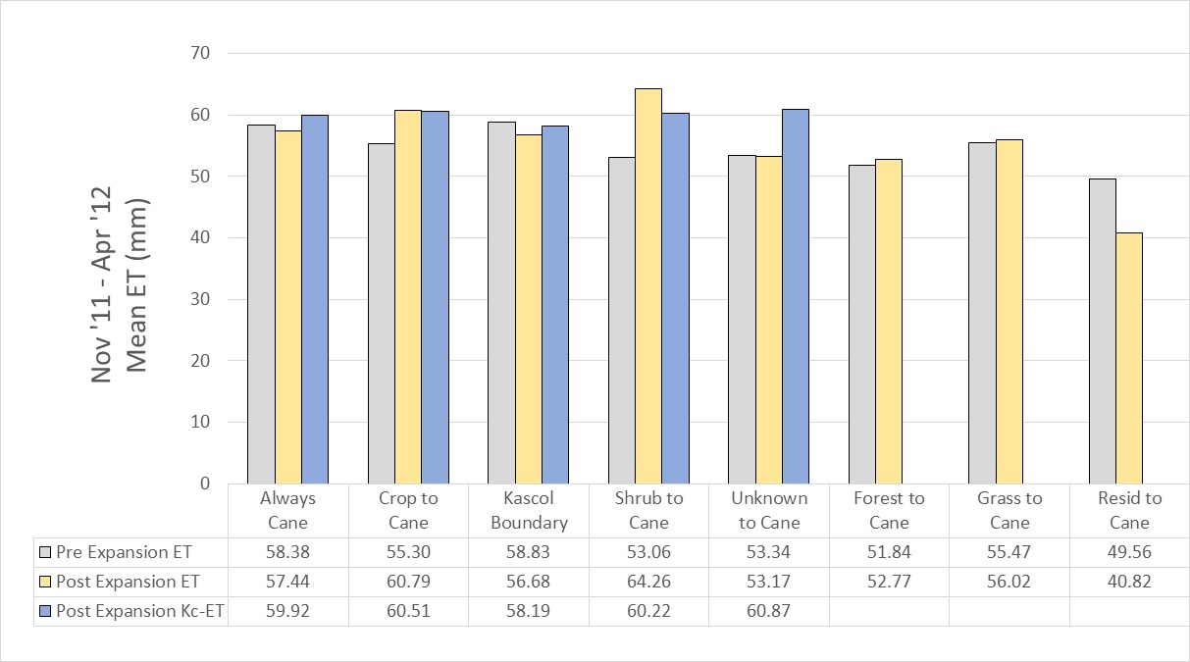
Resid to Cane | 1 | 12771 | 0.012771 | 49.56 | 40.82 | -17.64 |  | -87.4 | -17.64 | 6 | 0.00063293076 | 0.00052131222 | -0.00011161854

 | Pre Expansion ET | Post Expansion ET | Post Expansion Kc-ET
Always Cane | 58.38 | 57.44 | 59.92
Crop to Cane | 55.30 | 60.79 | 60.51
Kascol Boundary | 58.83 | 56.68 | 58.19
Shrub to Cane | 53.06 | 64.26 | 60.22
Unknown to Cane | 53.34 | 53.17 | 60.87
Forest to Cane | 51.84 | 52.77
Grass to Cane | 55.47 | 56.02
Resid to Cane | 49.56 | 40.82

For Table in Write Up:

LU Transition | Area (km2) | Pre Expansion MOD16 ET (mm/month) | Post Expansion MOD16 ET (mm/month) | Post Expansion Kc-ET (mm/month) | Pre Expansion MOD16 ET (Mm3/month) | Post Expansion MOD16 ET (Mm3/month) | Change in MOD16 ET (Mm3) | Post Expansion Kc-ET (Mm3/month)
Always Cane | 47 | 58.38 | 57.44 | 59.92 | 2.74 | 2.70 | -0.04 | 2.82
Crop to Cane | 17 | 55.30 | 60.79 | 60.51 | 0.94 | 1.03 | 0.09 | 1.03
Kascol Boundary | 25 | 58.83 | 56.68 | 58.19 | 1.47 | 1.42 | -0.05 | 1.45
Shrub to Cane | 44 | 53.06 | 64.26 | 60.22 | 2.33 | 2.83 | 0.49 | 2.65
Unknown to Cane | 30 | 53.34 | 53.17 | 60.87 | 1.60 | 1.60 | -0.01 | 1.83
Forest to Cane | 4 | 51.84 | 52.77 |  | 0.21 | 0.21 | < 0.01
Grass to Cane | 7 | 55.47 | 56.02 |  | 0.39 | 0.39 | < 0.01
Resid to Cane | < 1 | 49.56 | 40.82 |  | < 0.01 | < 0.01 | < -0.01

