Chazot_2021_Adjacency_matrices
Supplementary Table 3.2: Adjacency matrices for five time-intervals used for ancestral biogeographic state estimation using DECX.
WN=Western Nearctic, EN=Eastern Nearctic, NT=Neotropic, WP=Western Palearctic, EN=Eastern Palearctic, AF=Afrotropic, MD=Madagascar, IN=India, SEA=South East Asia, AU=Australasia. |  |  |  |  |  |  |  |  |  |  |  |  |  |  |  |  |  |  | 0-5.33 My = Holocene + Pleistocene + Pliocene
 |  |  |  |  |  |  |  |  |  |  |  |  |  |  |  |  |  |  |  | R | N | W | E | A | I | U
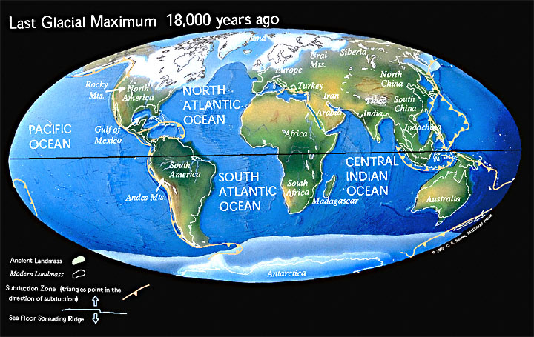
 |  |  |  |  |  |  |  |  |  |  |  |  |  |  |  |  |  |  | R | 1 | 1 | 0 | 1 | 0 | 0 | 0
0 - 10 My | WN | EN | NT | WP | EP | AF | MD | IN | SEA | AU | 0-5.33 My = Holocene + Pleistocene + Pliocene |  |  |  |  |  |  |  | N | 1 | 1 | 0 | 0 | 0 | 0 | 0
WN | 1 | 1 | 1 | 0 | 1 | 0 | 0 | 0 | 0 | 0 |  | R | N | W | E | A | I | U | W | 0 | 0 | 1 | 1 | 1 | 0 | 0
EN | 1 | 1 | 1 | 1 | 0 | 0 | 0 | 0 | 0 | 0 | R | 1 | 1 | 0 | 1 | 0 | 0 | 0 | E | 1 | 0 | 1 | 1 | 0 | 1 | 0 | May use all 1 to allow all possible ranges in the last time stratum
NT | 1 | 1 | 1 | 0 | 0 | 0 | 0 | 0 | 0 | 0 | N | 1 | 1 | 0 | 0 | 0 | 0 | 0 | A | 0 | 0 | 1 | 0 | 1 | 0 | 0
WP | 0 | 1 | 0 | 1 | 1 | 1 | 0 | 1 | 0 | 0 | W | 0 | 0 | 1 | 1 | 1 | 0 | 0 | I | 0 | 0 | 0 | 1 | 0 | 1 | 1
EP | 1 | 0 | 0 | 1 | 1 | 0 | 0 | 1 | 1 | 0 | E | 1 | 0 | 1 | 1 | 0 | 1 | 0 | U | 0 | 0 | 0 | 0 | 0 | 1 | 1
AF | 0 | 0 | 0 | 1 | 0 | 1 | 1 | 1 | 0 | 0 | A | 0 | 0 | 1 | 0 | 1 | 1 | 0
MD | 0 | 0 | 0 | 0 | 0 | 1 | 1 | 0 | 0 | 0 | I | 0 | 0 | 0 | 1 | 1 | 1 | 1 | 5.33-23.03 = Miocene
IN | 0 | 0 | 0 | 1 | 1 | 1 | 0 | 1 | 1 | 0 | U | 0 | 0 | 0 | 0 | 0 | 1 | 1 |  | R | N | W | E | A | I | U
SEA | 0 | 0 | 0 | 0 | 1 | 0 | 0 | 1 | 1 | 1 |  |  |  |  |  |  |  |  | R | 1 | 1 | 0 | 1 | 0 | 0 | 0
AU | 0 | 0 | 0 | 0 | 0 | 0 | 0 | 0 | 1 | 1 |  |  |  |  |  |  |  |  | N | 1 | 1 | 0 | 0 | 0 | 0 | 0
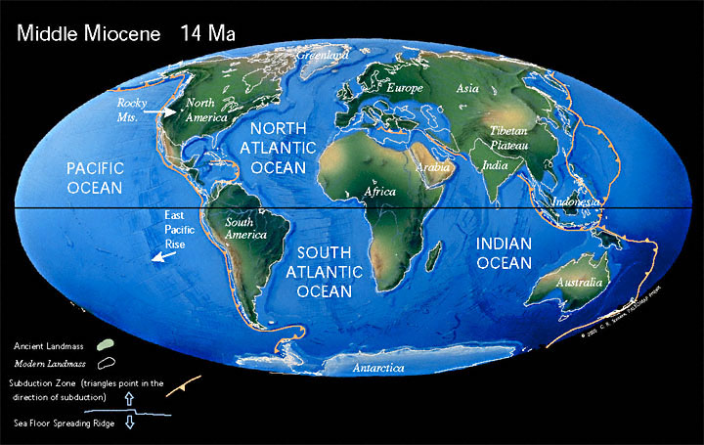
 |  |  |  |  |  |  |  |  |  |  |  |  |  |  |  |  |  |  | W | 0 | 0 | 1 | 1 | 1 | 0 | 0
10 - 30 My | WN | EN | NT | WP | EP | AF | MD | IN | SEA | AU | 5.33-23.03 = Miocene + 23.03-33.9 = Oligocene |  |  |  |  |  |  |  | E | 1 | 0 | 1 | 1 | 0 | 1 | 0
WN | 1 | 1 | 1 | 0 | 1 | 0 | 0 | 0 | 0 | 0 |  | R | N | W | E | A | I | U | A | 0 | 0 | 1 | 0 | 1 | 0 | 0
EN | 1 | 1 | 1 | 1 | 0 | 0 | 0 | 0 | 0 | 0 | R | 1 | 1 | 0 | 1 | 0 | 0 | 0 | I | 0 | 0 | 0 | 1 | 0 | 1 | 1
NT | 1 | 1 | 1 | 0 | 0 | 1 | 0 | 0 | 0 | 0 | N | 1 | 1 | 0 | 0 | 0 | 0 | 0 | U | 0 | 0 | 0 | 0 | 0 | 1 | 1
WP | 0 | 1 | 0 | 1 | 1 | 1 | 0 | 1 | 0 | 0 | W | 0 | 0 | 1 | 1 | 1 | 0 | 0
EP | 1 | 0 | 0 | 1 | 1 | 0 | 0 | 1 | 1 | 0 | E | 1 | 0 | 1 | 1 | 0 | 1 | 0 | 23.03-33.9 = Oligocene
AF | 0 | 0 | 1 | 1 | 0 | 1 | 1 | 1 | 0 | 0 | A | 0 | 0 | 1 | 0 | 1 | 1 | 0 |  | R | N | W | E | A | I | U
MD | 0 | 0 | 0 | 0 | 0 | 1 | 1 | 0 | 0 | 0 | I | 0 | 0 | 0 | 1 | 1 | 1 | 1 | R | 1 | 1 | 0 | 1 | 0 | 0 | 0
IN | 0 | 0 | 0 | 1 | 1 | 1 | 0 | 1 | 1 | 0 | U | 0 | 0 | 0 | 0 | 0 | 1 | 1 | N | 1 | 1 | 0 | 0 | 0 | 0 | 0
SEA | 0 | 0 | 0 | 0 | 1 | 0 | 0 | 1 | 1 | 1 |  |  |  |  |  |  |  |  | W | 0 | 0 | 1 | 1 | 1 | 0 | 0
AU | 0 | 0 | 0 | 0 | 0 | 0 | 0 | 0 | 1 | 1 |  |  |  |  |  |  |  |  | E | 1 | 0 | 1 | 1 | 0 | 1 | 0
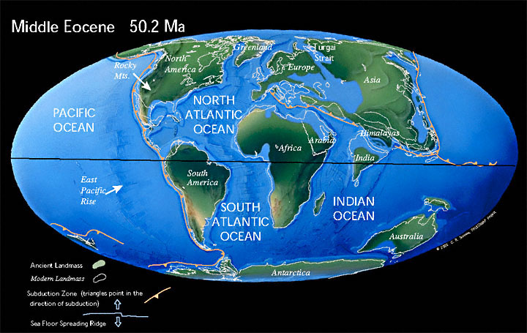
 |  |  |  |  |  |  |  |  |  |  |  |  |  |  |  |  |  |  | A | 0 | 0 | 1 | 0 | 1 | 0 | 0
30 - 60 My | WN | EN | NT | WP | EP | AF | MD | IN | SEA | AU | 33.9-56.0 = Eocene |  |  |  |  |  |  |  | I | 0 | 0 | 0 | 1 | 0 | 1 | 0
WN | 1 | 1 | 1 | 0 | 1 | 0 | 0 | 0 | 0 | 0 |  | R | N | W | E | A | I | U | U | 0 | 0 | 0 | 0 | 0 | 0 | 1
EN | 1 | 1 | 1 | 1 | 0 | 0 | 0 | 0 | 0 | 0 | R | 1 | 1 | 1 | 1 | 0 | 0 | 0
NT | 1 | 1 | 1 | 0 | 0 | 1 | 0 | 0 | 0 | 1 | N | 1 | 1 | 0 | 0 | 0 | 0 | 1 | 33.9-56.0 = Eocene
WP | 0 | 1 | 0 | 1 | 1 | 1 | 0 | 0 | 0 | 0 | W | 1 | 0 | 1 | 0 | 0 | 0 | 0 |  | R | N | W | E | A | I | U
EP | 1 | 0 | 0 | 1 | 1 | 0 | 0 | 0 | 1 | 0 | E | 1 | 0 | 0 | 1 | 0 | 1 | 0 | R | 1 | 1 | 0 | 1 | 0 | 0 | 0
AF | 0 | 0 | 1 | 1 | 0 | 1 | 1 | 1 | 1 | 0 | A | 0 | 0 | 0 | 0 | 1 | 0 | 0 | N | 1 | 1 | 0 | 0 | 0 | 0 | 0
MD | 0 | 0 | 0 | 0 | 0 | 1 | 1 | 1 | 0 | 0 | I | 0 | 0 | 0 | 1 | 0 | 1 | 1 | W | 0 | 0 | 1 | 1 | 0 | 0 | 0
IN | 0 | 0 | 0 | 0 | 0 | 1 | 1 | 1 | 1 | 0 | U | 0 | 1 | 0 | 0 | 0 | 1 | 1 | E | 1 | 0 | 1 | 1 | 0 | 1 | 0
SEA | 0 | 0 | 0 | 0 | 1 | 1 | 0 | 1 | 1 | 1 |  |  |  |  |  |  |  |  | A | 0 | 0 | 0 | 0 | 1 | 0 | 0
AU | 0 | 0 | 1 | 0 | 0 | 0 | 0 | 0 | 1 | 1 | 56.0-66.0 = Paleocene |  |  |  |  |  |  |  | I | 0 | 0 | 0 | 1 | 0 | 1 | 0
 |  |  |  |  |  |  |  |  |  |  |  | R | N | W | E | A | I | U | U | 0 | 0 | 0 | 0 | 0 | 0 | 1
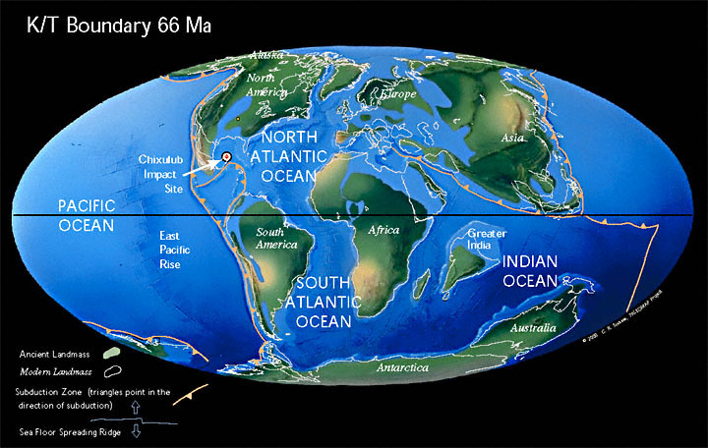
60 - 80 My | WN | EN | NT | WP | EP | AF | MD | IN | SEA | AU | R | 1 | 1 | 1 | 1 | 0 | 0 | 0
WN | 1 | 1 | 0 | 0 | 1 | 0 | 0 | 0 | 0 | 0 | N | 1 | 1 | 0 | 0 | 0 | 0 | 1 | 56.0-66.0 = Paleocene
EN | 1 | 1 | 0 | 1 | 0 | 0 | 0 | 0 | 0 | 0 | W | 1 | 0 | 1 | 0 | 0 | 0 | 0 |  | R | N | W | E | A | I | U
NT | 0 | 0 | 1 | 0 | 0 | 1 | 0 | 0 | 0 | 1 | E | 1 | 0 | 0 | 1 | 0 | 1 | 0 | R | 1 | 0 | 1 | 1 | 0 | 0 | 0
WP | 0 | 1 | 0 | 1 | 1 | 1 | 0 | 0 | 0 | 0 | A | 0 | 0 | 0 | 0 | 1 | 0 | 0 | N | 0 | 1 | 0 | 0 | 0 | 0 | 1
EP | 1 | 0 | 0 | 1 | 1 | 0 | 0 | 0 | 1 | 0 | I | 0 | 0 | 0 | 1 | 0 | 1 | 0 | W | 1 | 0 | 1 | 1 | 0 | 0 | 0
AF | 0 | 0 | 1 | 1 | 0 | 1 | 1 | 1 | 0 | 0 | U | 0 | 1 | 0 | 0 | 0 | 0 | 1 | E | 1 | 0 | 1 | 1 | 0 | 1 | 0
MD | 0 | 0 | 0 | 0 | 0 | 1 | 1 | 1 | 0 | 0 |  |  |  |  |  |  |  |  | A | 0 | 0 | 0 | 0 | 1 | 0 | 0
IN | 0 | 0 | 0 | 0 | 0 | 1 | 1 | 1 | 0 | 0 | 66.0-100.0 = Late Cretaceous |  |  |  |  |  |  |  | I | 0 | 0 | 0 | 1 | 0 | 1 | 0
SEA | 0 | 0 | 0 | 0 | 1 | 0 | 0 | 0 | 1 | 0 |  | R | N | W | E | A | I | U | U | 0 | 1 | 0 | 0 | 0 | 0 | 1
AU | 0 | 0 | 1 | 0 | 0 | 0 | 0 | 0 | 0 | 1 | R | 1 | 1 | 1 | 1 | 0 | 0 | 0
 |  |  |  |  |  |  |  |  |  |  | N | 1 | 1 | 0 | 0 | 1 | 0 | 1 | 66.0-100.5 = Late Cretaceous
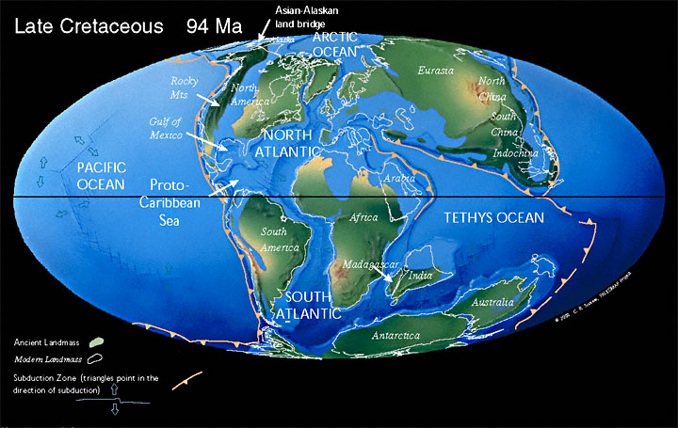
80 - 100 My | WN | EN | NT | WP | EP | AF | MD | IN | SEA | AU | W | 1 | 0 | 1 | 0 | 0 | 0 | 0 |  | R | N | W | E | A | I | U
WN | 1 | 1 | 0 | 0 | 1 | 0 | 0 | 0 | 0 | 0 | E | 1 | 0 | 0 | 1 | 0 | 1 | 0 | R | 1 | 0 | 1 | 1 | 0 | 0 | 0
EN | 1 | 1 | 0 | 1 | 1 | 0 | 0 | 0 | 0 | 0 | A | 0 | 1 | 0 | 0 | 1 | 0 | 0 | N | 0 | 1 | 0 | 0 | 0 | 0 | 1
NT | 0 | 0 | 1 | 0 | 0 | 1 | 0 | 0 | 0 | 1 | I | 0 | 0 | 0 | 1 | 0 | 1 | 0 | W | 1 | 0 | 1 | 0 | 0 | 0 | 0
WP | 0 | 1 | 0 | 1 | 1 | 1 | 0 | 0 | 0 | 0 | U | 0 | 1 | 0 | 0 | 0 | 0 | 1 | E | 1 | 0 | 0 | 1 | 0 | 1 | 0
EP | 1 | 1 | 0 | 1 | 1 | 0 | 0 | 0 | 1 | 0 |  |  |  |  |  |  |  |  | A | 0 | 0 | 0 | 0 | 1 | 0 | 0
AF | 0 | 0 | 1 | 1 | 0 | 1 | 1 | 1 | 0 | 1 | 100.0-145.0 = Early Cretaceous |  |  |  |  |  |  |  | I | 0 | 0 | 0 | 1 | 0 | 1 | 0
MD | 0 | 0 | 0 | 0 | 0 | 1 | 1 | 1 | 0 | 1 |  | R | N | W | E | A | I | U | U | 0 | 1 | 0 | 0 | 0 | 0 | 1
IN | 0 | 0 | 0 | 0 | 0 | 1 | 1 | 1 | 0 | 1 | R | 1 | 1 | 1 | 0 | 0 | 0 | 0
SEA | 0 | 0 | 0 | 0 | 1 | 0 | 0 | 0 | 1 | 0 | N | 1 | 1 | 0 | 0 | 1 | 0 | 1 | 100.5-145.0 = Early Cretaceous
AU | 0 | 0 | 1 | 0 | 0 | 1 | 1 | 1 | 0 | 1 | W | 1 | 0 | 1 | 0 | 0 | 0 | 0 |  | R | N | W | E | A | I | U
 |  |  |  |  |  |  |  |  |  |  | E | 0 | 0 | 0 | 1 | 0 | 1 | 0 | R | 1 | 0 | 1 | 0 | 0 | 0 | 0
 |  |  |  |  |  |  |  |  |  |  | A | 0 | 1 | 0 | 0 | 1 | 0 | 1 | N | 0 | 1 | 0 | 0 | 1 | 0 | 1
 |  |  |  |  |  |  |  |  |  |  | I | 0 | 0 | 0 | 1 | 0 | 1 | 0 | W | 1 | 0 | 1 | 0 | 0 | 0 | 0
 |  |  |  |  |  |  |  |  |  |  | U | 0 | 1 | 0 | 0 | 1 | 0 | 1 | E | 0 | 0 | 0 | 1 | 0 | 1 | 0
 |  |  |  |  |  |  |  |  |  |  |  |  |  |  |  |  |  |  | A | 0 | 1 | 0 | 0 | 1 | 1 | 1
 |  |  |  |  |  |  |  |  |  |  |  |  |  |  |  |  |  |  | I | 0 | 0 | 0 | 1 | 1 | 1 | 1
 |  |  |  |  |  |  |  |  |  |  |  |  |  |  |  |  |  |  | U | 0 | 1 | 0 | 0 | 1 | 1 | 1

