Chazot_2021_Dispersal_multipler
Supplementary Table 3. 1. Dispersal multipliers matrices for five time-intervals used for ancestral biogeographic state estimation using DECX.
WN=Western Nearctic, EN=Eastern Nearctic, NT=Neotropic, WP=Western Palearctic, EN=Eastern Palearctic, AF=Afrotropic, MD=Madagascar, IN=India, SEA=South East Asia, AU=Australasia.

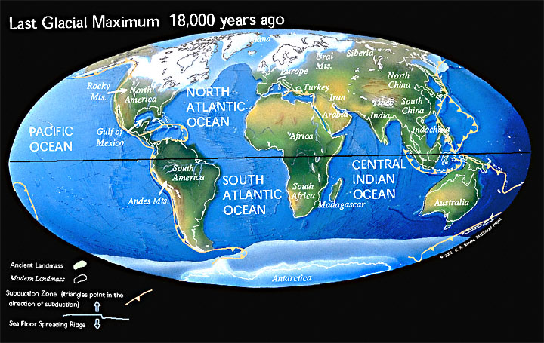
0 - 10 My | WN | EN | NT | WP | EP | AF | MD | IN | SEA | AU | 0-5.33 My = Holocene + Pleistocene + Pliocene |  |  |  |  |  |  |  | 0-5.33 My = Holocene + Pleistocene + Pliocene
WN | 1 | 1 | 1 | 0.01 | 1 | 0 | 0 | 0 | 0.01 | 0.01 |  | R | N | W | E | A | I | U |  | R | N | W | E | A | I | U
EN | 1 | 1 | 1 | 0.1 | 0.01 | 0.01 | 0 | 0 | 0 | 0 | R | 1 | 0.5 | 0.1 | 0.5 | 0.01 | 0.01 | 0.01 | R | 1 | 1 | 0 | 1 | 0 | 0 | 0
NT | 1 | 1 | 1 | 0.01 | 0.01 | 0.01 | 0 | 0 | 0 | 0.01 | N | 0.5 | 1 | 0.01 | 0.01 | 0.01 | 0.01 | 0.01 | N | 1 | 1 | 0 | 0 | 0 | 0 | 0
WP | 0.01 | 0.1 | 0.01 | 1 | 1 | 1 | 0 | 1 | 0 | 0 | W | 0.1 | 0.01 | 1 | 1 | 0.5 | 0 | 0 | W | 0 | 0 | 1 | 1 | 1 | 0 | 0
EP | 1 | 0.01 | 0.01 | 1 | 1 | 0.5 | 0 | 1 | 1 | 0.01 | E | 0.5 | 0.01 | 1 | 1 | 0.1 | 1 | 0.01 | E | 1 | 0 | 1 | 1 | 0 | 1 | 0
AF | 0 | 0.01 | 0.01 | 1 | 0.5 | 1 | 1 | 0.5 | 0.5 | 0.01 | A | 0.01 | 0.01 | 0.5 | 0.1 | 1 | 0.1 | 0.01 | A | 0 | 0 | 1 | 0 | 1 | 0 | 0
MD | 0 | 0 | 0 | 0 | 0 | 1 | 1 | 0.1 | 0.01 | 0.01 | I | 0.01 | 0.01 | 0 | 1 | 0.1 | 1 | 1 | I | 0 | 0 | 0 | 1 | 0 | 1 | 1
IN | 0 | 0 | 0 | 1 | 1 | 0.5 | 0.1 | 1 | 1 | 0.01 | U | 0.01 | 0.01 | 0 | 0.01 | 0.01 | 1 | 1 | U | 0 | 0 | 0 | 0 | 0 | 1 | 1
SEA | 0.01 | 0 | 0 | 0 | 1 | 0.5 | 0.01 | 1 | 1 | 1
AU | 0.01 | 0 | 0.01 | 0 | 0.01 | 0.01 | 0.01 | 0.01 | 0.01 | 1 | 5.33-23.03 = Miocene |  |  |  |  |  |  |  | 5.33-23.03 = Miocene
 |  |  |  |  |  |  |  |  |  |  |  | R | N | W | E | A | I | U |  | R | N | W | E | A | I | U
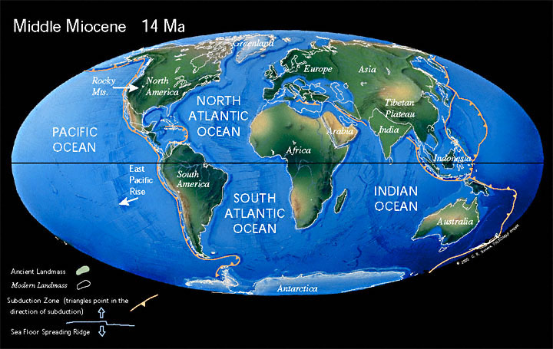
10 - 30 My | WN | EN | NT | WP | EP | AF | MD | IN | SEA | AU | R | 1 | 0.5 | 0.1 | 0.5 | 0.01 | 0.01 | 0.01 | R | 1 | 1 | 0 | 1 | 0 | 0 | 0
WN | 1 | 1 | 0.5 | 0.01 | 1 | 0 | 0 | 0 | 0.01 | 0.01 | N | 0.5 | 1 | 0.01 | 0.01 | 0.01 | 0.01 | 0.01 | N | 1 | 1 | 0 | 0 | 0 | 0 | 0
EN | 1 | 1 | 0.5 | 0.1 | 0.01 | 0.01 | 0 | 0 | 0 | 0 | W | 0.1 | 0.01 | 1 | 1 | 0.5 | 0 | 0 | W | 0 | 0 | 1 | 1 | 1 | 0 | 0
NT | 0.5 | 0.5 | 1 | 0.01 | 0.01 | 0.01 | 0 | 0 | 0 | 0.01 | E | 0.5 | 0.01 | 1 | 1 | 0.1 | 1 | 0.01 | E | 1 | 0 | 1 | 1 | 0 | 1 | 0
WP | 0.01 | 0.1 | 0.01 | 1 | 1 | 0 | 0.1 | 0 | 0.01 | 0 | A | 0.01 | 0.01 | 0.5 | 0.1 | 1 | 0.1 | 0.01 | A | 0 | 0 | 1 | 0 | 1 | 0 | 0
EP | 1 | 0.01 | 0.01 | 1 | 1 | 0.5 | 0 | 0.5 | 1 | 0.01 | I | 0.01 | 0.01 | 0 | 1 | 0.1 | 1 | 0.5 | I | 0 | 0 | 0 | 1 | 0 | 1 | 1
AF | 0 | 0.01 | 0.01 | 0 | 0.5 | 1 | 1 | 0.5 | 0.5 | 0.01 | U | 0.01 | 0.01 | 0 | 0.01 | 0.01 | 0.5 | 1 | U | 0 | 0 | 0 | 0 | 0 | 1 | 1
MD | 0 | 0 | 0 | 0.1 | 0 | 1 | 1 | 0.1 | 0.01 | 0.01
IN | 0 | 0 | 0 | 0 | 0.5 | 0.5 | 0.1 | 1 | 0.5 | 0.01 | 23.03-33.9 = Oligocene |  |  |  |  |  |  |  | 23.03-33.9 = Oligocene
SEA | 0.01 | 0 | 0 | 0.01 | 1 | 0.5 | 0.01 | 0.5 | 1 | 0.5 |  | R | N | W | E | A | I | U |  | R | N | W | E | A | I | U
AU | 0.01 | 0 | 0.01 | 0 | 0.01 | 0.01 | 0.01 | 0.01 | 0.5 | 1 | R | 1 | 0.5 | 0.1 | 0.5 | 0.01 | 0.01 | 0.01 | R | 1 | 1 | 0 | 1 | 0 | 0 | 0
 |  |  |  |  |  |  |  |  |  |  | N | 0.5 | 1 | 0.01 | 0.01 | 0.01 | 0.01 | 0.01 | N | 1 | 1 | 0 | 0 | 0 | 0 | 0
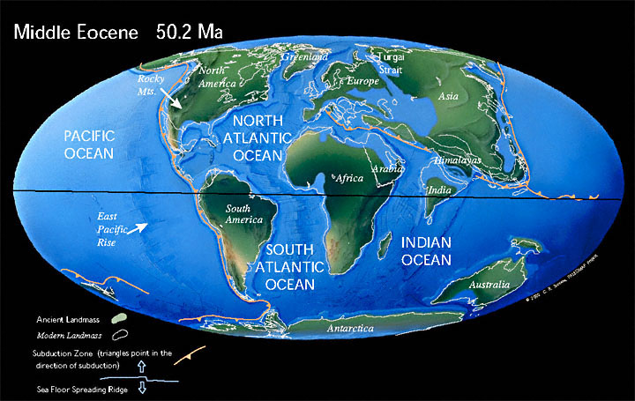
30 - 60 My | WN | EN | NT | WP | EP | AF | MD | IN | SEA | AU | W | 0.1 | 0.01 | 1 | 1 | 0.5 | 0 | 0 | W | 0 | 0 | 1 | 1 | 1 | 0 | 0
WN | 1 | 1 | 0.1 | 0.01 | 1 | 0 | 0 | 0 | 0.01 | 0.01 | E | 0.5 | 0.01 | 1 | 1 | 0.1 | 1 | 0.01 | E | 1 | 0 | 1 | 1 | 0 | 1 | 0
EN | 1 | 1 | 0.1 | 0.5 | 0.01 | 0.01 | 0 | 0 | 0 | 0 | A | 0.01 | 0.01 | 0.5 | 0.1 | 1 | 0.1 | 0.01 | A | 0 | 0 | 1 | 0 | 1 | 0 | 0
NT | 0.1 | 0.1 | 1 | 0.01 | 0.01 | 0.1 | 0 | 0 | 0.01 | 0.1 | I | 0.01 | 0.01 | 0 | 1 | 0.1 | 1 | 0.1 | I | 0 | 0 | 0 | 1 | 0 | 1 | 0
WP | 0.01 | 0.5 | 0.01 | 1 | 0.5 | 1 | 0 | 0.1 | 0 | 0 | U | 0.01 | 0.01 | 0 | 0.01 | 0.01 | 0.1 | 1 | U | 0 | 0 | 0 | 0 | 0 | 0 | 1
EP | 1 | 0.01 | 0.01 | 0.5 | 1 | 0.1 | 0 | 0.1 | 1 | 0.01
AF | 0 | 0.01 | 0.1 | 1 | 0.1 | 1 | 1 | 0.1 | 0.1 | 0.01 | 33.9-56.0 = Eocene |  |  |  |  |  |  |  | 33.9-56.0 = Eocene
MD | 0 | 0 | 0 | 0 | 0 | 1 | 1 | 0.1 | 0.01 | 0.01 |  | R | N | W | E | A | I | U |  | R | N | W | E | A | I | U
IN | 0 | 0 | 0 | 0.1 | 0.1 | 0.1 | 0.1 | 1 | 0.1 | 0.01 | R | 1 | 0.5 | 0.1 | 0.5 | 0.01 | 0.01 | 0.01 | R | 1 | 1 | 0 | 1 | 0 | 0 | 0
SEA | 0.01 | 0 | 0.01 | 0 | 1 | 0.1 | 0.01 | 0.1 | 1 | 0.1 | N | 0.5 | 1 | 0.01 | 0.01 | 0.01 | 0.01 | 0.01 | N | 1 | 1 | 0 | 0 | 0 | 0 | 0
AU | 0.01 | 0 | 0.1 | 0 | 0.01 | 0.01 | 0.01 | 0.01 | 0.1 | 1 | W | 0.1 | 0.01 | 1 | 1 | 0.1 | 0 | 0 | W | 0 | 0 | 1 | 1 | 0 | 0 | 0
 |  |  |  |  |  |  |  |  |  |  | E | 0.5 | 0.01 | 1 | 1 | 0.01 | 1 | 0.01 | E | 1 | 0 | 1 | 1 | 0 | 1 | 0
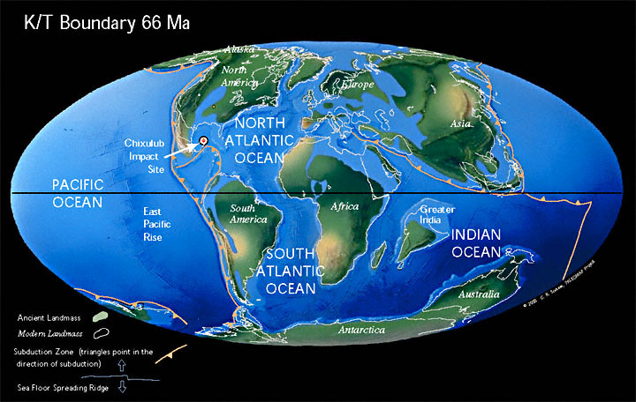
60 - 80 My | WN | EN | NT | WP | EP | AF | MD | IN | SEA | AU | A | 0.01 | 0.01 | 0.1 | 0.01 | 1 | 0.1 | 0.01 | A | 0 | 0 | 0 | 0 | 1 | 0 | 0
WN | 1 | 1 | 0.1 | 0.01 | 1 | 0 | 0 | 0 | 0.01 | 0.01 | I | 0.01 | 0.01 | 0 | 1 | 0.1 | 1 | 0.01 | I | 0 | 0 | 0 | 1 | 0 | 1 | 0
EN | 1 | 1 | 0.1 | 0.5 | 0.01 | 0.01 | 0 | 0 | 0 | 0 | U | 0.01 | 0.01 | 0 | 0.01 | 0.01 | 0.01 | 1 | U | 0 | 0 | 0 | 0 | 0 | 0 | 1
NT | 0.1 | 0.1 | 1 | 0.01 | 0 | 0.5 | 0 | 0 | 0.01 | 0.5
WP | 0.01 | 0.5 | 0.01 | 1 | 0.5 | 1 | 0 | 0.01 | 0 | 0 | 56.0-66.0 = Paleocene |  |  |  |  |  |  |  | 56.0-66.0 = Paleocene
EP | 1 | 0.01 | 0 | 0.5 | 1 | 0 | 0 | 0.01 | 1 | 0 |  | R | N | W | E | A | I | U |  | R | N | W | E | A | I | U
AF | 0 | 0.01 | 0.5 | 1 | 0 | 1 | 1 | 0.5 | 0.01 | 0.01 | R | 1 | 0.1 | 0.5 | 0.5 | 0.01 | 0.01 | 0.01 | R | 1 | 0 | 1 | 1 | 0 | 0 | 0
MD | 0 | 0 | 0 | 0 | 0 | 1 | 1 | 0.5 | 0.01 | 0.01 | N | 0.1 | 1 | 0.01 | 0.01 | 0.01 | 0.01 | 0.5 | N | 0 | 1 | 0 | 0 | 0 | 0 | 1
IN | 0 | 0 | 0 | 0.01 | 0.01 | 0.5 | 0.5 | 1 | 0.1 | 0.01 | W | 0.5 | 0.01 | 1 | 1 | 0.1 | 0 | 0 | W | 1 | 0 | 1 | 1 | 0 | 0 | 0
SEA | 0.01 | 0 | 0.01 | 0 | 1 | 0.01 | 0.01 | 0.1 | 1 | 0.01 | E | 0.5 | 0.01 | 1 | 1 | 0.01 | 1 | 0.01 | E | 1 | 0 | 1 | 1 | 0 | 1 | 0
AU | 0.01 | 0 | 0.5 | 0 | 0 | 0.01 | 0.01 | 0.01 | 0.01 | 1 | A | 0.01 | 0.01 | 0.1 | 0.01 | 1 | 0.5 | 0.01 | A | 0 | 0 | 0 | 0 | 1 | 0 | 0
 |  |  |  |  |  |  |  |  |  |  | I | 0.01 | 0.01 | 0 | 1 | 0.5 | 1 | 0.01 | I | 0 | 0 | 0 | 1 | 0 | 1 | 0
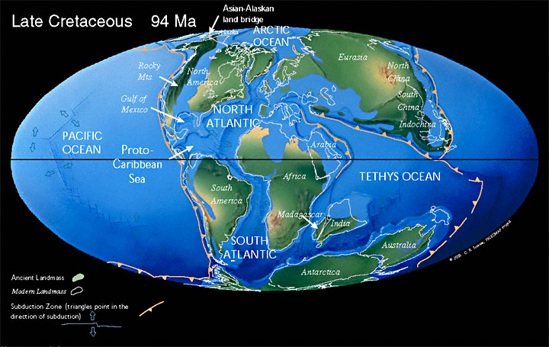
80 - 100 My | WN | EN | NT | WP | EP | AF | MD | IN | SEA | AU | U | 0.01 | 0.5 | 0 | 0.01 | 0.01 | 0.01 | 1 | U | 0 | 1 | 0 | 0 | 0 | 0 | 1
WN | 1 | 0.5 | 0.01 | 0 | 0.5 | 0 | 0 | 0 | 0.01 | 0
EN | 0.5 | 1 | 0.01 | 1 | 0.1 | 0.01 | 0 | 0 | 0 | 0 | 66.0-100.5 = Late Cretaceous |  |  |  |  |  |  |  | 66.0-100.5 = Late Cretaceous
NT | 0.01 | 0.01 | 1 | 0.01 | 0 | 0.5 | 0 | 0 | 0 | 0.5 |  | R | N | W | E | A | I | U |  | R | N | W | E | A | I | U
WP | 0 | 1 | 0.01 | 1 | 0.5 | 0.5 | 0 | 0 | 0 | 0 | R | 1 | 0.1 | 0.5 | 0.5 | 0.01 | 0.01 | 0.01 | R | 1 | 0 | 1 | 1 | 0 | 0 | 0
EP | 0.5 | 0.1 | 0 | 0.5 | 1 | 0 | 0 | 0 | 1 | 0 | N | 0.1 | 1 | 0.01 | 0.01 | 0.1 | 0.01 | 0.5 | N | 0 | 1 | 0 | 0 | 0 | 0 | 1
AF | 0 | 0.01 | 0.5 | 0.5 | 0 | 1 | 1 | 1 | 0.01 | 0.01 | W | 0.5 | 0.01 | 1 | 0.5 | 0.1 | 0 | 0 | W | 1 | 0 | 1 | 0 | 0 | 0 | 0
MD | 0 | 0 | 0 | 0 | 0 | 1 | 1 | 1 | 0 | 0.01 | E | 0.5 | 0.01 | 0.5 | 1 | 0.01 | 1 | 0.01 | E | 1 | 0 | 0 | 1 | 0 | 1 | 0
IN | 0 | 0 | 0 | 0 | 0 | 1 | 1 | 1 | 0 | 0.5 | A | 0.01 | 0.1 | 0.1 | 0.01 | 1 | 0.5 | 0.01 | A | 0 | 0 | 0 | 0 | 1 | 0 | 0
SEA | 0.01 | 0 | 0 | 0 | 1 | 0.01 | 0 | 0 | 1 | 0.01 | I | 0.01 | 0.01 | 0 | 1 | 0.5 | 1 | 0.01 | I | 0 | 0 | 0 | 1 | 0 | 1 | 0
AU | 0 | 0 | 0.5 | 0 | 0 | 0.01 | 0.01 | 0.5 | 0.01 | 1 | U | 0.01 | 0.5 | 0 | 0.01 | 0.01 | 0.01 | 1 | U | 0 | 1 | 0 | 0 | 0 | 0 | 1

 |  |  |  |  |  |  |  |  |  |  | 100.5-145.0 = Early Cretaceous |  |  |  |  |  |  |  | 100.5-145.0 = Early Cretaceous
 |  |  |  |  |  |  |  |  |  |  |  | R | N | W | E | A | I | U |  | R | N | W | E | A | I | U
 |  |  |  |  |  |  |  |  |  |  | R | 1 | 0.1 | 0.5 | 0.1 | 0.1 | 0.01 | 0.01 | R | 1 | 0 | 1 | 0 | 0 | 0 | 0
 |  |  |  |  |  |  |  |  |  |  | N | 0.1 | 1 | 0 | 0.01 | 1 | 0.01 | 0.5 | N | 0 | 1 | 0 | 0 | 1 | 0 | 1
 |  |  |  |  |  |  |  |  |  |  | W | 0.5 | 0 | 1 | 0.1 | 0.1 | 0 | 0 | W | 1 | 0 | 1 | 0 | 0 | 0 | 0
 |  |  |  |  |  |  |  |  |  |  | E | 0.1 | 0.01 | 0.1 | 1 | 0.01 | 1 | 0.01 | E | 0 | 0 | 0 | 1 | 0 | 1 | 0
 |  |  |  |  |  |  |  |  |  |  | A | 0.1 | 1 | 0.1 | 0.01 | 1 | 1 | 0.1 | A | 0 | 1 | 0 | 0 | 1 | 1 | 1
 |  |  |  |  |  |  |  |  |  |  | I | 0.01 | 0.01 | 0 | 1 | 1 | 1 | 0.5 | I | 0 | 0 | 0 | 1 | 1 | 1 | 1
 |  |  |  |  |  |  |  |  |  |  | U | 0.01 | 0.5 | 0 | 0.01 | 0.1 | 0.5 | 1 | U | 0 | 1 | 0 | 0 | 1 | 1 | 1

