Kawahara_2023_BioGeoBears_Adjac
Adjacency matrices for eight time-intervals used for ancestral biogeographic state estimation
W = Western Palearctic, E = Eastern Palearctic, R = Nearctic, N = Neotropics, A = Afrotropics, I = Indomalaya, U = Australasia

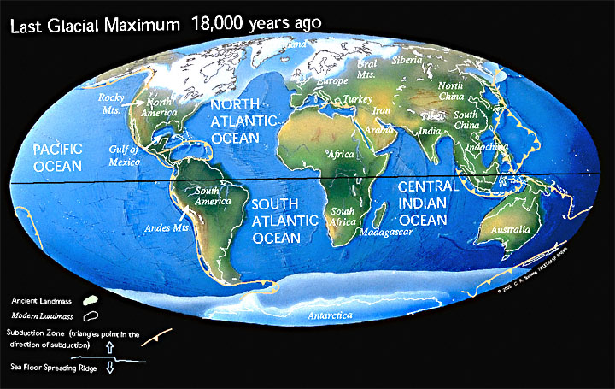
Current (?)
 | W | E | R | N | A | I | U
W | 1 | 1 | 1 | 1 | 1 | 1 | 1
E | 1 | 1 | 1 | 1 | 1 | 1 | 1
R | 1 | 1 | 1 | 1 | 1 | 1 | 1
N | 1 | 1 | 1 | 1 | 1 | 1 | 1
A | 1 | 1 | 1 | 1 | 1 | 1 | 1
I | 1 | 1 | 1 | 1 | 1 | 1 | 1
U | 1 | 1 | 1 | 1 | 1 | 1 | 1

0-5.33 My = Holocene + Pleistocene + Pliocene
 | W | E | R | N | A | I | U
W | 1 | 1 | 0 | 0 | 1 | 0 | 0
E | 1 | 1 | 1 | 0 | 0 | 1 | 0
R | 0 | 1 | 1 | 1 | 0 | 0 | 0
N | 0 | 0 | 1 | 1 | 0 | 0 | 0
A | 1 | 0 | 0 | 0 | 1 | 1 | 0
I | 0 | 1 | 0 | 0 | 1 | 1 | 1
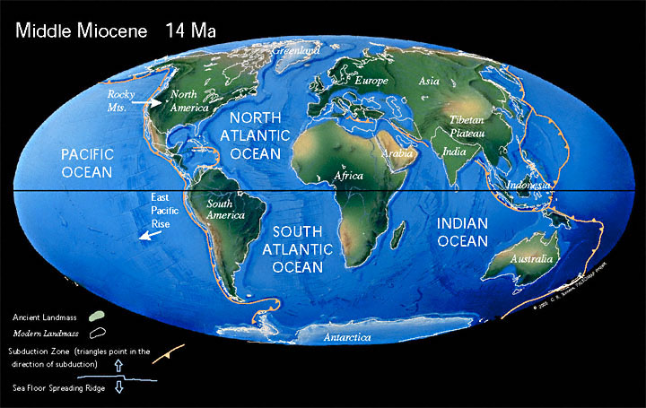
U | 0 | 0 | 0 | 0 | 0 | 1 | 1

5.33-23.03 = Miocene
 | W | E | R | N | A | I | U
W | 1 | 1 | 0 | 0 | 1 | 0 | 0
E | 1 | 1 | 1 | 0 | 0 | 1 | 0
R | 0 | 1 | 1 | 1 | 0 | 0 | 0
N | 0 | 0 | 1 | 1 | 0 | 0 | 0
A | 1 | 0 | 0 | 0 | 1 | 1 | 0
I | 0 | 1 | 0 | 0 | 1 | 1 | 1
U | 0 | 0 | 0 | 0 | 0 | 1 | 1

23.03-33.9 = Oligocene
 | W | E | R | N | A | I | U
W | 1 | 1 | 0 | 0 | 0 | 0 | 0
E | 1 | 1 | 1 | 0 | 0 | 1 | 0
R | 0 | 1 | 1 | 1 | 0 | 0 | 0
N | 0 | 0 | 1 | 1 | 0 | 0 | 0
A | 0 | 0 | 0 | 0 | 1 | 1 | 0
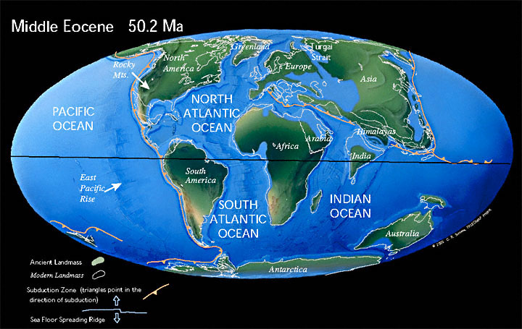
I | 0 | 1 | 0 | 0 | 1 | 1 | 1
U | 0 | 0 | 0 | 0 | 0 | 1 | 1

33.9-56.0 = Eocene
 | W | E | R | N | A | I | U
W | 1 | 0 | 1 | 0 | 0 | 0 | 0
E | 0 | 1 | 1 | 0 | 0 | 1 | 0
R | 1 | 1 | 1 | 1 | 0 | 0 | 0
N | 0 | 0 | 1 | 1 | 0 | 0 | 1
A | 0 | 0 | 0 | 0 | 1 | 0 | 0
I | 0 | 1 | 0 | 0 | 0 | 1 | 1
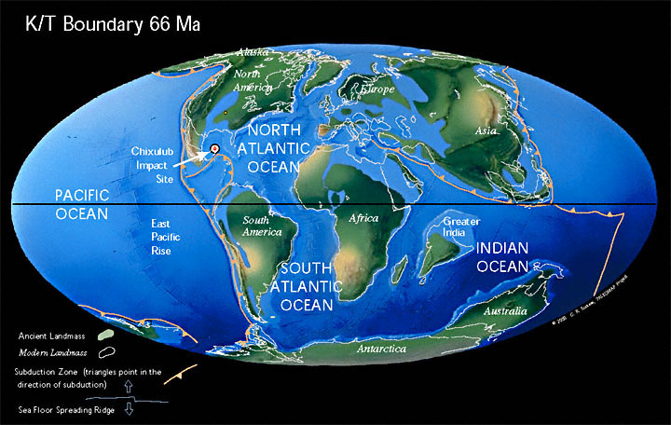
U | 0 | 0 | 0 | 1 | 0 | 1 | 1

56.0-66.0 = Paleocene
 | W | E | R | N | A | I | U
W | 1 | 0 | 1 | 0 | 0 | 0 | 0
E | 0 | 1 | 1 | 0 | 0 | 1 | 0
R | 1 | 1 | 1 | 1 | 0 | 0 | 0
N | 0 | 0 | 1 | 1 | 0 | 0 | 1
A | 0 | 0 | 0 | 0 | 1 | 0 | 0
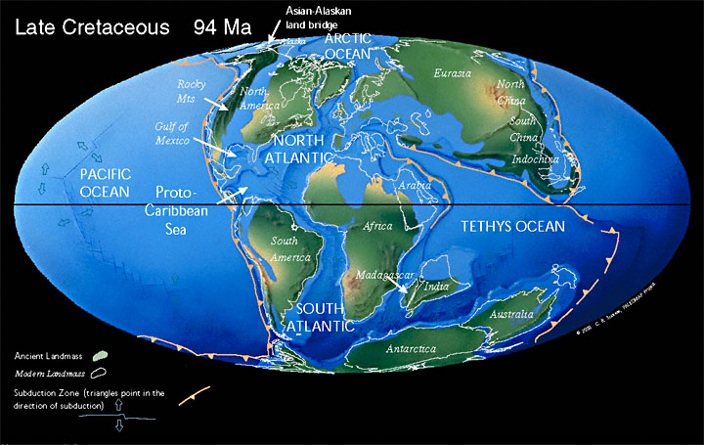
I | 0 | 1 | 0 | 0 | 0 | 1 | 0
U | 0 | 0 | 0 | 1 | 0 | 0 | 1

66.0-100.0 = Late Cretaceous
 | W | E | R | N | A | I | U
W | 1 | 0 | 1 | 0 | 0 | 0 | 0
E | 0 | 1 | 1 | 0 | 0 | 1 | 0
R | 1 | 1 | 1 | 1 | 0 | 0 | 0
N | 0 | 0 | 1 | 1 | 1 | 0 | 1
A | 0 | 0 | 0 | 1 | 1 | 0 | 0
I | 0 | 1 | 0 | 0 | 0 | 1 | 0
U | 0 | 0 | 0 | 1 | 0 | 0 | 1

100.0-145.0 = Early Cretaceous
 | W | E | R | N | A | I | U
W | 1 | 0 | 1 | 0 | 0 | 0 | 0
E | 0 | 1 | 1 | 0 | 0 | 1 | 0
R | 1 | 0 | 1 | 1 | 0 | 0 | 0
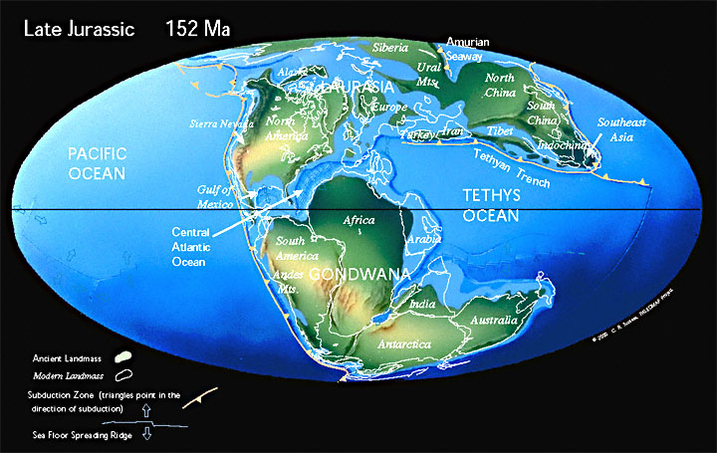
N | 0 | 0 | 1 | 1 | 1 | 0 | 1
A | 0 | 0 | 0 | 1 | 1 | 0 | 1
I | 0 | 1 | 0 | 0 | 0 | 1 | 0
U | 0 | 0 | 0 | 1 | 1 | 0 | 1

