★アプリケーションキー作設定シート★
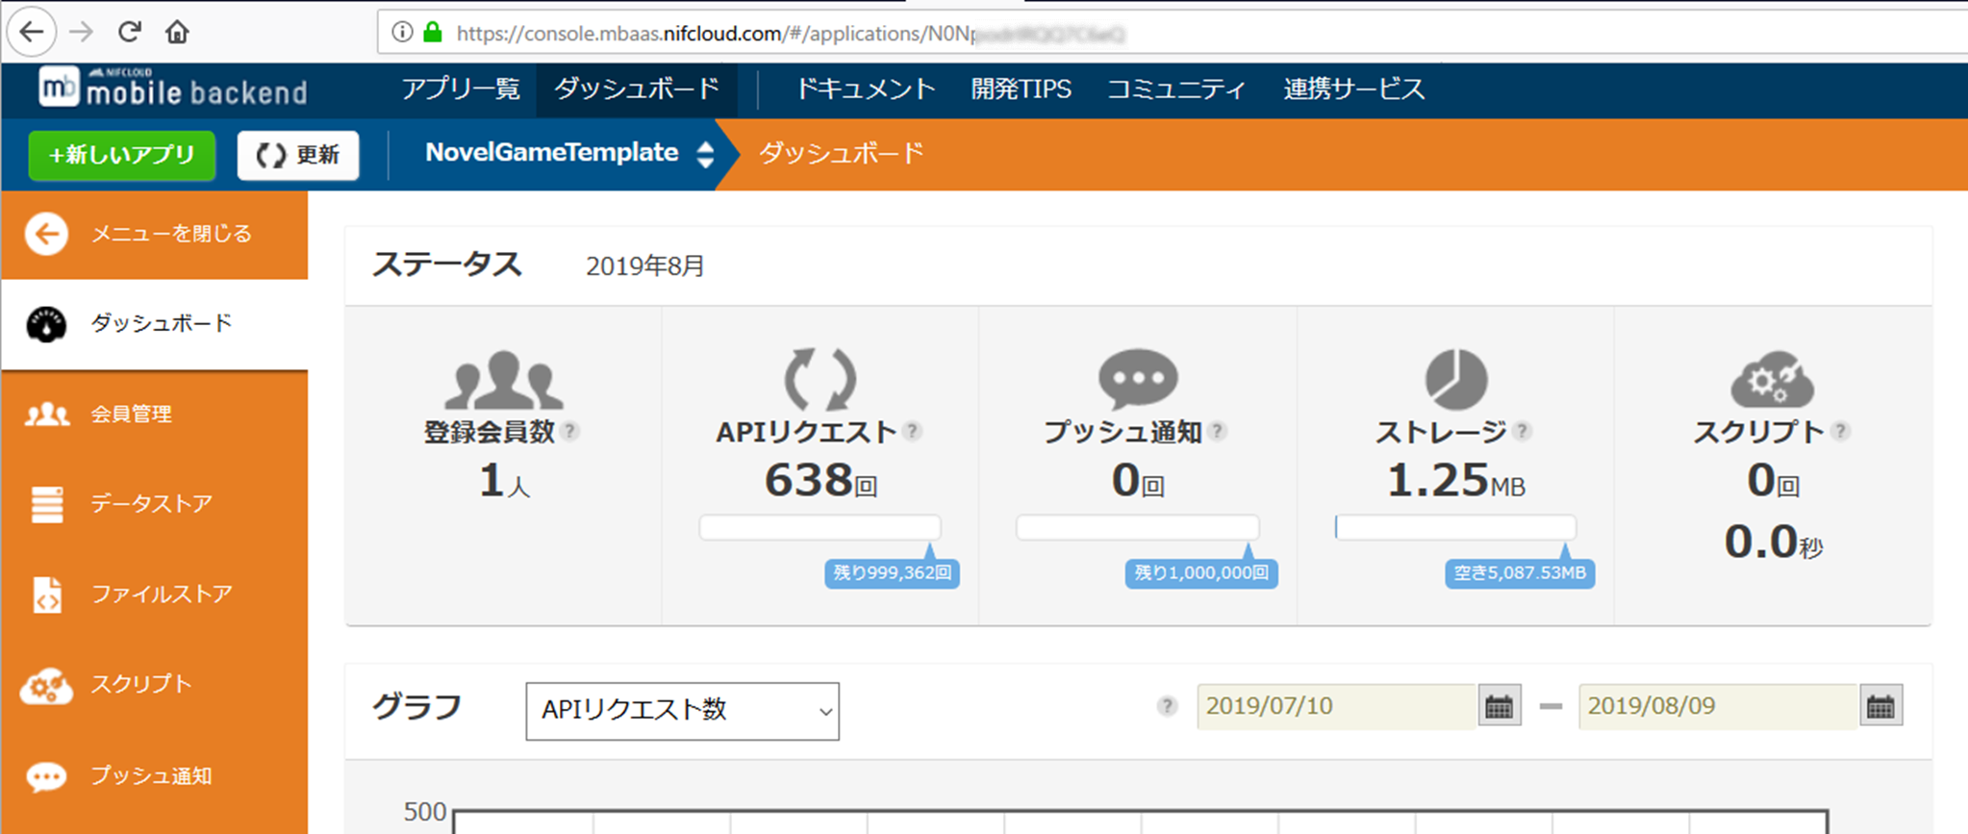
アプリケーションキー

（１）もし、会員登録がまだのかたは https://mbaas.nifcloud.com/signup.htm より会員登録＆ログインください
（２）mobile backend上で、アプリ名「JIRO」でアプリを作成してください
（３）アプリ作成後、ダッシュボードを開き、URLから「アプリケーションキー」をコピーしてC2（↑の黄色いマス）のなかに張り付けしてください

※アプリケーションキーは、「https://console.mbaas.nifcloud.com/#/applications/」のあとに続いているランダムな英数字です。

prologue
background | character | characterName | text | backgroundUrl | characterUrl
start_bg.png | hagetaka01.png | ハゲタカ先生 | 「目が覚めたかね」 | https://mbaas.api.nifcloud.com/2013-09-01/applications//publicFiles/start_bg.png | https://mbaas.api.nifcloud.com/2013-09-01/applications//publicFiles/hagetaka01.png
start_bg.png | hagetaka01.png | hiyo | 「こっ……ここは！？」 | https://mbaas.api.nifcloud.com/2013-09-01/applications//publicFiles/start_bg.png | https://mbaas.api.nifcloud.com/2013-09-01/applications//publicFiles/hagetaka01.png
start_bg.png | hagetaka01.png | ハゲタカ先生 | 「ここはハゲタカランド。なんちゃらんちゃらかんちゃら。だいたい30文字ぐらい入るかな、とか文字数を覚えるようにしておきましょう」 | https://mbaas.api.nifcloud.com/2013-09-01/applications//publicFiles/start_bg.png | https://mbaas.api.nifcloud.com/2013-09-01/applications//publicFiles/hagetaka01.png
start_bg.png | hagetaka01.png | hiyo | 「赤く塗られている、E列とF列はさわらないようにしようね！」 | https://mbaas.api.nifcloud.com/2013-09-01/applications//publicFiles/start_bg.png | https://mbaas.api.nifcloud.com/2013-09-01/applications//publicFiles/hagetaka01.png

これらは簡易例です。色のついているところ以外は削除してください

config
name | filename | memo | parameter
start_logo | start_logo.png | 起動時に表示されるロゴ | https://mbaas.api.nifcloud.com/2013-09-01/applications//publicFiles/start_logo.png
start_startButton | start_startButton.png | 起動画面に表示されるボタン | https://mbaas.api.nifcloud.com/2013-09-01/applications//publicFiles/start_startButton.png
start_bg | start_startbg.png | 起動画面の背景画像 | https://mbaas.api.nifcloud.com/2013-09-01/applications//publicFiles/start_startbg.png
end1 | end1.png | end1の画像 | https://mbaas.api.nifcloud.com/2013-09-01/applications//publicFiles/end1.png
end2 | end2.png | end2の画像 | https://mbaas.api.nifcloud.com/2013-09-01/applications//publicFiles/end2.png
end3 | end3.png | end3の画像 | https://mbaas.api.nifcloud.com/2013-09-01/applications//publicFiles/end3.png
end4 | end4.png | end4の画像 | https://mbaas.api.nifcloud.com/2013-09-01/applications//publicFiles/end4.png
collection_back | collection_back.png | コレクション画面の背景画像 | https://mbaas.api.nifcloud.com/2013-09-01/applications//publicFiles/collection_back.png
parts_textbox | parts_textbox.png | テキストボックスの画像 | https://mbaas.api.nifcloud.com/2013-09-01/applications//publicFiles/parts_textbox.png
choice1 |  | 選択肢１の名前 | 選択肢１
choice2 |  | 選択肢２の名前 | 選択肢２
choice3 |  | 選択肢３の名前 | 選択肢３
choice4 |  | 選択肢４の名前 | 選択肢４
main_mainText |  | メイン画面でのセリフ | 今日はなにをする？
Config画面は、以下以外は変更する必要ありません。（変更しても構いません）
・選択肢１～４のテキスト
また、本シートにある画像をすべて用意する必要があります。

choice1
days | background | character | characterName | text | backgroundUrl | characterUrl
1 | start_bg.png | hagetaka01.png | ハゲタカ先生 | 「目が覚めたかね」 | https://mbaas.api.nifcloud.com/2013-09-01/applications//publicFiles/start_bg.png | https://mbaas.api.nifcloud.com/2013-09-01/applications//publicFiles/hagetaka01.png
1 |  |  |  |  | https://mbaas.api.nifcloud.com/2013-09-01/applications//publicFiles/ | https://mbaas.api.nifcloud.com/2013-09-01/applications//publicFiles/
1 |  |  |  |  | https://mbaas.api.nifcloud.com/2013-09-01/applications//publicFiles/ | https://mbaas.api.nifcloud.com/2013-09-01/applications//publicFiles/
1 |  |  |  |  | https://mbaas.api.nifcloud.com/2013-09-01/applications//publicFiles/ | https://mbaas.api.nifcloud.com/2013-09-01/applications//publicFiles/
これらは簡易例です。色のついているところ以外は削除してください
1 |  |  |  |  | https://mbaas.api.nifcloud.com/2013-09-01/applications//publicFiles/ | https://mbaas.api.nifcloud.com/2013-09-01/applications//publicFiles/
2 |  |  |  |  | https://mbaas.api.nifcloud.com/2013-09-01/applications//publicFiles/ | https://mbaas.api.nifcloud.com/2013-09-01/applications//publicFiles/
2 |  |  |  |  | https://mbaas.api.nifcloud.com/2013-09-01/applications//publicFiles/ | https://mbaas.api.nifcloud.com/2013-09-01/applications//publicFiles/
2 |  |  |  |  | https://mbaas.api.nifcloud.com/2013-09-01/applications//publicFiles/ | https://mbaas.api.nifcloud.com/2013-09-01/applications//publicFiles/
2 |  |  |  |  | https://mbaas.api.nifcloud.com/2013-09-01/applications//publicFiles/ | https://mbaas.api.nifcloud.com/2013-09-01/applications//publicFiles/
2 |  |  |  |  | https://mbaas.api.nifcloud.com/2013-09-01/applications//publicFiles/ | https://mbaas.api.nifcloud.com/2013-09-01/applications//publicFiles/
3 |  |  |  |  | https://mbaas.api.nifcloud.com/2013-09-01/applications//publicFiles/ | https://mbaas.api.nifcloud.com/2013-09-01/applications//publicFiles/
3 |  |  |  |  | https://mbaas.api.nifcloud.com/2013-09-01/applications//publicFiles/ | https://mbaas.api.nifcloud.com/2013-09-01/applications//publicFiles/
3 |  |  |  |  | https://mbaas.api.nifcloud.com/2013-09-01/applications//publicFiles/ | https://mbaas.api.nifcloud.com/2013-09-01/applications//publicFiles/
3 |  |  |  |  | https://mbaas.api.nifcloud.com/2013-09-01/applications//publicFiles/ | https://mbaas.api.nifcloud.com/2013-09-01/applications//publicFiles/
3 |  |  |  |  | https://mbaas.api.nifcloud.com/2013-09-01/applications//publicFiles/ | https://mbaas.api.nifcloud.com/2013-09-01/applications//publicFiles/
4 |  |  |  |  | https://mbaas.api.nifcloud.com/2013-09-01/applications//publicFiles/ | https://mbaas.api.nifcloud.com/2013-09-01/applications//publicFiles/
4 |  |  |  |  | https://mbaas.api.nifcloud.com/2013-09-01/applications//publicFiles/ | https://mbaas.api.nifcloud.com/2013-09-01/applications//publicFiles/
4 |  |  |  |  | https://mbaas.api.nifcloud.com/2013-09-01/applications//publicFiles/ | https://mbaas.api.nifcloud.com/2013-09-01/applications//publicFiles/
4 |  |  |  |  | https://mbaas.api.nifcloud.com/2013-09-01/applications//publicFiles/ | https://mbaas.api.nifcloud.com/2013-09-01/applications//publicFiles/
4 |  |  |  |  | https://mbaas.api.nifcloud.com/2013-09-01/applications//publicFiles/ | https://mbaas.api.nifcloud.com/2013-09-01/applications//publicFiles/
5 |  |  |  |  | https://mbaas.api.nifcloud.com/2013-09-01/applications//publicFiles/ | https://mbaas.api.nifcloud.com/2013-09-01/applications//publicFiles/
5 |  |  |  |  | https://mbaas.api.nifcloud.com/2013-09-01/applications//publicFiles/ | https://mbaas.api.nifcloud.com/2013-09-01/applications//publicFiles/
5 |  |  |  |  | https://mbaas.api.nifcloud.com/2013-09-01/applications//publicFiles/ | https://mbaas.api.nifcloud.com/2013-09-01/applications//publicFiles/
5 |  |  |  |  | https://mbaas.api.nifcloud.com/2013-09-01/applications//publicFiles/ | https://mbaas.api.nifcloud.com/2013-09-01/applications//publicFiles/
5 |  |  |  |  | https://mbaas.api.nifcloud.com/2013-09-01/applications//publicFiles/ | https://mbaas.api.nifcloud.com/2013-09-01/applications//publicFiles/

