project_introduction
Porfolio project: create a full database- Football team
The selected theme for this portfolio project is a database that contains the key information for managing a professional football team within a given season. The database is voluntarily centered on an isolated season rather than on the overall history of the club.
The team is a fictional team called "Racing Club de Paimpol", a first division French team displaying international class players and rivaling with European top class teams in Champions' League (as said, it is fictional).
In particular, the areas of the club's life covered by the database, which I envisioned as a draft of full information system, are the following: games played, players performance, availabilities for next game, admissions and discharges from infirmary, tracking of yearly subscriptions/single game tickets sold, career data about players, training programs, staff members...
The schema on the right represents the tables of the database, their attributes, and their respective relationships. To note that for more clarity, fields that are abbreviated in the real PostGreSQL database are fully written in the schema.
In order to ensure and ease the maintainance of the database throughout the season, I have also created roles with specific perimeters of intervention, and dedicated functions/views/queries, all of which are detailed in the next sheets.

tables
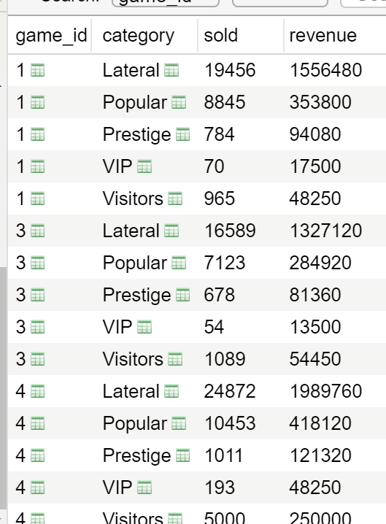
Careers |  |  |  |  | Games |  | gf = goals for the team | result : W for Win, D for Draw, L for Lost |  |  |  |  | duration includes extra time, and potentially prolongations (like for game 6)
 |  |  |  |  |  |  | ga = goals for opposite team | qualification: in case of eliminatory game. If applicable, is written the score at penalties shooting (like for game 6)
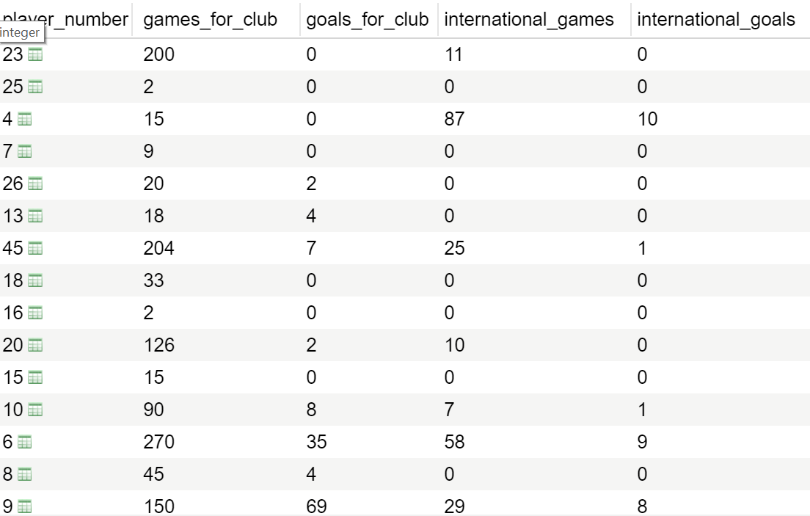
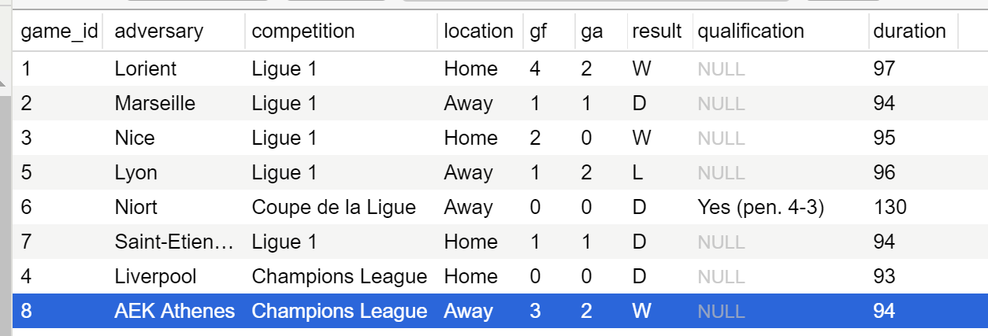

Games_players | grade_l_equipe: grade given by the daily French sports newspaper, can be used after to help monitoring players' performance. Player needs to play at least 45 minuts in a game to have a grade. If a player gets expelled, his grade is automatically 0.
 | yc = number of yellow cards (0,1, or 2 and in which case expulsion) |  |  | rc_direct = 0 or 1 if player directly expelled without initial yellow card
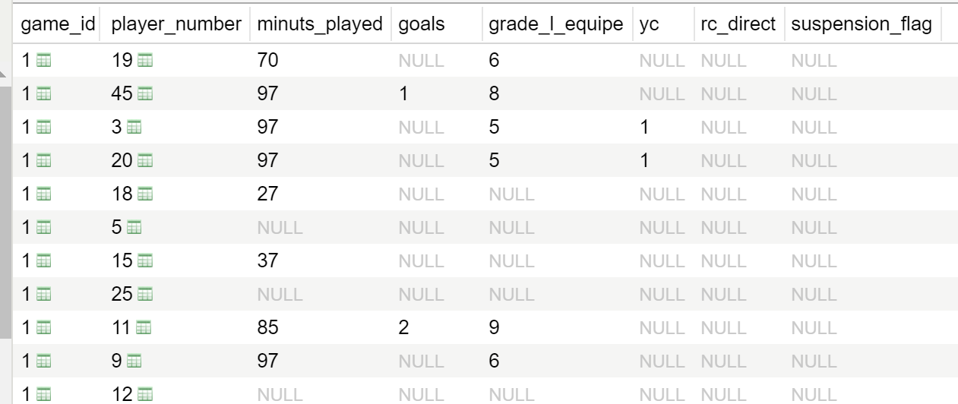
 |  |  |  |  |  | suspension_flag = if player is suspended for the game write X. It should be entered in order to execute properly the query game_sheet, that shows available players for a game

Inf_log |  | pd = partial discharge (player can resume progressively training) |  | fd = full discharge (player can resume all normal trainings and play again) |  |  |  |  | Players |  |  | number = number player wears on his shirt. It has been chosen as the primary key because the database is at the scale of one season only, where we assume that only one player will wear one number
 |  |  |  |  |  |  |  |  |  |  |  | departure_flag = set if the player departs during the season. As having been in the team during a part of the season, he stays in the database, his stats are still available. However, the departure_flag is set so as to not select him anymore for trainings or for games.
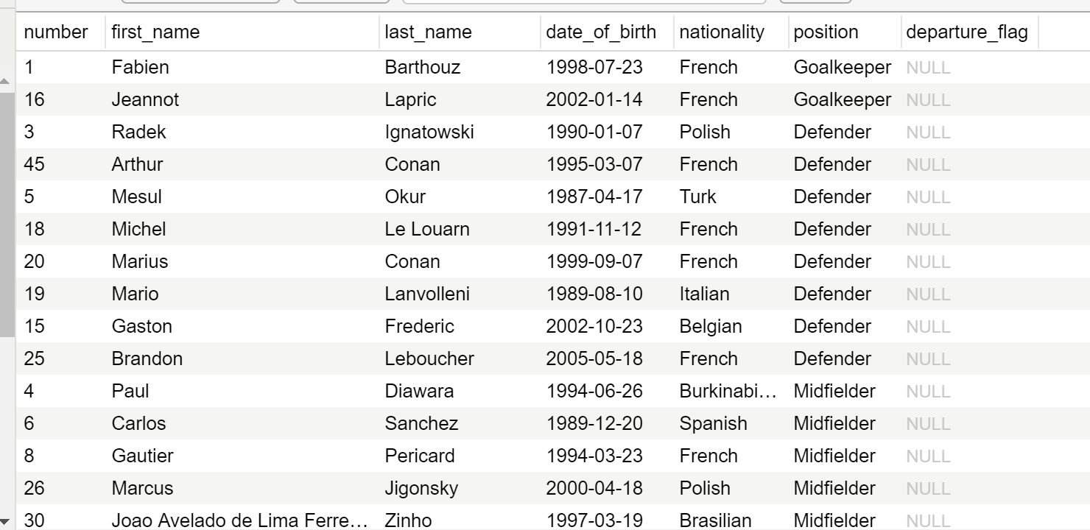

Program | program_manager = foreign key, based on the primary key of the staff table. Identifies the staff member who is set responsible of the given program |  |  |  |  |  |  |  | Programs_players |  | this table shows the players and the trainings they are registered to, which depends on their positions. If a player is wounded, he stays assigned to usual programs, however the views showing who participates currently to full physical charge trainings will exclude him. If a player is partially discharged from infirmary, he will be registered here on the progressive recovery training. If a player is fully discharged after partial discharge, he will be removed from the progressive recovery training. If a player departs from the club, the function prepared to handle departures will unregister him from all programs. If a new player arrives in the club, the program_players table will be created again by the function prepared to handle arrivals, and will base itself on the new players list.

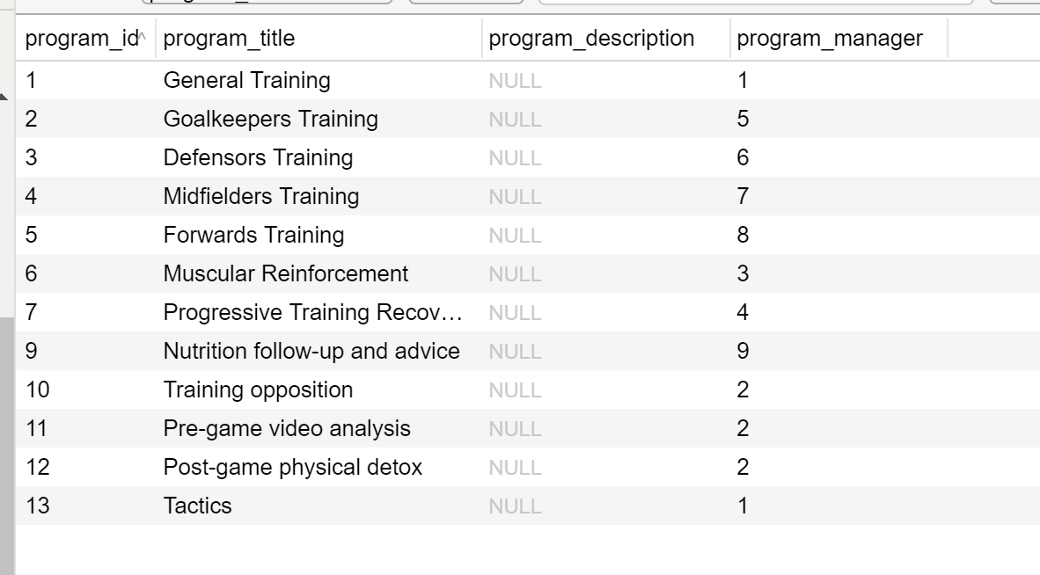
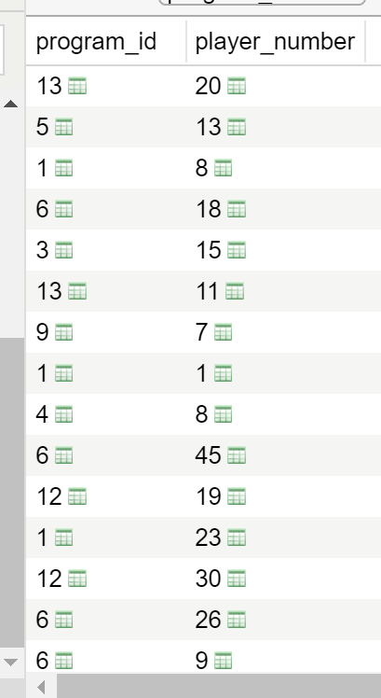

Staff

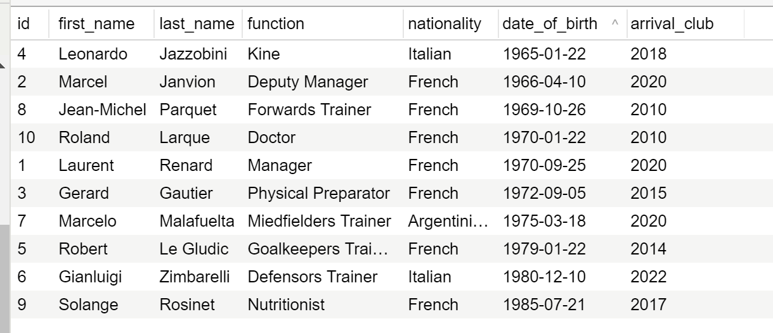

Tickets_prices |  | tariff_season = price for a subscription that allows to see all the games that will be played in home stadion during the season |  |  |  |  |  | Subscriptions |  | revenue is based on the tariff_season attribute from the tickets_prices table
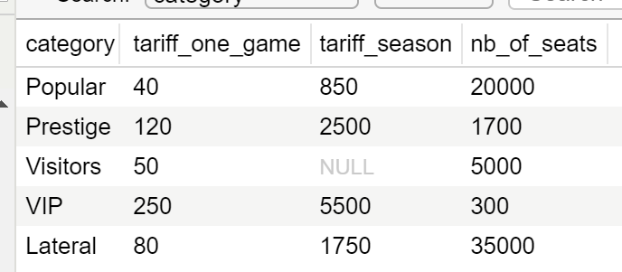
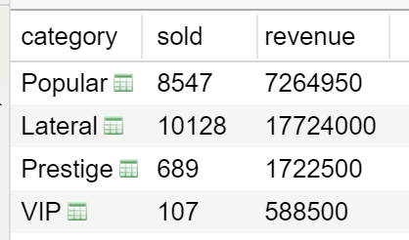

Sold_per_game |  |  | records in this table exist for every game played in home stadion. Constraints have been set so that for each type of seat the sold quantity can not exceed the capacity minus the number of sold subscriptions. The revenue column depends on the tariff_one_game attribute from the tickets_prices table. A function was designed to input sales and revenue for each game, on base of current tickets prices. However a change of the tariff_one_game attribute will not automatically change the revenue values in sold_per_game table. What allows the revenue for each game to be calculated on base of the tickets prices that were in force at the time of the game, as it should be.

