11. Evidence Gallery
Attachment | Issues | Image File | Description | Preview
EV-01 | TIK-TECH-001 | ev-01-robots.png | Local preview robots.txt is text/plain with Sitemap URL (not the SPA shell). | 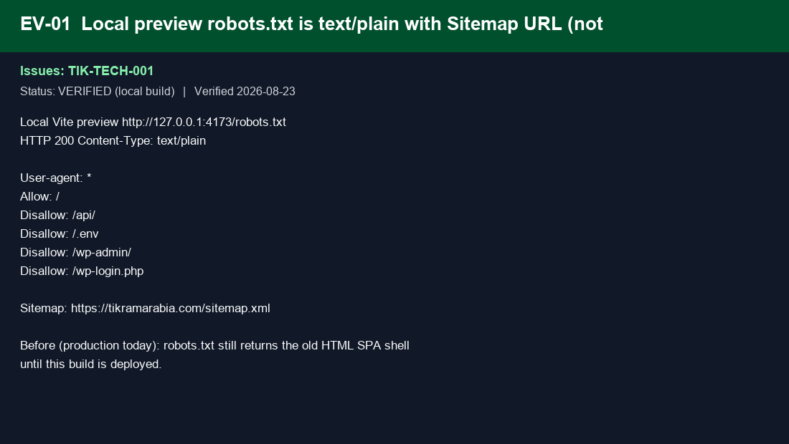
EV-02 | TIK-TECH-006, TIK-TECH-036 | ev-02-sitemap-manifest.png | Local sitemap.xml (22 EN+AR URLs) and site.webmanifest JSON. | 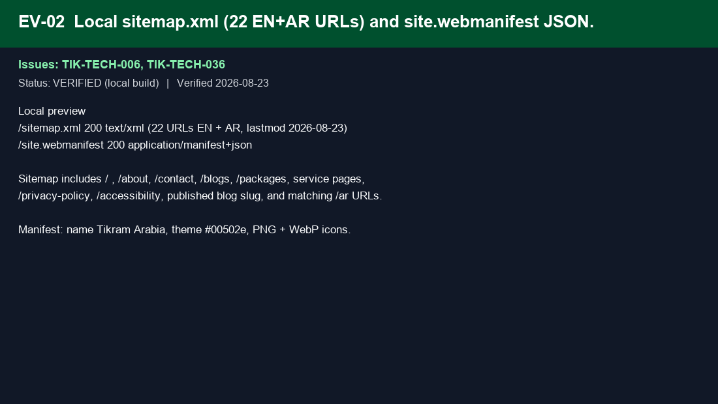
EV-03 | TIK-TECH-002, TIK-TECH-004, TIK-TECH-011 | ev-03-seo-head.png | Production build HTML: canonical, OG/Twitter, Organization JSON-LD, noscript. | 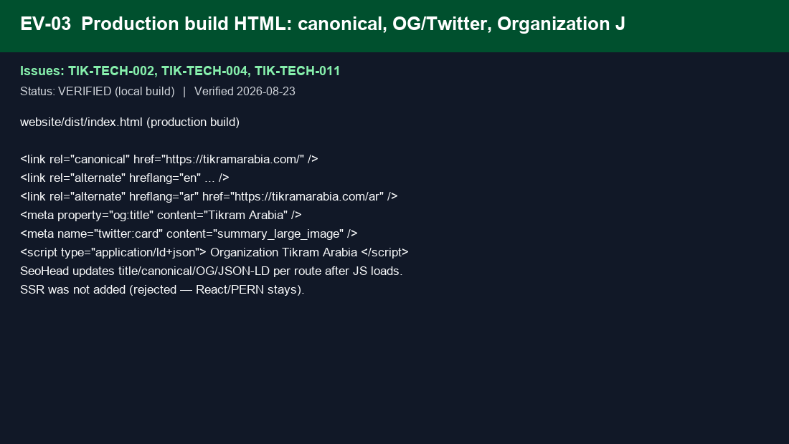
EV-04 | TIK-TECH-012, TIK-TECH-014, TIK-TECH-021 | ev-04-nginx-headers.png | website nginx: security headers, cache for hashed assets, HTML no-cache. | 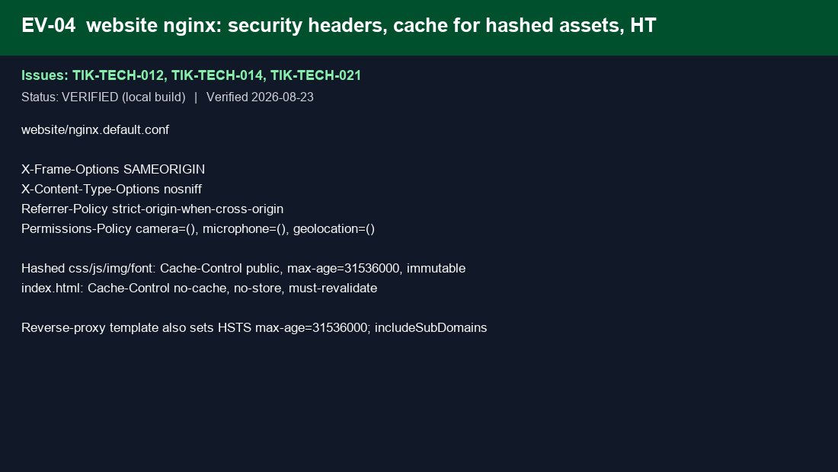
EV-05 | TIK-TECH-009, TIK-TECH-016 | ev-05-https-www.png | HTTP→HTTPS 301 on production; www→apex in reverse-proxy template. | 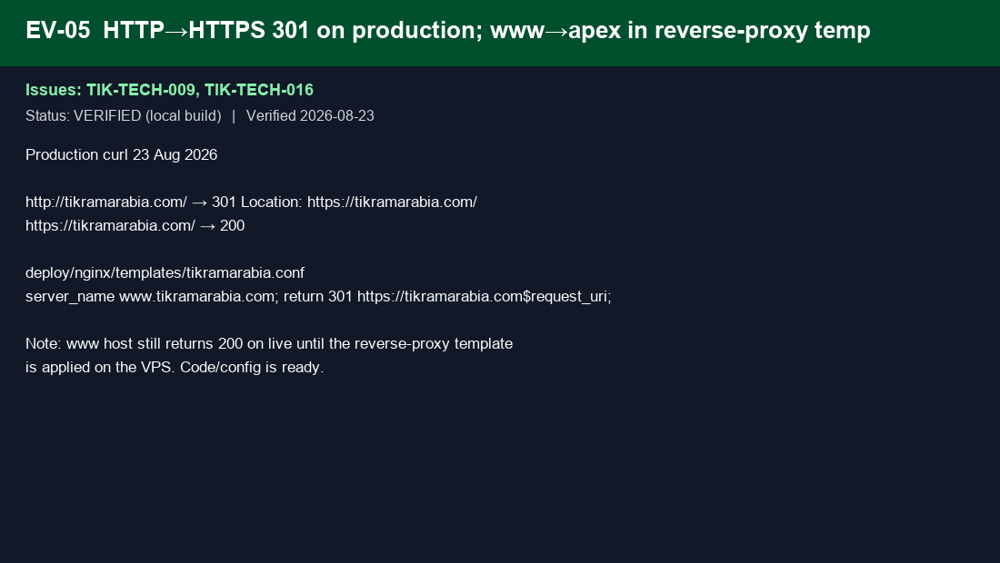
EV-06 | TIK-TECH-005, TIK-TECH-015, TIK-TECH-018 | ev-06-locale-routes.png | /ar locale routes, lang/dir script, /blog → /blogs redirects. | 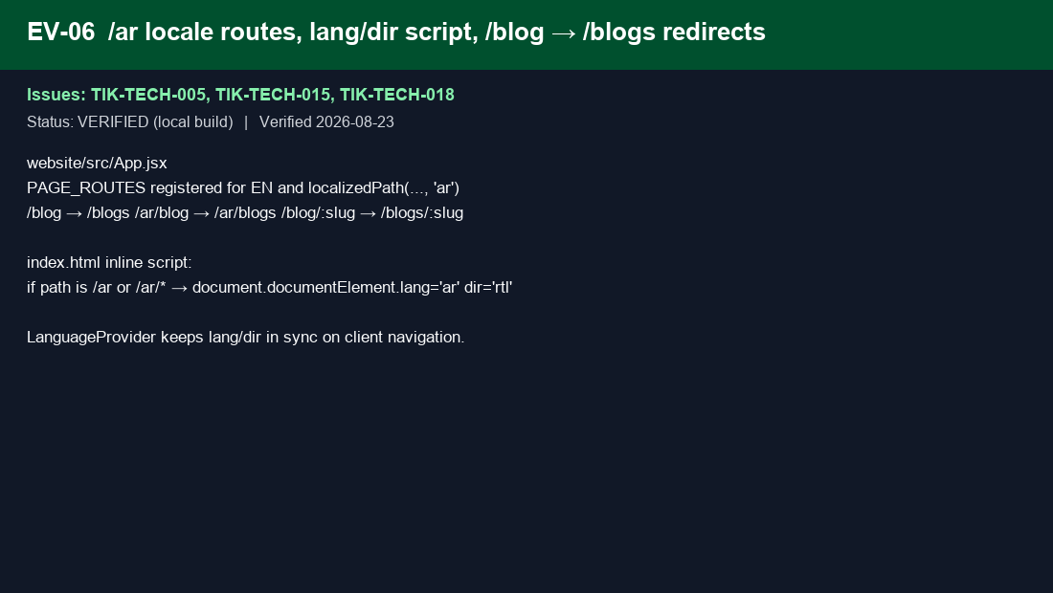
EV-07 | TIK-TECH-026 | ev-07-cookie-consent.png | Cookie consent banner gates GA4; Privacy Policy link. | 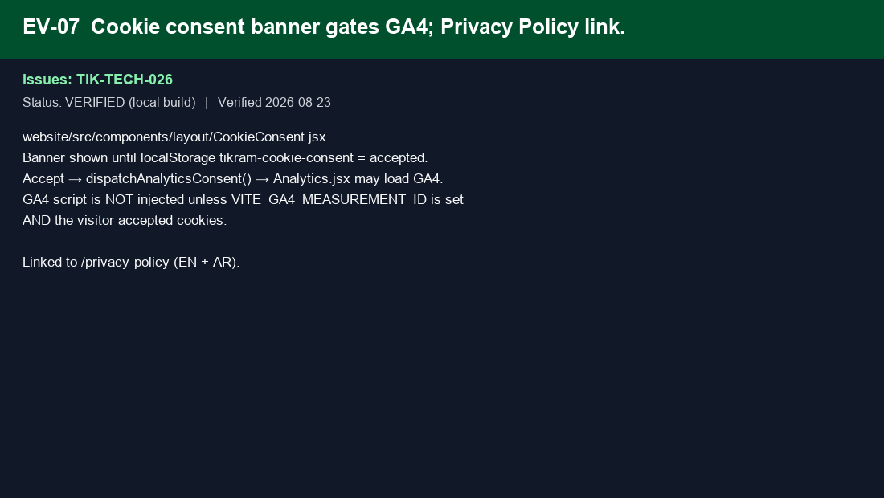
EV-08 | TIK-TECH-027 | ev-08-accessibility.png | Accessibility statement page EN+AR with footer link. | 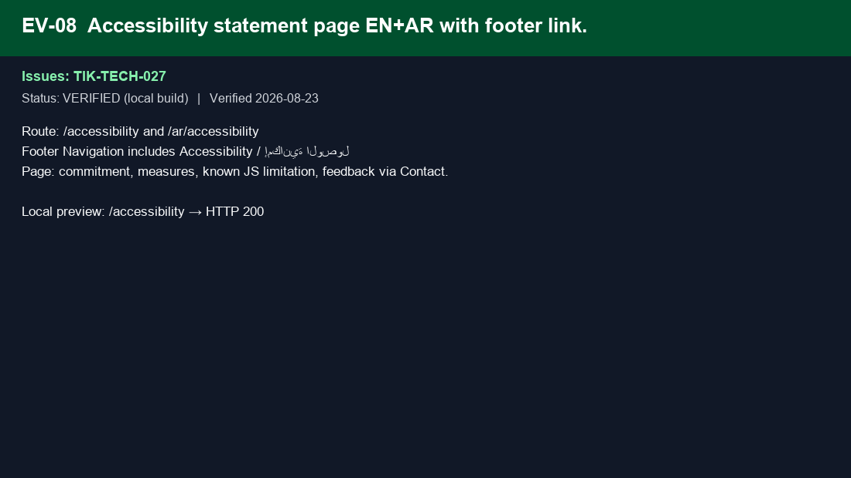
EV-09 | TIK-TECH-029, TIK-TECH-035 | ev-09-favicon-webp.png | favicon.ico (image/x-icon) and logo-02.webp 26KB under 50KB. | 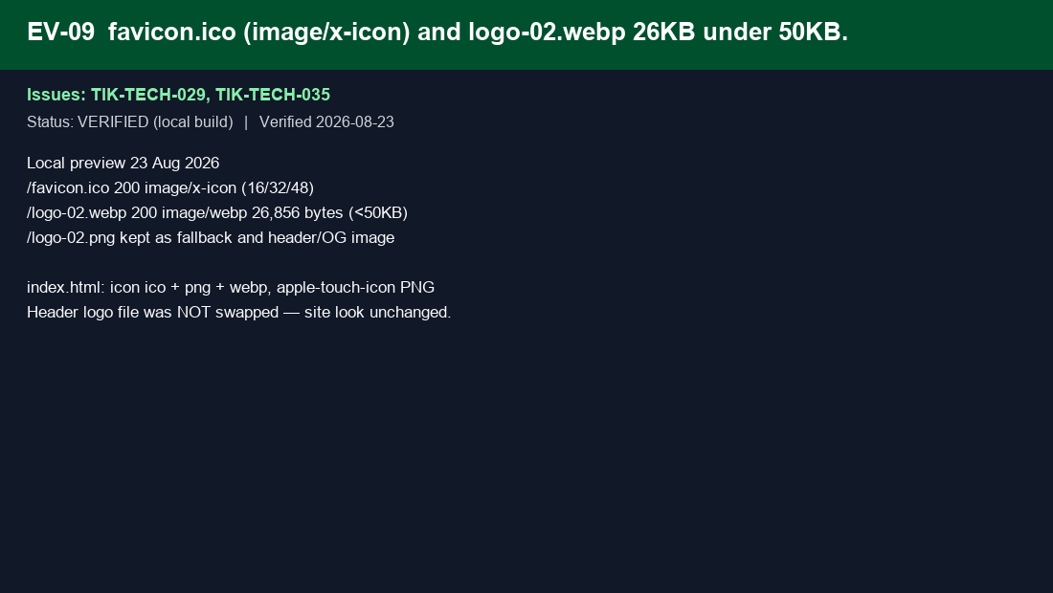
EV-10 | TIK-TECH-030 | ev-10-cloudinary.png | Frontend rewrites Cloudinary URLs with f_auto,q_auto,w_*. | 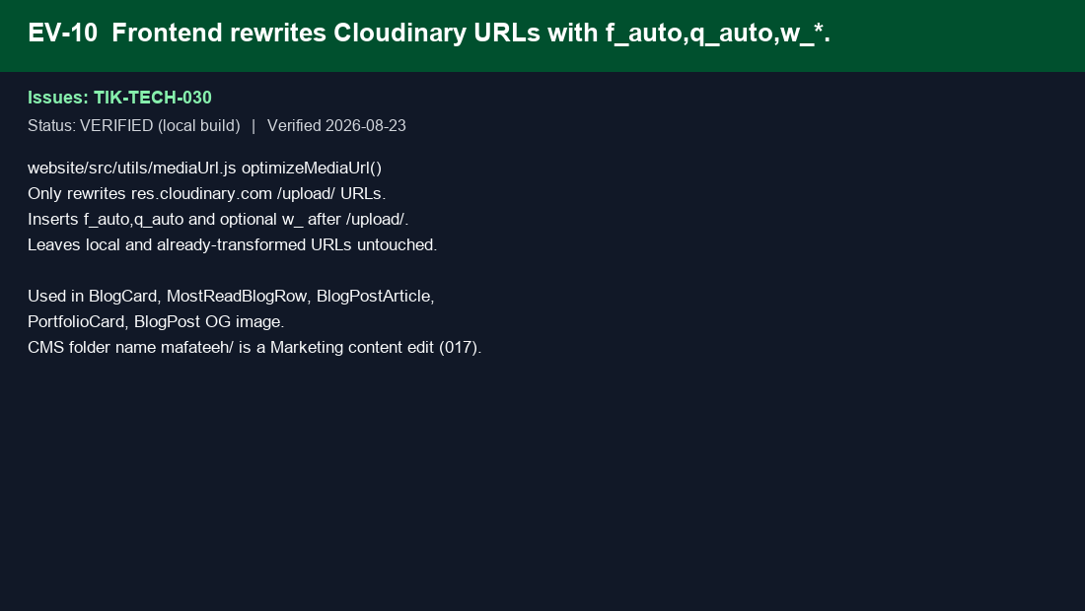
EV-11 | TIK-TECH-010, TIK-TECH-013, TIK-TECH-021, TIK-TECH-023 | ev-11-build.png | Vite build PASS: single 232KB gzip JS, hashed assets, WebP decor. | 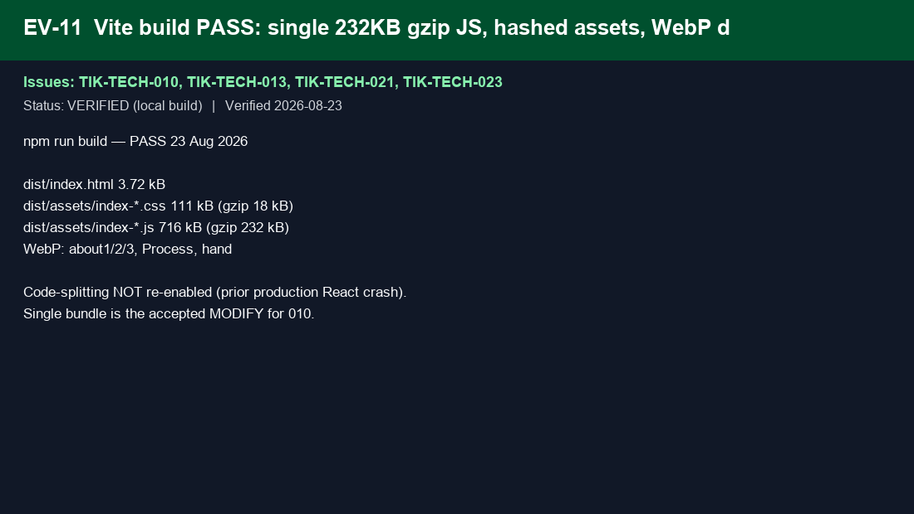
EV-12 | TIK-TECH-007, TIK-TECH-020, TIK-TECH-025, TIK-TECH-028, TIK-TECH-031, TIK-TECH-034 | ev-12-external.png | Items left to Marketing/Business/Legal — not implemented by IT. | 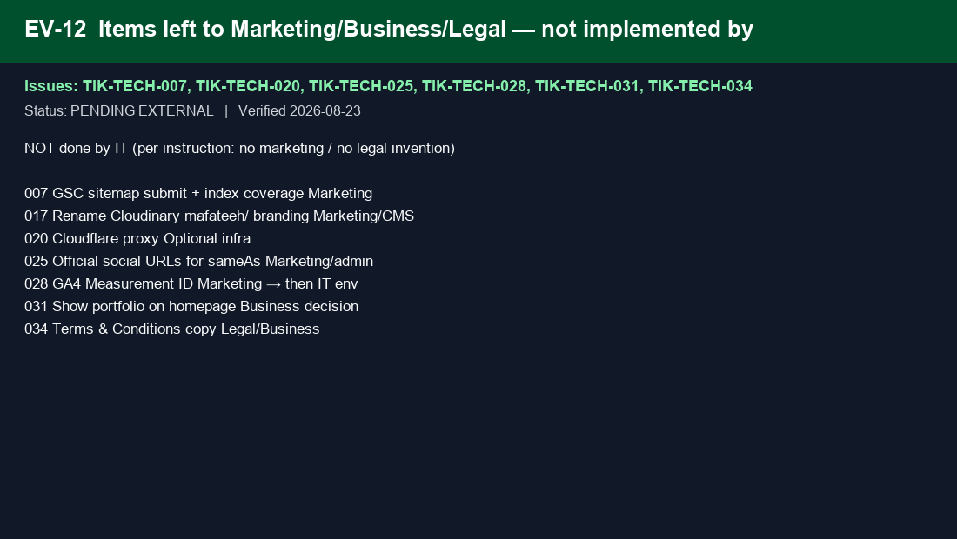
EV-13 | TIK-TECH-017, TIK-TECH-019 | ev-13-blog-api.png | Published blog slug live on API; Cloudinary path still contains mafateeh/ (Marketing). | 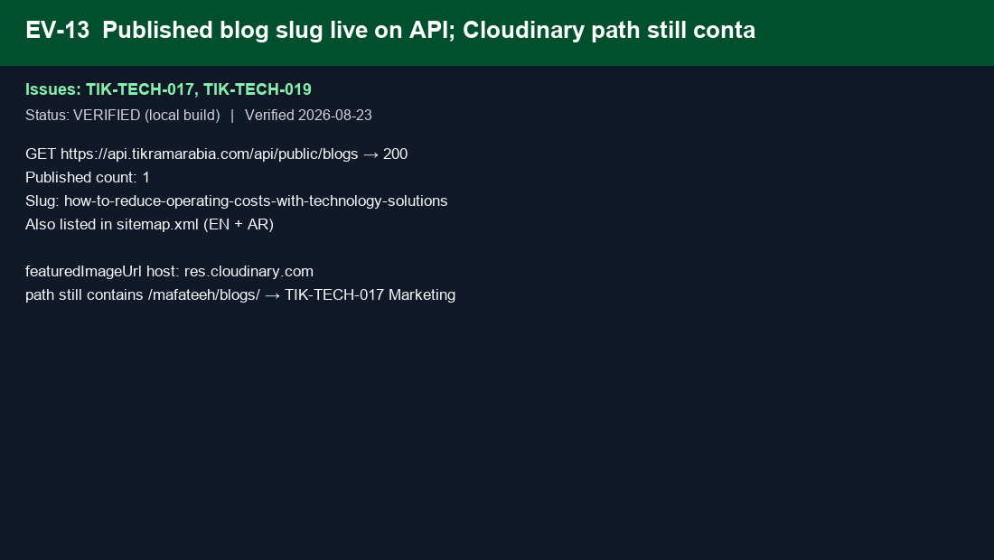
EV-14 | TIK-TECH-032 | ev-14-subdomains.png | api.tikramarabia.com /health 200; /api/public/blogs 200; dashboard 200. | 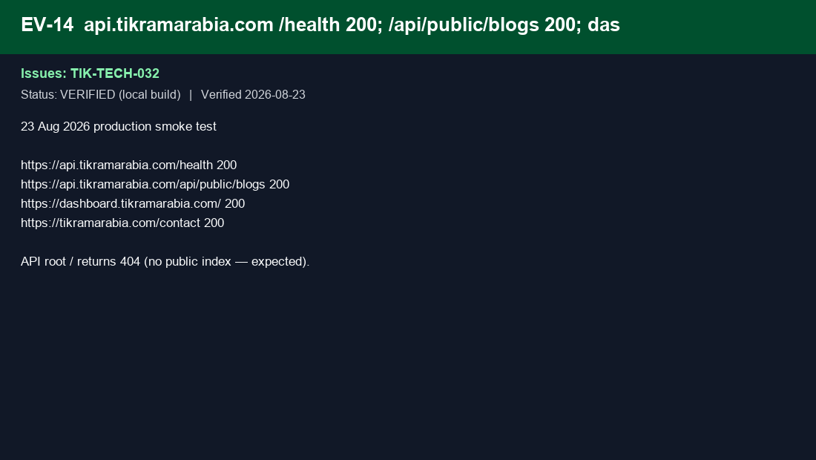
EV-15 | TIK-TECH-008, TIK-TECH-037 | ev-15-probe-404.png | nginx returns 404 for wp-admin, phpmyadmin, .env; other unknown URLs stay SPA. | 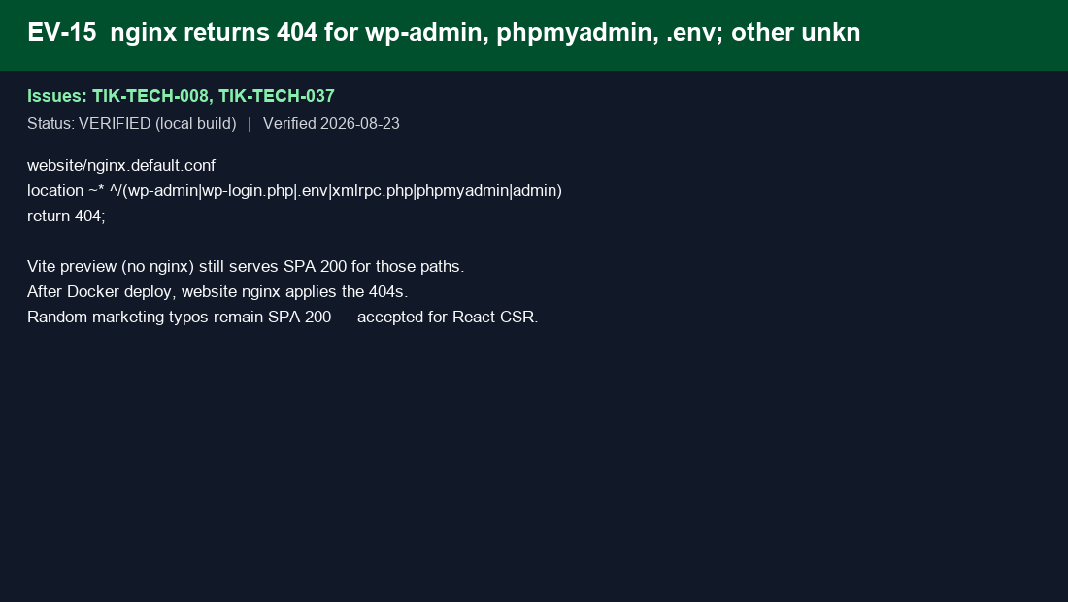
EV-16 | TIK-TECH-003, TIK-TECH-022, TIK-TECH-024, TIK-TECH-038 | ev-16-rejected-fonts.png | SSR/mobile-stack REJECTED (React/PERN). Fonts async from Google — self-host skipped. | 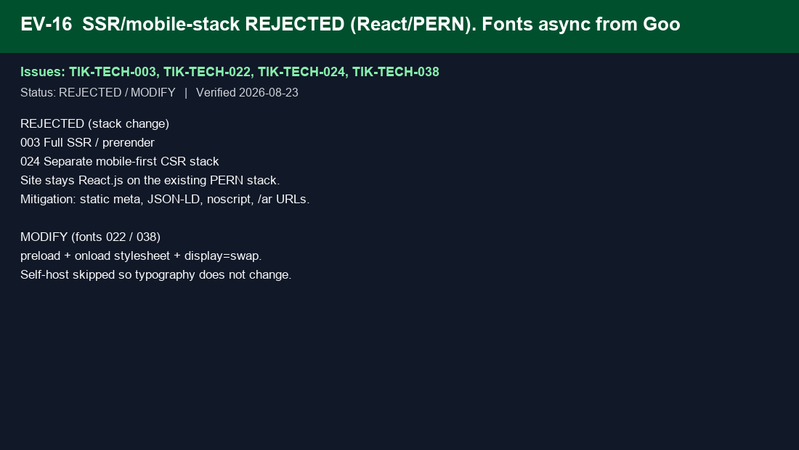
EV-17 | TIK-TECH-033 | ev-17-contact.png | Production /contact returns HTTP 200 — audit finding was incorrect. | 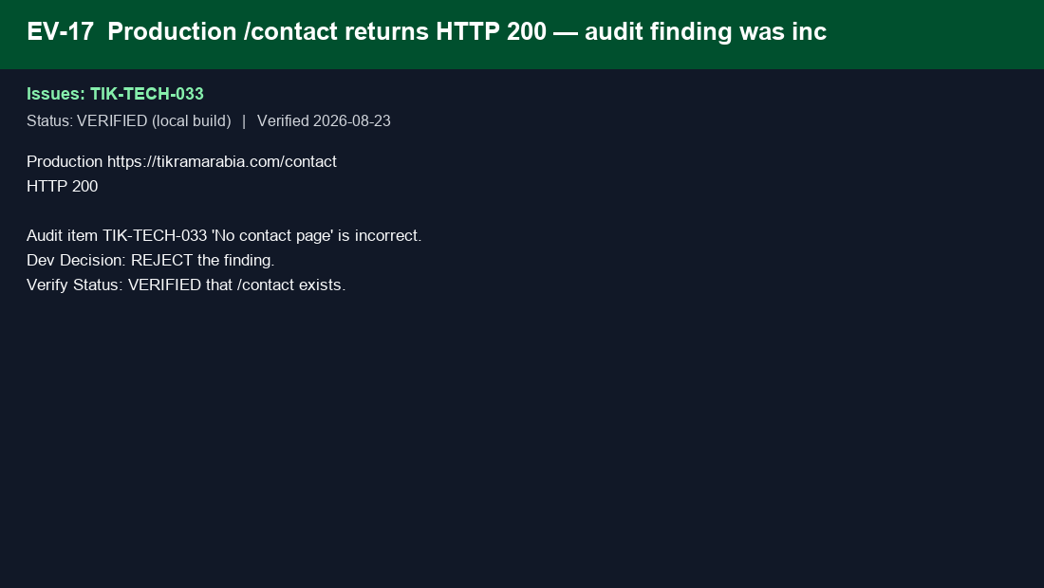
EV-18 | TIK-TECH-001 to 038 | ev-18-prod-pending-deploy.png | Live tikramarabia.com still serves the old 967-byte SPA shell until the SEO build is deployed. | 